Dashboard
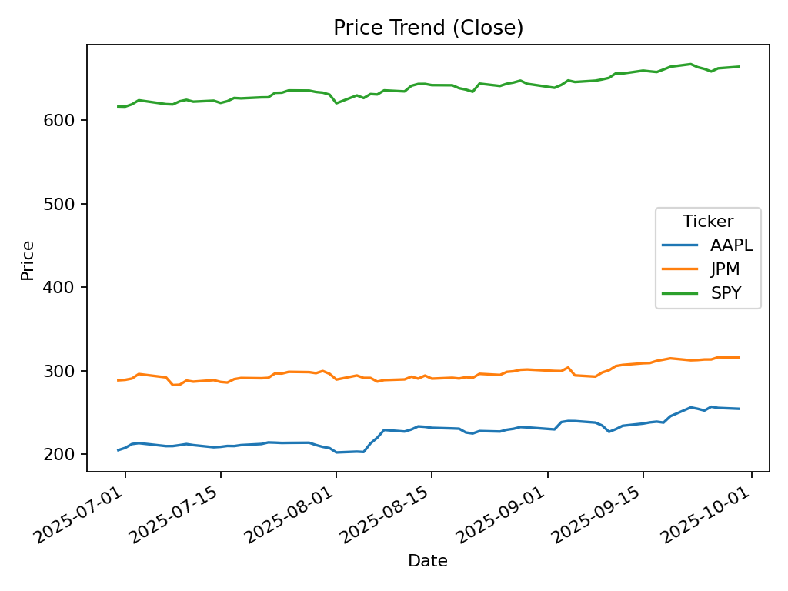
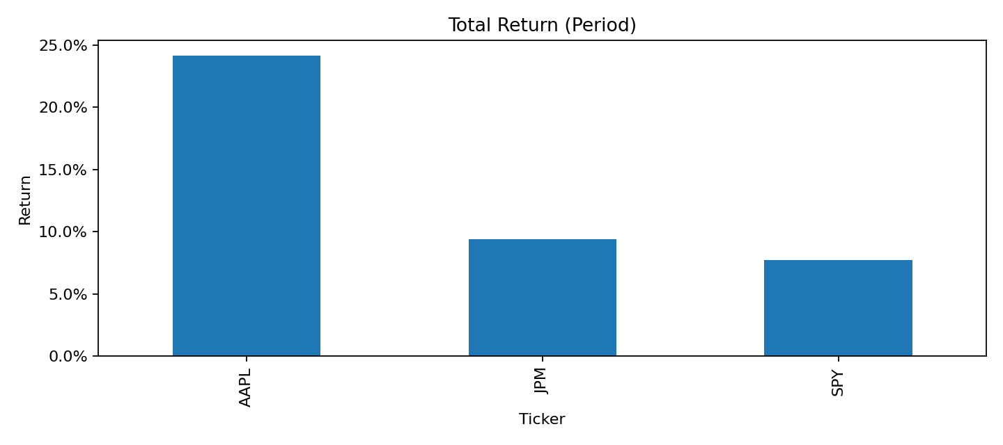
Financial Market Insights Dashboard
Generated: 2025-09-30 20:45

