Sheet1
GREEN are input cells. Blue items are used by both columns. Red items are hard-coded values that will eventually be derived by a calibration procedure

Algorithm (ideal, without requiring cal) |  |  |  | As Implemented, with measurement scaling/cal

GREEN cells are inputs |  |  |  | cal_ph_off | 0.39141 | rad | Phase offset correction factor
vstim | 1.378602 | V | Stimulus voltage for the potential divider | cal_scale | 28.3 |  | Scale factor
Rtop | 1000 | ohm | Top resistor in the potential divider | vreal_raw | 0.355155 | V | As measured by DSP
Freq | 1000 | Hz | Frequency for the measurement | vimag_raw | 0.146575 | V | As measured by DSP
vreal | 0.01327 | V | Real (x-axis), i.e. in-phase meas | vreal | 0.01255 | V | Scaled vreal
vimag | 0.00170 | V | Imag (y-axis), i.e. 90 deg phase shifted meas | vimag | 0.00518 | V | Scaled vimag
 |  |  |  | phase_uncorrected | 0.39141 | rad | Uncorrected phase (radians)
Phase | 0.12707 | rad | Phase (radians) | phase | 0.00000 | rad | Corrected offset phase (radians)
Phase | 7.3 | deg | Phase (degrees) | phase | 0.0 | deg | Corrected offset phase (degrees)
Mag | 0.013375 | V | Magnitude | Mag | 0.013576 | V | Magnitude
 |  |  |  | vreal_c | 0.01358 | V | vreal after the phase offset correction
 |  |  |  | vimag_c | 0.00000 | V | vimag after the phase offset correction

vrestop | 1.36534 | V | Voltage across the source resistor (by complex subtraction) | vrestop | 1.36509 | V
itop | 0.00137 | A | This is the current through the circuit | itop | 0.00137 | A
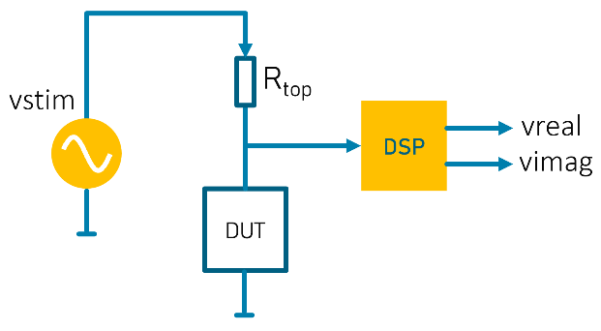
impdut | 9.796 | ohm | Z (impedance) | impdut | 9.945 | ohm

ires | 0.00135 | A | Real current | ires | 0.00137 | A
ireact | 0.00017 | A | Imag current | ireact | 0.00000 | A

reactdut | 77.2979 | ohm | Reactance | reactdut | 3862396.4665 | ohm
resdut | 9.8756 | ohm | Resistance | resdut | 9.9454 | ohm
capdut | 2.05898 | uF | Capacitance | capdut | 0.00004 | uF
inddut | 12302.3 | uH | or Inductance | inddut | 614719489.8 | uH

reactance | 1.2515 | ohm | X this is reactance!

