Sheet1
 | Հին | Նոր
1 | 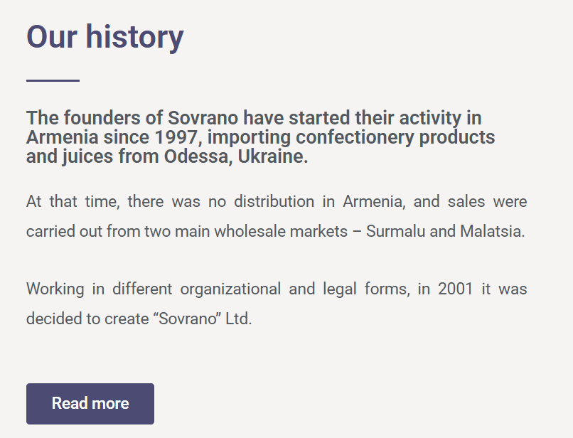 | Sovrano LLC was founded in 1997. The company's mission is to ensure the quality and effective distribution of products throughout the entire territory of the Republic of Armenia. With its extensive experience and efficient management of sales and logistics, the company has been representing well-known international brands in the Armenian market for over 28 years.
2 |  | 50+ suppliers, 500+ employees, 80+ cars
3 | 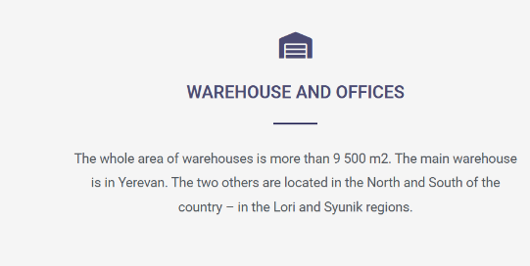 | The total area of Sovrano LLC's warehouses exceeds 11,000 square meters. The main warehouse, located in the capital city of Yerevan, has the capacity to accommodate approximately 5,000 pallets at once. Two additional warehouses are situated in the north and south of the country, in the Lori and Syunik regions, respectively.
4 | 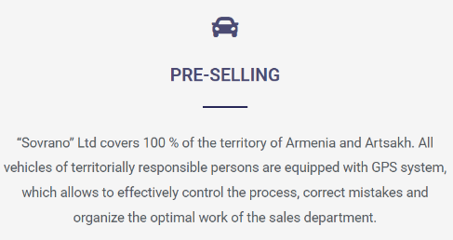 | Sovrano ensures 100% coverage of the territory of Armenia. The company operates exclusively through direct distribution. All sales agents' vehicles are equipped with GPS systems, enabling effective work monitoring, error detection, and efficient organization of sales department activities.
5 | 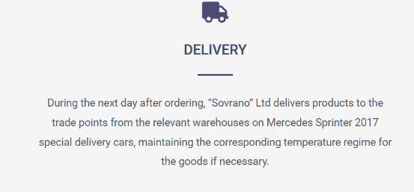 | Sovrano ensures fast and efficient nationwide delivery within 24 hours. Orders are processed through automated PDA systems and managed with advanced software. The company's own fleet, equipped with individual ventilation and GPS tracking, guarantees product quality and real-time monitoring.
6 | 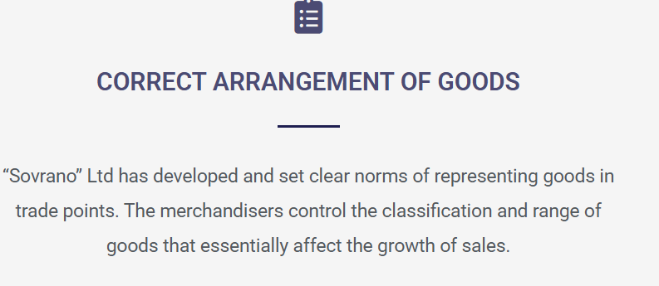 | Sovrano has established clear standards for product presentation at retail locations. Merchandisers oversee the proper classification and assortment of goods, which play a crucial role in driving sales growth.
7 | 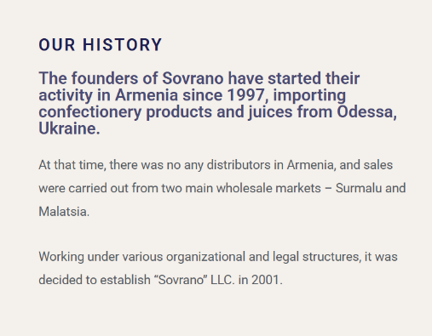 | Sovrano LLC was founded in 1997. The company's mission is to ensure the quality and effective distribution of products throughout the entire territory of the Republic of Armenia. With its extensive experience and efficient management of sales and logistics, the company has been representing well-known international brands in the Armenian market for over 28 years.
8 | 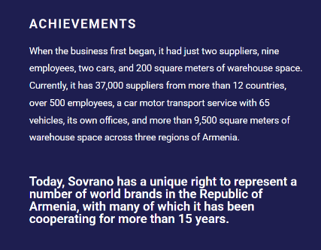 | Advantages ․The total area of Sovranօ's warehouses exceeds 11,000 square meters. The main warehouse is located in the capital city, Yerevan, with a capacity to accommodate approximately 5,000 pallets at once. Two additional warehouses are situated in the Lori and Syunik regions, in the north and south of the country, ensuring 100% coverage of Armenia's territory. ․ With extensive experience since its founding in 1997, the company has developed a profound understanding of local consumer preferences, established strong partnerships, and built a well-established business network comprising 6000 customers. ․The company maintains a strong and continuously developing portfolio, divided into a diverse range of categories: Confectionery, Beverages, Coffee & Tea, Gastronomy. ․ Sovrano ensures high in-store visibility and brand compliance through its Quality Control Department and merchandising team. Over 250 large stores are visited weekly in Yerevan, while i-house merchandisers in 40 key supermarkets maintain product availability, arrange shelves Assist customers, and monitor compliance via automated systems with photo reporting and pricing control. ․ Sovrano's operations are supported by advanced proprietary software, including Optimum for order collection, Scheduler for delivery planning, and OMS for real-time task management and shelf monitoring. These systems, integrated with the Bitrix24 CRM, ensure seamless communication, efficient workflows, and full operational control across all departments.
9 |  | Հանել
10 |  | 28 years in market, 13 Offices & Warehouses, 50+ Partners, 500+ employees
11 |  | Հանել
12 |  Alcoholic Beverages | Sazerac - Sazerac is one of the oldest and most respected names in the global spirits industry, with roots dating back to 17th-century France and a deep heritage in New Orleans, the birthplace of the iconic Sazerac cocktail. As a family-owned company, Sazerac has built a portfolio of over 500 renowned brands, including Buffalo Trace, Eagle Rare, Fireball, Southern Comfort, and Sazerac Rye. With a strong commitment to quality, tradition, and innovation, Sazerac continues to set the standard in whiskey, cognac, and a wide range of premium spirits enjoyed around the world. Louers Vodka - LOUERS Vodka is an ultra-premium Dutch vodka crafted from the finest wheat and pure spring water. Distilled six times and filtered through 12 layers of charcoal, it delivers exceptional smoothness and clarity. Known for its award-winning quality and iconic, LED-lit bottle design, LOUERS Vodka is a bold fusion of luxury, purity, and innovation. G&J Distillers - G&J Distillers is the world’s oldest continuous gin distillery, proudly crafting premium spirits in Warrington, England since 1761. With over 260 years of heritage, the distillery is known for its masterful balance of tradition and innovation. As part of the Quintessential Brands Group, G&J Distillers produces an acclaimed portfolio of gins, including Greenall’s, BLOOM, OPIHR, Thomas Dakin, and Berkeley Square—each reflecting a unique blend of carefully selected botanicals and centuries of expertise. Under the guidance of Master Distiller Joanne Moore, one of the first female master distillers in the world, G&J has gained international recognition for its craftsmanship and quality, earning numerous awards including Gin Producer of the Year at the International Spirits Challenge. | 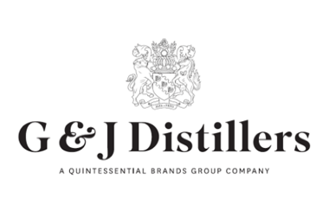 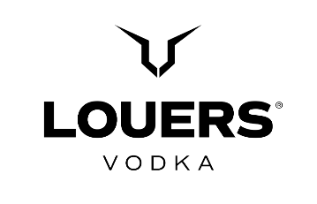
13 | Ավելացնել Gastronomy կատեգորիան | Delverde is a premium Italian pasta brand from Fara San Martino, in the heart of the Majella National Park. Since 1967, it has been producing high-quality pasta using pure spring water from the Verde River and top-grade durum wheat semolina. With traditional methods like bronze die extrusion and slow drying at low temperatures, Delverde offers pasta with exceptional taste, texture, and authenticity. Now part of the Newlat Group, Delverde is a symbol of Italian culinary excellence, enjoyed around the world. Garofalo is an Italian premium pasta brand with origins in Gragnano, near Naples, where pasta‑making has been a centuries‑old tradition. Since 1789, Garofalo has combined artisan craftsmanship with modern expertise to produce pasta of exceptional quality. Made from high‑quality durum wheat semolina and spring water, the dough is extruded through bronze dies and slowly dried at low temperatures — techniques that give its pasta a rough texture, excellent sauce‑adhesion, and the ideal "al dente" bite. Garofalo holds the PGI (Protected Geographical Indication) certification “Pasta di Gragnano,” ensuring authenticity and strict production standards. Today, Garofalo pasta is exported worldwide and appreciated by consumers seeking true Italian excellence. Sterilgarda is one of Italy’s leading dairy and food producers, known for combining tradition with innovation since 1969. Based in Castiglione delle Stiviere, the company offers a wide range of high-quality products including UHT milk, fresh cheeses like mascarpone and ricotta, creams, yogurts, desserts, juices, and tomato sauces. With a strong focus on food safety, sustainability, and international standards, Sterilgarda delivers Italian excellence to households and markets around the world. Caputo, founded in Naples in 1924, is a family-owned mill renowned for producing some of Italy’s finest flours. Using slow milling methods and the highest-quality wheat, Caputo creates natural, additive-free flours that p | 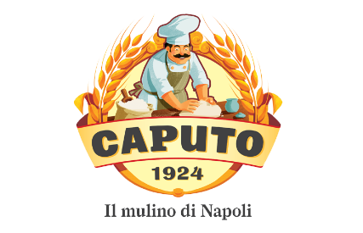 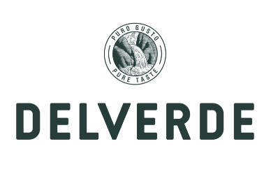 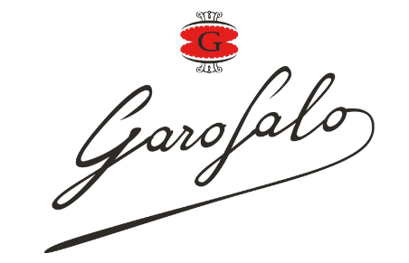 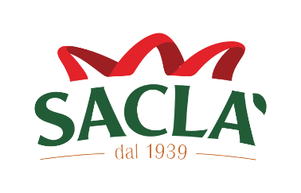 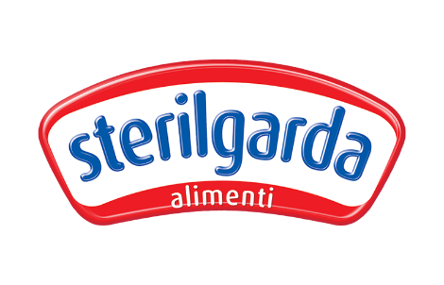 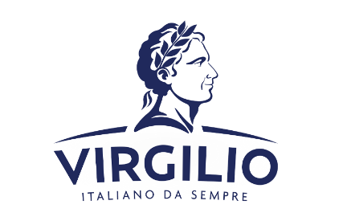

14 |  Confectionery | Feletti is a historic Italian chocolate brand founded in 1882 in Turin, known for its artisanal craftsmanship and high-quality chocolates. With a rich heritage rooted in tradition, Feletti offers a range of exquisite confections, pralines, and spreads made from premium ingredients. Now part of the H.D.I. group, Feletti continues to uphold its legacy of excellence in the world of fine Italian chocolate. B&B Confectionery is a renowned Russian confectionery manufacturer established in 1929 and located in Podolsk, Moscow Region. As one of the largest enterprises in the Russian confectionery industry, B&B produces over 200 types of sweets, including jelly candies, truffles, chewy marmalade, mini caramels, and chocolate products. The company utilizes state-of-the-art production lines from England, Italy, and Germany, ensuring high-quality standards and innovative manufacturing processes. B&B Confectionery is committed to using non-GMO raw materials and maintains strict quality control through its in-house laboratory. The brand is recognized for its wide range of products that cater to diverse consumer tastes and preferences. Grona is a leading Ukrainian confectionery manufacturer established in 1995, renowned for producing a diverse range of high-quality baked goods and sweets. Operating from Skvyra, Kyiv Region, the company specializes in biscuits, crackers, puff pastries, confectionery, and pasta. Grona's products are crafted using advanced technology and adhere to international quality standards, ensuring a delightful taste experience. With a commitment to innovation and excellence, Grona continues to be a trusted name in the confectionery industry. Millennium Confectionery is a leading Ukrainian chocolate manufacturer established in 1999, renowned for producing high-quality chocolates and candies under brands like Millennium, Lubimov, Oskar le Grand, and Disney. The company operates one of Ukraine’s largest chocolate factories in Dnipro, employing over 3,000 | 