Sheet1
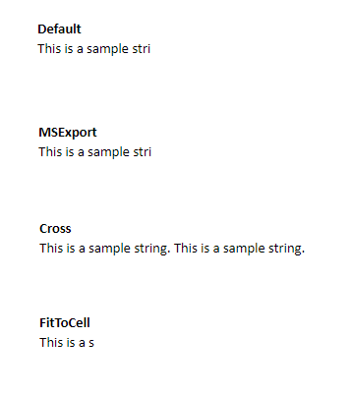
Default
This is a sample string. This is a sample string.

MSExport
This is a sample string. This is a sample string.

Cross
This is a sample string. This is a sample string.

FitToCell
This is a sample string. This is a sample string.

