Charts
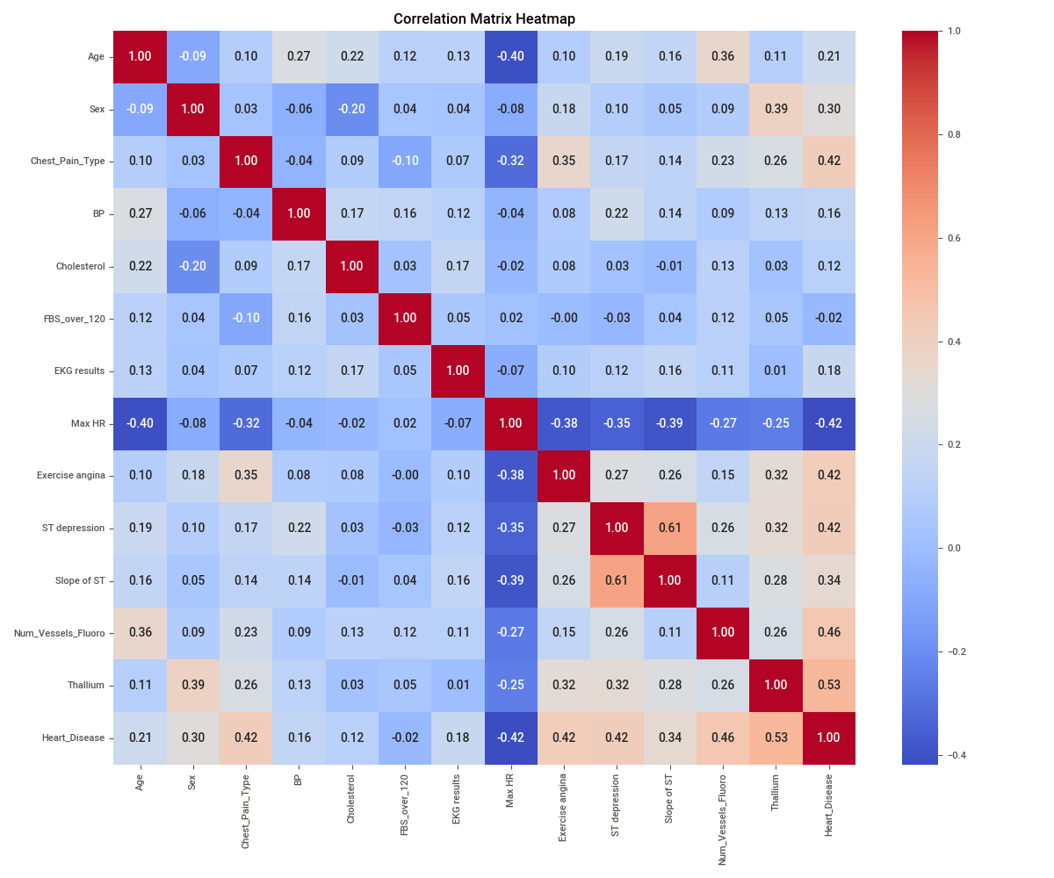
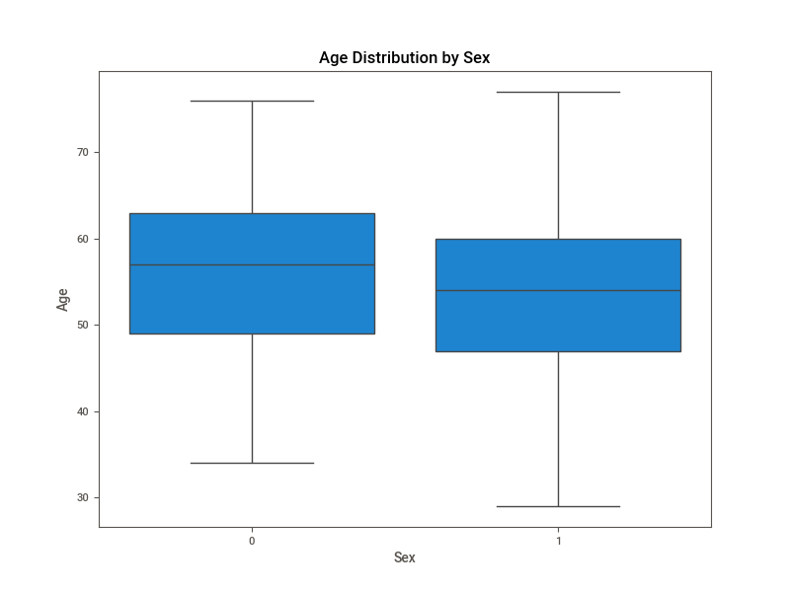
Heart Disease Distribution
 | Heart Disease Count
1 | 1
0 | 0
1 | 1
0 | 0
0 | 0
0 | 0
1 | 1
1 | 1
1 | 1
1 | 1
0 | 0
0 | 0
0 | 0
1 | 1
0 | 0
0 | 0
1 | 1
1 | 1
0 | 0
0 | 0
1 | 1
0 | 0
0 | 0
0 | 0
0 | 0
0 | 0
0 | 0
0 | 0
1 | 1
0 | 0
1 | 1
0 | 0
0 | 0
1 | 1
1 | 1
1 | 1
1 | 1
1 | 1
0 | 0
0 | 0
1 | 1
0 | 0
0 | 0
0 | 0
1 | 1
0 | 0
1 | 1
1 | 1
1 | 1
1 | 1
...

