Charts
Visual Analysis — KAM Similarity 2022–2024

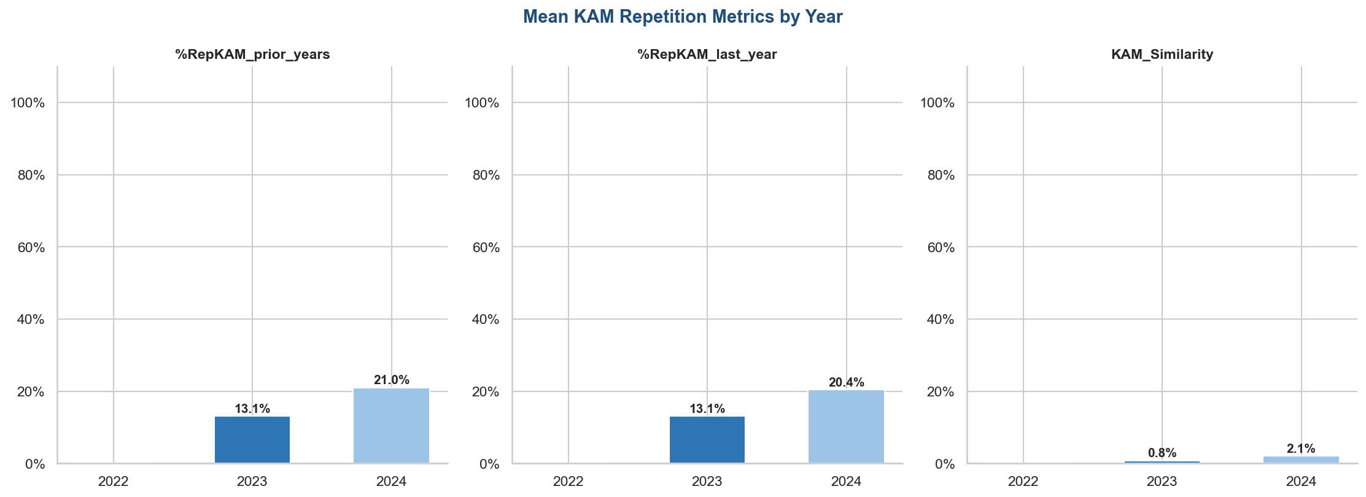
 | Mean Repetition Metrics

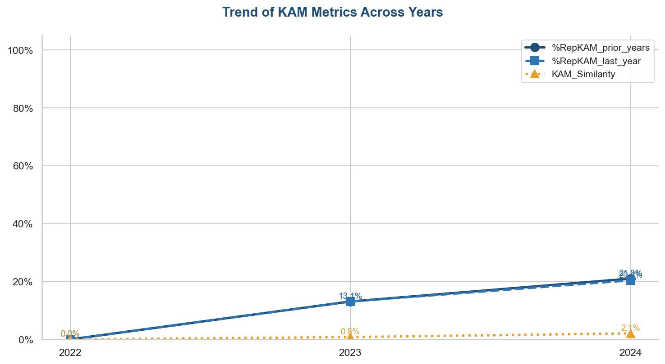
 | Trend Analysis

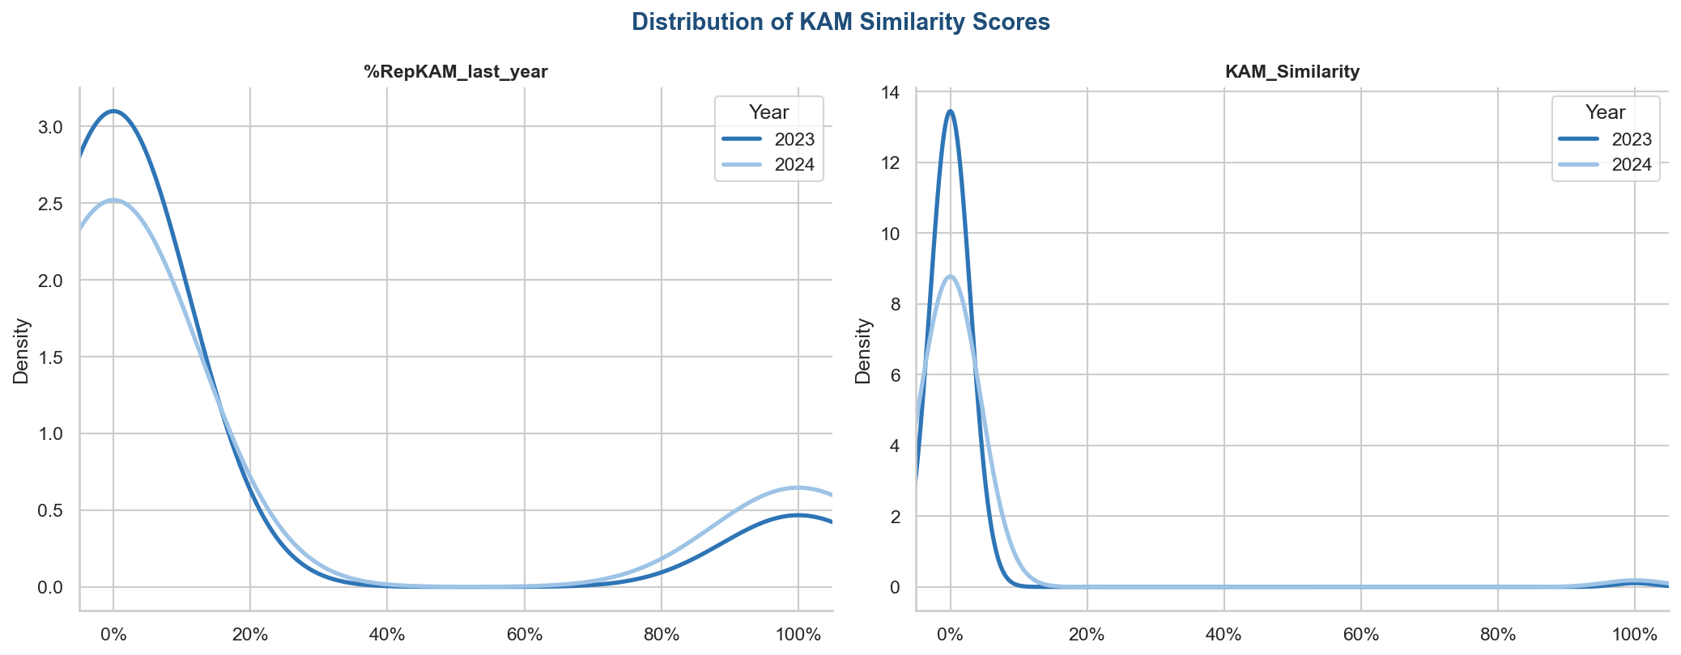
 | Distributions

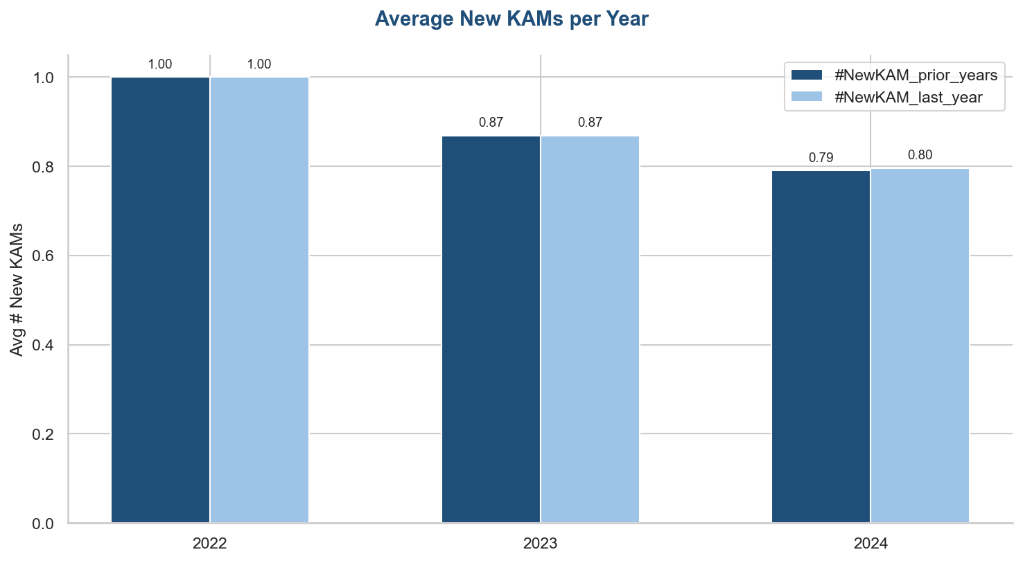
 | New KAMs

