Bug Report
Bug ID | Bug Name | Description | Steps to reproduce | Test data | Expected result | Actual result | Repro rate | Attachments | Priority | Severity
BR:001 | Can't add new computer. | When trying to add new computer with valid data, successful message appears but computer is not added in database. | 1. Open Web Browser |  |  |  | 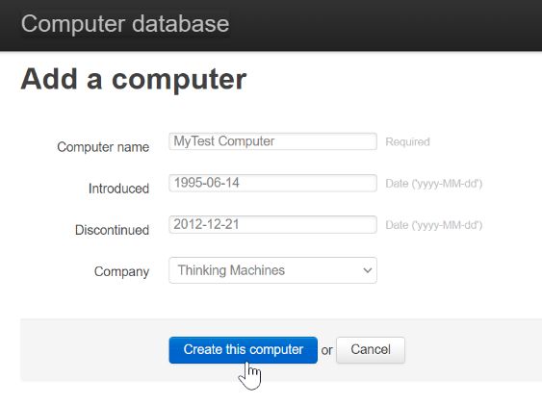
 |  |  | 2. Open Main Page | https://computer-database.gatling.io/computers
 |  |  | 3. Go to page for adding new computer | click 'Add a new computer' button in upper right corner
 |  |  | 4. Insert valid computer specifications | Computer name: MyTest Computer Introduced: 1995-06-14 Discontinued: 2012-12-21 Company: Thinking Machines
 |  |  | 5. Creating new computer | click 'Create this computer' button below
 |  |  | 6. Enter computer name in search field. | enter: 'MyTest Computer' in search field
 |  |  | 7. Verify that computer is added. | click 'Filter by name' | 'MyTest Computer' found in search. | 'MyTest Computer' not found in search. | 100% |  | High | High
BR:002 | Can’t delete existing computer. | When trying to delete computer, successful message appears but computer still appears in database. | 1. Open Web Browser
 |  |  | 2. Open Main Page | https://computer-database.gatling.io/computers
 |  |  | 3. Enter existing computer in search field. | enter: 'Super Nintendo Entertainment System' in search field
 |  |  | 4. Search for computer | click 'Filter by name'
 |  |  | 5. Open computer page | click on 'Super Nintendo Entertainment System' in search results
 |  |  | 6. Delete computer | click on 'Delete this computer' in upper right corner
 |  |  | 7. Enter computer name again in search field. | enter: 'Super Nintendo Entertainment System' in search field
 |  |  | 8. Verify that computer is deleted by searching database | click 'Filter by name' | Deleted computer not found in database. | Deleted computer found in database. | 100% |  | High | High

