Input
Data collection form for LCA-based tool

1. General Information |  | Example
Date | 19-Aug-10 | 31-Mar-25
Mixture ID | 801/64/2010/13RE-1234/0 | 2221
Mixture type (SB250) | AB-3A1 | APO-A
Mixture type (EN 13108) | AC 20 onderlaag 50/70 | AC 20 base 70/100
Total binder cotent (by weight of mix) | 3.72% | 4.30%
Asphalt binder replacement | 40.4%

2. Mixture Production
Asphalt plant location (city/town) | straat 1, 1000 Gaurain-Ramecroix
Plant type | Batch with parallel drum
Average hour plant production (t/h) | 350
Asphalt plant: primary energy source type for heating and drying | Natural_gas | 100% | Correct
Asphalt plant: secondary energy source type for heating and drying | No | 0%
Asphalt plant: electric components | Yes | Electricity | Correct
Mixture production temperature range (°C) | 155⁰C - 185⁰C
Mixture bulk density (SVM) (kg/m3) | 2400

 | Type | Energy source
Asphalt mix loading operation | Wheel_loader_338tph_Komatsu_WA500 | Diesel |  |  |  |  |  |  |  |  |  |  |  |  |  |  |  |  | 0

3. Layer Specifications
Layer | Thickness (mm) | Mass per FU (ton/m2)
Wearing Course 1 | 80 | 0.192

4. Mixture Components and Transporation Distances
- For virgin binder, enter the location and transportation mode and distance from the refinery - For aggregate and filler, enter the location and transportation mode and distance from the quarry - For waste, enter the location and transportation mode and distance from the processing plant - For additives, enter the location and transportation mode and distance from the factory
Mixture Components | % (by weight of mixture) | Type | Biogenic origin - type | % Biogenic content (by weight of product) | Biogenic status | Stockpile covered? | Transportation distance (km) from point of extraction to asphalt plant and fuel type
 |  |  |  |  |  |  | Location (city/town) | Transport status | Route 1 |  |  | Route 2 |  |  | Route 3
 |  |  |  |  |  |  |  |  | Mode of transport | Energy source | Distance (km) | Mode of transport | Energy source | Distance (km) | Mode of transport | Energy source | Distance (km) | List | Check
Virgin binder | 2.22% | Conventional_Bitumen | No | 0.0% | Correct |  | Koudekerk-aan-de-Rijn | Fill Transport | Truck | Diesel_Euro6 | 261.62 | No | No | 0 | No | No | 0 |  | 0
Virgin crushed coarse aggregate 1 (>2 mm) | 6.10% |  |  |  |  | No | Beez | Fill Transport | Truck | Diesel_Euro6 | 114.54 | No | No | 0 | No | No | 0 |  | 0
Virgin crushed coarse aggregate 2 (>2 mm) | 10.20% |  |  |  |  | No | Soignies | Fill Transport | Barge | Diesel | 50.91 | No | No | 0 | No | No | 0 |  | 0
Virgin crushed coarse aggregate 3 (>2 mm) | 35.30% |  |  |  |  | Yes | Genk | Fill Transport | Truck | Diesel_Euro6 | 188.2 | No | No | 0 | No | No | 0 |  | 0
Virgin crushed fine aggregate 1 (≤2 mm) | 0.00% |  |  |  |  | No | Gaurain-Ramecroix | Do not fill Transport | No | No | 0 | No | No | 0 | No | No | 0 |  | 0
Virgin crushed fine aggregate 2 (≤2 mm) | 0.00% |  |  |  |  | No |  | Do not fill Transport | No | No | 0 | No | No | 0 | No | No | 0 |  | 0
Virgin crushed fine aggregate 3 (≤2 mm) | 0.00% |  |  |  |  | No |  | Do not fill Transport | No | No | 0 | No | No | 0 | No | No | 0 |  | 0
Virgin natural fine aggregate 1 (≤2 mm) | 15.30% |  |  |  |  | No | Neufvilles | Fill Transport | Barge | Diesel | 44.35 | No | No | 0 | No | No | 0 |  | 0
Virgin natural fine aggregate 2 (≤2 mm) | 0.00% |  |  |  |  | No |  | Do not fill Transport | No | No | 0 | No | No | 0 | No | No | 0 |  | 0
Virgin natural fine aggregate 3 (≤2 mm) | 0.00% |  |  |  |  | No |  | Do not fill Transport | No | No | 0 | No | No | 0 | No | No | 0 |  | 0
Filler 1 | 0.55% | Limestone_residue |  |  |  | No | Ankersmit Maastricht | Fill Transport | Truck | Diesel_Euro6 | 190.35 | No | No | 0 | No | No | 0 | 0 | 0
Filler 2 | 0.00% | No_filler |  |  |  | No |  | Do not fill Transport | No | No | 0 | No | No | 0 | No | No | 0 | 0 | 0
RAP 1 | 30.00% | RAP |  |  |  | No |  | Fill Transport | Truck | Diesel_Euro6 | 68 | No | No | 0 | No | No | 0 |  | 0
RAP 2 | 0.00% |  |  |  |  | No |  | Do not fill Transport | No | No | 0 | No | No | 0 | No | No | 0 |  | 0
Other_waste 1 | 0.00% | No_other_waste |  |  |  | No | Schoten | Do not fill Transport | No | No | 0 | No | No | 0 | No | No | 0 | 0 | 0
Other_waste 2 | 0.00% | No_other_waste |  |  |  | No |  | Do not fill Transport | No | No | 0 | No | No | 0 | No | No | 0 | 0 | 0
Additive 1 | 0.33% | Cellulose_fibres |  |  |  | No | Rosenberg, D. | Fill Transport | Truck | Diesel_Euro6 | 1239.32 | No | No | 0 | No | No | 0 | 0 | 0
Additive 2 | 0.00% | No_additives |  |  |  | No |  | Do not fill Transport | No | No | 0 | No | No | 0 | No | No | 0 | 0 | 0
Additive 3 | 0.00% | No_additives |  |  |  | No |  | Do not fill Transport | No | No | 0 | No | No | 0 | No | No | 0 | 0 | 0
Total | 100.00% |  | Energy consumption to evaporate water |  |  | 34.9% |  |  |  |  | Correct |  |  |  |  |  |  |  | 0
 | Correct | Correct

5. Transportation of Asphalt Mix to Site
Mixture Components | Mode of transport | Energy source | Distance (km) | Bruto (kg) | Bruto (ton)
Asphalt mix | Truck | Diesel_Euro6 | 20 | 20000 | 20 |  |  |  |  |  |  |  |  |  |  |  |  |  | 0

6. Construction
Paving width (m) | 3.5
Laydown operation | Type | Energy source
Paving machine 1 | No_paver | No |  |  |  |  |  |  |  |  |  |  |  |  |  |  |  |  | 0
Paving machine 2 | Paver_medium_scale_project_129kW | Diesel |  |  |  |  |  |  |  |  |  |  |  |  |  |  |  |  | 0
Excavator | Excavator_Hitachi_ZX1357_160kW | Diesel |  |  |  |  |  |  |  |  |  |  |  |  |  |  |  |  | 0

Compaction operation | Type | Energy source
Roller 1 | Roller_medium_scale_project_55kW | Diesel |  |  |  |  |  |  |  |  |  |  |  |  |  |  |  |  | 0
Roller 2 | Roller_medium_scale_project_55kW | Diesel |  |  |  |  |  |  |  |  |  |  |  |  |  |  |  |  | 0
Roller 3 | No_roller | No
Roller 4 | No_roller | No

7. Deconstruction
Milling depth (m) | 0.08 | OK

Asphalt milling operation | Type | Energy source
Cold milling machine 1 | No_milling_machine | No |  |  |  |  |  |  |  |  |  |  |  |  |  |  |  |  | 0
Cold milling machine 2 | No_milling_machine | No |  |  |  |  |  |  |  |  |  |  |  |  |  |  |  |  | 0
Cold milling machine 3 | Milling_medium_scale_project_Wirtgen_W210XPi_571kW | Diesel
Sweeper truck | Sweeper_truck_volvo_186kW | Diesel |  |  |  |  |  |  |  |  |  |  |  |  |  |  |  |  | 0
 |  |  |  |  |  |  |  |  |  |  |  |  |  |  |  |  |  |  | 0
Results

Result Dashboard
LCA results for declared unit (cradle-to-gate analysis: A1-A3, D)

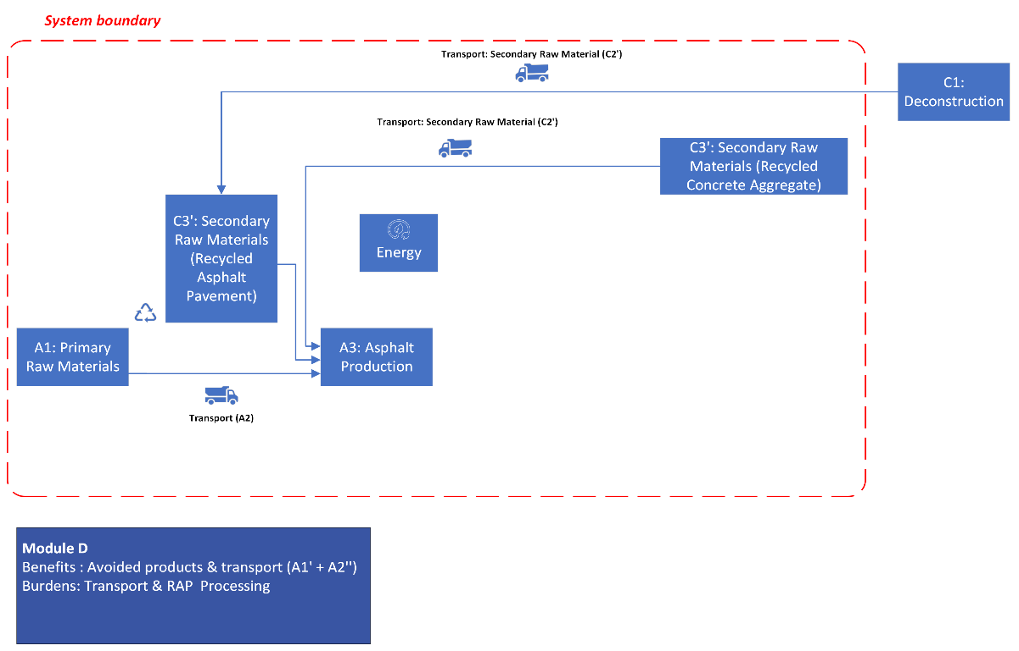
General Information
Date | 19-Aug-10 | Impact results (per declared unit)
Mixture ID | 801/64/2010/13RE-1234/0 | Declared unit | 1 ton of asphalt mixture
Mixture type (SB250) | AB-3A1 | Total PEF Score | 4.65 | mpt/ton
Mixture type (EN 13108) | AC 20 onderlaag 50/70 | Global Warming | 52.3 | kgCO2-eq/ton
Asphalt plant location | straat 1, 1000 Gaurain-Ramecroix
Mix temperature range | 155⁰C - 185⁰C
Total binder (by weight of mix) | 3.72%
Asphalt binder replacement | 40.4%
Bulk density [kg/m3] | 2400
PEF Single Score by Life Cycle Stage
 | A1 - Primary Material | C3' - Secondary Material | A2 - Transport Primary | C2' - Transport Secondary | A3- Production | D- Burdens & Savings
 | 2.5186986338 | 0.0082057024911 | 0.8401009542 | 0.19044981782 | 1.0969059883 | -2.7399512597
PEF Single Score by Impact Category
 | Acidification | Climate change | Ecotoxicity: freshwater | Energy resources: non-renewable | Eutrophication: freshwater | Eutrophication: marine | Eutrophication: terrestrial | Human toxicity: carcinogenic | Human toxicity: non-carcinogenic | Ionising radiation: human health | Land use | Material resources: metals/minerals
 | 0.14466645189 | 1.3587465272 | 0.30384892941 | 1.9319871563 | 0.026703958731 | 0.056901333008 | 0.091950806921 | 0.019243840822 | 0.040147248686 | 0.034947753308 | 0.041934122082 | 3.2841656314E-07

Global Warming Potential (GWP100) by Life Cycle Stage
 | A1 - Primary Material | C3' - Secondary Material | A2 - Transport Primary | C2' - Transport Secondary | A3- Production | D- Burden & Savings
 | 14.778290576 | 0.16679033795 | 13.995167664 | 3.2383951236 | 20.080838114 | -17.51118193
Global Warming Potential (GWP100) by Process
A1 - Primary Material | 2.2575909321
A2 - Transport Primary | 12.259422769
A1 - Primary Material | 11.7448
A2 - Transport Primary | 0.92032319306
A1 - Primary Material | 0.12166438176
A2 - Transport Primary | 0.16619396151
C3' - Secondary Material | 0.16679033795
C2' - Transport Secondary | 3.2383951236
C3' - Secondary Material | 0
C2' - Transport Secondary | 0
A1 - Primary Material | 0.65423526229
A2 - Transport Primary | 0.64922773956
A3 - Production | 20.080838114

LCA results for functional unit (cradle-to-grave analysis: A1-C3, D)

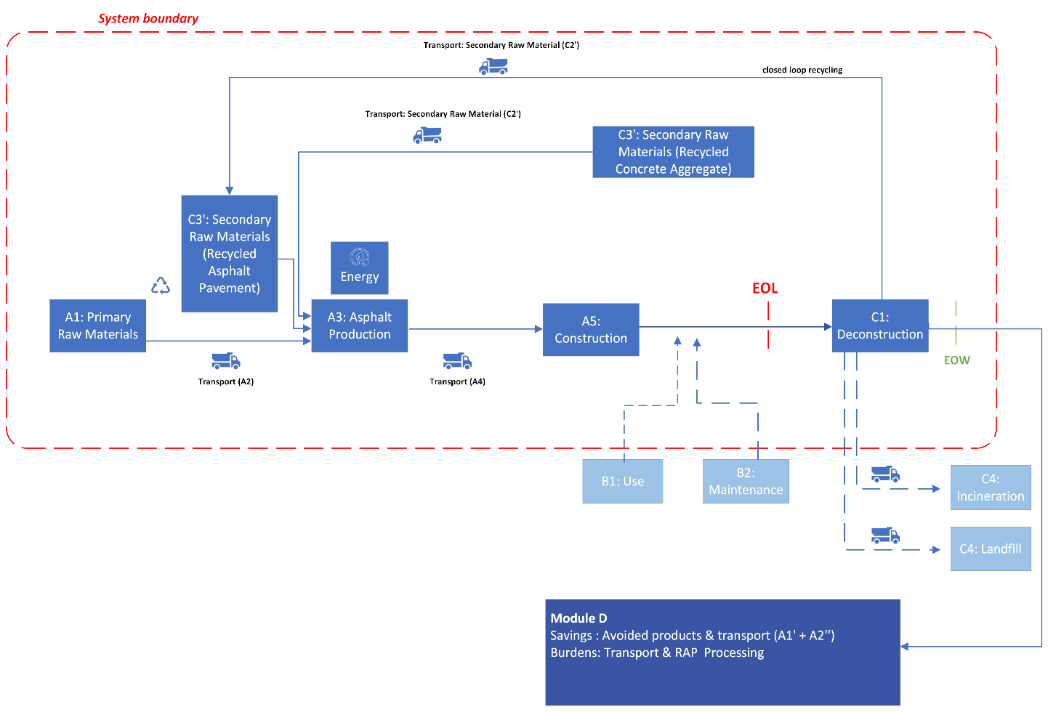
General Information
Date | 19-Aug-10 | Impact results (per funtional unit)
Mixture ID | 801/64/2010/13RE-1234/0 | Functional unit | 1 m2 (8-cm thick)
Mixture type (SB250) | AB-3A1 | Total PEF Score | 0.95 | mpt/m2
Mixture type (EN 13108) | AC 20 onderlaag 50/70 | Global Warming | 11.03 | kgCO2-eq/m2
Asphalt plant | straat 1, 1000 Gaurain-Ramecroix
Mix temperature range | 155⁰C - 185⁰C
Total binder | 3.72%
Asphalt binder replacement | 40.4%
Bulk density [kg/m3] | 2400

PEF Single Score by Life Cycle Stage
 | A1 - Primary Material | C3' - Secondary Material | A2 - Transport Primary | C2' - Transport Secondary | A3- Production | A4- Transport | A5- Construction | C1 - Deconstruction | D- Burdens & Savings | Blank
 | 0.48359013769 | 0.0015754948783 | 0.16129938321 | 0.036566365021 | 0.21060594976 | 0.035847943497 | 0.010921450262 | 0.0082876095659 | -0.52607064187 | 0
PEF Single Score by Impact Category
 | Acidification | Climate change | Ecotoxicity: freshwater | Energy resources: non-renewable | Eutrophication: freshwater | Eutrophication: marine | Eutrophication: terrestrial | Human toxicity: carcinogenic | Human toxicity: non-carcinogenic | Ionising radiation: human health | Land use | Material resources: metals/minerals
 | 0.029346205357 | 0.28687938789 | 0.058651972847 | 0.38649471749 | 0.0054462088626 | 0.011397147549 | 0.018361274848 | 0.0037929812794 | 0.008110812213 | 0.0067726204262 | 0.0081273705568 | 6.3994709342E-08

Global Warming Potential (GWP100) by Life Cycle Stage
 | A1 - Primary Material | C3' - Secondary Material | A2 - Transport Primary | C2' - Transport Secondary | A3- Production | A4- Transport | A5- Construction | C1 - Deconstruction | D- Burden & Savings | Blank
 | 2.8374317906 | 0.032023744887 | 2.6870721914 | 0.62177186373 | 3.855520918 | 0.60955587535 | 0.22199103393 | 0.16845519342 | -3.3621469306 | 0
Global Warming Potential (GWP100) by Process
A1 - Primary Material | 0.43345745897
A2 - Transport Primary | 2.3538091717
A1 - Primary Material | 2.2550016
A2 - Transport Primary | 0.17670205307
A1 - Primary Material | 0.023359561299
A2 - Transport Primary | 0.03190924061
C3' - Secondary Material | 0.032023744887
C2' - Transport Secondary | 0.62177186373
C3' - Secondary Material | 0
C2' - Transport Secondary | 0
A1 - Primary Material | 0.12561317036
A2 - Transport Primary | 0.124651726
A3 - Production | 3.855520918
A4 - Transport | 0.60955587535
A5 - Construction | 0.22199103393
C1 - Deconstruction | 0.16845519342

LCA results for a modified declared unit (cradle-to-grave analysis: A1-C3, D)

General Information
Date | 19-Aug-10 | Impact results (per ton excl. module D)
Mixture ID | 801/64/2010/13RE-1234/0 | Declared unit | 1 ton (8-cm thick)
Mixture type (SB250) | AB-3A1 | Total PEF Score | 4.94 | mpt/ton
Mixture type (EN 13108) | AC 20 onderlaag 50/70 | Global Warming | 57.5 | kgCO2-eq/ ton
Asphalt plant | straat 1, 1000 Gaurain-Ramecroix
Mix temperature range | 155⁰C - 185⁰C
Total binder | 3.72%
Asphalt binder replacement | 40.4%
Bulk density [kg/m3] | 2400

PEF Single Score by Life Cycle Stage
 | A1 - Primary Material | C3' - Secondary Material | A2 - Transport Primary | C2' - Transport Secondary | A3- Production | A4- Transport | A5- Construction | C1 - Deconstruction | D- Burdens & Savings | Blank
 | 2.5186986338 | 0.0082057024911 | 0.8401009542 | 0.19044981782 | 1.0969059883 | 0.18670803904 | 0.056882553447 | 0.043164633155 | -2.7399512597 | 0
PEF Single Score by Impact Category
 | Acidification | Climate change | Ecotoxicity: freshwater | Energy resources: non-renewable | Eutrophication: freshwater | Eutrophication: marine | Eutrophication: terrestrial | Human toxicity: carcinogenic | Human toxicity: non-carcinogenic | Ionising radiation: human health | Land use | Material resources: metals/minerals
 | 0.15284481957 | 1.4941634786 | 0.30547902524 | 2.0129933203 | 0.028365671159 | 0.059360143483 | 0.095631639833 | 0.01975511083 | 0.042243813609 | 0.03527406472 | 0.042330054983 | 3.3330577782E-07

Global Warming Potential (GWP100) by Life Cycle Stage
 | A1 - Primary Material | C3' - Secondary Material | A2 - Transport Primary | C2' - Transport Secondary | A3- Production | A4- Transport | A5- Construction | C1 - Deconstruction | D- Burden & Savings | Blank
 | 14.778290576 | 0.16679033795 | 13.995167664 | 3.2383951236 | 20.080838114 | 3.1747701841 | 1.1562033017 | 0.87737079908 | -17.51118193 | 0
Global Warming Potential (GWP100) by Process
A1 - Primary Material | 2.2575909321
A2 - Transport Primary | 12.259422769
A1 - Primary Material | 11.7448
A2 - Transport Primary | 0.92032319306
A1 - Primary Material | 0.12166438176
A2 - Transport Primary | 0.16619396151
C3' - Secondary Material | 0.16679033795
C2' - Transport Secondary | 3.2383951236
C3' - Secondary Material | 0
C2' - Transport Secondary | 0
A1 - Primary Material | 0.65423526229
A2 - Transport Primary | 0.64922773956
A3 - Production | 20.080838114
A4 - Transport | 3.1747701841
A5 - Construction | 1.1562033017
C1 - Deconstruction | 0.87737079908

DDN_Results_TP
Asphalt Transport Results
Bruto (ton) | 20
Transport distance | 20

Impacts
Impact categories | Impacts per ton for 20 km. | Impacts for 20 ton.

Global Warming Impact
Acidification | 0.0047342506224 | 0.094685012448
Climate change | 3.1747701841 | 63.495403682
Climate change: biogenic | 0.0014837466478 | 0.029674932955
Climate change: fossil | 3.1730339136 | 63.460678271
Land use and land use change | 0.0002525198988 | 0.005050397976
Ecotoxicity: freshwater | 2.7267699048 | 54.535398097
Energy resources: non-renewable | 42.729105967 | 854.58211935
Eutrophication: freshwater | 7.4050837848E-05 | 0.001481016757
Eutrophication: marine | 0.0010319027222 | 0.020638054445
Eutrophication: terrestrial | 0.011169413206 | 0.22338826411
Human toxicity: carcinogenic | 2.8138274424E-10 | 5.6276548848E-09
Human toxicity: non-carcinogenic | 2.2894684176E-08 | 4.5789368352E-07
Ionising radiation: human health | 0.019375344955 | 0.3875068991
Land use | 2.6952224668 | 53.904449336
Material resources: metals/minerals | 3.5025998904E-06 | 7.0051997808E-05
Ozone depletion | 7.0593576144E-08 | 1.4118715229E-06
Particulate matter formation | 1.9678352834E-07 | 3.9356705669E-06
Photochemical oxidant formation: human health | 0.0082539898272 | 0.16507979654
PEF Single Score by Impact Category
Water use | 0.097319887049 | 1.946397741

Single Score
Impact Category | Single Score (mPt) per ton for 20 km. | Single Score (mPt) for 20 ton.
Acidification | 0.0052792003343 | 0.106
Climate change | 0.082544024787 | 1.651
Ecotoxicity: freshwater | 0.0012260885755 | 0.025
Energy resources: non-renewable | 0.049631500008 | 0.993
Eutrophication: freshwater | 0.0012878406582 | 0.026
Eutrophication: marine | 0.0015663754143 | 0.031
Eutrophication: terrestrial | 0.0023411594911 | 0.047
Human toxicity: carcinogenic | 0.00035464215694 | 0.007
Human toxicity: non-carcinogenic | 0.0018315747341 | 0.037
Ionising radiation: human health | 0.00023002482992 | 0.005
Land use | 0.00026129507187 | 0.005
Material resources: metals/minerals | 4.4833278597E-09 | 0.000
Ozone depletion | 8.3105497289E-05 | 0.002
Particulate matter formation | 0.029633284268 | 0.593
Photochemical oxidant formation: human health | 0.00971775157 | 0.194
Water use | 0.00072016716416 | 0.014
Total Single Score | 0.18670803904 | 3.734

Aux - Emissions
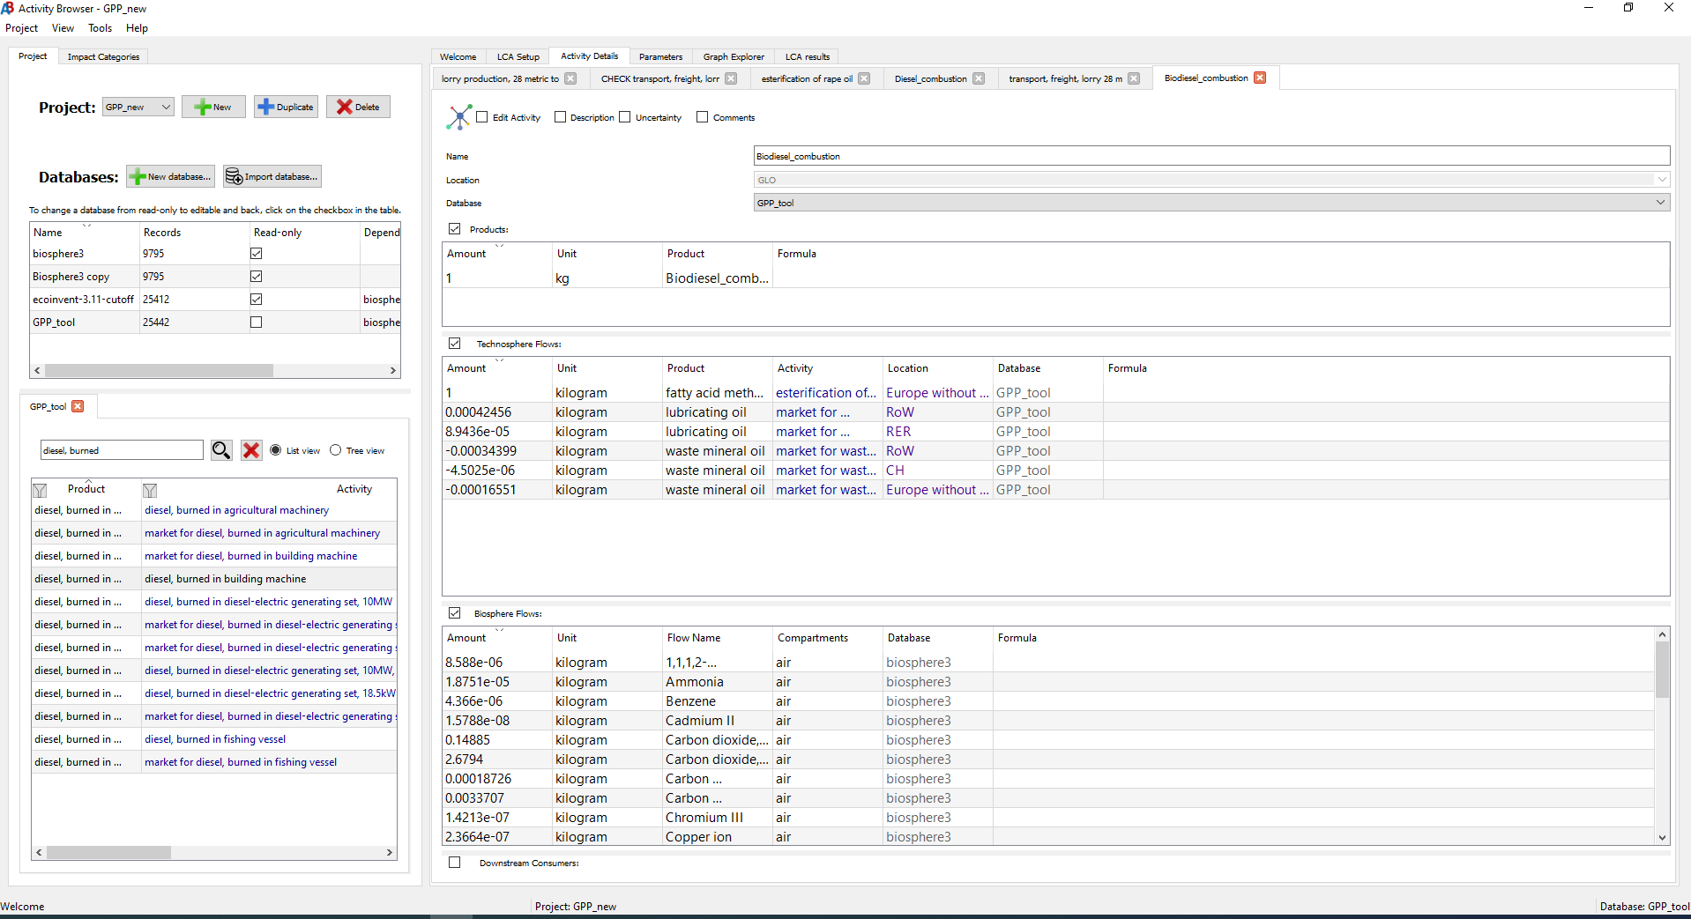
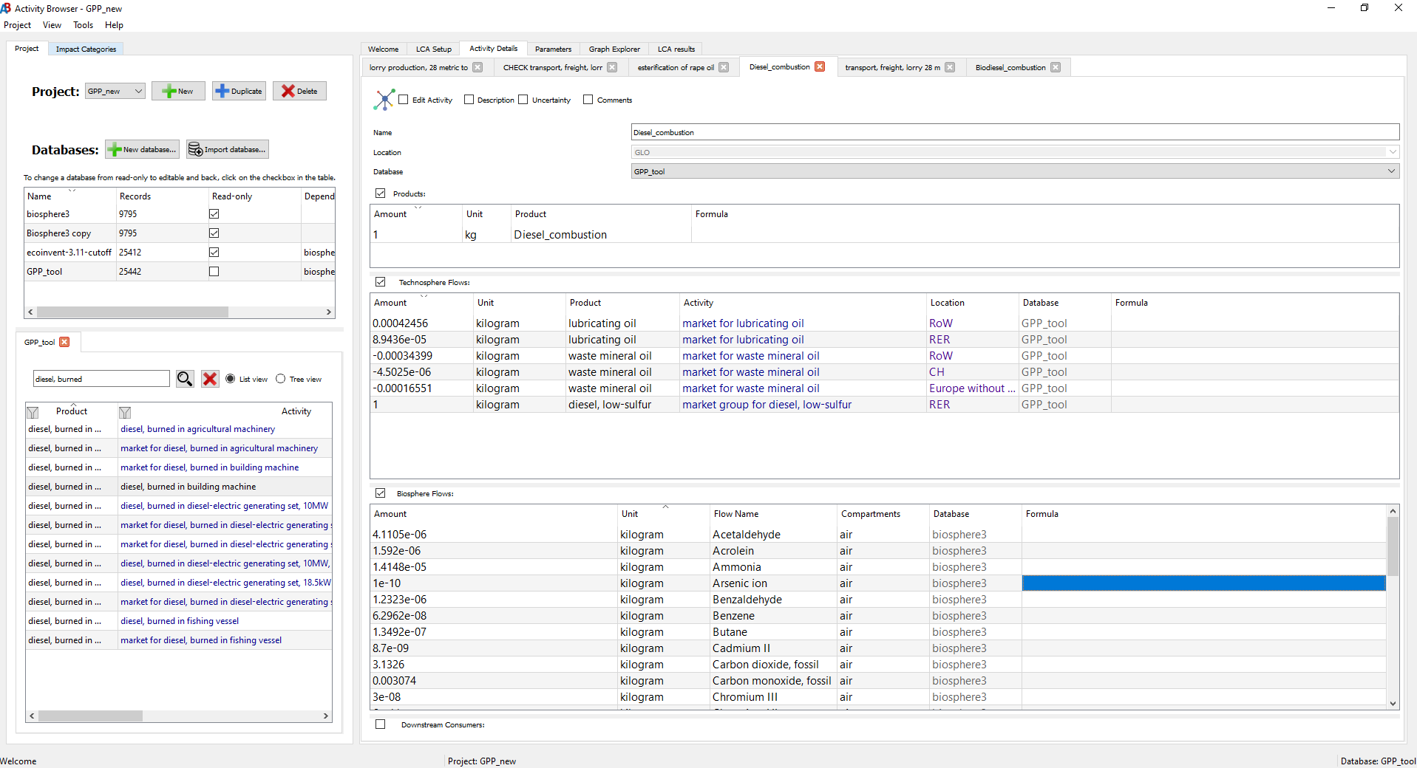
Conducting a Life Cycle Inventory (LCI) and Impact Assessment (LCIA) for diesel and biodiesel combustion

Step 1: Retrieve the activity for transport, freight, lorry, 16-32 metric ton, 100% diesel, EURO 6 and transport, freight, lorry 28 metric ton, fatty acid methyl ester 100%

Step 2: Calculate the emissions per kg of diesel and emissions per kg of biodiesel

Step 3: Create new activity for 1 kg of biodiesel and diesel combustion in Activity browser

Step 4: Add technosphere flows for lubricating oil and waste mineral oil from the activity Diesel, burned in building machine( accounts for oils and lubrication for machine operations)

Step 5: Add biosphere flows for biodiesel and diesel

Step 6: Calculate the respective Impacts for the LCI of diesel and bio diesel combustion

Transport, freight, lorry 28 metric ton, fatty acid methyl ester 100% |  |  |  |  |  |  | Transport, freight, lorry, 16-32 metric ton, 100% diesel, EURO 6

Technosphere flow | Amount | Unit |  |  |  |  | Technosphere flow | Amount | Unit
fatty acid methyl ester | 0.0458638 | kilogram |  |  |  |  | market for brake wear emissions, lorry | -2.2165834197E-05 | kilogram
lorry, 28 metric ton | 0.000000318 | unit |  |  |  |  | market group for diesel, low-sulfur | 0.036646054 | kilogram
maintenance, lorry 28 metric ton | 0.000000318 | unit |  |  |  |  | market for lorry, 28 metric ton | 0.00000032 | unit
road | 0.00199 | meter-year |  |  |  |  | market for maintenance, lorry 28 metric ton | 0.00000032 | unit
road maintenance | 0.000000318 | meter-year |  |  |  |  | market for road | 0.00105 | meter-year
 |  |  |  |  |  |  | market for road maintenance | 0.00022318502042 | meter-year
 |  |  |  |  |  |  | market for road wear emissions, lorry | -1.9084974093E-05 | kilogram
 |  |  |  |  |  |  | market for tyre wear emissions, lorry | -0.00021961352332 | kilogram

Biosphere flow | Amount | Unit | Compartment | Emissions/kg biodiesel |  |  | Biosphere flow | Amount | Unit | Compartment | Emissions/kg biodiesel
1,1,1,2-Tetrafluoroethane | 3.9388E-07 | kilogram | air | 8.5880367523E-06 |  |  | Acetaldehyde | 1.50635E-07 | kilogram | air | 4.1105380678E-06
Ammonia | 0.00000086 | kilogram | air | 1.8751171948E-05 |  |  | Acrolein | 5.83423E-08 | kilogram | air | 1.5920486282E-06
Benzene | 2.002424E-07 | kilogram | air | 4.3660228764E-06 |  |  | Ammonia | 5.18457E-07 | kilogram | air | 1.414768968E-05
Cadmium II | 7.2412E-10 | kilogram | air | 1.578848678E-08 |  |  | Arsenic ion | 3.66461E-12 | kilogram | air | 1.0000012553E-10
Carbon dioxide, fossil | 0.006827024 | kilogram | air | 0.14885430339 |  |  | Benzaldehyde | 4.51576E-08 | kilogram | air | 1.2322636429E-06
Carbon dioxide, non-fossil | 0.12288712 | kilogram | air | 2.679392462 |  |  | Benzene | 2.30732E-09 | kilogram | air | 6.2962304209E-08
Carbon monoxide, fossil | 8.588648E-06 | kilogram | air | 0.00018726420401 |  |  | Butane | 4.94426E-09 | kilogram | air | 1.3491930127E-07
Carbon monoxide, non-fossil | 0.00015459532 | kilogram | air | 0.0033707481718 |  |  | Cadmium II | 3.18821E-10 | kilogram | air | 8.7000090105E-09
Chromium III | 6.5188E-09 | kilogram | air | 1.4213388337E-07 |  |  | Carbon dioxide, fossil | 0.114797235 | kilogram | air | 3.1325947127
Copper ion | 1.08532E-08 | kilogram | air | 2.3663978999E-07 |  |  | Carbon monoxide, fossil | 0.000112649 | kilogram | air | 0.0030739735307
Dinitrogen monoxide | 1.210622E-06 | kilogram | air | 2.6396024752E-05 |  |  | Chromium III | 1.09938E-09 | kilogram | air | 2.9999955793E-08
Lead II | 3.612E-09 | kilogram | air | 7.8754922183E-08 |  |  | Chromium VI | 2.19876E-12 | kilogram | air | 5.9999911587E-11
Methane, fossil | 3.64554E-08 | kilogram | air | 7.9486217889E-07 |  |  | Copper ion | 7.76896E-10 | kilogram | air | 2.1199990591E-08
Methane, non-fossil | 6.561972E-07 | kilogram | air | 1.430751922E-05 |  |  | Dinitrogen monoxide | 6.13869E-06 | kilogram | air | 0.00016751298789
NMVOC, non-methane volatile organic compounds | 2.798096E-05 | kilogram | air | 0.00061008813051 |  |  | Ethane | 9.88852E-10 | kilogram | air | 2.6983860254E-08
Nickel II | 5.7964E-09 | kilogram | air | 1.2638289893E-07 |  |  | Formaldehyde | 2.76879E-07 | kilogram | air | 7.5554928779E-06
Nitrogen oxides | 0.0012026928 | kilogram | air | 0.026223138946 |  |  | Heptane | 9.88852E-09 | kilogram | air | 2.6983860254E-07
Particulate Matter, < 2.5 um | 2.30394E-05 | kilogram | air | 0.00050234389649 |  |  | Lead II | 1.90926E-09 | kilogram | air | 5.2100016007E-08
Particulate Matter, > 10 um | 7.36074E-05 | kilogram | air | 0.0016049128071 |  |  | Mercury II | 1.94224E-10 | kilogram | air | 5.2999976478E-09
Particulate Matter, > 2.5 um and < 10um | 1.3669184E-05 | kilogram | air | 0.00029803862741 |  |  | Methane, fossil | 8.10535E-08 | kilogram | air | 2.2117933898E-06
Zinc II | 5.8136E-07 | kilogram | air | 1.2675792237E-05 |  |  | NMVOC, non-methane volatile organic compounds | 2.67748E-06 | kilogram | air | 7.3063255323E-05
Cadmium II | 1.7888E-09 | kilogram | soil | 3.9002437652E-08 |  |  | Nickel II | 3.22485E-10 | kilogram | air | 8.7999924903E-09
Chromium III | 1.60992E-08 | kilogram | soil | 3.5102193887E-07 |  |  | Nitrogen oxides | 5.22432E-05 | kilogram | air | 0.0014256159749
Copper ion | 2.6832E-08 | kilogram | soil | 5.8503656479E-07 |  |  | PAH, polycyclic aromatic hydrocarbons | 2.86572E-09 | kilogram | air | 7.8199961175E-08
Lead II | 8.944E-09 | kilogram | soil | 1.9501218826E-07 |  |  | Particulate Matter, < 2.5 um | 4.941E-07 | kilogram | air | 1.3483034217E-05
Nickel II | 1.43104E-08 | kilogram | soil | 3.1201950122E-07 |  |  | Pentane | 1.9777E-09 | kilogram | air | 5.3967611356E-08
Zinc II | 1.4362E-06 | kilogram | soil | 3.1314457154E-05 |  |  | Propane | 3.29617E-09 | kilogram | air | 8.9946109887E-08
Cadmium II | 1.7888E-09 | kilogram | water | 3.9002437652E-08 |  |  | Selenium IV | 3.66461E-12 | kilogram | air | 1.0000012553E-10
Chromium III | 1.60992E-08 | kilogram | water | 3.5102193887E-07 |  |  | Styrene | 1.84586E-08 | kilogram | air | 5.0369952519E-07
Copper ion | 2.6832E-08 | kilogram | water | 5.8503656479E-07 |  |  | Sulfur dioxide | 5.66668E-07 | kilogram | air | 1.5463274709E-05
Lead II | 8.944E-09 | kilogram | water | 1.9501218826E-07 |  |  | Toluene | 3.29617E-10 | kilogram | air | 8.9946109887E-09
Nickel II | 1.43104E-08 | kilogram | water | 3.1201950122E-07 |  |  | Zinc II | 6.36908E-08 | kilogram | air | 1.7379988579E-06
Zinc II | 1.4362E-06 | kilogram | water | 3.1314457154E-05 |  |  | m-Xylene | 3.23025E-08 | kilogram | air | 8.8147280468E-07
 |  |  |  |  |  |  | o-Xylene | 1.31847E-08 | kilogram | air | 3.5978498531E-07

Activity | Reference | Amount | Unit | acidification | accumulated exceedance (AE) mol H+ -eq | climate change | global warming potential (GWP100) kgCO2-Eq | climate change: biogenic | global warming potential (GWP100) kgCO2-Eq | climate change: fossil | global warming potential (GWP100) kgCO2-Eq | land use and land use change | global warming potential (GWP100) kgCO2-Eq | ecotoxicity: freshwater | comparative toxic unit for ecosystems (CTUe) | energy resources: non-renewable | abiotic depletion potential (ADP): fossil fuels MJ, net calorific value | eutrophication: freshwater | fraction of nutrients reaching freshwater end compartment (P) | eutrophication: marine | fraction of nutrients reaching marine end compartment (N) kg N-Eq | eutrophication: terrestrial | accumulated exceedance (AE) mol N-Eq | human toxicity: carcinogenic | comparative toxic unit for human (CTUh) | human toxicity: non-carcinogenic | comparative toxic unit for human (CTUh) | ionising radiation: human health | human exposure efficiency relative to u235 kBq U235-Eq | land use | soil quality index dimensionless | material resources: metals/minerals | abiotic depletion potential (ADP): elements (ultimate reserves) kg Sb-Eq | ozone depletion|ozone depletion potential (ODP) kg CFC-11-Eq | particulate matter formation | impact on human health | photochemical oxidant formation: human health | tropospheric ozone concentration increase kg NMVOC-Eq | water use | user deprivation potential (deprivation-weighted water consumption) m3 world eq deprived
100% biodiesel combustion |  | 1 | kg | 0.063453855179 | 2.1312375483 | 0.11655135025 | 1.9198520462 | 0.094834151837 | 65.636579252 | 17.668802692 | 0.00053162723211 | 0.049243566436 | 0.30082124086 | 1.72E-09 | 1.77E-07 | 0.072058117266 | 189.20333094 | 9.47E-06 | 9.40E-08 | 4.81E-07 | 0.034601495306 | 3.0442962203
100% diesel combustion |  | 1 | kg | 0.005303545984 | 4.1482980773 | 0.00085734799168 | 4.1472572807 | 0.00018344857846 | 1.8328451356 | 55.100487408 | 4.39E-05 | 0.0011993045381 | 0.013037918164 | 2.54E-10 | 6.76E-09 | 0.016544378114 | 2.8329600749 | 6.47E-07 | 9.35E-08 | 4.09E-08 | 0.010217824832 | 0.074574338337
Electricity |  | 1 | kWh | 0.00064917479808 | 0.18219807126 | 0.0038089322138 | 0.17794109566 | 0.00044804338705 | 0.62539286312 | 8.7606274522 | 6.6837193946E-05 | 0.00013350194647 | 0.0012673002521 | 7.4488651801E-11 | 4.1187580887E-09 | 0.36800533722 | 1.382467268 | 4.7441431553E-06 | 5.6888941542E-09 | 4.770428121E-09 | 0.00040497861689 | 0.10524278223
Electricity green mix |  | 1 | kWh | 0.00058881410857 | 0.051872704963 | 6.6321407022E-05 | 0.051723773168 | 8.2610387366E-05 | 0.73519640383 | 0.61152364724 | 4.8212189079E-05 | 6.418049666E-05 | 0.0007115774315 | 7.7725899379E-11 | 4.7854270802E-09 | 0.0035860747038 | 1.29416572 | 6.1440658108E-06 | 3.5942396805E-09 | 4.0402100724E-09 | 0.00024206064607 | 0.055460611361

Activity | Reference | Amount | Unit | acidification | accumulated exceedance (AE) mol H+ -eq | climate change | global warming potential (GWP100) kgCO2-Eq | climate change: biogenic | global warming potential (GWP100) kgCO2-Eq | climate change: fossil | global warming potential (GWP100) kgCO2-Eq | land use and land use change | global warming potential (GWP100) kgCO2-Eq | ecotoxicity: freshwater | comparative toxic unit for ecosystems (CTUe) | energy resources: non-renewable | abiotic depletion potential (ADP): fossil fuels MJ, net calorific value | eutrophication: freshwater | fraction of nutrients reaching freshwater end compartment (P) | eutrophication: marine | fraction of nutrients reaching marine end compartment (N) kg N-Eq | eutrophication: terrestrial | accumulated exceedance (AE) mol N-Eq | human toxicity: carcinogenic | comparative toxic unit for human (CTUh) | human toxicity: non-carcinogenic | comparative toxic unit for human (CTUh) | ionising radiation: human health | human exposure efficiency relative to u235 kBq U235-Eq | land use | soil quality index dimensionless | material resources: metals/minerals | abiotic depletion potential (ADP): elements (ultimate reserves) kg Sb-Eq | ozone depletion|ozone depletion potential (ODP) kg CFC-11-Eq | particulate matter formation | impact on human health | photochemical oxidant formation: human health | tropospheric ozone concentration increase kg NMVOC-Eq | water use | user deprivation potential (deprivation-weighted water consumption) m3 world eq deprived
Diesel |  | 1 | kg | 0.005303545984 | 4.1482980773 | 0.00085734799168 | 4.1472572807 | 0.00018344857846 | 1.8328451356 | 55.100487408 | 4.3853117433E-05 | 0.0011993045381 | 0.013037918164 | 2.5350471757E-10 | 6.7569353089E-09 | 0.016544378114 | 2.8329600749 | 6.4685201023E-07 | 9.3480310771E-08 | 4.0857666204E-08 | 0.010217824832 | 0.074574338337
Biodiesel_4.5% |  | 1 | kg | 0.0079203098978 | 4.0575303535 | 0.0060635780932 | 4.0470240451 | 0.0044427302251 | 4.7040131709 | 53.416061595 | 6.5802952593E-05 | 0.0033612963235 | 0.025988167685 | 3.1964676134E-10 | 1.4403663513E-08 | 0.019042496376 | 11.219626764 | 1.0437898942E-06 | 9.3502202013E-08 | 6.0650031985E-08 | 0.011315090003 | 0.20821182303
Biodiesel_7% |  | 1 | kg | 0.0093740676276 | 4.0071038402 | 0.0089559281496 | 3.9913389143 | 0.0068089978065 | 6.2991065238 | 52.480269478 | 7.799730546E-05 | 0.0045624028709 | 0.033182750753 | 3.5639234121E-10 | 1.8651845849E-08 | 0.020430339854 | 15.878886036 | 1.2643109408E-06 | 9.3514363814E-08 | 7.1645790752E-08 | 0.011924681765 | 0.28245487008
Biodiesel_10% |  | 1 | kg | 0.011118576903 | 3.9465920244 | 0.012426748217 | 3.9245167572 | 0.0096485189043 | 8.2132185472 | 51.357318936 | 9.2630528901E-05 | 0.0060037307278 | 0.041816250434 | 4.0048703705E-10 | 2.3749664652E-08 | 0.022095752029 | 21.469997162 | 1.5289361968E-06 | 9.3528957975E-08 | 8.4840701272E-08 | 0.012656191879 | 0.37154652654
Biodiesel_20% |  | 1 | kg | 0.016933607823 | 3.7448859715 | 0.023996148443 | 3.7017762338 | 0.01911358923 | 14.593591959 | 47.614150465 | 0.00014140794037 | 0.010808156918 | 0.070594582704 | 5.4746935653E-10 | 4.0742393995E-08 | 0.027647125944 | 40.107034248 | 2.4110203834E-06 | 9.3577605179E-08 | 1.2882373634E-07 | 0.015094558927 | 0.66851871474
Biodiesel_100% |  | 1 | kg | 0.063453855179 | 2.1312375483 | 0.11655135025 | 1.9198520462 | 0.094834151837 | 65.636579252 | 17.668802692 | 0.00053162723211 | 0.049243566436 | 0.30082124086 | 1.7233279123E-09 | 1.7668422874E-07 | 0.072058117266 | 189.20333094 | 9.4676938761E-06 | 9.3966782809E-08 | 4.8068801689E-07 | 0.034601495306 | 3.0442962203
Electric |  | 1 | kWh | 0.00064917479808 | 0.18219807126 | 0.0038089322138 | 0.17794109566 | 0.00044804338705 | 0.62539286312 | 8.7606274522 | 6.6837193946E-05 | 0.00013350194647 | 0.0012673002521 | 7.4488651801E-11 | 4.1187580887E-09 | 0.36800533722 | 1.382467268 | 4.7441431553E-06 | 5.6888941542E-09 | 4.770428121E-09 | 0.00040497861689 | 0.10524278223
Electric_green |  | 1 | kWh | 0.00058881410857 | 0.051872704963 | 6.6321407022E-05 | 0.051723773168 | 8.2610387366E-05 | 0.73519640383 | 0.61152364724 | 4.8212189079E-05 | 6.418049666E-05 | 0.0007115774315 | 7.7725899379E-11 | 4.7854270802E-09 | 0.0035860747038 | 1.29416572 | 6.1440658108E-06 | 3.5942396805E-09 | 4.0402100724E-09 | 0.00024206064607 | 0.055460611361

Transport LCI -EURO 5

Activity | Reference | Amount | Unit | acidification | accumulated exceedance (AE) mol H+ -eq | climate change | global warming potential (GWP100) kgCO2-Eq | climate change: biogenic | global warming potential (GWP100) kgCO2-Eq | climate change: fossil | global warming potential (GWP100) kgCO2-Eq | land use and land use change | global warming potential (GWP100) kgCO2-Eq | ecotoxicity: freshwater | comparative toxic unit for ecosystems (CTUe) | energy resources: non-renewable | abiotic depletion potential (ADP): fossil fuels MJ, net calorific value | eutrophication: freshwater | fraction of nutrients reaching freshwater end compartment (P) | eutrophication: marine | fraction of nutrients reaching marine end compartment (N) kg N-Eq | eutrophication: terrestrial | accumulated exceedance (AE) mol N-Eq | human toxicity: carcinogenic | comparative toxic unit for human (CTUh) | human toxicity: non-carcinogenic | comparative toxic unit for human (CTUh) | ionising radiation: human health | human exposure efficiency relative to u235 kBq U235-Eq | land use | soil quality index dimensionless | material resources: metals/minerals | abiotic depletion potential (ADP): elements (ultimate reserves) kg Sb-Eq | ozone depletion|ozone depletion potential (ODP) kg CFC-11-Eq | particulate matter formation | impact on human health | photochemical oxidant formation: human health | tropospheric ozone concentration increase kg NMVOC-Eq | water use | user deprivation potential (deprivation-weighted water consumption) m3 world eq deprived
transport, freight, lorry 28 metric ton, fatty acid methyl ester 100% | CHECK transport, freight, lorry 28 metric ton, fatty acid methyl ester 100% | CH | ton kilometer | GPP_tool |  | 1 | ton kilometer | 0.002929147 | 0.096619173 | 0.003320441 | 0.093250375 | 4.84E-05 | 3.46008263 | 0.951562491 | 2.51E-05 | 0.002583739 | 0.01389372 | 9.96E-11 | 1.09E-08 | 0.005584809 | 7.060621373 | 6.22E-07 | 5.58E-09 | 2.99E-08 | 0.001611051 | 0.147428787
transport, freight, lorry, 16-32 metric ton, 100% diesel, EURO 5 | transport, freight, lorry, 16-32 metric ton, 100% Diesel, |  | 1 | ton kilometer | 0.000442737 | 0.161835949 | 7.48E-05 | 0.161748425 | 1.27E-05 | 0.137536828 | 2.17593961 | 3.72E-06 | 0.000158854 | 0.001732855 | 1.51E-11 | 1.16E-09 | 0.000979628 | 0.13654184 | 1.75E-07 | 3.60E-09 | 1.09E-08 | 0.000697055 | 0.004911242
GPP electric truck electricity, low voltage |  | 1 | kilowatt hour | 0.00065039360209 | 0.18219807126 | 0.0038089322138 | 0.17794109566 | 0.00044804338705 | 0.65325751113 | 8.7606274522 | 6.68E-05 | 0.00013356680212 | 0.0012677359821 | 7.63E-11 | 4.92E-09 | 0.36800533722 | 1.382467268 | 4.74E-06 | 5.69E-09 | 1.25E-08 | 0.0004050540711 | 0.10524278223
GPP electric truck electricity, low voltage, green electricity grid |  | 1 | kilowatt hour | 0.00059003292044 | 0.051872704963 | 6.63E-05 | 0.051723773168 | 8.26E-05 | 0.7630611652 | 0.61152364724 | 4.82E-05 | 6.42E-05 | 0.00071201316083 | 7.96E-11 | 5.59E-09 | 0.0035860747038 | 1.29416572 | 6.14E-06 | 3.59E-09 | 1.18E-08 | 0.00024213610077 | 0.055460611361

Activity | Reference | Amount | Unit | acidification | accumulated exceedance (AE) mol H+ -eq | climate change | global warming potential (GWP100) kgCO2-Eq | climate change: biogenic | global warming potential (GWP100) kgCO2-Eq | climate change: fossil | global warming potential (GWP100) kgCO2-Eq | land use and land use change | global warming potential (GWP100) kgCO2-Eq | ecotoxicity: freshwater | comparative toxic unit for ecosystems (CTUe) | energy resources: non-renewable | abiotic depletion potential (ADP): fossil fuels MJ, net calorific value | eutrophication: freshwater | fraction of nutrients reaching freshwater end compartment (P) | eutrophication: marine | fraction of nutrients reaching marine end compartment (N) kg N-Eq | eutrophication: terrestrial | accumulated exceedance (AE) mol N-Eq | human toxicity: carcinogenic | comparative toxic unit for human (CTUh) | human toxicity: non-carcinogenic | comparative toxic unit for human (CTUh) | ionising radiation: human health | human exposure efficiency relative to u235 kBq U235-Eq | land use | soil quality index dimensionless | material resources: metals/minerals | abiotic depletion potential (ADP): elements (ultimate reserves) kg Sb-Eq | ozone depletion|ozone depletion potential (ODP) kg CFC-11-Eq | particulate matter formation | impact on human health | photochemical oxidant formation: human health | tropospheric ozone concentration increase kg NMVOC-Eq | water use | user deprivation potential (deprivation-weighted water consumption) m3 world eq deprived
Diesel |  | 1 | ton kilometer | 0.000442737 | 0.161835949 | 7.47988E-05 | 0.161748425 | 1.27249E-05 | 0.137536828 | 2.17593961 | 0.000003723 | 0.000158854 | 0.001732855 | 1.51271E-11 | 1.15985E-09 | 0.000979628 | 0.13654184 | 1.75421E-07 | 3.59986E-09 | 1.0943E-08 | 0.000697055 | 0.004911242
Biodiesel_4.5% |  | 1 | ton kilometer | 0.00055462545 | 0.15890119408 | 0.000220852699 | 0.15866601275 | 1.4328358E-05 | 0.28705138909 | 2.1208426396 | 4.6849155E-06 | 0.000267973825 | 0.002280093925 | 1.89273995E-11 | 1.59747275E-09 | 0.001186861145 | 0.44812541899 | 1.95505895E-07 | 3.6889834E-09 | 1.1797901E-08 | 0.00073818482 | 0.011324531525
Biodiesel_7% |  | 1 | ton kilometer | 0.0006167857 | 0.15727077468 | 0.000301993754 | 0.1569535615 | 1.5219168E-05 | 0.37011503414 | 2.0902332117 | 5.219313E-06 | 0.00032859595 | 0.00258411555 | 2.1038677E-11 | 1.8405965E-09 | 0.00130199067 | 0.62122740731 | 2.0666417E-07 | 3.7384964E-09 | 1.2272846E-08 | 0.00076103472 | 0.01488747015
Biodiesel_10% |  | 1 | ton kilometer | 0.000691378 | 0.1553142714 | 0.00039936302 | 0.15489862 | 1.628814E-05 | 0.4697914082 | 2.0535018981 | 5.86059E-06 | 0.0004013425 | 0.0029489415 | 2.357221E-11 | 2.132345E-09 | 0.0014401461 | 0.8289497933 | 2.200541E-07 | 3.797912E-09 | 1.284278E-08 | 0.0007884546 | 0.0191629965
Biodiesel_20% |  | 1 | ton kilometer | 0.000940019 | 0.1487925938 | 0.00072392724 | 0.148048815 | 1.985138E-05 | 0.8020459884 | 1.9310641862 | 7.99818E-06 | 0.000643831 | 0.004165028 | 3.201732E-11 | 3.10484E-09 | 0.0019006642 | 1.5213577466 | 2.646872E-07 | 3.995964E-09 | 1.474256E-08 | 0.0008798542 | 0.033414751
Biodiesel_100% |  | 1 | ton kilometer | 0.002929147 | 0.096619173 | 0.003320441 | 0.093250375 | 4.83573E-05 | 3.46008263 | 0.951562491 | 2.50989E-05 | 0.002583739 | 0.01389372 | 9.95782E-11 | 1.08848E-08 | 0.005584809 | 7.060621373 | 6.21752E-07 | 5.58038E-09 | 2.99408E-08 | 0.001611051 | 0.147428787
Electric truck |  | 1 | kilowatt hour | 0.00065039360209 | 0.18219807126 | 0.0038089322138 | 0.17794109566 | 0.00044804338705 | 0.65325751113 | 8.7606274522 | 6.6837193946E-05 | 0.00013356680212 | 0.0012677359821 | 7.6342613718E-11 | 4.9195629826E-09 | 0.36800533722 | 1.382467268 | 4.7441431553E-06 | 5.6888941542E-09 | 1.2534888085E-08 | 0.0004050540711 | 0.10524278223
Electric truck green |  | 1 | kilowatt hour | 0.00059003292044 | 0.051872704963 | 6.6321407022E-05 | 0.051723773168 | 8.2610387366E-05 | 0.7630611652 | 0.61152364724 | 4.8212189079E-05 | 6.4245351852E-05 | 0.00071201316083 | 7.9579867854E-11 | 5.5862343866E-09 | 0.0035860747038 | 1.29416572 | 6.1440658108E-06 | 3.5942396805E-09 | 1.1804682144E-08 | 0.00024213610077 | 0.055460611361

Transport LCI -EURO 6

Activity | Reference | Amount | Unit | acidification | accumulated exceedance (AE) mol H+ -eq | climate change | global warming potential (GWP100) kgCO2-Eq | climate change: biogenic | global warming potential (GWP100) kgCO2-Eq | climate change: fossil | global warming potential (GWP100) kgCO2-Eq | land use and land use change | global warming potential (GWP100) kgCO2-Eq | ecotoxicity: freshwater | comparative toxic unit for ecosystems (CTUe) | energy resources: non-renewable | abiotic depletion potential (ADP): fossil fuels MJ, net calorific value | eutrophication: freshwater | fraction of nutrients reaching freshwater end compartment (P) | eutrophication: marine | fraction of nutrients reaching marine end compartment (N) kg N-Eq | eutrophication: terrestrial | accumulated exceedance (AE) mol N-Eq | human toxicity: carcinogenic | comparative toxic unit for human (CTUh) | human toxicity: non-carcinogenic | comparative toxic unit for human (CTUh) | ionising radiation: human health | human exposure efficiency relative to u235 kBq U235-Eq | land use | soil quality index dimensionless | material resources: metals/minerals | abiotic depletion potential (ADP): elements (ultimate reserves) kg Sb-Eq | ozone depletion|ozone depletion potential (ODP) kg CFC-11-Eq | particulate matter formation | impact on human health | photochemical oxidant formation: human health | tropospheric ozone concentration increase kg NMVOC-Eq | water use | user deprivation potential (deprivation-weighted water consumption) m3 world eq deprived
transport, freight, lorry 28 metric ton, fatty acid methyl ester 100% | CHECK transport, freight, lorry 28 metric ton, fatty acid methyl ester 100% | CH | ton kilometer | GPP_tool |  | 1 | ton kilometer | 0.0029291467957 | 0.093353284276 | 5.0042110459E-05 | 0.093254884866 | 4.8357299214E-05 | 3.4600826298 | 0.9515624909 | 2.5098874161E-05 | 0.0025837389451 | 0.013893719901 | 9.9578208653E-11 | 1.0884780341E-08 | 0.005584808945 | 7.0606213733 | 6.2175185647E-07 | 5.5803750451E-09 | 2.9940789106E-08 | 0.0016110512784 | 0.14742878694
transport, freight, lorry, 16-32 metric ton, 100% diesel, EURO 6 | transport, freight, lorry, 16-32 metric ton, 100% diesel, EURO 6 | RER | ton kilometer | GPP_tool |  | 1 | ton kilometer | 0.000236722 | 0.158744859 | 7.42E-05 | 0.158658042 | 1.26E-05 | 0.136343949 | 2.13654076 | 3.70E-06 | 5.16E-05 | 0.000558493 | 1.41E-11 | 1.14E-09 | 0.000968806 | 0.134766514 | 1.75E-07 | 3.53E-09 | 9.84E-09 | 0.000412716 | 0.004866189
GPP electric truck electricity, low voltage |  | 1 | kilowatt hour | 0.00065039360209 | 0.17881451434 | 0.00029666216067 | 0.17806980879 | 0.00044804338705 | 0.65325751158 | 8.7606274522 | 6.6837193946E-05 | 0.00013356680212 | 0.0012677359821 | 7.6342613718E-11 | 4.9195630742E-09 | 0.36800533722 | 1.382467268 | 4.7441431553E-06 | 5.6888941542E-09 | 1.2534888085E-08 | 0.0004050540711 | 0.10524278223
GPP electric truck electricity, low voltage, green electricity grid |  | 1 | kilowatt hour | 0.00058881410857 | 0.051872704963 | 6.6321407022E-05 | 0.051723773168 | 8.2610387366E-05 | 0.73519640383 | 0.61152364724 | 4.8212189079E-05 | 6.418049666E-05 | 0.0007115774315 | 7.7725899379E-11 | 4.7854270802E-09 | 0.0035860747038 | 1.29416572 | 6.1440658108E-06 | 3.5942396805E-09 | 4.0402100724E-09 | 0.00024206064607 | 0.055460611361

Activity | Reference | Amount | Unit | acidification | accumulated exceedance (AE) mol H+ -eq | climate change | global warming potential (GWP100) kgCO2-Eq | climate change: biogenic | global warming potential (GWP100) kgCO2-Eq | climate change: fossil | global warming potential (GWP100) kgCO2-Eq | land use and land use change | global warming potential (GWP100) kgCO2-Eq | ecotoxicity: freshwater | comparative toxic unit for ecosystems (CTUe) | energy resources: non-renewable | abiotic depletion potential (ADP): fossil fuels MJ, net calorific value | eutrophication: freshwater | fraction of nutrients reaching freshwater end compartment (P) | eutrophication: marine | fraction of nutrients reaching marine end compartment (N) kg N-Eq | eutrophication: terrestrial | accumulated exceedance (AE) mol N-Eq | human toxicity: carcinogenic | comparative toxic unit for human (CTUh) | human toxicity: non-carcinogenic | comparative toxic unit for human (CTUh) | ionising radiation: human health | human exposure efficiency relative to u235 kBq U235-Eq | land use | soil quality index dimensionless | material resources: metals/minerals | abiotic depletion potential (ADP): elements (ultimate reserves) kg Sb-Eq | ozone depletion|ozone depletion potential (ODP) kg CFC-11-Eq | particulate matter formation | impact on human health | photochemical oxidant formation: human health | tropospheric ozone concentration increase kg NMVOC-Eq | water use | user deprivation potential (deprivation-weighted water consumption) m3 world eq deprived
Diesel |  | 1 | ton kilometer | 0.000236722 | 0.158744859 | 7.41903E-05 | 0.158658042 | 1.26265E-05 | 0.136343949 | 2.13654076 | 3.70269E-06 | 5.15972E-05 | 0.000558493 | 1.40697E-11 | 1.14478E-09 | 0.000968806 | 0.134766514 | 1.75137E-07 | 3.52982E-09 | 9.83957E-09 | 0.000412716 | 0.004866189
Biodiesel_4.5% |  | 1 | ton kilometer | 0.00035788111581 | 0.15580223814 | 7.3103631471E-05 | 0.15571489993 | 1.4234385965E-05 | 0.28591218964 | 2.0832167379 | 4.6655182873E-06 | 0.00016554357853 | 0.0011585782105 | 1.7917582889E-11 | 1.5830800153E-09 | 0.0011765261325 | 0.44642998267 | 1.9523466854E-07 | 3.622094977E-09 | 1.074412486E-08 | 0.00046664108753 | 0.011281505907
Biodiesel_7% |  | 1 | ton kilometer | 0.0004251917357 | 0.15416744877 | 7.2499926732E-05 | 0.154079821 | 1.5127655945E-05 | 0.36900565666 | 2.0535922812 | 5.2004228913E-06 | 0.00022884712216 | 0.0014919588831 | 2.0055295606E-11 | 1.8265800239E-09 | 0.0012919262061 | 0.61957635415 | 2.0640003995E-07 | 3.6733588532E-09 | 1.1246655337E-08 | 0.00049659946949 | 0.014845570856
Biodiesel_10% |  | 1 | ton kilometer | 0.00050596447957 | 0.15220570153 | 7.1775481046E-05 | 0.15211772629 | 1.6199579921E-05 | 0.46871781708 | 2.0180429331 | 5.8423084161E-06 | 0.00030481137451 | 0.0018920156901 | 2.2620550865E-11 | 2.1187800341E-09 | 0.0014304062945 | 0.82735199993 | 2.1979848565E-07 | 3.7348755045E-09 | 1.1849691911E-08 | 0.00053254952784 | 0.019122448794
Biodiesel_20% |  | 1 | ton kilometer | 0.00077520695913 | 0.14566654406 | 6.9360662092E-05 | 0.14557741057 | 1.9772659843E-05 | 0.80109168517 | 1.8995451062 | 7.9819268323E-06 | 0.00055802554903 | 0.0032255383802 | 3.1171401731E-11 | 3.0927800682E-09 | 0.001892006589 | 1.5199374859 | 2.6445997129E-07 | 3.939931009E-09 | 1.3859813821E-08 | 0.00065238305567 | 0.033378708589
Biodiesel_100% |  | 1 | ton kilometer | 0.0029291467957 | 0.093353284276 | 5.0042110459E-05 | 0.093254884866 | 4.8357299214E-05 | 3.4600826298 | 0.9515624909 | 2.5098874161E-05 | 0.0025837389451 | 0.013893719901 | 9.9578208653E-11 | 1.0884780341E-08 | 0.005584808945 | 7.0606213733 | 6.2175185647E-07 | 5.5803750451E-09 | 2.9940789106E-08 | 0.0016110512784 | 0.14742878694
Electric truck |  | 1 | kilowatt hour | 0.00065039360209 | 0.17881451434 | 0.00029666216067 | 0.17806980879 | 0.00044804338705 | 0.65325751158 | 8.7606274522 | 6.6837193946E-05 | 0.00013356680212 | 0.0012677359821 | 7.6342613718E-11 | 4.9195630742E-09 | 0.36800533722 | 1.382467268 | 4.7441431553E-06 | 5.6888941542E-09 | 1.2534888085E-08 | 0.0004050540711 | 0.10524278223

