Sheet2
WEEKLY PRICE MONITOR
Keeps you updated on International Price Trends
PRODUCT | TERMS | PRICE |  | 1 to 15 | 16 to 30
Crude Oil | Dated Brent | 58.70 USD/Brl | June | d | d
Naphtha | Rotterdam (FOB) | 445.60 USD/mt | July | u | conatant
PET Chips | India (FOB) | 870 USD/mt | august | d | d
ASF 1.5 Denier | China (FOB) | 2.00 USD/Kg |  | https://www.fibre2fashion.com/market-intelligence/textile-market-watch/paraxylene-price-trends-industry-reports/15/?gcode=1
Nylon FDY 70D/24F | NE Asia (FOB) | 2.31 USD/Kg
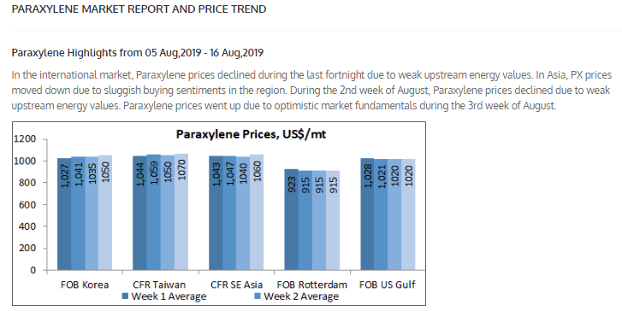
Benzene | India (CFR) | 665 USD/mt
Toluene | Japan (CFR) | 675 USD/mt
P-Xylene | SE Asia (CFR) | 780 USD/mt
M-Xylene | Korea (FOB) | 685 USD/mt
Methanol | SE Asia (CFR) | 250 USD/mt

