Dashboard
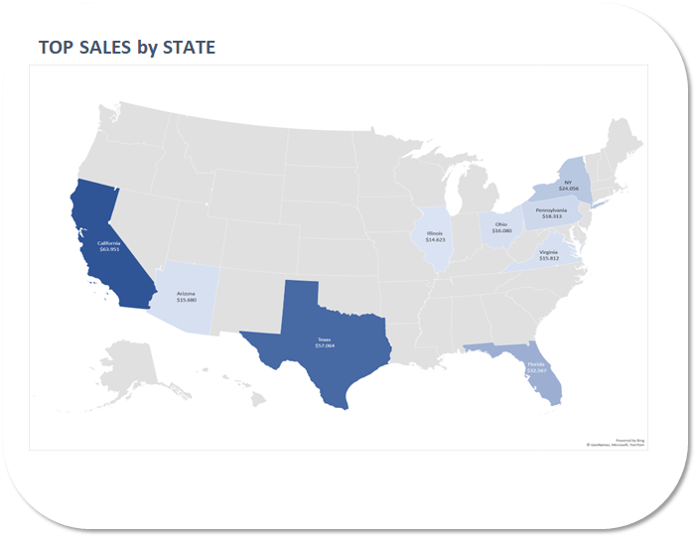
SALES PRODUCT DASHBOARD
In 2020-2021
TOP CUSTOMERS

 | Total
Carlie | 41
Alec | 34
Genni | 33
Chrysler | 32
Lotti | 30
Roby | 30
Lily | 30
Binky | 28
Munmro | 28
Tracie | 27
Kelley | 27

TOTAL SALES
$497,683
TOTAL ITEM SOLD
11654

TOP SALES by PRODUCT
TOP SALES by PRODUCT CATAGORY
Bottom 10 Sales Product

 | Total
BYOR-3000 | 196
BYOR-1000 | 198
Photograph Drones | 199
BYOD-500 | 203
Polar Robots | 204
RCB-889 Robot | 208
Building Your Own Drone | 210
AI for Educators | 211
DTI-84 Drone | 231
Sleepy Eye Blueprint | 312
 | Total
Ebooks | 891
Training Videos | 615
Blueprints | 455
Drone Kits | 433
Drones | 352
Robots Kits | 302
Robots | 291
 | Total
Cat Robot Blueprint | 128
Single Rotor Drones | 129
BYOD-400 | 132
Virtual Reality Basics | 132
Cloud Computing | 133
Open Source Code | 133
BYOR-1500 | 135
RWW-75 Robot | 137
Mapping with Drones | 139
Fixed Wing Drones | 140

