WordCloud & TimeSeries
Time Series of First 8k Tweets
 | Total
02-Apr 12 PM | 2
02-Apr 1 PM | 3
02-Apr 2 PM | 12
02-Apr 3 PM | 5
02-Apr 4 PM | 14
02-Apr 5 PM | 5
02-Apr 6 PM | 33
02-Apr 8 PM | 2
02-Apr 10 PM | 2
02-Apr 11 PM | 11
03-Apr 12 AM | 1
03-Apr 1 AM | 1
03-Apr 2 AM | 5
03-Apr 5 AM | 3
03-Apr 6 AM | 2
03-Apr 7 AM | 2
03-Apr 8 AM | 4
03-Apr 9 AM | 1
04-Apr 10 AM | 2
04-Apr 8 PM | 3
07-Apr 10 PM | 1
08-Apr 9 AM | 11
08-Apr 10 AM | 1
08-Apr 11 AM | 1
08-Apr 3 PM | 3
08-Apr 4 PM | 3
08-Apr 5 PM | 2
08-Apr 6 PM | 6
08-Apr 7 PM | 17
08-Apr 8 PM | 13
08-Apr 9 PM | 4
08-Apr 10 PM | 2
08-Apr 11 PM | 10
09-Apr 12 AM | 3
09-Apr 1 AM | 5
09-Apr 2 AM | 2
09-Apr 3 AM | 4
09-Apr 5 AM | 2
09-Apr 6 AM | 2
09-Apr 7 AM | 2
09-Apr 9 AM | 10
09-Apr 10 AM | 17
09-Apr 11 AM | 16
09-Apr 12 PM | 5
09-Apr 1 PM | 5
09-Apr 2 PM | 5
09-Apr 3 PM | 4
09-Apr 4 PM | 2
09-Apr 5 PM | 11
09-Apr 6 PM | 5
...
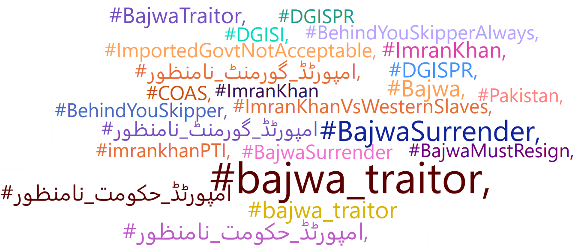

 | n

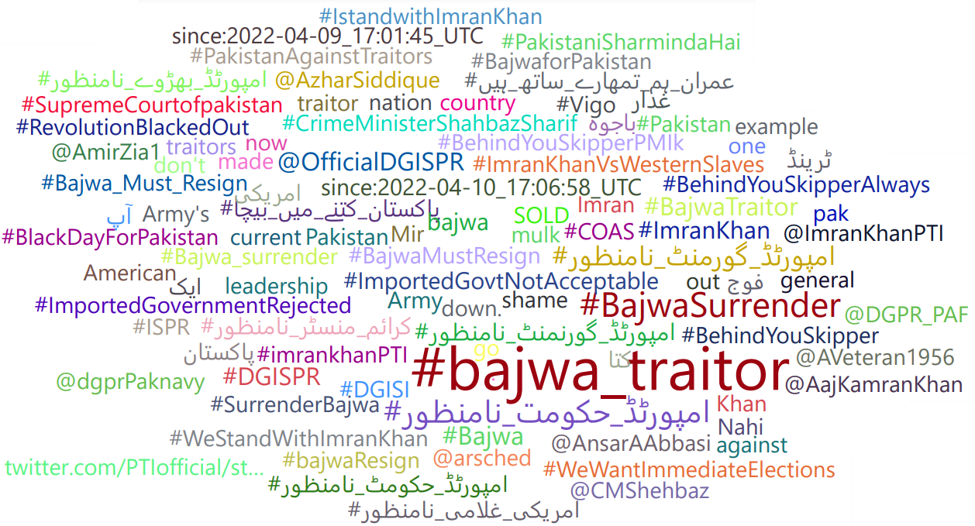

n

