Table
Data Stats table | #s | Percentage
Sarcastic | 9403 | 41.49%
Non sarcastic | 13261 | 58.51%
Total | 22664

Data Stats table | Source | #s | Percentage
Sarcastic | Twitter (6743) Facebook (2660) | 9403 | 41.49%
Non sarcastic | Twitter (10266) Facebook (2995) | 13261 | 58.51%
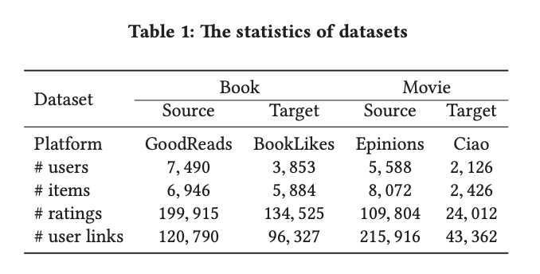
Total |  | 22664

Table 1: The statistics of datasets

Dataset | Sarcastic |  | Non sarcastic
Platform | Twitter | Facebook | Twitter | Facebook
# comments | 6,743 | 2,660 | 10,266 | 2,995

Table 1: The statistics of datasets

Platform | Twitter |  | Facebook
Dataset | Sarcasm | Non-sarcasm | Sarcasm | Non-sarcasm
# comments | 6,743 | 10,266 | 2,660 | 2,995

Table 1: The statistics of datasets

Platform | Twitter |  | Facebook
Dataset | Sarcasm | Non-sarcasm | Sarcasm | Non-sarcasm
# comments | 6,743 | 10,266 | 2,660 | 2,995

