By goal type
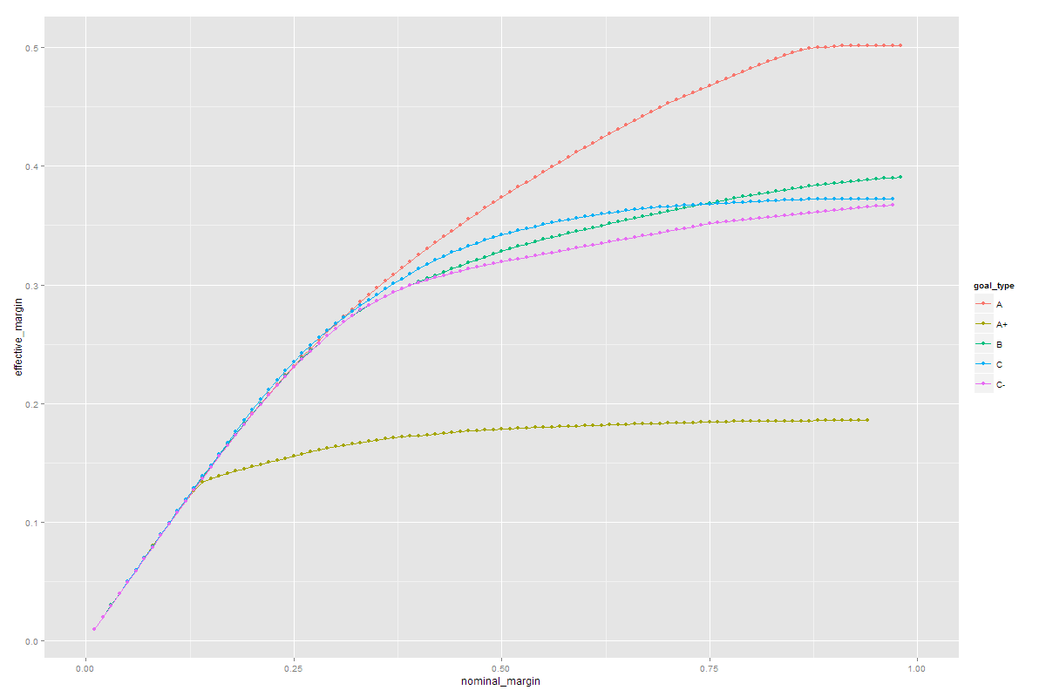
 | goal | decided margin | profit in group
2 | A | 20% | 20770.11
3 | A+ | 13% | 2716.67
4 | B | 30% | 65312.34
5 | C | 40% | 43530.62
6 | C- | 35% | 36364.90
 | Total profit |  | 168694.65
 | Total revenue |  | 673856.8
 | margin |  | 25.03%

