Data
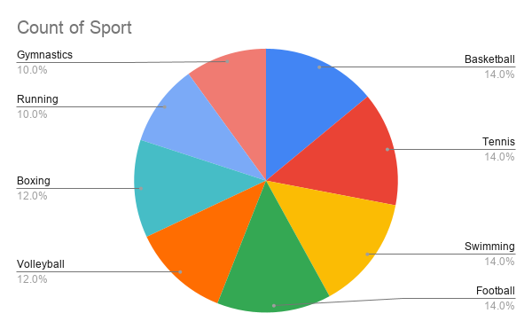
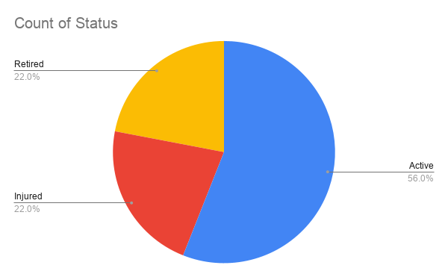
Athlete ID | Name | Sport | Level | Date of Joining | Monthly Salary | Matches Won | Status | Sponsorship value | Performance Category | Contract Recommendation
1 | Alex Johnson | Basketball | A | 3/9/2023 | 50000 |  | Active | 15000 | Under Review | Keep Player
2 | Michael Lee | Tennis | B | 6/20/2018 | 42000 |  | Injured | 12000 | Under Review | Review Contract
3 | Sarah Ahmed | Swimming | A | 3/12/2019 | 55000 |  | Active | 10000 | Under Review | Keep Player
4 | David Smith | Football | A | 11/5/2017 | 60000 |  | Retired | 20000 | Under Review | Keep Player
5 | Emma Brown | Volleyball | C | 2/28/2021 | 40000 |  | Active | 8000 | Under Review | Keep Player
6 | Daniel Garcia | Boxing | A | 8/16/2018 | 52000 |  | Active | 13000 | Under Review | Keep Player
7 | Sophia Martinez | Tennis | B | 7/22/2020 | 48000 |  | Injured | 12000 | Under Review | Review Contract
8 | James Wilson | Basketball | C | 9/10/2016 | 45000 |  | Retired | 15000 | Under Review | Keep Player
9 | Olivia Taylor | Swimming | B | 12/1/2019 | 53000 |  | Active | 10000 | Under Review | Keep Player
10 | Liam Anderson | Football | A | 5/19/2017 | 61000 |  | Active | 20000 | Under Review | Keep Player
11 | Noah Thomas | Running | B | 3/25/2021 | 47000 |  | Injured | 7000 | Under Review | Review Contract
12 | Ava Jackson | Gymnastics | C | 10/30/2018 | 44000 |  | Active | 9000 | Under Review | Keep Player
13 | Ethan White | Basketball | A | 6/14/2019 | 56000 |  | Retired | 15000 | Under Review | Keep Player
14 | Isabella Harris | Tennis | B | 11/11/2020 | 49000 |  | Active | 12000 | Under Review | Keep Player
15 | Mason Martin | Football | C | 1/20/2017 | 43000 |  | Injured | 20000 | Under Review | Review Contract
16 | Mia Thompson | Swimming | A | 8/7/2019 | 52000 |  | Active | 10000 | Under Review | Keep Player
17 | Lucas Garcia | Boxing | B | 2/18/2020 | 51000 |  | Active | 13000 | Under Review | Keep Player
18 | Charlotte Clark | Volleyball | A | 4/25/2016 | 47000 |  | Retired | 8000 | Under Review | Keep Player
19 | Benjamin Lewis | Running | C | 12/9/2018 | 45000 |  | Active | 7000 | Under Review | Keep Player
20 | Amelia Walker | Gymnastics | B | 1/6/2021 | 48000 |  | Injured | 9000 | Under Review | Review Contract
21 | Henry Hall | Basketball | C | 9/14/2017 | 43000 |  | Active | 15000 | Under Review | Keep Player
22 | Harper Allen | Tennis | B | 3/22/2018 | 46000 |  | Retired | 12000 | Under Review | Keep Player
23 | Alexander Young | Football | A | 7/30/2019 | 50000 |  | Active | 20000 | Under Review | Keep Player
24 | Evelyn Hernandez | Swimming | C | 5/17/2020 | 52000 |  | Injured | 10000 | Under Review | Review Contract
25 | Sebastian King | Boxing | A | 11/28/2017 | 44000 |  | Active | 13000 | Under Review | Keep Player
26 | Abigail Wright | Volleyball | B | 6/2/2018 | 49000 |  | Retired | 8000 | Under Review | Keep Player
27 | Jack Lopez | Running | A | 1/15/2019 | 47000 |  | Active | 7000 | Under Review | Keep Player
28 | Emily Hill | Gymnastics | C | 9/10/2020 | 51000 |  | Injured | 9000 | Under Review | Review Contract
29 | Owen Scott | Basketball | B | 4/5/2017 | 43000 |  | Active | 15000 | Under Review | Keep Player
30 | Ella Green | Tennis | A | 8/21/2018 | 52000 |  | Retired | 12000 | Under Review | Keep Player
31 | Levi Adams | Football | C | 12/12/2020 | 50000 |  | Active | 20000 | Under Review | Keep Player
32 | Sofia Baker | Swimming | A | 3/8/2019 | 48000 |  | Active | 10000 | Under Review | Keep Player
33 | Samuel Nelson | Boxing | B | 10/16/2018 | 47000 |  | Injured | 13000 | Under Review | Review Contract
34 | Victoria Carter | Volleyball | A | 7/19/2017 | 45000 |  | Active | 8000 | Under Review | Keep Player
35 | Matthew Mitchell | Running | C | 2/2/2020 | 49000 |  | Retired | 7000 | Under Review | Keep Player
36 | Grace Perez | Gymnastics | B | 5/11/2019 | 52000 |  | Active | 9000 | Under Review | Keep Player
37 | Joseph Roberts | Basketball | C | 9/30/2018 | 44000 |  | Injured | 15000 | Under Review | Review Contract
38 | Chloe Turner | Tennis | B | 3/18/2021 | 47000 |  | Active | 12000 | Under Review | Keep Player
39 | Andrew Phillips | Football | A | 6/23/2017 | 43000 |  | Retired | 20000 | Under Review | Keep Player
40 | Lily Campbell | Swimming | A | 8/29/2019 | 51000 |  | Active | 10000 | Under Review | Keep Player
41 | Ryan Parker | Boxing | C | 4/14/2020 | 50000 |  | Active | 13000 | Under Review | Keep Player
42 | Hannah Evans | Volleyball | B | 11/21/2018 | 48000 |  | Injured | 8000 | Under Review | Review Contract
43 | Nathan Edwards | Running | A | 2/27/2017 | 47000 |  | Active | 7000 | Under Review | Keep Player
44 | Zoe Collins | Gymnastics | B | 6/19/2020 | 52000 |  | Active | 9000 | Under Review | Keep Player
45 | Christopher Stewart | Basketball | A | 12/5/2019 | 45000 |  | Retired | 15000 | Under Review | Keep Player
46 | Natalie Sanchez | Tennis | C | 7/8/2018 | 49000 |  | Active | 12000 | Under Review | Keep Player
47 | Dylan Morris | Football | B | 1/30/2021 | 50000 |  | Injured | 20000 | Under Review | Review Contract
48 | Aria Rogers | Swimming | A | 9/2/2017 | 47000 |  | Active | 10000 | Under Review | Keep Player
49 | Caleb Reed | Boxing | A | 4/16/2019 | 52000 |  | Retired | 13000 | Under Review | Keep Player
50 | Layla Cook | Volleyball | C | 8/27/2020 | 48000 |  | Active | 8000 | Under Review | Keep Player

