Cover
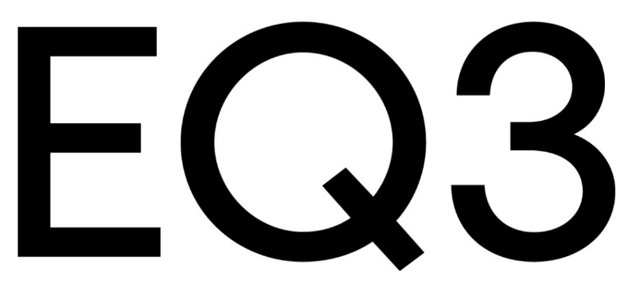

EQ3 Outside Sales Upholstery Price List
Effective May 2021

