Design 1
Individual Gate Default Specifications |  |  |  |  | Worst Path, Design Calculations: Sizing Iteration 1
Gate Type | Logical Effort g | Parasitic Delay | Input Cap |  | Logical Effort G | Electrical Effort H | Branching Effort B | Parasitic Delay P | Path Effort F | Best Stage Effort f | Delay D | Input Cap | Stage | Delay (ns) | Best Number of Stages
Inverter | 1 | 1 | 3 |  | 3.950617284 | 16.333333333 | 5.25 | 11 | 338.7654321 | 2.6402791614 | 26.841674968 | 45.908559261 | Z | 1.6105004981 | 4.5576011337
2NAND | 1.3333333333 | 2 | 4 |  |  |  |  |  |  |  |  | 23.183689529 | Y
3NAND | 1.6666666667 | 3 | 5 |  |  |  |  |  |  |  |  | 39.686715975 | X
 |  |  |  |  |  |  |  |  |  |  |  | 20.041676681 | W
Stage | Logical Effort | Parasitic Delay | Input Cap |  |  |  |  |  |  |  |  | 7.5907415298 | V
Z | 1.3333333333 | 2 | 4 |  |  |  |  |  |  |  |  | 10.465718404 | U
Y | 1.3333333333 | 2 | 4
X | 1.6666666667 | 3 | 5 |  | Worst Path, Design Calculations: Sizing Iteration 2
W | 1.3333333333 | 2 | 4 |  | Logical Effort G | Electrical Effort H | Branching Effort B | Parasitic Delay P | Path Effort F | Best Stage Effort f | Delay D | Input Cap | Stage | Delay (ns) | Best Number of Stages
V | 1 | 1 | 3 |  | 3.950617284 | 30.302853087 | 9.871846616 | 11 | 1181.8078724 | 3.2515553141 | 30.509331884 | 31.27896594 | Z | 1.8305599131 | 5.5351785385
U | 1 | 1 | 3 |  |  |  |  |  |  |  |  | 12.826258172 | Y
 |  |  |  |  |  |  |  |  |  |  |  | 13.488075007 | X
 |  |  |  |  |  |  |  |  |  |  |  | 5.5309223655 | W
 |  |  |  |  |  |  |  |  |  |  |  | 1.7010082349 | V
 |  |  |  |  |  |  |  |  |  |  |  | 2.2241450327 | U

Sizing Optimization |  |  |  |  |  |  |  |  |  |  |  | Non-Path Inverter Sizing
Stage | Gate | Input Cap Cin | Unit Cap | Gate Ratio | PMOS | NMOS | PMOS (After Folding) | NMOS (After Folding) | Fold? | Load capacitor (fF) |  | Inverter | Input Cap | Unit Cap | Gate Ratio | PMOS | NMOS | PMOS (rounded) | NMOS (rounded)
Z | 2NAND | 31.27896594 | 4 | 7.8197414849 | 23.459224455 | 23.459224455 | 11.729612227 | 11.729612227 | Yes | 228.83689782 |  | Slave Clock | 7.88930646 | 3 | 2.62976882 | 7.88930646 | 3.94465323 | 7.8 | 3.9
Y | 2NAND | 12.826258172 | 4 | 3.2065645431 | 9.6196936292 | 9.6196936292 | 9.6196936292 | 9.6196936292 | No | 93.836897819 |  | Master Clock | 5.8283342464 | 3 | 1.9427780821 | 5.8283342464 | 2.9141671232 | 6 | 3
X | 3NAND | 13.488075007 | 5 | 2.6976150014 | 8.0928450041 | 12.139267506 | 8.0928450041 | 12.139267506 | Yes | 78.942999537 |  | Preset | 4.1481917741 | 3 | 1.3827305914 | 4.1481917741 | 2.0740958871 | 4.2 | 2.1
W | 2NAND | 5.5309223655 | 4 | 1.3827305914 | 4.1481917741 | 4.1481917741 | 4.1481917741 | 4.1481917741 | No | 40.464225021 |  | Clear | 4.1481917741 | 3 | 1.3827305914 | 4.1481917741 | 2.0740958871 | 4.2 | 2.1
V | INV | 3 | 3 | 1 | 3 | 1.5 | 3 | 1.5 | No | 16.592767096
U | INV | 3 | 3 | 1 | 3 | 1.5 | 3 | 1.5 | No | 25.592767096

Schematic Delay Simulations |  |  |  |  |  |  |  | Layout Delay Simulations
Stage | Gate | Fall Time (ps) | Rise Time (ps) | PDF (ps) | PDR (ps) | APD (ps) |  | Stage | Gate | Fall Time (ps) | Rise Time (ps) | PDF (ps) | PDR (ps) | APD (ps)
Z | 2NAND | 209.9 | 270.5 | 160 | 209.5 | 184.75 |  | Z | 2NAND | 179.4 | 187 | 151.3 | 157 | 154.15
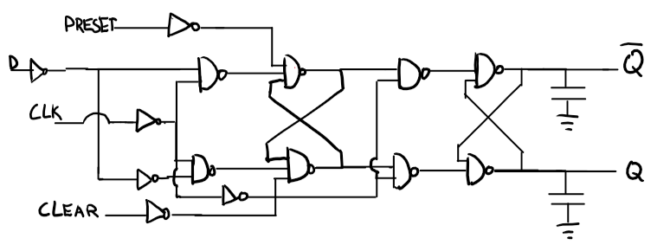
Y | 2NAND | 212.5 | 272.6 | 162.1 | 212.1 | 187.1 |  | Y | 2NAND | 186.4 | 193 | 153.8 | 165 | 159.4
X | 3NAND | 272.9 | 93.05 | 262.7 | 95.07 | 178.885 |  | X | 3NAND | 222.9 | 78.42 | 212.7 | 86.91 | 149.805
W | 2NAND | 230.2 | 292.9 | 177 | 227.8 | 202.4 |  | W | 2NAND | 206.1 | 210.9 | 171.1 | 177.5 | 174.3
V | INV | 180.6 | 138.8 | 169.2 | 118.1 | 143.65 |  | V | INV | 180.4 | 138.7 | 168.7 | 118.1 | 143.4
U | INV | 249.1 | 191.9 | 219 | 152.3 | 185.65 |  | U | INV | 249 | 191.7 | 218.5 | 152.2 | 185.35
 |  |  |  |  | Total (sum) = | 1082.435 |  |  |  |  |  |  | Total (sum) = | 966.405

Simulation Delays of Full Circuits |  |  |  |  |  |  |  |  |  |  |  | Delay Comparison
Type | Fall Time (ps) | Rise Time (ps) | PDF Master (ns) | PDR Master (ns) | APD Master (ns) | PDF Slave (ns) | PDR Slave (ns) | ADP Slave (ns) | ADP Total (ns) |  |  | Source | Delay (ns)
Schematic | 298.8 | 344.4 | 0.8319 | 1.726 | 1.27895 | 0.8579 | 0.6554 | 0.75665 | 2.0356 |  |  | Calculation | 1.8305599131
Extracted | 263.6 | 285.3 | 1.21 | 1.915 | 1.5625 | 0.9569 | 0.6959 | 0.8264 | 2.3889 |  |  | Schematic: Sums | 1.082435
 |  |  |  |  |  |  |  |  |  |  |  | Schematic: Full | 2.0356
 |  |  |  |  |  |  |  |  |  |  |  | Layout: Sums | 0.966405
 |  |  |  |  |  |  |  |  |  |  |  | Layout: Snap-together | 2.3889

Design 2
Individual Gate Default Specifications |  |  |  | Worst Path, Design Calculations: Sizing Iteration 1
Gate Type | Logical Effort g | Parasitic Delay | Input Cap | Logical Effort G | Electrical Effort H | Branching Effort B | Parasitic Delay P | Path Effort F | Best Stage Effort f | Delay D | Sizing | Stage | Delay (ns) | Best Number of Stages
Inverter | 1 | 1 | 3 | 10.802469136 | 16.666666667 | 6.4 | 11 | 1152.2633745 | 3.2378641727 | 30.427185036 | 47.734291655 | Z | 1.8256311022 | 5.5153708807
2NOR | 1.6666666667 | 2 | 5 |  |  |  |  |  |  |  | 24.570874044 | Y
3NOR | 2.3333333333 | 3 | 7 |  |  |  |  |  |  |  | 63.383178265 | X
 |  |  |  |  |  |  |  |  |  |  | 32.626022837 | W
Stage | Logical Effort | Parasitic Delay | Input Cap |  |  |  |  |  |  |  | 10.07640256 | V
Z | 1.6666666667 | 2 | 5 |  |  |  |  |  |  |  | 13.188454833 | U
Y | 1.6666666667 | 2 | 5
X | 2.3333333333 | 3 | 7 | Worst Path, Design Calculations: Sizing Iteration 2
W | 1.6666666667 | 2 | 5 | Logical Effort G | Electrical Effort H | Branching Effort B | Parasitic Delay P | Path Effort F | Best Stage Effort f | Delay D | Sizing | Stage | Delay (ns) | Best Number of Stages
V | 1 | 1 | 3 | 10.802469136 | 30.911430552 | 15.169884736 | 11 | 5065.5244901 | 4.1441684801 | 35.865010881 | 30.27242991 | Z | 2.1519006528 | 6.6738632117
U | 1 | 1 | 3 |  |  |  |  |  |  |  | 12.1747101 | Y
 |  |  |  |  |  |  |  |  |  |  | 15.687599697 | X
 |  |  |  |  |  |  |  |  |  |  | 6.309106307 | W
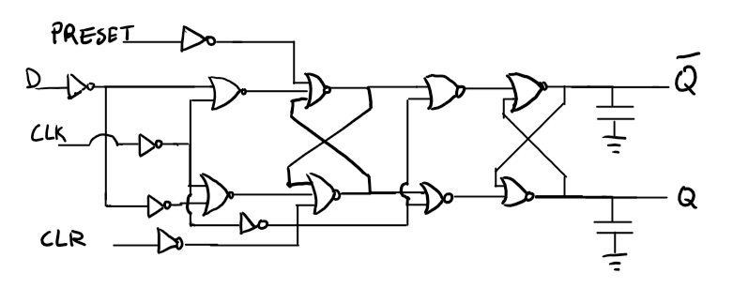
 |  |  |  |  |  |  |  |  |  |  | 1.5224058426 | V
 |  |  |  |  |  |  |  |  |  |  | 1.8897668343 | U

Design 3
Individual Gate Default Specifications |  |  |  | Worst Path, Design Calculations: Sizing Iteration 1
Gate Type | Logical Effort g | Parasitic Delay | Input Cap | Logical Effort G | Electrical Effort H | Branching Effort B | Parasitic Delay P | Path Effort F | Best Stage Effort f | Delay D | Sizing | Stage | Delay (ns) | Best Number of Stages
Inverter | 1 | 1 | 3 | 6.9135802469 | 16.333333333 | 7.3333333333 | 11 | 828.09327846 | 3.0644076882 | 29.386446129 | 34.660556221 | Z | 1.7631867677 | 5.2569058599
2NOR | 1.6666666667 | 2 | 5 |  |  |  |  |  |  |  | 15.080916009 | Y
3NOR | 2.3333333333 | 3 | 7 |  |  |  |  |  |  |  | 48.133002869 | X
2NAND | 1.3333333333 | 2 | 4 |  |  |  |  |  |  |  | 26.178524404 | W
Stage | Logical Effort | Parasitic Delay | Input Cap |  |  |  |  |  |  |  | 8.5427681521 | V
Z | 1.3333333333 | 2 | 4 |  |  |  |  |  |  |  | 11.330506933 | U
Y | 1.3333333333 | 2 | 4
X | 2.3333333333 | 3 | 7 | Worst Path, Design Calculations: Sizing Iteration 2
W | 1.6666666667 | 2 | 5 | Logical Effort G | Electrical Effort H | Branching Effort B | Parasitic Delay P | Path Effort F | Best Stage Effort f | Delay D | Sizing | Stage | Delay (ns) | Best Number of Stages
V | 1 | 1 | 3 | 6.9135802469 | 26.55351874 | 17.036573756 | 11 | 3127.5722109 | 3.8241468189 | 33.944880913 | 24.088515799 | Z | 2.0366928548 | 6.2965993528
U | 1 | 1 | 3 |  |  |  |  |  |  |  | 8.3987416244 | Y
 |  |  |  |  |  |  |  |  |  |  | 13.145214998 | X
 |  |  |  |  |  |  |  |  |  |  | 5.7290404113 | W
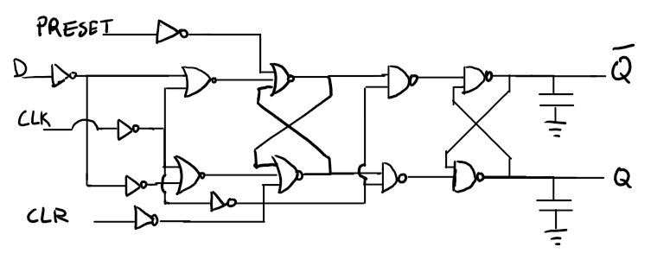
 |  |  |  |  |  |  |  |  |  |  | 1.4981225049 | V
 |  |  |  |  |  |  |  |  |  |  | 1.8898759013 | U

