6.Star Schema
Star Schema

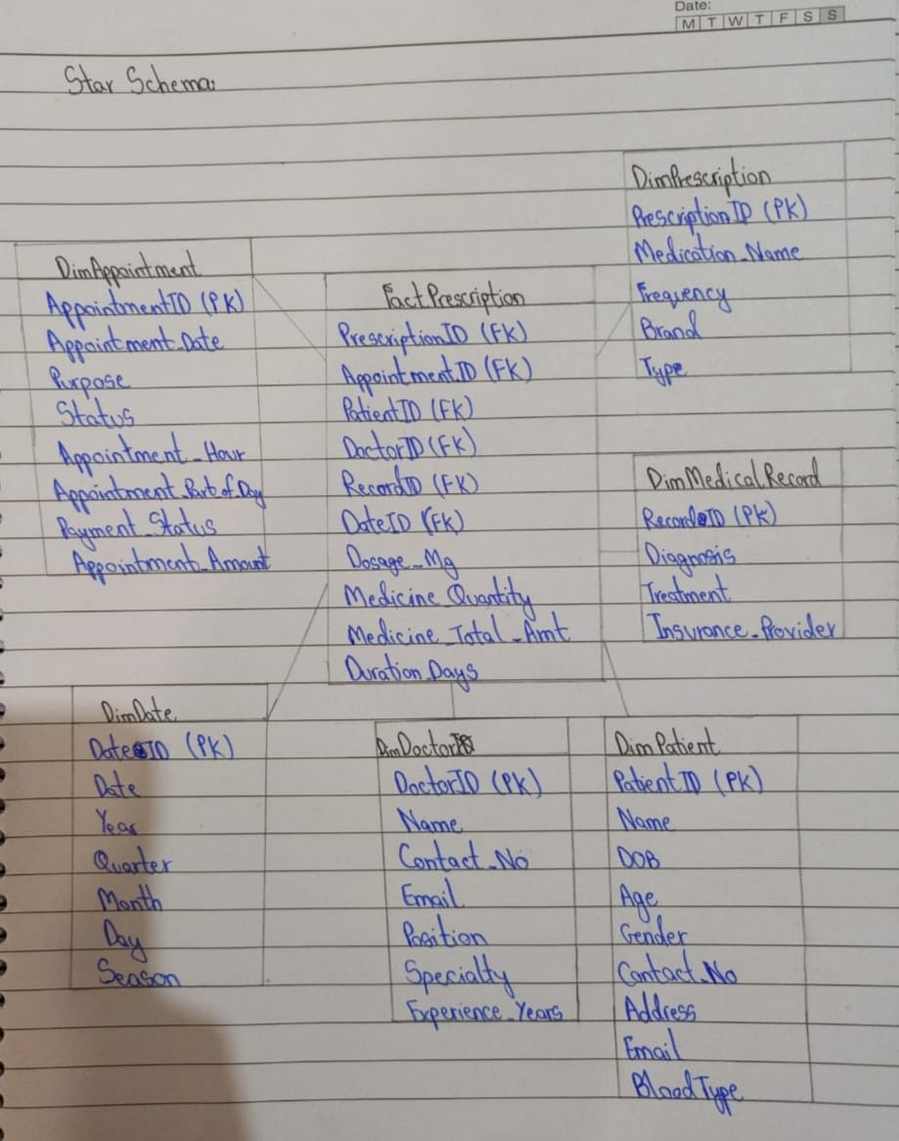
Star Schema Image | Possible Star Schema Queries
 | Sno | Business Question Addressed | SQL query
 | 1 | Find the total sales for each month of each year | SELECT D."YEAR", D."MONTH", SUM(FP."MEDICINE_TOTAL_AMT") AS TOTAL_SALES FROM "FactPrescription" FP JOIN "DimDate" D ON FP."DATE_ID" = D."DATE_ID" GROUP BY D."YEAR", D."MONTH" ORDER BY D."YEAR", D."MONTH";
 | 2 | What are the most common medical conditions diagnosed to patients? | SELECT DMR."DIAGNOSIS", COUNT(DISTINCT FP."PATIENT_ID") AS Number_of_PATIENTS FROM STAR_SCHEMA."FactPrescription" FP JOIN STAR_SCHEMA."DimMedicalRecord" DMR ON FP."RECORD_ID" = DMR."RECORD_ID" WHERE DMR."DIAGNOSIS" <> 'N/A' GROUP BY DMR."DIAGNOSIS" ORDER BY AVG_PATIENTS DESC LIMIT 5;
 | 3 | Which medicines have generated the highest revenue? | SELECT DP."MEDICATION_NAME", SUM(FP."MEDICINE_TOTAL_AMT") AS TOTAL_MEDICINE_AMOUNT FROM STAR_SCHEMA."FactPrescription" FP JOIN STAR_SCHEMA."DimPrescription" DP ON FP."PRESCRIPTION_ID" = DP."PRESCRIPTION_ID" GROUP BY DP."MEDICATION_NAME" ORDER BY TOTAL_MEDICINE_AMOUNT DESC LIMIT 10;
 | 4 | Find out the number of prescriptions for each medicine type for each month | SELECT DD."MONTH", DP."TYPE", COUNT(*) AS PRESCRIPTION_COUNT FROM STAR_SCHEMA."FactPrescription" FP JOIN STAR_SCHEMA."DimDate" DD ON FP."DATE_ID" = DD."DATE_ID" JOIN STAR_SCHEMA."DimPrescription" DP ON FP."PRESCRIPTION_ID" = DP."PRESCRIPTION_ID" GROUP BY DD."MONTH", DP."TYPE" ORDER BY DD."MONTH", DP."TYPE";
 | 5 | How many medicines were sold in total? | SELECT SUM(FP."MEDICINE_QUANTITY") AS TOTAL_MEDICINE_QUANTITY FROM STAR_SCHEMA."FactPrescription" FP JOIN STAR_SCHEMA."DimPrescription" DP ON FP."PRESCRIPTION_ID" = DP."PRESCRIPTION_ID"
 | 6 | Find the total sales for Metformin medicines | SELECT SUM(FP."MEDICINE_TOTAL_AMT") AS TOTAL_MEDICINE_AMOUNT FROM STAR_SCHEMA."FactPrescription" FP JOIN STAR_SCHEMA."DimPrescription" DP ON FP."PRESCRIPTION_ID" = DP."PRESCRIPTION_ID" WHERE DP."MEDICATION_NAME" ="Metformin";

