Sheet1
TEST RUN MYLEGALPRACTICEAI.LIFE
Tester | Platform | Isu
En. Hamdi | MySya
Fadzly | MyLit V1 | 1. When launching the portal, it will turn out a blank screen first. User needs to refresh the screen so that the web content can be seen
 | MyLit V1 | 2. Case laws are missing. They will only come out if user uses keywords to search. | 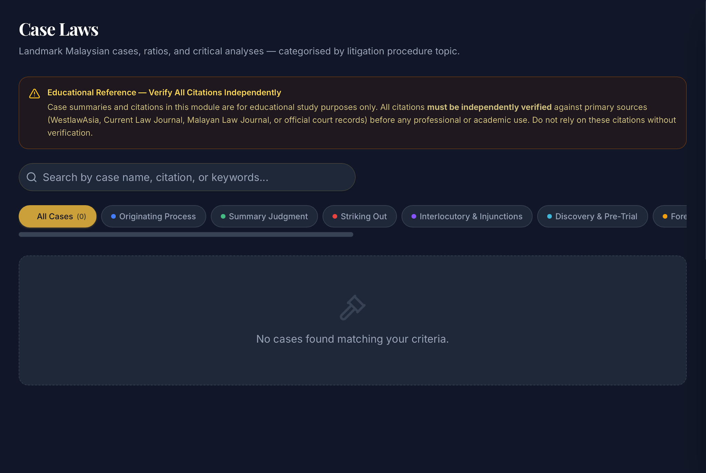
 | MyLit V1 | 3. After generating documents using a "AI Draft This Document", and pressing "Google Docs" to export, the web app only opens a blank Google Doc document, not the draft document that was created.
 | MyLit V1 | 4. When using "AI Draft This Document", and the details (Core Facts & Relief Sought, Additional Details), are too long, the draft document is not created. However, if the details are short, then the web app will create the draft.
 | MyLit V1 | 5. The draft material after using "AI Draft This Document" will produce long strands of " - - - - - " throughout the document. | 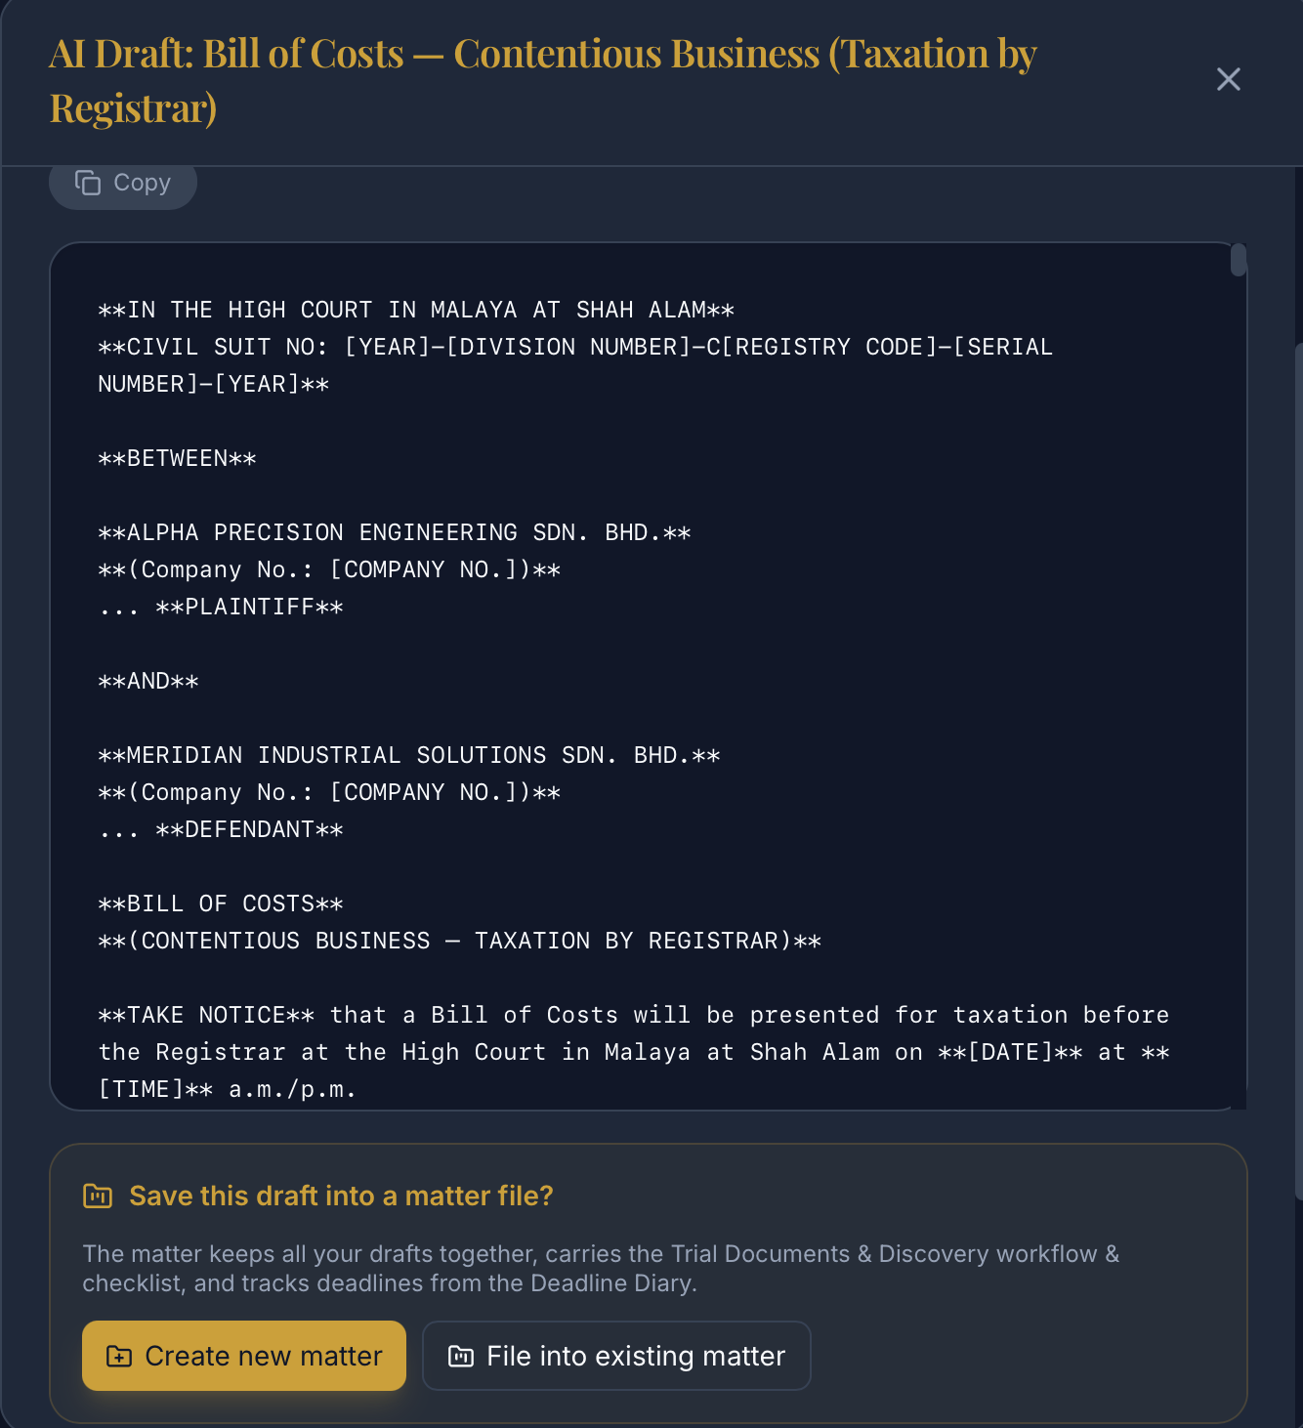 | 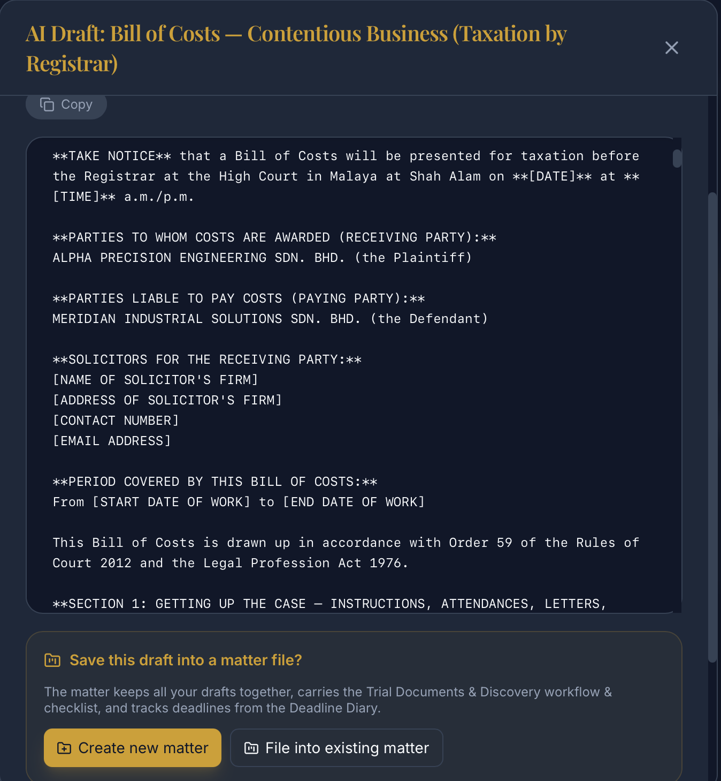 | 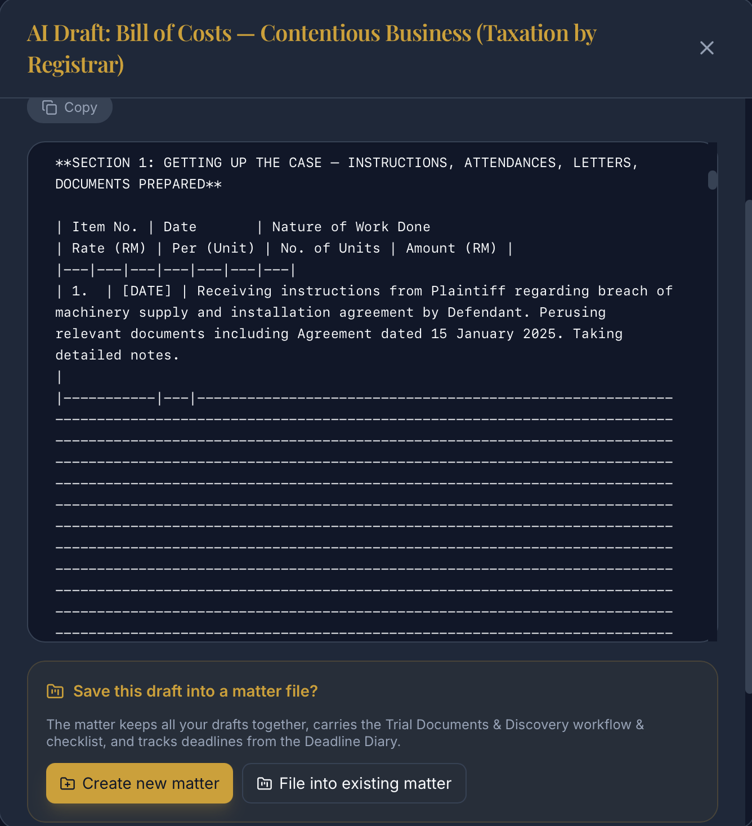
 | MyLit V1 | 6. After using "AI Draft This Document", and attempting to save the created document into a matter file, the web app comes back with an error, saying the document was not saved. In the "Matters" tab, the document was also not save in the matter file. | 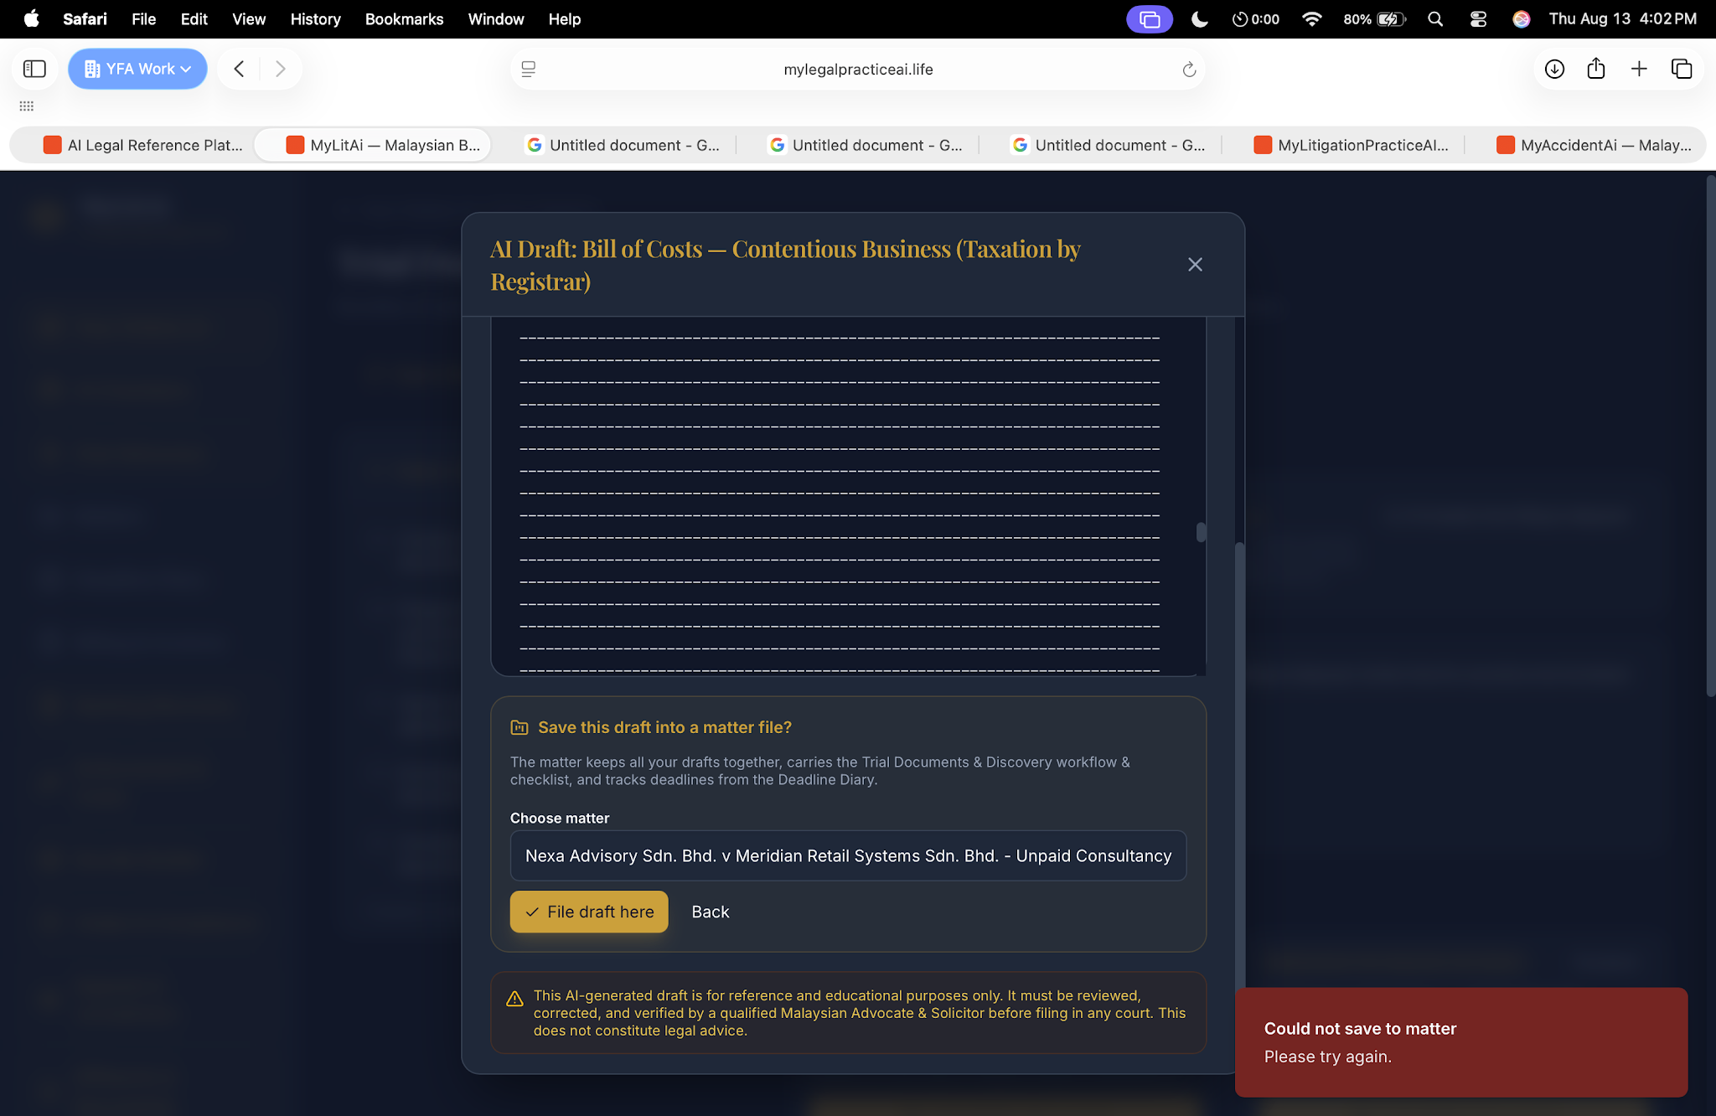
 |  | 7. "AI Draft This Document" drafts can be saved in "My Work", which is a different tab altogether. There is also the "Matters" tab, so this can be confusing or redundant. Advise to remove "My Work" and only keep "Matters".
 |  | 8. Word document downloaded has formatting issues.
 |  | 9. Drafted documents have excessive asterisk use " * " | 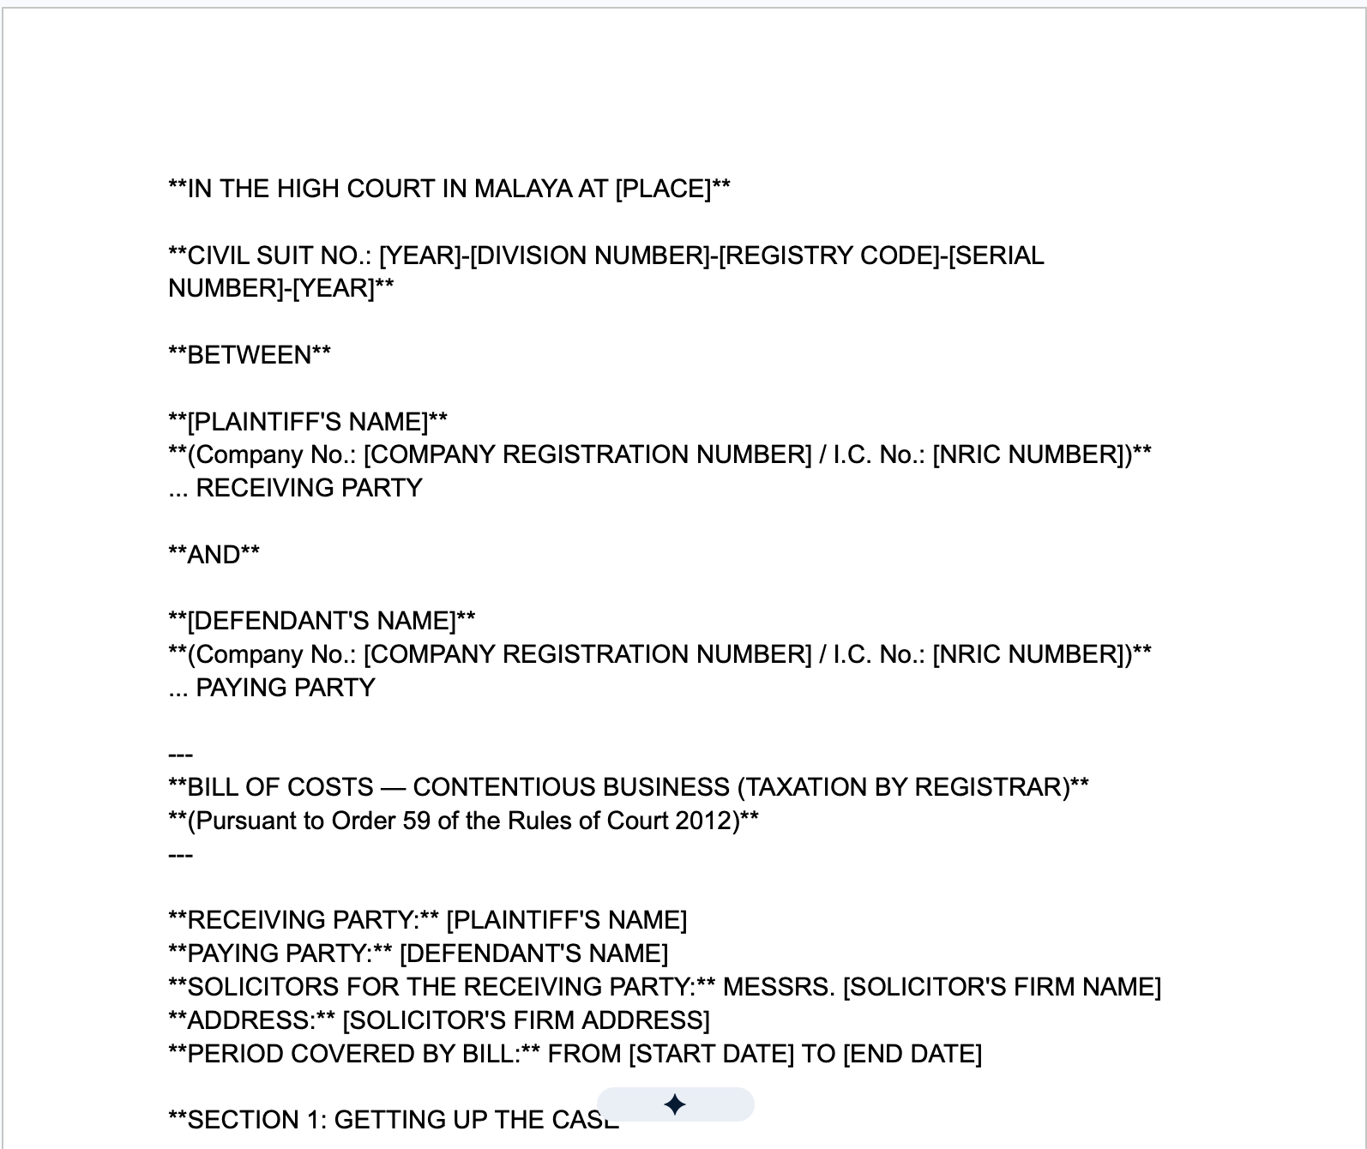
 |  | 10. "Oral Advocacy" - the web app will listen and transcribe the user's speech once the user starts talking, and the web app will stop its microphone automatically at about 2-3 seconds of silence. This does not give enough time for users to naturally pause and think. Advise to stop recording/transcribing only when the user presses stop, not automatically.
 |  | 11. Advise to add AI Drafter features directly in "Documents" under "Matter". 12. Considering there are "Documents" and "Drafts & Letters" under "Matter", consider changing the name for "Documents" to "Client Documents" as this should be where client documents are. "Drafts & Letters" should be where the causes papers and other documents to be submitted are. 13. Advise to add a feature for users to upload attachments in "Matter", then the AI recommends which AI Drafter tools to use and what workflow to take. This could be under "Documents" | 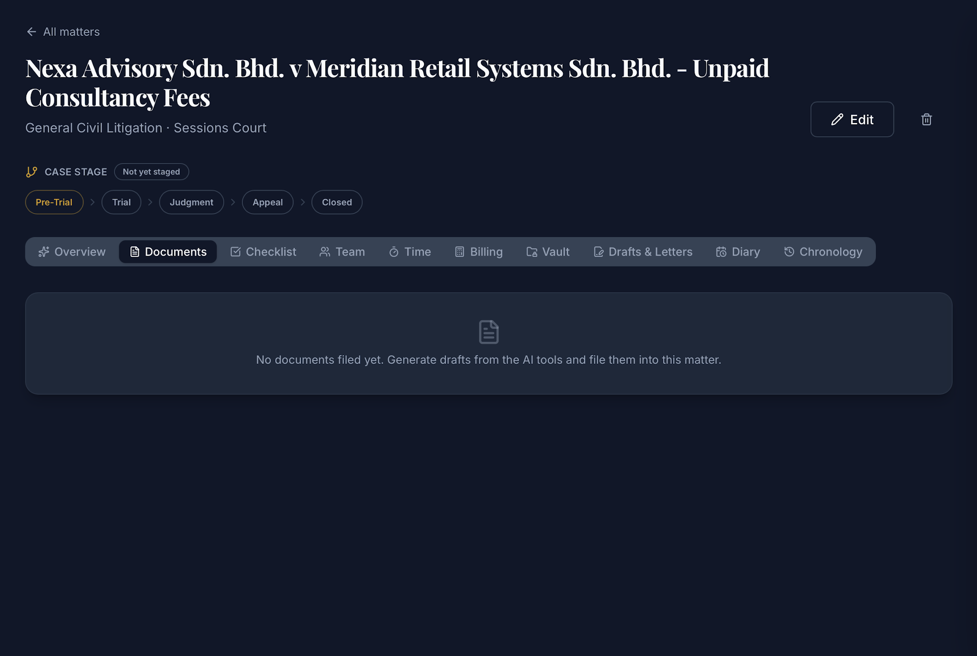
 |  | 14. In "Matter", "Client Contact Record", users can only add one client contact record. No additional records can be added. And the client record cannot be deleted from the web app. | 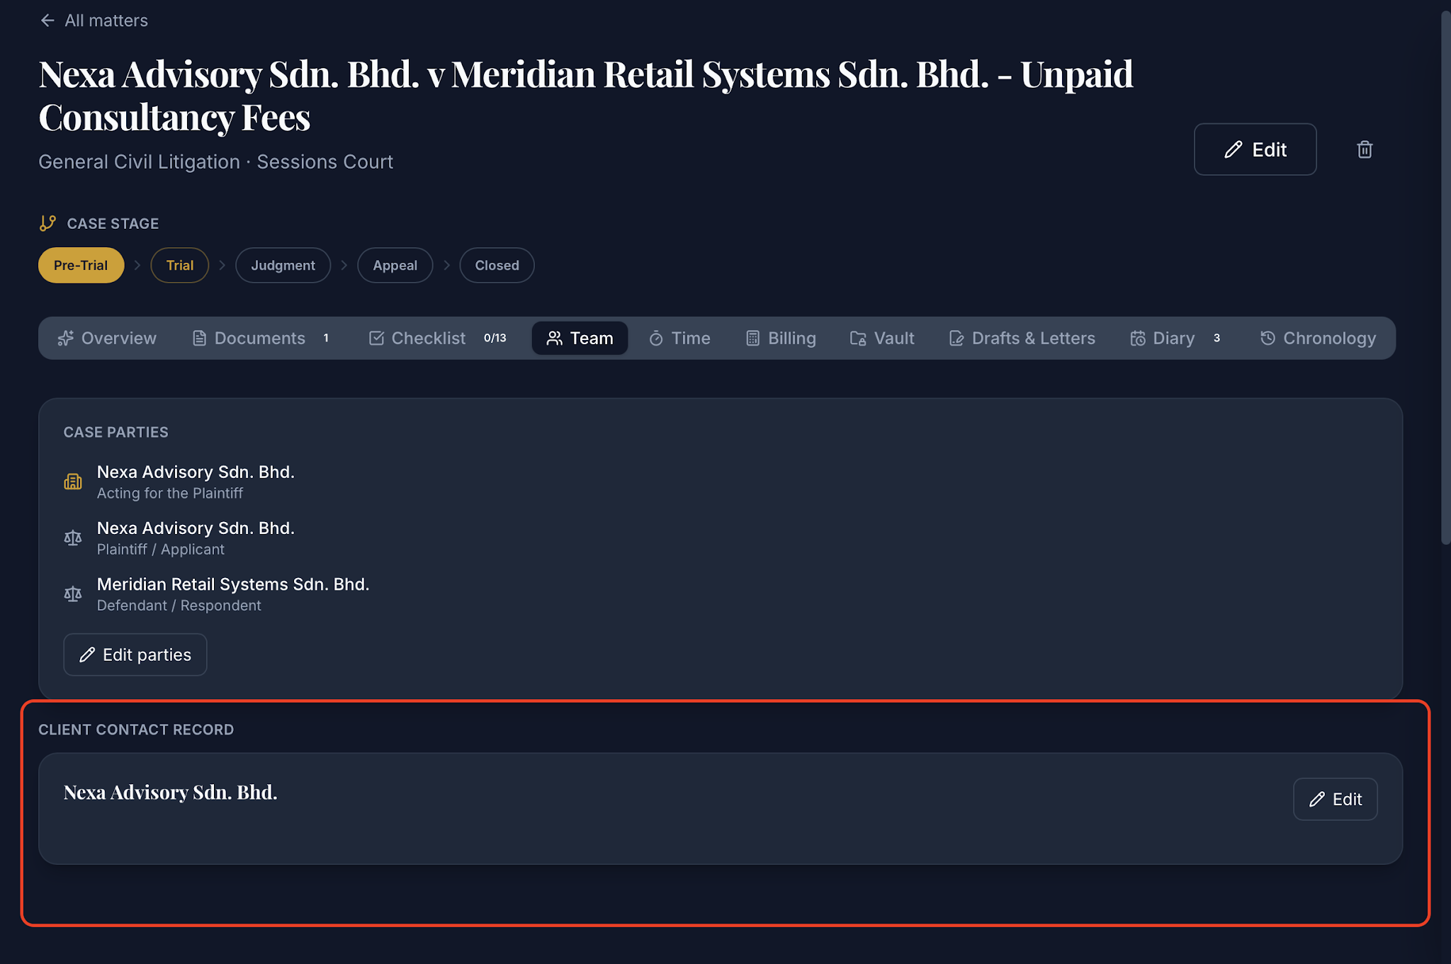
 |  | 15. In "Matter", "Time" and "Billing" seem redundant because user can add the "Time" billing directly into "Billing"; anything inserted in "Time" will be reflected in "Billing". 16. There is no clear way of adding "rate" to the billing, as when a number is added in the "Rate" input, the billing will still reflect "Zero". Advise to make the rate per hour entry to be more straightforward, and reflecting the different levels or rates according to activity carried out; ie, court hearing, or meeting, and to reflect the level of lawyer putting in the hour; senior partner rate and junior associate rate would be different. | 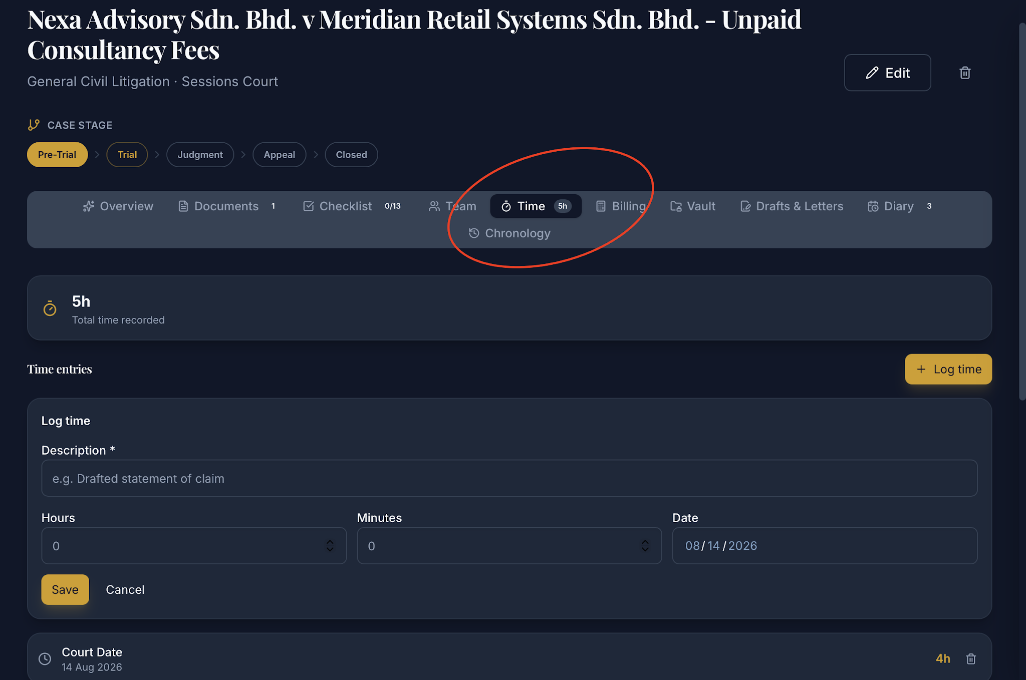 | 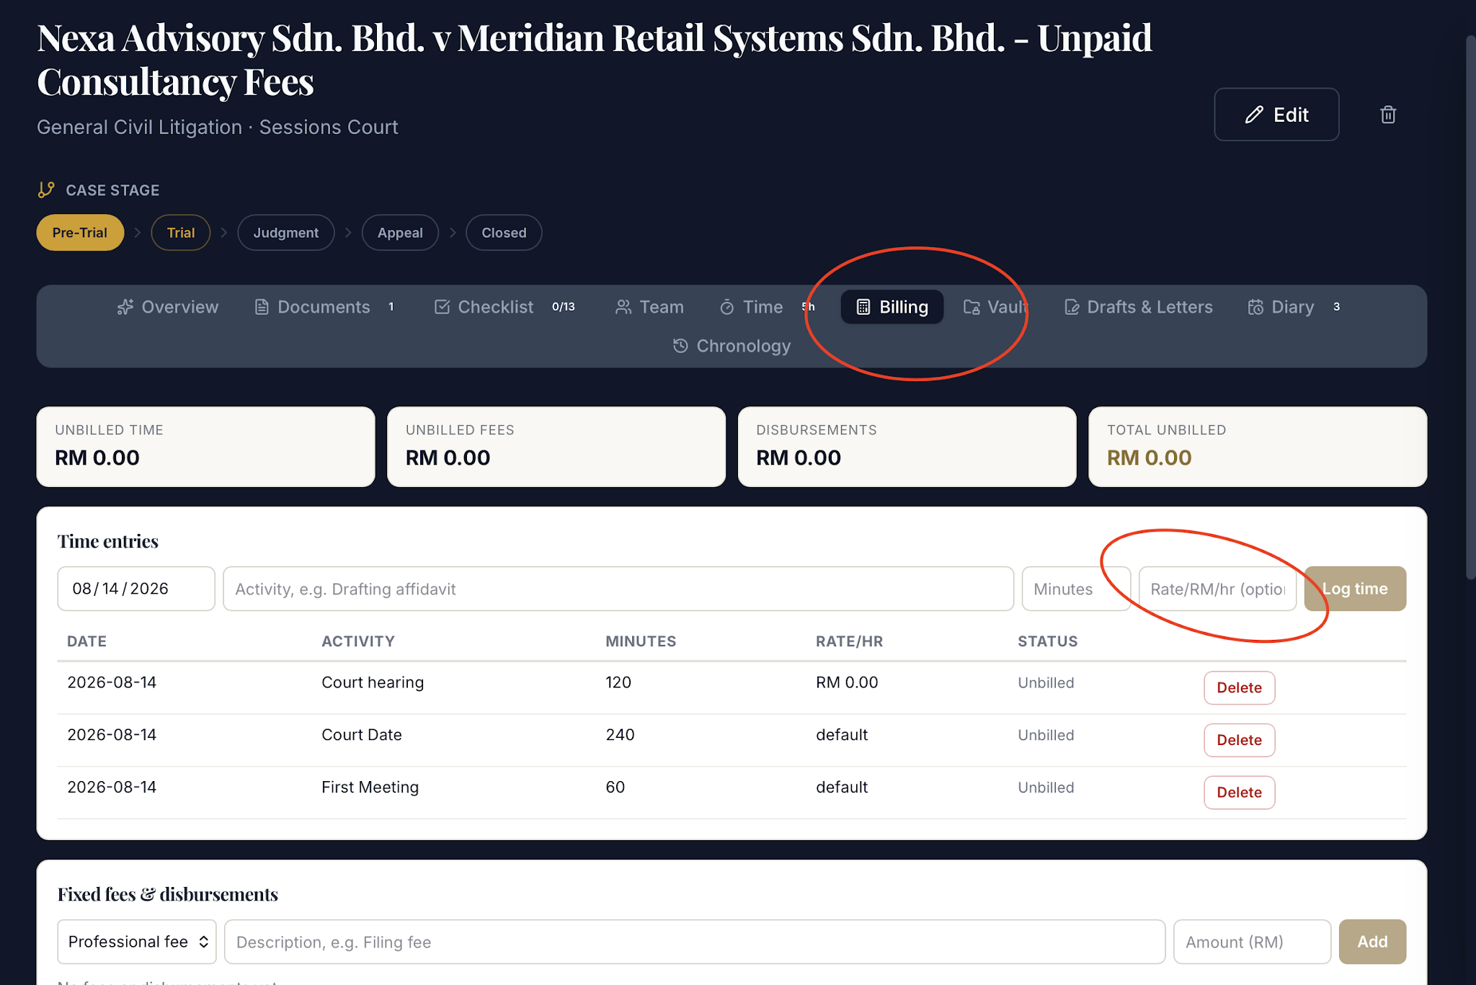
 |  | 17. For any dates mentioned in the web app, advise to change the layout to something more standard to Malaysia - DD/MM/YY (Day/Month/Year). Currently, the web app uses MM/DD/YY (Month/Day/Year - similar to the United States, which can be confusing). | 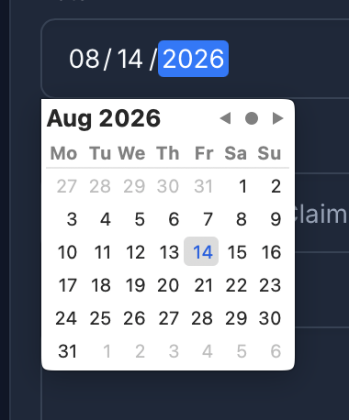
 |  | 18. In "Matter", "Chronology", there are entries for "Deadline", but they are not reflected in the "Deadline Diary". And whatever entries are entered in the "Deadline Diary" do not reflect in the "Chronology". Advise to sync these respectivelly, according to matter. | 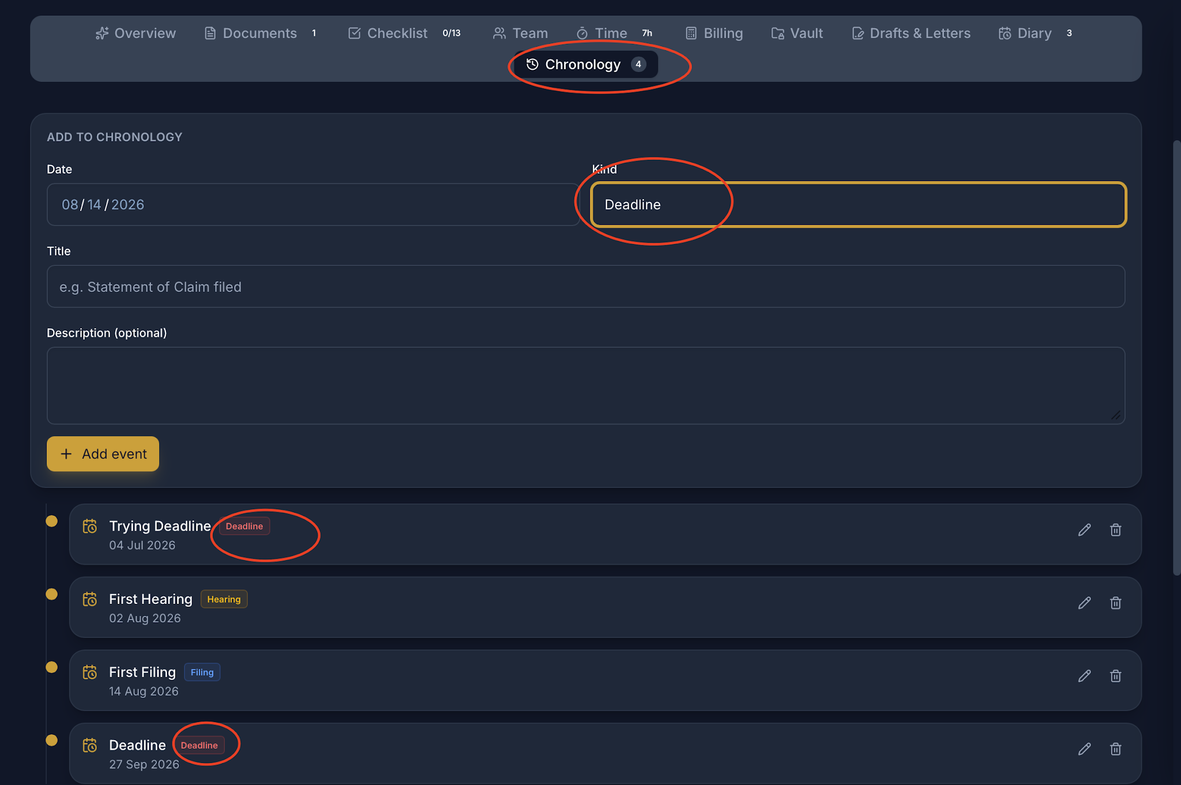 | 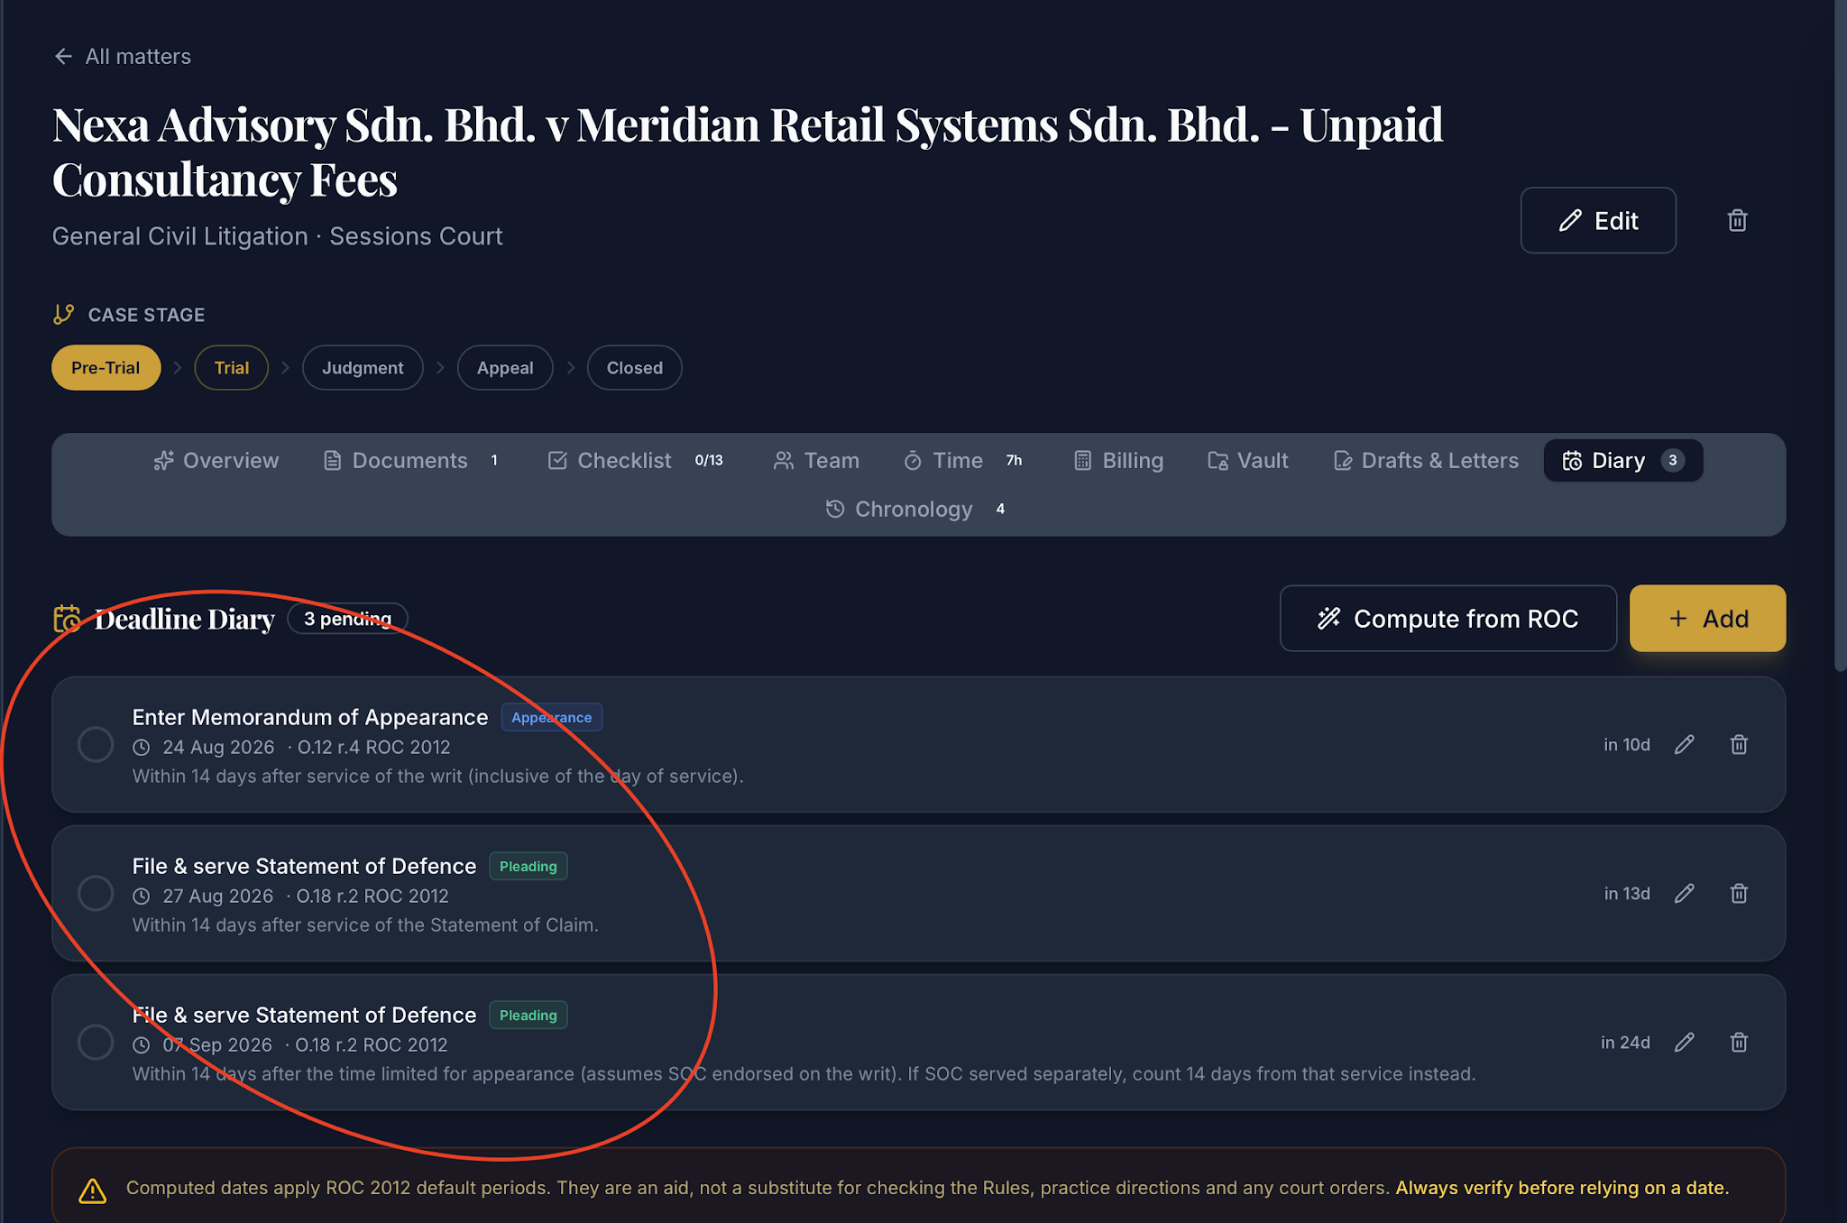
 |  | 19. "Billings & Invoices", what makes this different from the "Time" and "Billings" in "Matter"? | 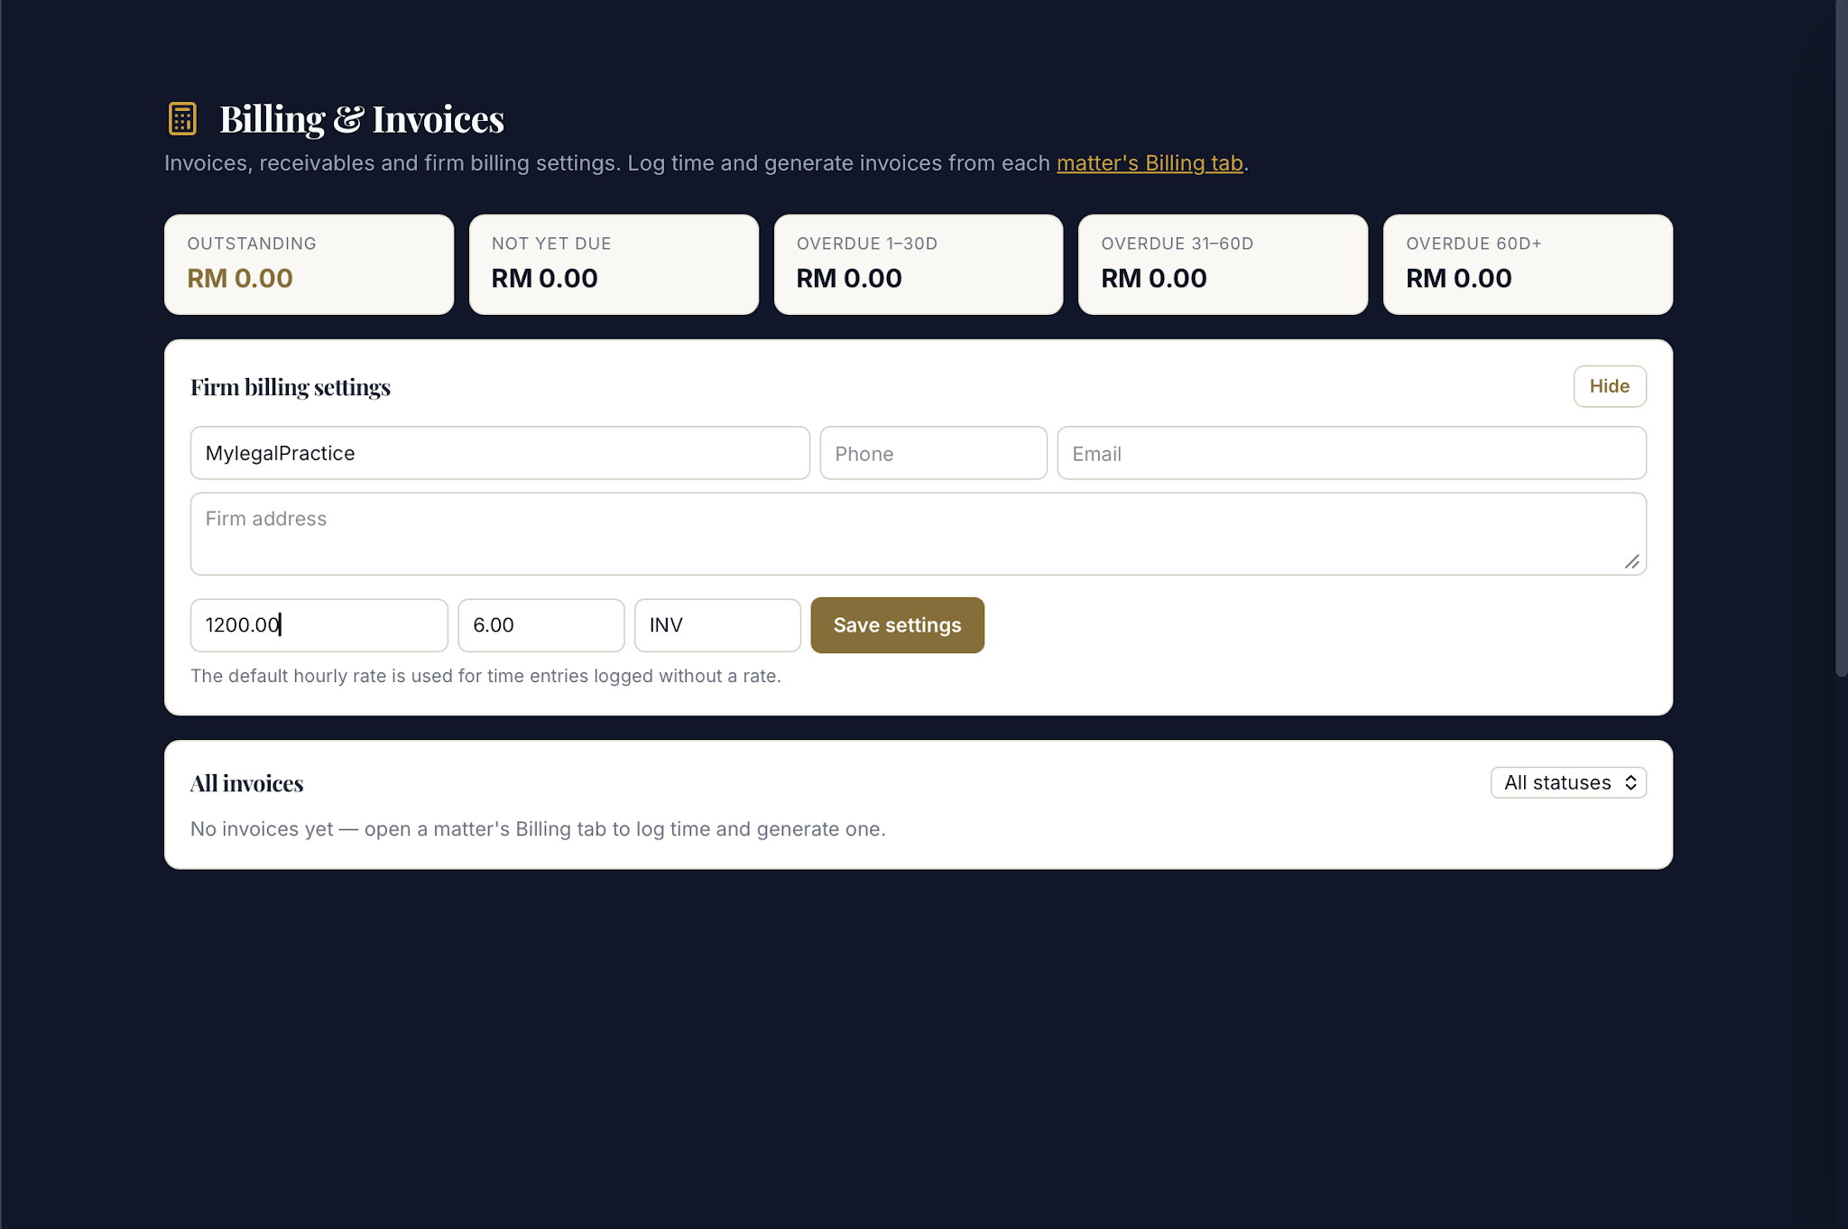
 |  | 20. Added rates in "Billings" in "Matter", but they are not reflected in "Billing & Invoices Tab" | 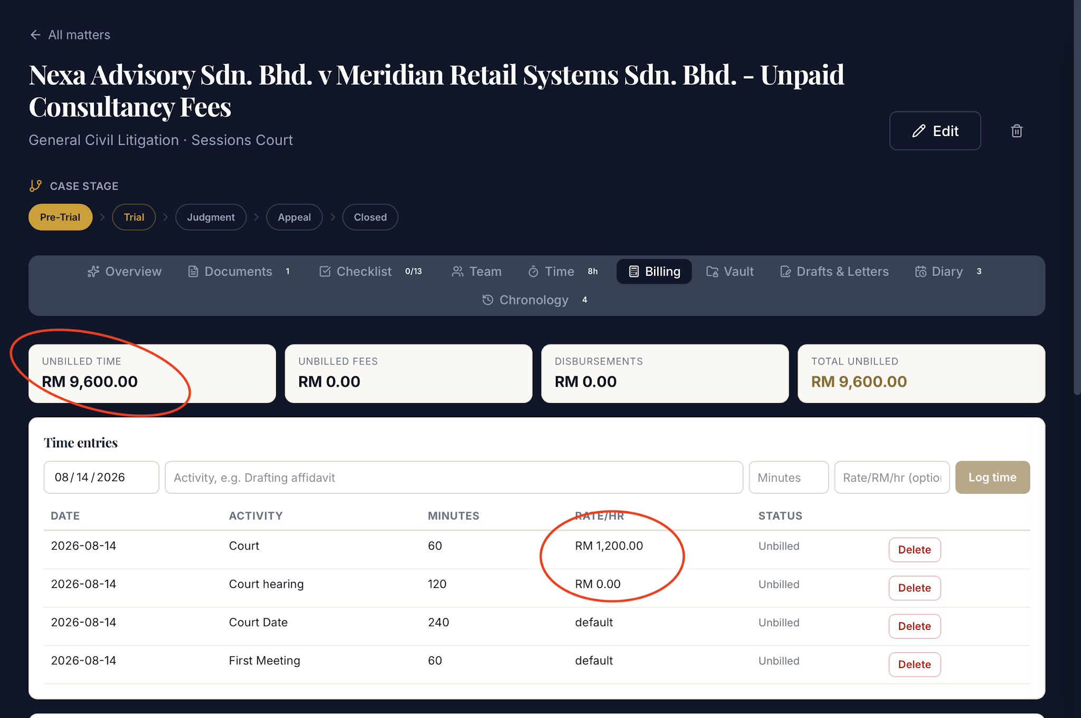 | 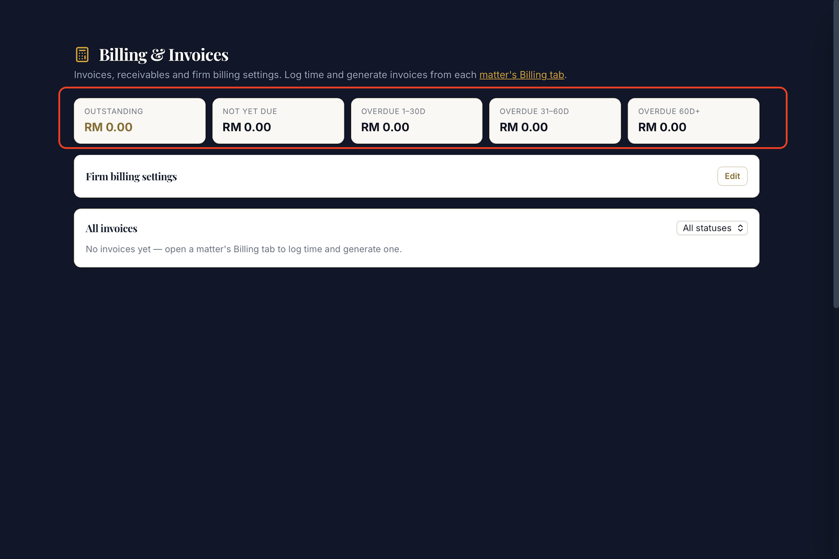
 |  | 21. General UI. Only highlight Tabs that are being actively used; the "Banking Recovery" tab is being used, but many other tabs are being highlighted as well. | 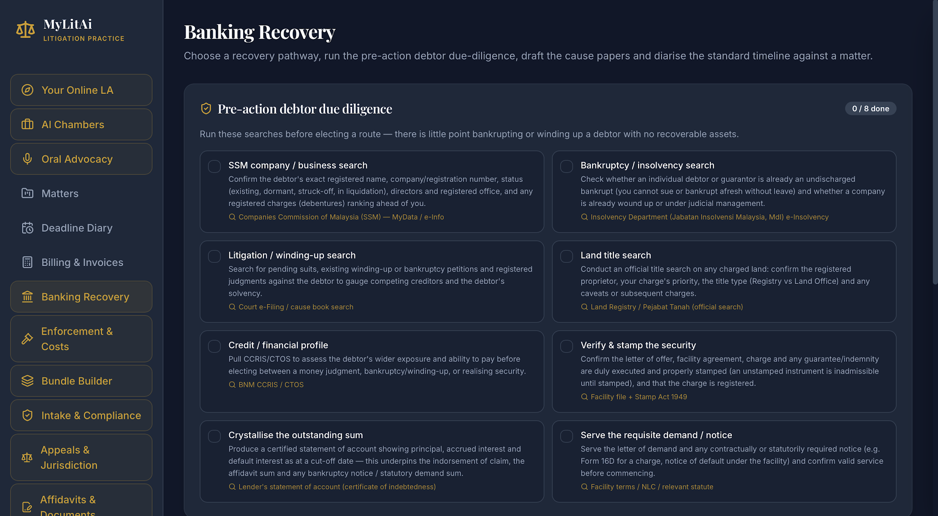
 |  | 22. "Bundle of Pleadings"; add an upload feature where the user can upload pleadings. 23. "Bundle of Pleadings"; make the web app more synchronous where the cause papers created and other material can be linked to "Bundle of Pleadings" according to Matter.

 | MyLit V2
 | MyAccident
Fikri | MyCorp | 1. AI Assistant - when download in documents such pdf/ word, make the docs proper format, tiitle without *(asterisk)
 |  | - When I click the voice button and then dismiss the generated response, the text disappears, but the voice continues playing in the background
 |  | Risk scanner cannot upload file
 |  | 2. The popup validation are overlap with the other box | 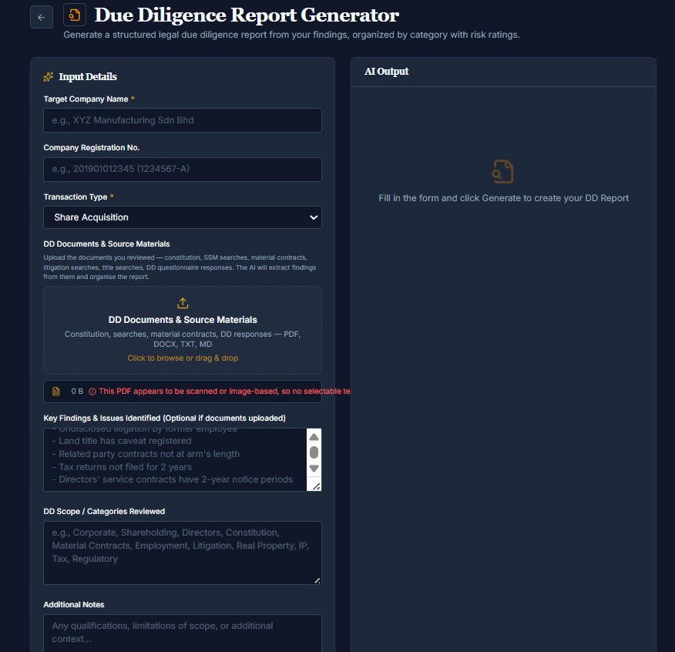
 | MyCCBLitAI | 1. Debt Collector when click its appear Tool Not Found
 |  | 2. Interlocutory App when click its appear Tool Not Found
 |  | 3. Draft Cause Paper when click its appear Tool Not Found
 |  | 4. SHOULD BE NO NEED ACCESS CODE Matter files require a subscriber access code Matter files require a subscriber access code Demo and master access codes cannot create or view matter files. Sign in with a subscriber access code to organise your drafts into matters.
Aiman | MyCrim | di MATTER FILE > billing pun even dah isi billling tu total fee semua dekat atas tu dia tak updated | 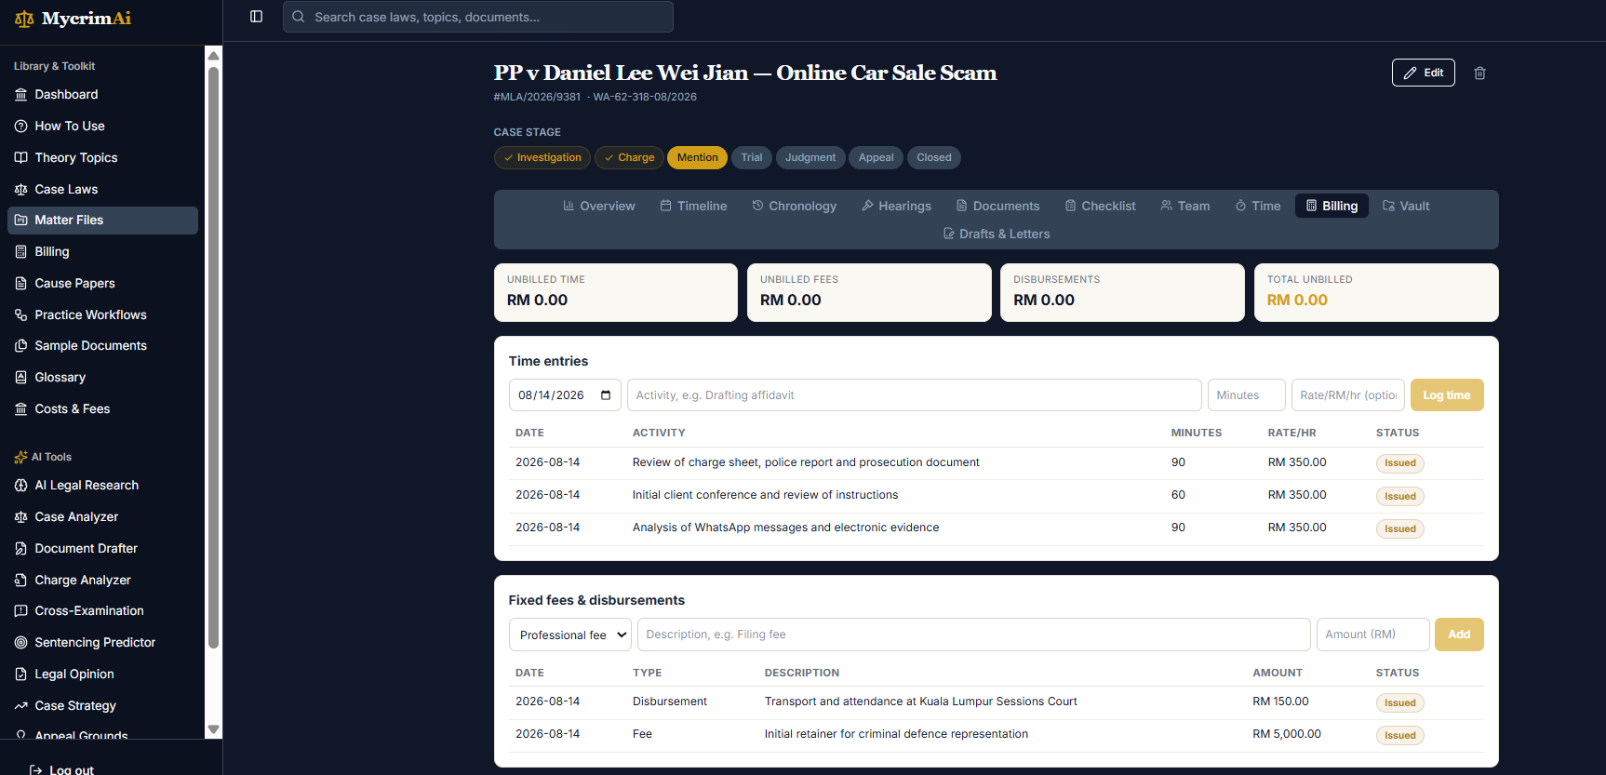
 |  | Font same colour so cannot saw the text (choice dropdown) | 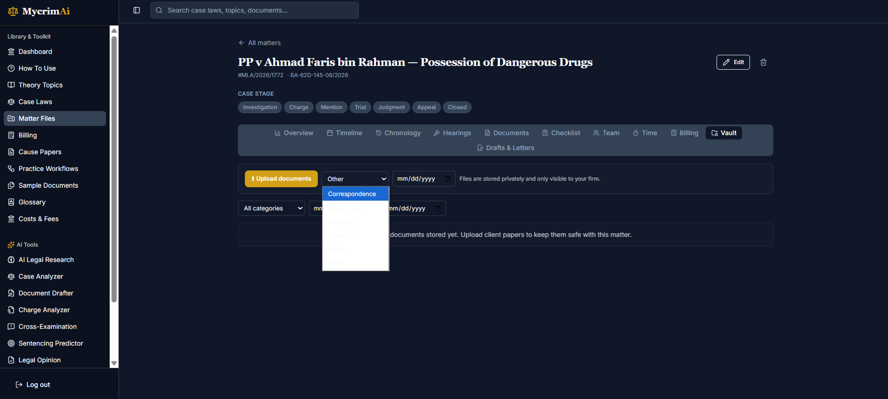
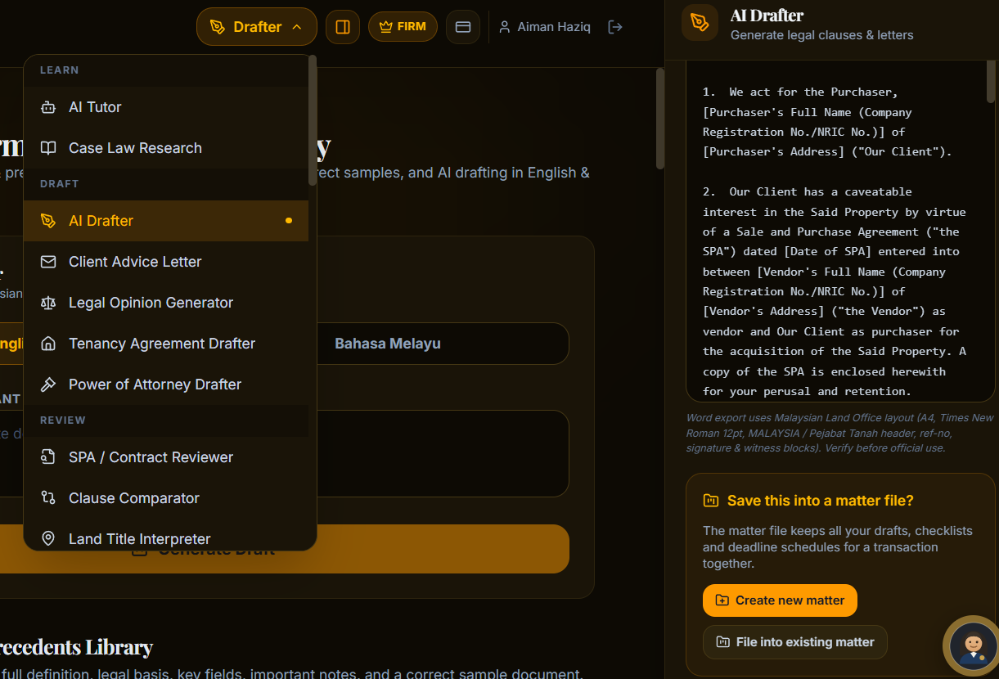
 | MyConvey | 1. Save generated document to matter file only available to AI Drafter, SPA/Contract Reviewer and Risk Scanner. The other tools dont have save document to matter file option, just showing the answer

