Alert Level Template
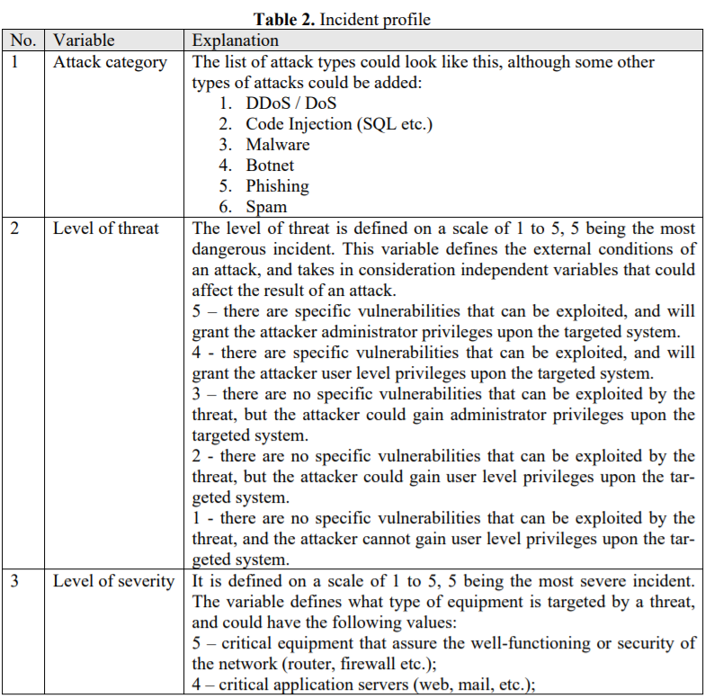
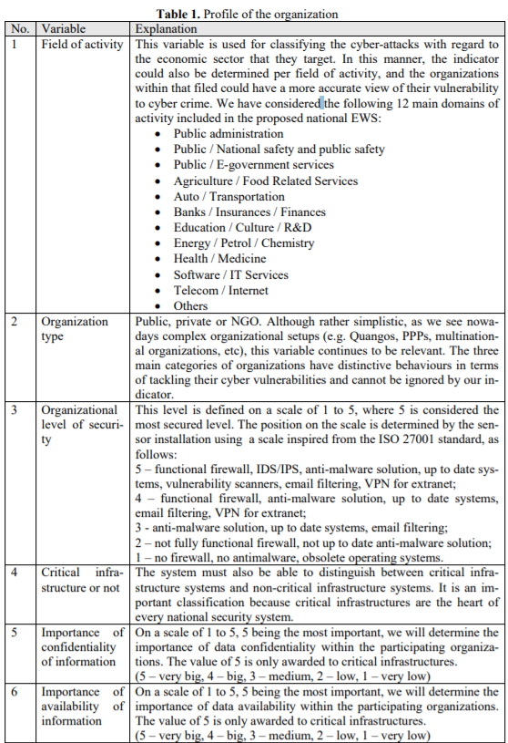
Incident Level of Alert Analysis
Requester |  |  |  |  |  |  |  |  |  |  |  |  |  |  |  |  | Responder
 |  |  |  |  |  |  |  |  |  |  |  |  | Incident_Level_of_Alert_Attributes
Task ID | Created_By | Created_Date | Task_Heading | Task_Description | Organizational_level of security | Log_Summary | Task_Timeline | Comment | Vote | Task_to_be_verified | Analyzed_By | Task_Timeline | Alert_Category | Level_of_Integrity | Level_of_Confidentiality | Level of_Availability | Threat_Level | Severity_Level | Alert_Indicator | Comment | Vote | Task_Status
1 | Shahul | 2018-03-15 | Incidents level of alert analysis | Determine the level of alert for below mwntioned log data | 5 | Intent and Strategy - AV -FREE-FEED Web attack(SQL Injection attack) Method - SQL Query | 3/20/18 |  |  | Yes | Crowd | 3/20/18 | Code Injection (SQL etc.) | 4 | 5 | 1 | 5 | 4 | CRITICAL |  |  | Approved

 |  |  |  |  |  |  |  |  |  |  |  |  |  |  | GCR Alert
 |  |  |  |  |  |  |  |  |  |  |  |  |  |  | Attack_Category | Code Injection (SQL etc.)
 |  |  |  |  |  |  |  |  |  |  |  |  |  |  | Threat_Level | 5
 |  |  |  |  |  |  |  |  |  |  |  |  |  |  | Severity_Level | 4
 |  |  |  |  |  |  |  |  |  |  |  |  |  |  | Level_of_Availability | 1
 |  |  |  |  |  |  |  |  |  |  |  |  |  |  | Level_of_Integrity | 4
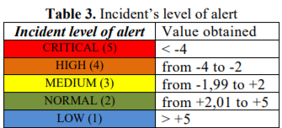
 |  |  |  |  |  |  |  |  |  |  |  |  |  |  | Level_of_Confidentiality | 5
 |  |  |  |  |  |  |  |  |  |  |  |  |  |  | Level_of_Organization | 5 | 5 – functional firewall, IDS/IPS, anti-malware solution, up to date systems, vulnerability scanners, email filtering, VPN for extranet;

 |  |  |  |  |  |  |  |  |  |  |  |  |  |  |  | Automatic Calculation to be incorporated in crowdsourcing applicaion

 |  |  |  |  |  |  |  |  |  |  |  |  |  |  | GCR: Incident score = (5+(5x1+4x1+1x0)/3) - (5+4) =5,3 – 9 = -3,6

