Dashboard
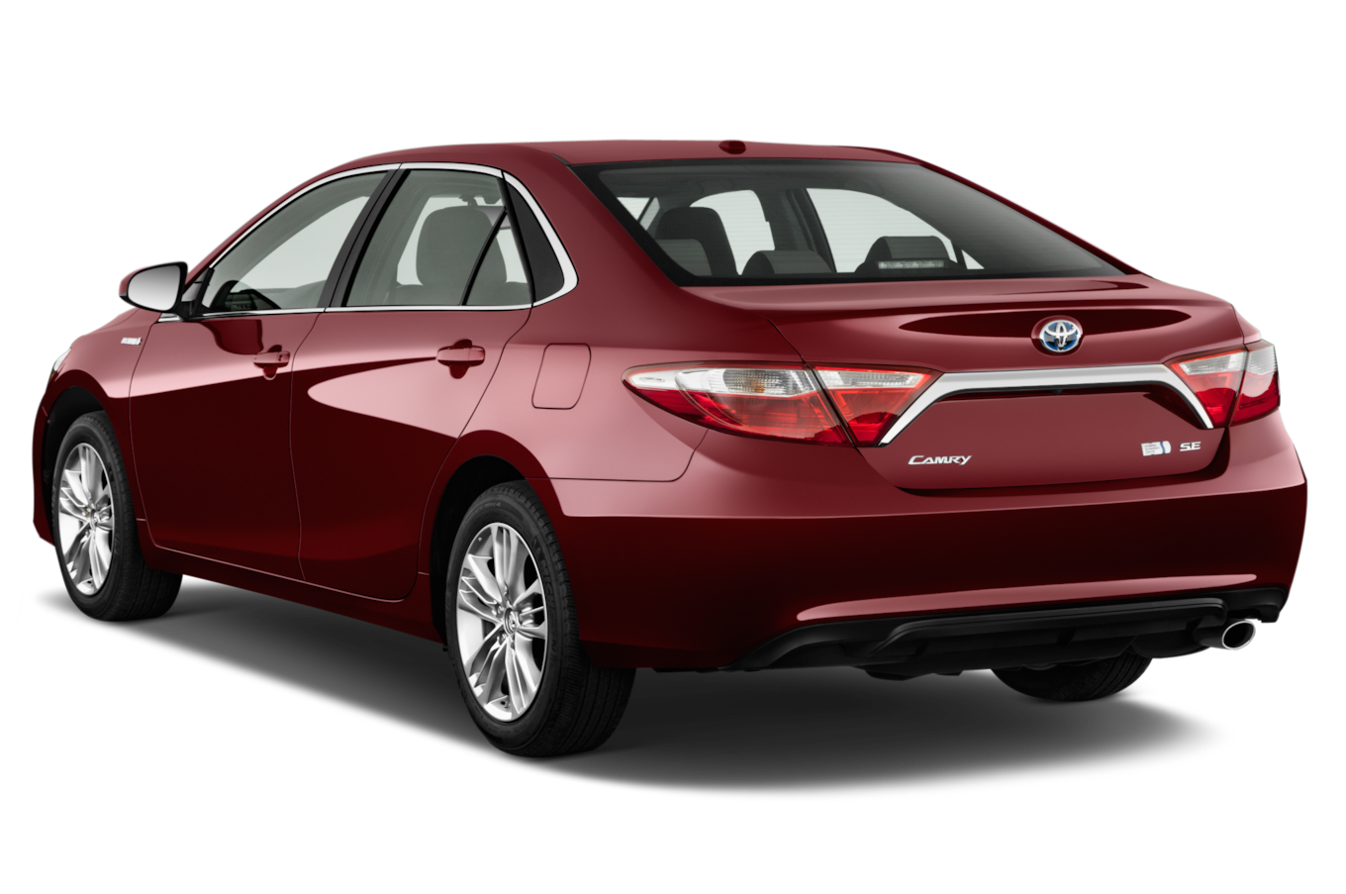
Pakistani Car Market Analysis

Average Vehicle Metrics: Pakistan Car Market
Location: Pakistan - Asia

Rs 5.0M
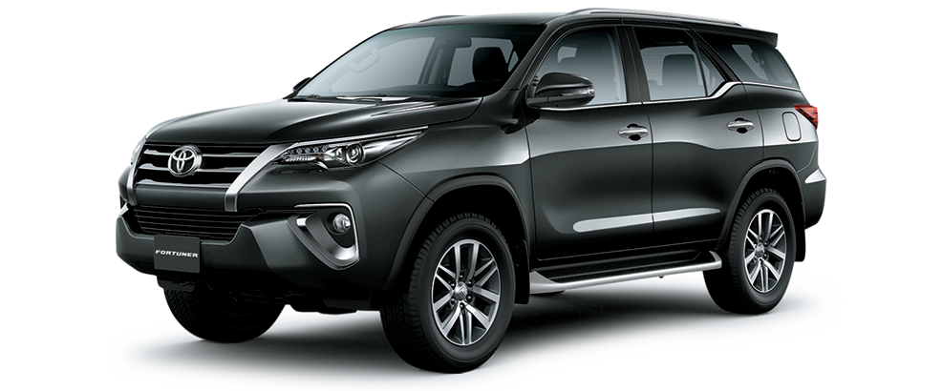
205.0K km
217 hp
3,080 cc

Prices
Mileage
House Power
Engine Size

Top 10 Most Popular Car Models in Pakistan
 | Total
Toyota | 1126
Honda | 310
Lexus | 289
Mercedes-Benz | 261
Ford | 135
Nissan | 111
Hyundai | 97
Kia | 57
Volkswagen | 56
Acura | 56

Pakistani Drivers' Choice: Automatic or Manual?
Which Color Wins?
Top 10 Picks for Pakistani Cars

 | Total
Automatic | 2703
Manual | 171
 | Total
Beige | 18
Black | 742
Blue | 323
Brown | 46
Gold | 149
Gray | 498
Green | 100
Red | 205
Silver | 484
White | 279

Insights on Pricing, Mileage, and Performance: Sourced from Car45.com

