Sorting & Filtering Screenshots
 | Sorting and Filtering Results:
This sheet contains the sorting and filtering results performed on the Cleaned Data sheet. Screenshots are provided as evidence for each task completed.

1. Which transaction has the highest total amount?
The dataset was sorted from Largest to Smallest based on the Total Amount column. This sorting places all transactions with the highest total amount at the top of the dataset.

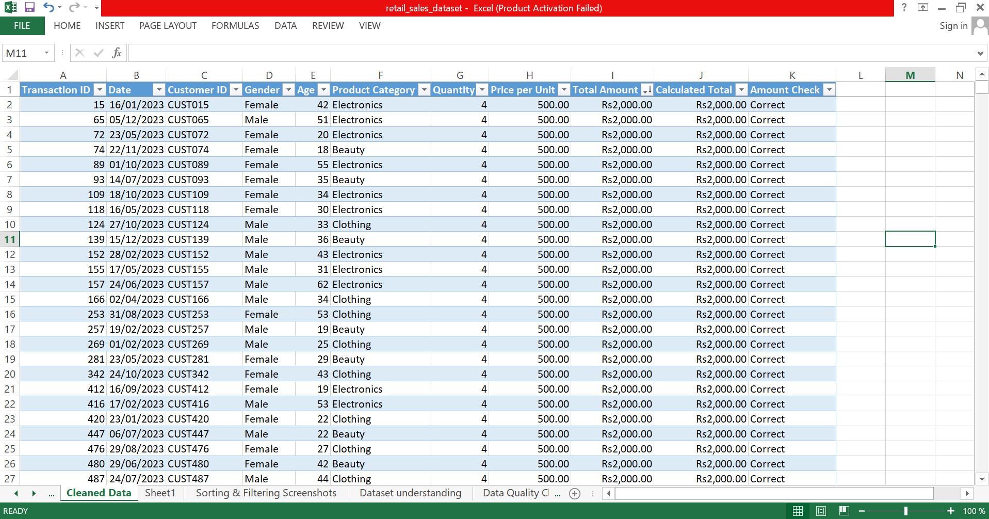

 | Screenshot 1: Highest Transactions

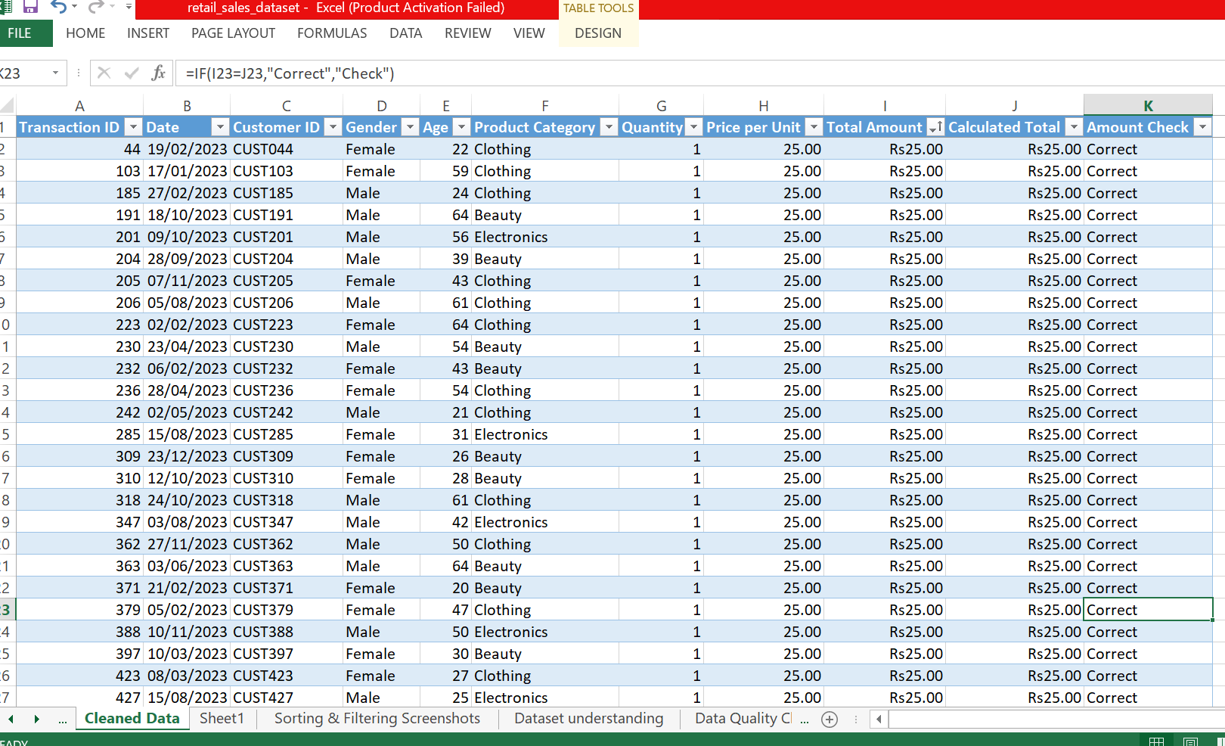
2. Which transaction has the lowest total amount?
The dataset was sorted from Smallest to Largest based on the Total Amount column. This sorting places all transactions with the lowest total amount at the top of the dataset.

 | Screenshot 2: Lowest Transactions

3. Show only transactions where Product Category is Clothing.
A filter was applied to the Product Category column to display only the transactions related to the Clothing category.

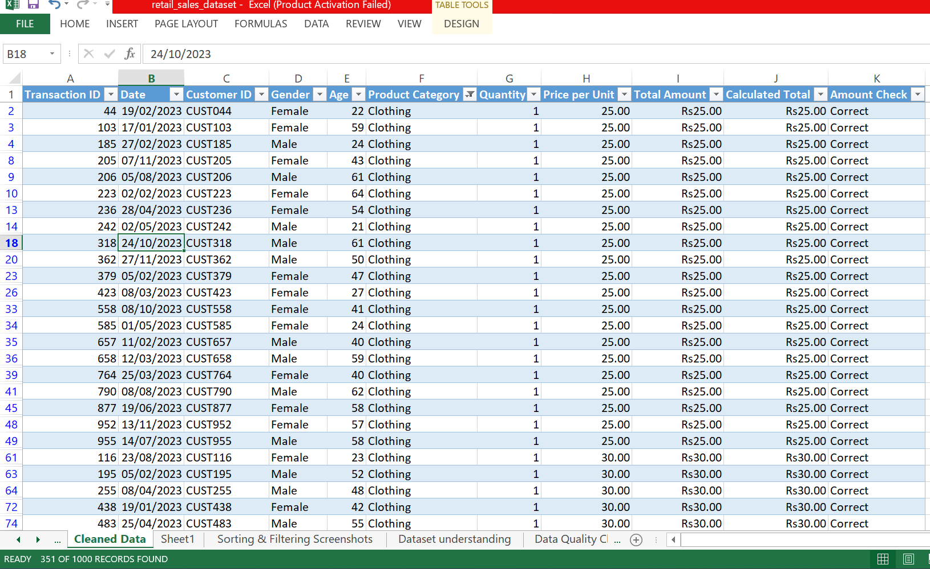

 | Screenshot 3: Clothing Filter

4. Show only transactions where Gender is Female.
A filter was applied to the Gender column to display only the transactions made by Female customers.

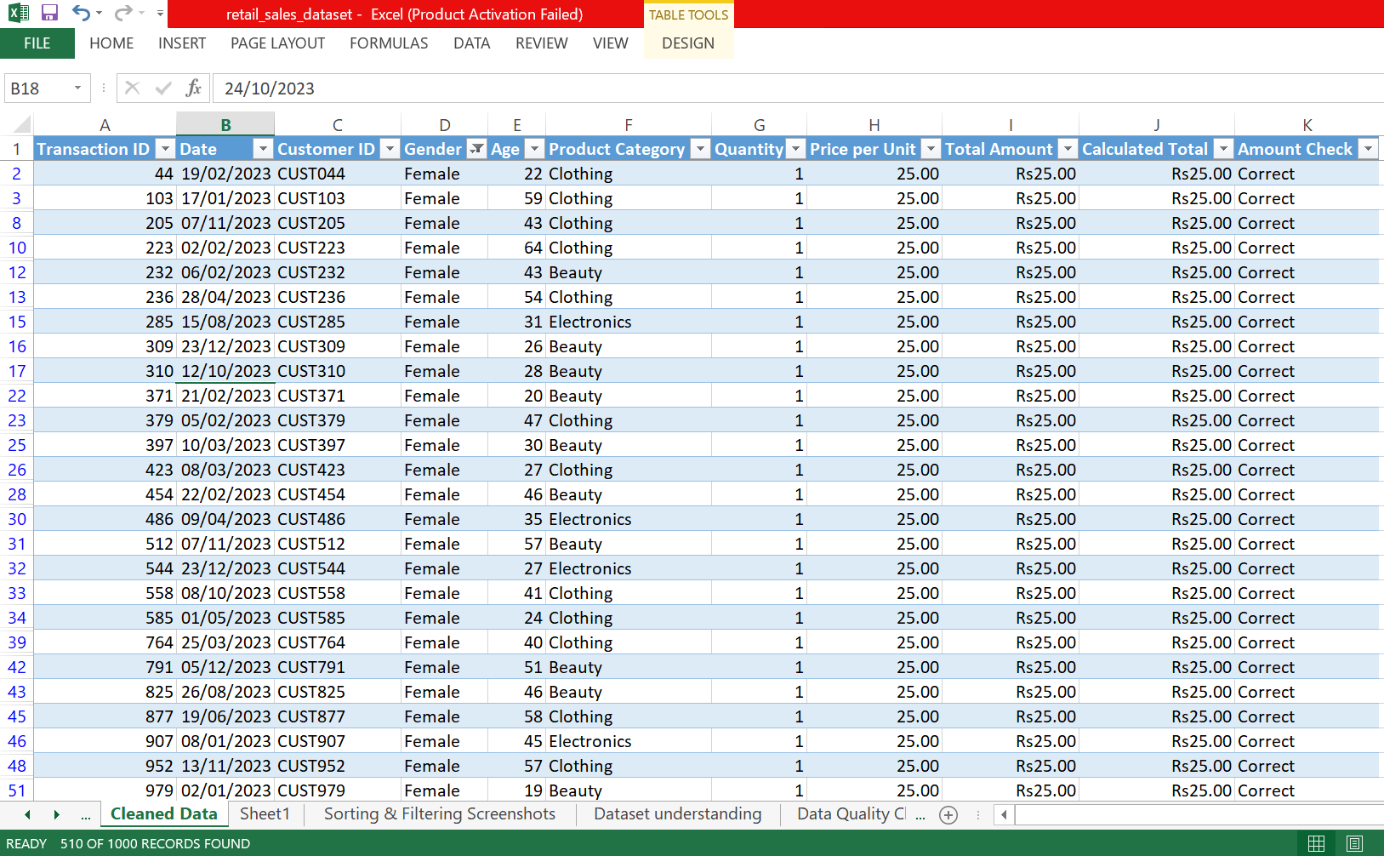

 | Screenshot 4: Female Filter

5. Show only transactions where Quantity is greater than 2.
A Number Filter (Greater Than 2) was applied to the Quantity column to display only the transactions where more than two products were purchased.

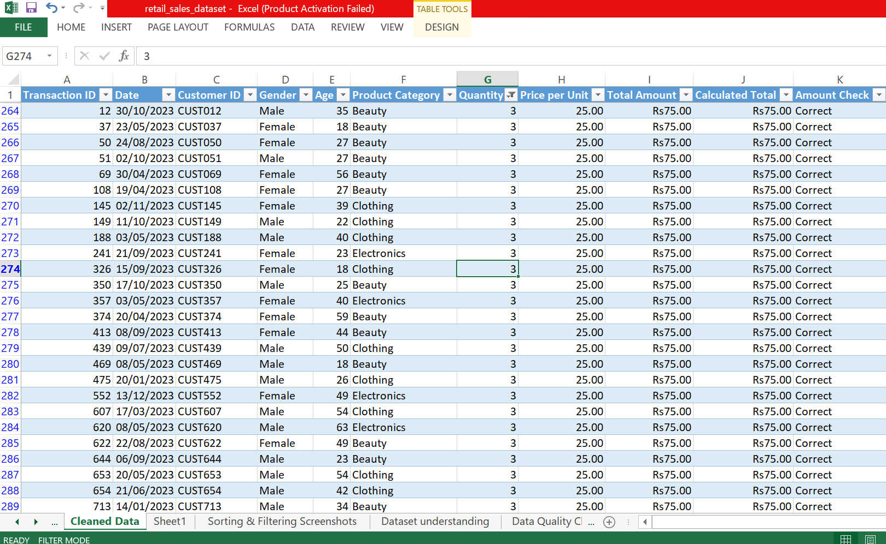

 | Screenshot 5: Quantity greater than 2

6. Sort the dataset from highest Total Amount to lowest Total Amount.
The Total Amount column was sorted in descending order (Largest to Smallest) to arrange all transactions from the highest sales amount to the lowest.

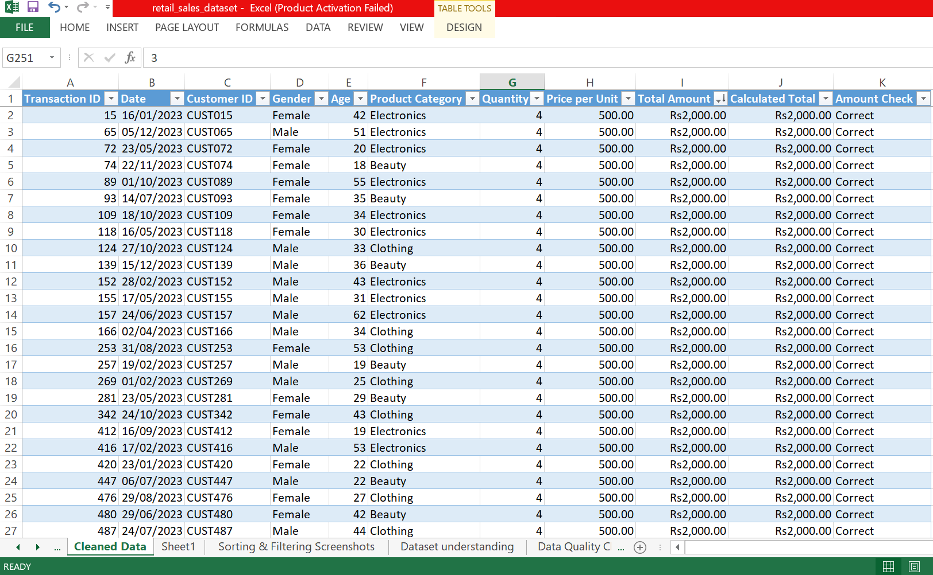

 | Screenshot 6: Heighest to Lowest Total Amount

7. Sort the dataset from youngest customer to oldest customer.
The Age column was sorted in ascending order (Smallest to Largest) to arrange the customers from the youngest to the oldest.

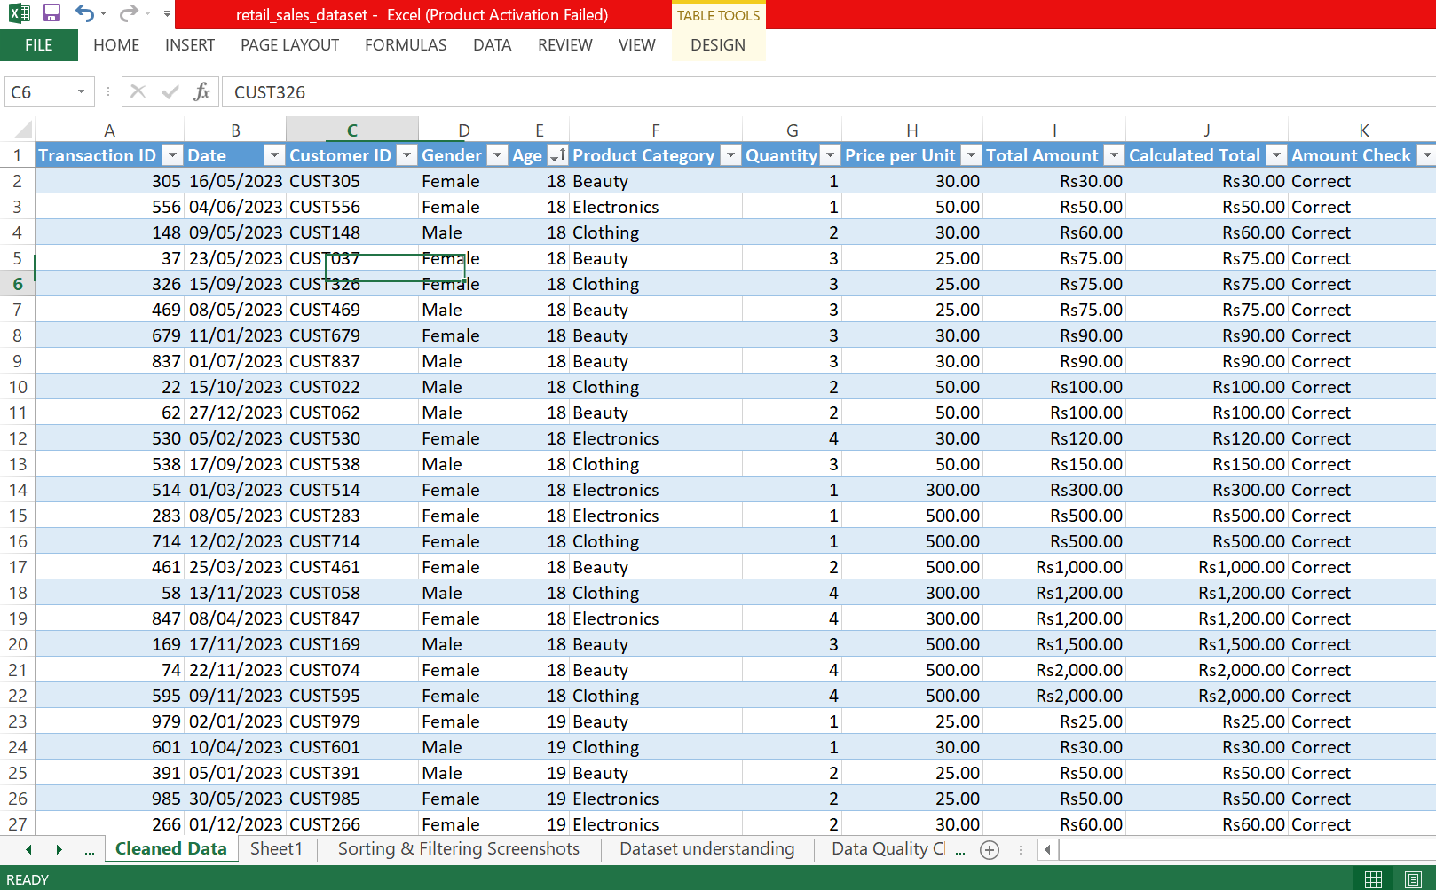

 | Screenshot 7: Youngest to Oldest Customer

Charts
 | Charts

1. Bar chart: Total Sales by Product Category

Total Sales by Product Category
 | Total Sales
Beauty | 143515.00
Clothing | 155580.00
Electronics | 156905.00

2. Column chart: Total Quantity Sold by Product Category

Total Quantity Sold by Product Category
 | Total Quantity Sold
Beauty | 771
Clothing | 894
Electronics | 849

3. Pie chart: Total Sales by Gender

Total Sales by Gender
 | Total Sales
Male | 223160
Female | 232840

