Enrichment Factor
...
Co | Ni | Mn | Pb | Cd
0.00048275862069 | 0.0012413793103 | 0.01724137931 | 0.0001724137931 | 3.1034482759E-06
9.00 | 7.38 | 2.59 | 69.78 | 953.46 | Cr | 2.2 | 1.0 | 1.4 | 6.7 | 1.9
7.17 | 4.47 | 1.91 | 57.69 | 142.02 | Mn | 2.5 | 1.5 | 1.5 | 11.9 | 2.2
8.59 | 5.85 | 1.80 | 95.79 | 280.65 | Ni | 5.3 | 2.3 | 2.7 | 16.2 | 5.2
9.09 | 5.76 | 1.95 | 93.31 | 345.05 | Cu | 5.6 | 3.8 | 1.2 | 19.2 | 4.8
7.38 | 5.11 | 1.90 | 105.36 | 149.81 | Co | 8.1 | 3.7 | 4.2 | 24.9 | 7.4
4.26 | 2.72 | 1.47 | 23.45 | 225.62 | Zn | 9.1 | 6.6 | 1.9 | 33.2 | 7.2
4.67 | 2.79 | 2.29 | 36.16 | 75.40 | Pb | 69.4 | 41.9 | 17.1 | 241.3 | 62.5
4.84 | 3.02 | 2.10 | 28.36 | 72.75 | Cd | 274.3 | 216.5 | 62.8 | 953.5 | 206.4
8.43 | 5.45 | 1.78 | 89.79 | 484.07
11.37 | 6.96 | 2.13 | 102.01 | 660.38
Fe | 1.0
Cr | 2.2
Mn | 2.5
Ni | 5.3
Cu | 5.6
Co | 8.1
Zn | 9.1
Pb | 69.4
Cd | 274.3
10.40 | 7.36 | 2.48 | 82.32 | 372.49
12.94 | 7.80 | 4.03 | 78.68 | 235.70
9.42 | 6.06 | 2.60 | 58.87
6.34 | 5.19 | 2.18 | 59.85 | 138.65
8.08 | 5.09 | 2.04 | 79.36 | 154.66
8.45 | 5.80 | 2.57 | 108.03 | 343.38
9.76 | 6.04 | 2.42 | 70.16 | 210.03
8.52 | 5.35 | 3.01 | 59.59 | 158.70
6.90 | 4.45 | 2.30 | 48.92
4.67 | 3.04 | 1.98 | 27.58 | 766.21
4.82 | 3.16 | 2.37 | 29.13
8.96 | 5.24 | 2.92 | 69.58 | 431.18
7.19 | 5.56 | 2.23 | 85.68 | 310.50
11.00 | 6.62 | 2.18 | 91.34 | 434.71
8.40 | 6.70 | 3.90 | 47.29 | 591.99
8.73 | 5.06 | 2.40 | 42.96 | 175.57
6.09 | 3.79 | 2.22 | 39.82 | 104.95
24.94 | 16.21 | 11.88 | 241.31
6.62 | 5.33 | 2.01 | 65.21 | 172.80
11.45 | 9.22 | 2.13 | 101.66 | 731.53
6.92 | 5.76 | 2.19 | 76.02 | 203.86
4.94 | 3.18 | 2.06 | 27.14 | 62.77
5.73 | 3.38 | 2.13 | 32.50 | 73.71
4.44 | 2.73 | 1.89 | 17.12 | 107.66
7.72 | 5.33 | 1.94 | 58.30 | 206.38
4.24 | 4.47 | 2.07 | 24.91 | 73.49
5.55 | 3.66 | 2.24 | 36.47 | 89.09
5.35 | 3.14 | 2.16 | 43.41 | 99.74
7.35 | 3.36 | 2.27 | 128.17 | 138.06
4.60 | 2.83 | 2.38 | 43.95 | 70.89
...

LOCATION
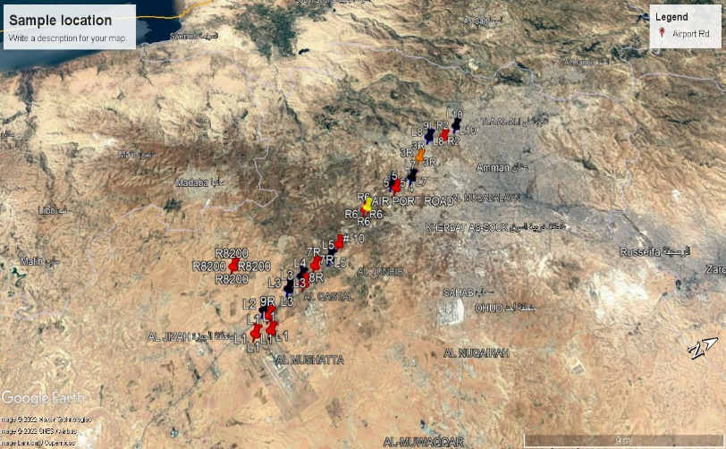
samples
1
5
7
16
18
20
31 | for samples 1m from side | road side
33
42
4
6
12
17
19
26
32
38
43
44

Factor Analysis
 |  |  |  |  |  |  |  | Factor Score Coefficients
...
 |  |  |  |  |  |  |  | Variable | Factor1 | Factor2
 |  |  |  |  |  |  |  | Fe | 0.255 | -0.059
 |  |  |  |  |  |  |  | Zn | -0.062 | 0.202
 |  |  |  |  |  |  |  | Cu | -0.04 | 0.24
 |  |  |  |  |  |  |  | Cr | 0.219 | -0.034
 |  |  |  |  |  |  |  | Co | 0.213 | 0.028
 |  |  |  |  |  |  |  | Ni | 0.193 | 0.066
 |  |  |  |  |  |  |  | Mn | 0.245 | -0.101
 |  |  |  |  |  |  |  | Pb | 0.004 | 0.192
 |  |  |  |  |  |  |  | Cd | 0.025 | -0.056
 |  |  |  |  |  |  |  | LF | 0.042 | 0.24
 |  |  |  |  |  |  |  | HF | 0.037 | 0.242
...
 |  |  |  |  |  |  |  | Factor Score Coefficients
...
 |  |  |  |  |  |  |  | Variable | Factor1 | Factor2 | Factor3
 |  |  |  |  |  | Communality |  | Fe | 0.26 | -0.05 | -0.03
 |  |  |  |  |  | 0.914 |  | Zn | -0.057 | 0.175 | -0.238
 |  |  |  |  |  | 0.586 |  | Cu | -0.063 | 0.253 | 0.13
 |  |  |  |  |  | 0.781 |  | Cr | 0.23 | -0.037 | -0.127
 |  |  |  |  |  | 0.703 |  | Co | 0.203 | 0.052 | 0.129
 |  |  |  |  |  | 0.74 |  | Ni | 0.189 | 0.077 | 0.003
 |  |  |  |  |  | 0.701 |  | Mn | 0.254 | -0.093 | -0.037
3.8 | 3.6 | Mn | 0.908 | -0.216 | 0.021 | 0.872 |  | Pb | -0.006 | 0.191 | -0.015
10.2 | 10.2 | Pb | 0.064 | 0.71 | -0.065 | 0.513 |  | Cd | -0.038 | 0.042 | 0.927
7.2 | 6.9 | Cd | 0.013 | -0.094 | 0.959 | 0.928 |  | LF | 0.024 | 0.249 | 0.057
7.2 | 6.9 | LF | 0.217 | 0.923 | 0.001 | 0.899 |  | HF | 0.02 | 0.251 | 0.056
7.5 | 7.2 | HF | 0.2 | 0.927 | -0.001 | 0.899
7.0 | 6.8
8.0 | 7.6 | Variance | 3.7725 | 3.7124 | 1.051 | 8.5359
7.3 | 7.1 | % Var | 0.343 | 0.337 | 0.096 | 0.776
9.1 | 8.9
6.8 | 6.2
9.3 | 8.7
11.2 | 11.0 | Rotated Factor Loadings and Communalities |  |  |  |  |  |  | Factor Score Coefficients

 |  | Varimax Rotation |  |  |  |  |  |  | Variable | Factor1 | Factor2 | Factor3 | Factor4
 |  | Variable | Factor1 | Factor2 | Factor3 | Factor4 | Communality |  | Fe | 0.261 | -0.032 | -0.032 | -0.047
 |  | Fe | 0.955 | -0.022 | 0.016 | -0.048 | 0.914 |  | Zn | -0.059 | 0.126 | -0.233 | 0.154
 |  | Zn | -0.178 | 0.609 | -0.309 | 0.302 | 0.589 |  | Cu | -0.073 | 0.377 | 0.087 | -0.318
 |  | Cu | -0.119 | 0.922 | 0.021 | 0.006 | 0.865 |  | Cr | 0.236 | -0.156 | -0.093 | 0.349
 |  | Cr | 0.837 | -0.067 | -0.068 | 0.25 | 0.772 |  | Co | 0.203 | 0.016 | 0.139 | 0.133
 |  | Co | 0.803 | 0.237 | 0.153 | 0.155 | 0.749 |  | Ni | 0.181 | 0.227 | -0.041 | -0.417
 |  | Ni | 0.738 | 0.475 | -0.027 | -0.194 | 0.809 |  | Mn | 0.254 | -0.056 | -0.044 | -0.111
 |  | Mn | 0.911 | -0.163 | 0.018 | -0.135 | 0.876 |  | Pb | 0.002 | -0.112 | 0.062 | 0.915
 |  | Pb | 0.059 | 0.465 | -0.022 | 0.834 | 0.915 |  | Cd | -0.036 | 0.039 | 0.935 | 0.07
 |  | Cd | 0.017 | -0.074 | 0.965 | -0.015 | 0.937 |  | LF | 0.018 | 0.274 | 0.042 | -0.026
 |  | LF | 0.198 | 0.902 | -0.025 | 0.227 | 0.905 |  | HF | 0.013 | 0.277 | 0.04 | -0.029
 |  | HF | 0.181 | 0.906 | -0.027 | 0.226 | 0.906

 |  | Variance | 3.7536 | 3.3918 | 1.0585 | 1.034 | 9.2379
 |  | % Var | 0.341 | 0.308 | 0.096 | 0.094 | 0.84

