Instructions
Instructions:
This excel workbook consists of 3 parts:
1. Part 1 is for "Basic Employee Information" (1095C Part 1) and can be found in the "Basic Employee Info" tab below.
2. Part 2 is for "Monthly Coverage Information"(1095C Part 2) and can be found on the "monthly" tabs you see below (e.g. Jan, Feb, Mar....).
3. Part 3 is for "Covered Individuals" (1095C Part3) and can be downloaded separately by clicking here http://autumnwoodservices.com/pdfs/1095c/1095c-Covered-Individuals.xls.
PLEASE READ BEFORE CONTINUING:
YOUR WORK BEGINS NOW
Step 1: After downloading the template, collect employee information in the column format on the BEI.
Step 2: Copy and paste the data into the BEI tab for each employee having at least one full month of fulltime hours during the year
Step 3: ON each monthly tab, add (copy and paste) the SSNs and Names (for reference), THEN go to the workflow tab; READ IT and UNDESTAND IT before continuing.
Step 4: ON each monthly tab, select the proper 1 code and 2 code for the month for EACH SSN on the monthly tab.
NOTE: The monthly tabs have conditional formatting tell the user if what they enter for 1 and 2 codes makes sense. GREEN color means “that combination of 1 codes and 2 codes is OK”, or RED means “combination is NOT OK”
Step 5: IF you need to complete Part 3, you will be instructed by the worksheet to download the Part 3 template. Follow the instructions.
Step 6: Now save the file, and go back to 1095c.US dashboard and UPLOAD the file you just created.
You have completed the data upload and now the web application will perform various checks to ensure the data meets IRS reporting requirements.
NOTE: Final submission to the IRS is through the 1095c.US application and NOT through the template UPLOAD
Step 7: GO TO 1095C.us to continue the process
Our Suggestion:
-Our suggestion in using this template is to keep one excel file and update it with employee information as it becomes available. Then the current version can be uploaded at any time with all your current changes modified to our database. This removes the need to keep a record of information you've already submitted. Our software updates the database in either creating a new employee record or updates an existing employee record.
Requirements:
- All required fields in the spreadsheet are marked in red and are as follows:
- SSN, First Name, Middle Name, Last Name, Street Address, City, State, Self-Insured & Zip
What You Need to Know - "Required Fields":
-SSN is the key field for all 3 parts and is required. In the "Basic Employee Info" table and "Monthly" tables, each row must include a SSN that corresponds to a row of the "Basic Employee Info" or an SSN included in a row of "Basic Employee Info" of a previous submission.
-There are an unlimited number of submissions
-Each row of "Basic Employee Info" with a new SSN (one that was not included in "Basic Employee Info" of any previous submission or that has been included in a previous submission but subsequently deleted) will cause a new employee record to be created in our database
-Each row of "Basic Employee Info" with an Existing SSN (A previous submission) will be treated as an update for the subscriber with that SSN
-Each row of the "Monthly" tables will be treated as an update for the subscriber with a matching SSN for which a record has already been created
-Each row in the "Basic Employee Info" and "Monthly" tables must contain a SSN that is unique to that in all other rows of the same table. The "Covered Individuals" sheet (Part 3, which you can downlod here http://autumnwoodservices.com/pdfs/1095c/1095c-Covered-Individuals.xls) can have more than one row with the same SSN (possibly one row for each covered individual of a particular subscriber) but the combination of SSN and Covered Individual SSN or DOB must be unique.
-This form is designed to handle any amount of information that the employer has available to submit at any particular time, from literally nothing (all three parts left blank) to the entire years’ worth of data. The only real requirement is that any row filled in must contain the required fields (the SSN for "Basic Employee Info" and "Monthly Coverage Information" (Tabs: Jan, Feb, Mar....), and the SSN plus covered individual SSN or DOB in Part 3)
What You Need to Know - "Non-Required Fields":
-any non-required fields may be left blank. A field that is left blank will have no effect on the data associated with employee record corresponding to the SSN of that row. A field with data will cause the data contained in that field to replace any data already in that record.
-Non-required fields are there to help you sort your data.
Tools:
- There is a "Glossary of Terms" tab to guide you through terminology
- There is a "Workflow" tab below to give you a broad overview
- There is a "Sample Form" tab for your viewing
"Basic Employee Information" Summary:
-Basic subscriber information
-Handles form 1095 part I
-SSN is the key field for each row
-Each SSN must be unique; any rows that contain an invalid SSN or a non-unique SSN will be discarded
Formatting Your Data:
- SSN (9 numbers with no spaces and no dashes)
- First Name (string of alphabetic characters with no spaces)
- Middle Name (string of alphabetic characters with no spaces)
- Last Name (string of alphabetic characters with no spaces)
- Suffix (string of alphabetic characters with no spaces)
- Street Address (string of alphanumeric characters with spaces allowed)
- City (string of alphabetic characters with spaces allowed),
- State (two alphabetic characters)
- Zip (6 numeric characters)
- Zip Extension
"Monthly Coverage Information" Summary:
-Monthly offer of coverage, premium amount, and safe harbor
-Each line covers all 12 months
-Each line represents one employee
-SSN is the key field for each row
-Each SSN must match an SSN included in a row of table 1 of with this submission or one that was included in table 1 of a previous submission
-Each SSN must be unique
Formatting Your Data: - SSN (9 numbers with no spaces and no dashes)
- All Year Offer Code (1 series code)
- All Year Premium Amount (dollar amount)
- All Year Safe Harbor (2 series code)
January:
- January Offer Code (1 series code)
- January Premium Amount (dollar amount)
- January Safe Harbor (2 series code)
February:
- February Offer Code (1 series code)
- February Premium Amount (dollar amount)
- February Safe Harbor (2 series code)
March:
- March Offer Code (1 series code)
- March Premium Amount (dollar amount)
- March Safe Harbor (2 series code)
April:
- April Offer Code (1 series code)
- April Premium Amount (dollar amount)
- April Safe Harbor (2 series code)
May:
- May Offer Code (1 series code)
- May Premium Amount (dollar amount)
- May Safe Harbor (2 series code)
June:
- June Offer Code (1 series code)
- June Premium Amount (dollar amount)
- June Safe Harbor (2 series code)
July:
- July Offer Code (1 series code)
- July Premium Amount (dollar amount)
- July Safe Harbor (2 series code)
August:
- August Offer Code (1 series code)
- August Premium Amount (dollar amount)
- August Safe Harbor (2 series code)
September:
- September Offer Code (1 series code)
- September Premium Amount (dollar amount)
- September Safe Harbor (2 series code)
October:
- October Offer Code (1 series code)
- October Premium Amount (dollar amount)
- October Safe Harbor (2 series code)
November:
- November Offer Code (1 series code)
- November Premium Amount (dollar amount)
- November Safe Harbor (2 series code)
December:
- December Offer Code (1 series code)
- December Premium Amount (dollar amount)
- December Safe Harbor (2 series code)

Work Flow
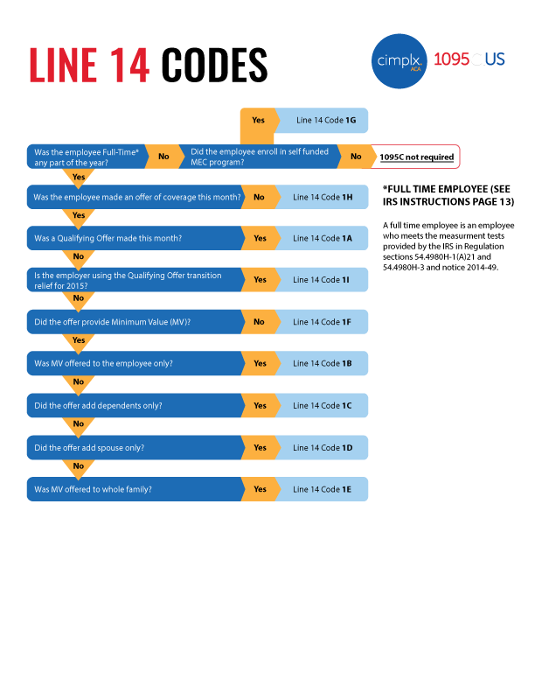
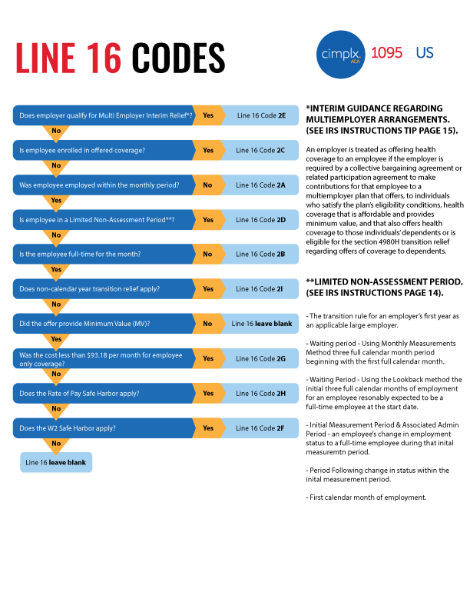

Sample Form
