Sheet1
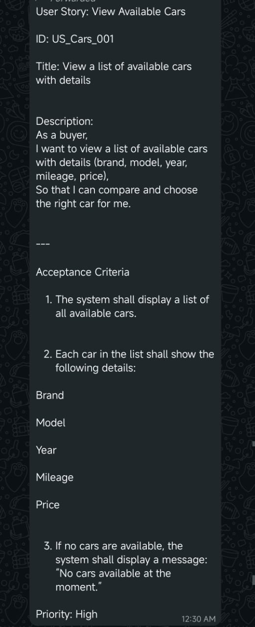
Case 01
Test Case ID | TC_Cars_001
TC Title | System has cars in database
Preconditions | Database contains at least 3 cars with complete information

Test Steps | 1. Navigate to cars listing page
 | 2. Observe the displayed information

Expected Results | List of all available cars is displayed
 | - Each car shows: Brand; Model; Year; Mileage; Price
Actual Result
Pass/Fail
Case 02
Test Case ID | TC_Cars_002
TC Title | Verify each car displays Brand, Model, Year, Mileage, Price
Preconditions | Cars exist in the database
Test Steps | 1. Open Cars page 2. Check details of each car
Expected Result | Each car shows brand, model, year, mileage, price
Actual Result
Pass/Fail
Case 03
Test Case ID | TC_Cars_003
TC Title | Verify system message when no cars are available
Preconditions | No cars exist in database
Test Steps | 1. Open Cars page
Expected Result | Message displayed: “No cars available at the moment.”
Actual Result
Pass/Fail
Case 04
Test Case ID | TC_Cars_004
TC Title | Verify list updates dynamically when cars are added
Preconditions | Add new car to database
Test Steps | 1. Open Cars page 2. Refresh page
Expected Result | New car appears in the list
Actual Result
Pass/Fail
Case 05
Test Case ID | TC_Cars_005
TC Title | Verify list updates dynamically when cars are removed
Preconditions | Remove car from database
Test Steps | 1. Open Cars page 2. Refresh page
Expected Result | Removed car no longer appears
Actual Result
Pass/Fail

