About
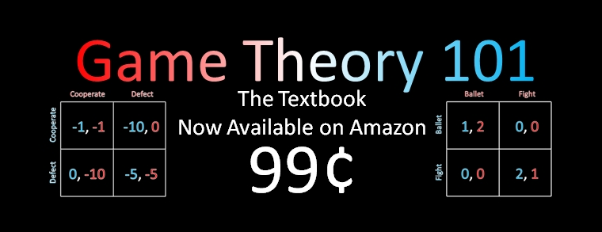
Equilibrium Calculator
For matrix games | v1.1.1

Created by William Spaniel
williamspaniel@gmail.com
http://www.gametheory101.com/Textbook.html

Version History
v1.1.1: Added minimum discount factor necessary for cooperation in infinte prisoner's dilemma (for grim trigger equilibrium).
v1.0.3: Added expected utilities for both players in MSNE.
v1.0.2: Corrected flip-flop of player 1 and player 2's mixed strategies on solutions sheet; fixed visual problem with decimals, negatives, and large numbers on input sheet.
v1.0.1: Launch edition.

