unclear run
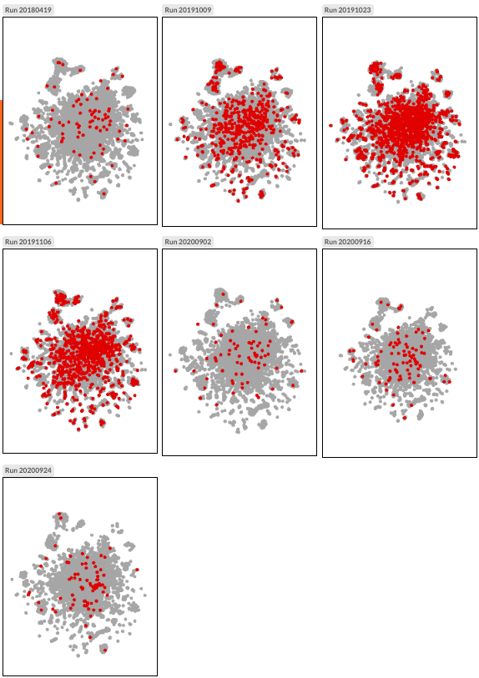
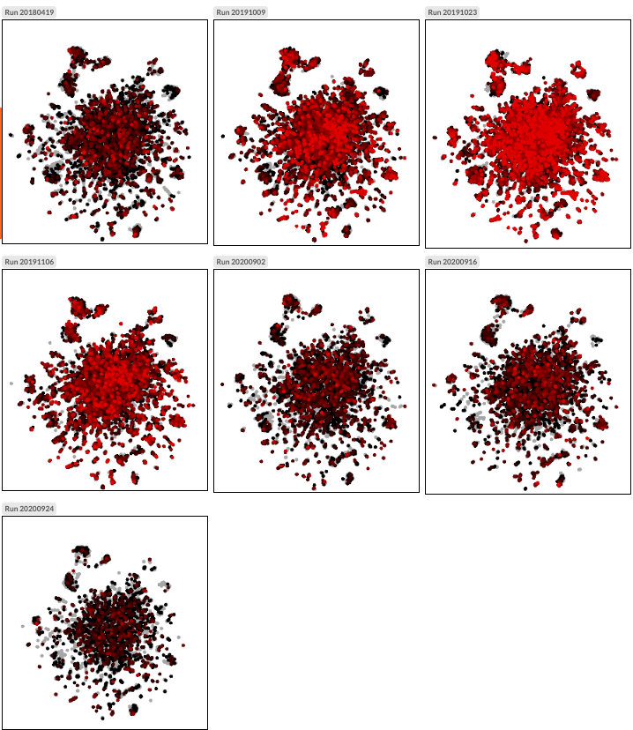
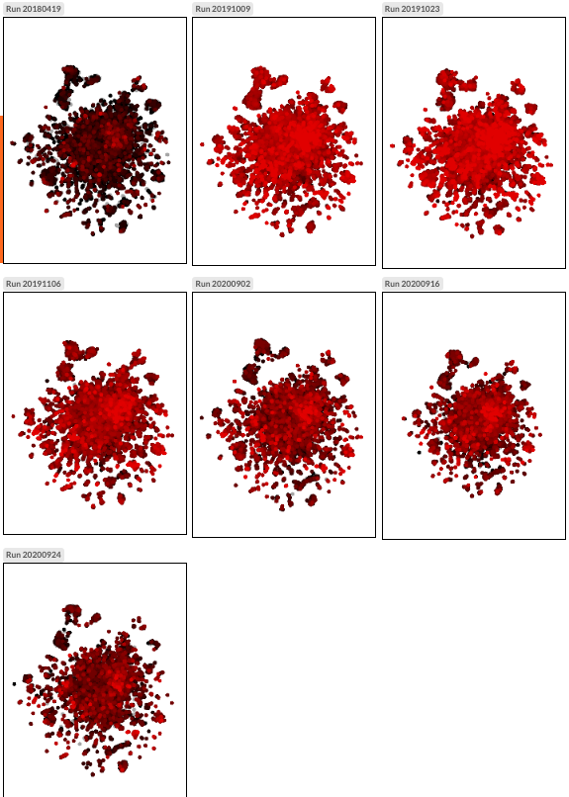
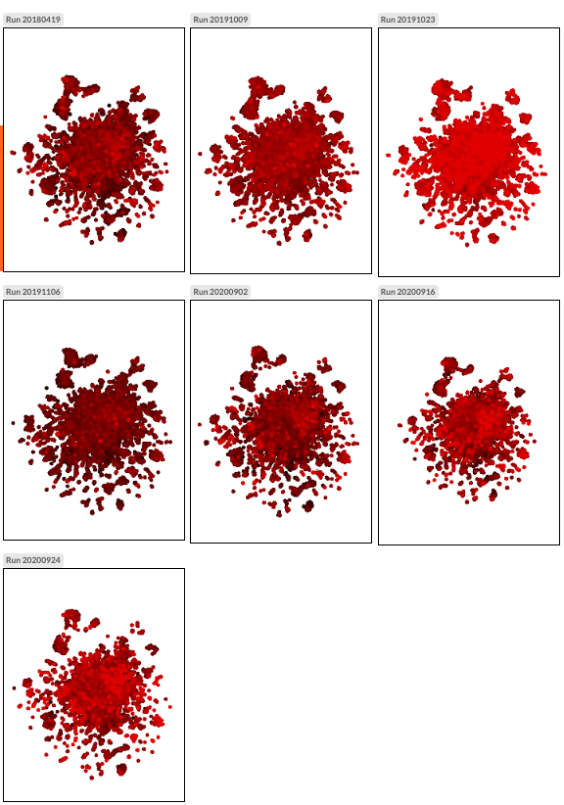
CR41609

MITO genes
mt:tRNA:S:AGY | snRNA:7SK | similar for mt:ATPase8, mt:srRNA | mt:ND3 | similar for CR40677, mt:ND2, mt:ND6

clear
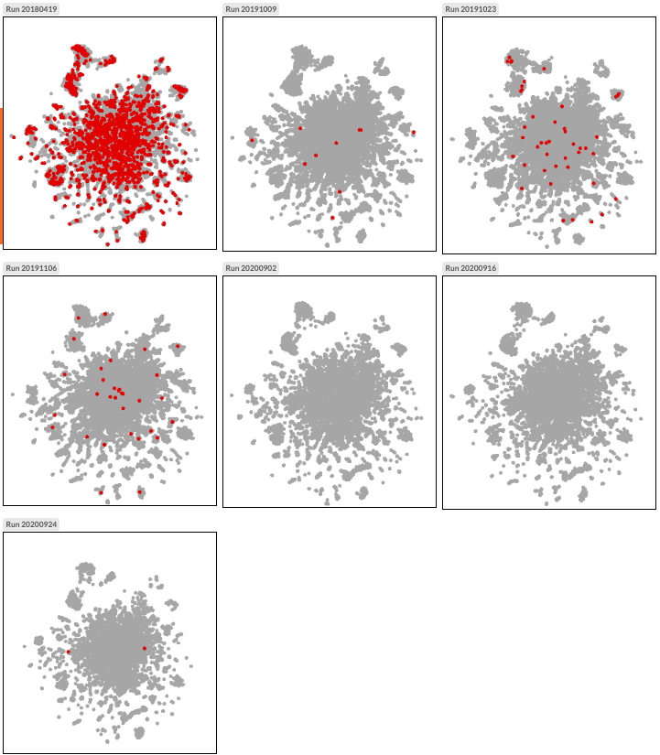
CG1678 (whe)

