Sheet1
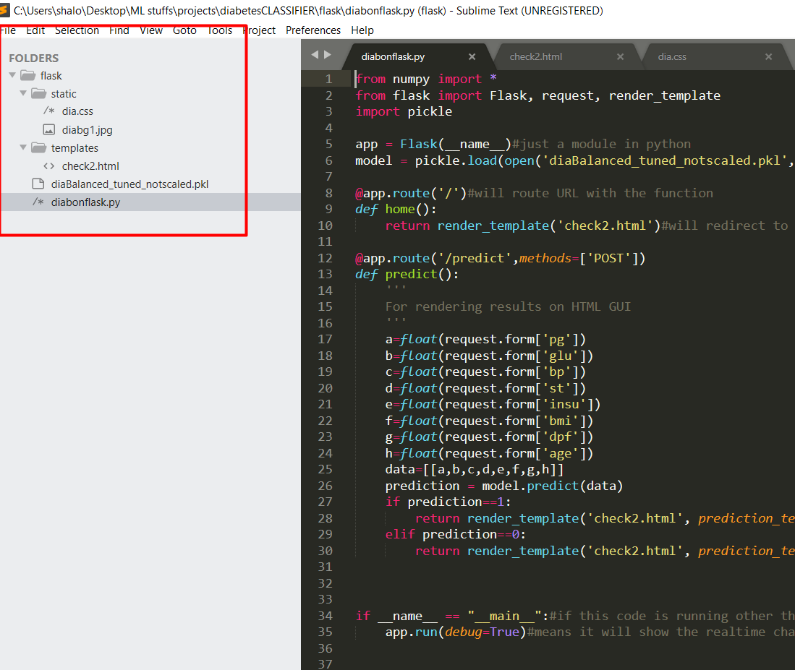
case | classifier | data | scaling | tuning | accuracy(%) | CV score | remarks | Folder arrangement must be like
1 | XGB | imbalanced | yes | no | 74 | 0.73 | not good classifeir
2 | XGB | imbalanced | no | no | 75 | 0.73 | good
3 | XGB | balanced | yes | yes | 82 | 0.87 | not good classifeir
4 | XGB | imbalanced | no | yes | 77 | 0.74 | good
5 | XGB | balanced | no | yes | 84 | 0.85 | good

1 | RFC | imbalanced | yes | no | 77.5 | 0.76 | not good classifeir
2 | RFC | imbalanced | no | no | 77 | 0.76 | good
3 | RFC | balanced | yes | yes | 83 | 0.85 | not good classifeir
4 | RFC | imbalanced | no | yes | 76 | 0.75 | good
5 | RFC | balanced | no | yes | 85 | 0.866 | good

Commands to be run |  |  |  | Requirements
1 | Open Anaconda Prompt |  |  | 1 | flask
2 | Change the directory | cd dirname |  | 2 | python 3.7 or latest
3 | set the file name | set FLASK_APP=diabonflask.py
4 | if we want to modify the code during run time | set FLASK_DEBUG=1
5 | for execution | flask run

