Sheet1
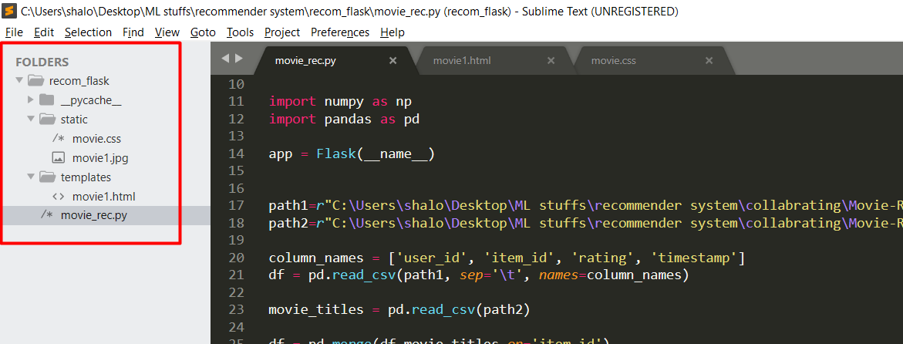
Commands to be run
1 | Open Anaconda Prompt | Commands |  |  | Folder arrangement must be like
2 | Change the directory | cd dirname
3 | set the file name | set FLASK_APP=movie_rec.py
4 | if we want to modify the code during run time | set FLASK_DEBUG=1
5 | for execution | flask run

 |  |  | Requirements
 |  |  | 1 | flask
 |  |  | 2 | python 3.7 or latest
 |  |  | 3 | Any Python IDE

