Admin_Login
 |  | Project Name | CMC Web Application
 |  | Module Name | Admin Login
 |  | Created By | Group 42
 |  | Received By | QA Leader
 |  | Received Date | 2023-11-05

Test Case Number | Test Case Name | Preconditions | Test steps | Expected Results | Actual Result | Status | Executed By | Priority | Defect ID | Comments
CMC_admin_1 | Verify Admin login Interface is working | User Name and Password can be type and Button is working |  | Can type on User Name and Password | Success | Pass | Onel | Normal
CMC_admin_2 | Login with valid User Name and Password | 1.Admin is already registered to the system | 1.Type correct User Name and Password 2.Enter Login Button | AdminID=2020 Password=ABC123 Admin Should be navigate to the AdminHome page | Success | Pass | Onel | High
CMC_admin_3 | Check the Validations | If the User Name or password Incorrect, system will alert | 1.Insert Wrong User Name and Password 2.Enter Login Button | System Alert invalid User Name and Password | 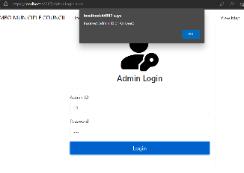 Success | Pass | Onel | High

Admin_home
Project Name | CMC Web Application
Module Name | Admin's Home
Created By | Group 42
Received By | QA Leader
Received Date | 2023-11-05

Test Case Number | Test Case Name | Preconditions | Test steps | Expected Results | Actual Result | Status | Executed By | Priority | Defect ID | Comments
CMC_adminhome_1 | Add Staff/Manager | 1.New Staff can be added to the system 2.They will get new User ID and Password | 1.Input ID and Input Name 2.Click Add Button | 1.New Staff member will add to the sytem 2.Connect to the database and store new member's dat | 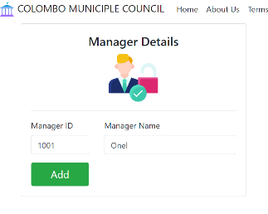 Success | Pass | Onel | High
 |  |  |  |  |  |  |  | High

Home
 | Project Name | CMC Web Application
 | Module Name | Home
 | Created By | Group 42
 | Received By | QA Leader
 | Received Date | 2023-11-05

Test Case Number | Test Case Name | Preconditions | Test steps | Expected Results | Actual Result | Status | Executed By | Priority | Defect ID | Comments
CMC_home_1 | Display News and Services | N/A |  | Latset News and the services that provide are available on the screen |  Success | Pass | Nuwani | Low
CMC_home_2 | Verify admin Buttonlink is work properly |  | Click the Admin Link Button on bottom of the screen | User should be navigate to Admin Login page | Success | Pass | Nuwani | Hight

