Data structure and algorithm
Topic | Description
Abstract Data type (ADT) | Theoretical concept to specify what kind of data a data structure should hold and what are the allowed operations on the data. E.g. 1.stacks 2.queues 3.deques |  |  |  | Note- A movable object with 4 wheels that can move and requires diesel is ADT and car is an implementation of this idea, so it is a DS
Styles of ADTs | Imperative- 1. mutable(ADT can take different states) 2. order in which operations are executed matters
 | Functional- 1. immutable(separate instance is created for each state) 2. order of operations does not matter(the operations take place on the current state creating a new state, instead of updating the curretn state, leaving the original state intact)
Data structures (DS) | Concrete impelmentations of ADT that organize and retreive data stored in memory. [1 ADT operation = 1 DS function] E.g. 1. List 2. Set 3. Dictionary 4. Tuple
Stack | LIFO(last in first out)- operation takes place on the recent item only(right end). Limited access to data since data can only be accessed from the front end(pop). Can be applied in linters(determines missing opening or closing symbols) Stacks are recursive(*explanation required)
 | operations allowed- 1. push(add an item) 2. pop(remove and return the top item)
Queue | FIFO(First in first out)-items are added to the back(left end) and removed from the front(right end) Limited access to data as data can only be accessed from the front end(dequeue). Useful when processing of data is required to take place in the same order the data was fed.
 | operations allowed- 1. enqueue(add an item to the back) 2. dequeue(remove the front item)
DeQue | Double-ended queue Resembles both stack and queue(FIFO and LIFO) Items can be added or removed from both ends(front-left and rear-right) Limited access to data since data can only be accessed from the front and rear ends. Useful for identification of palindrome.
time complexity | the time taken by code according to the input provided to it(time[y] function of no. of inputs[x] ) It can be denoted with Big-O notations, e.g. O(1)- constant O(n)- linear where n is the size of inputs note: const*O(n)=O(n) n*O(n)=O(n^2) Time complexity will not be affected by computer performance steps to find Big O notation: 1. find the equation for time-input relation e.g. t=an+b 2. find the fastest growing term(e.g. an in the above) 3. take out the coefficients T=aN+b, i.e. O(n) T=aN^2+bN+c, i.e. O(n^2) | arr=[[1,2,3], [4,5,6]] for i in arr: for j in i: print(j) # O(1) individual statements can be count as having constant time complexity O(1). Since the code has 2 loops, so time complexity is n*n*O(1), so final complexity is O(n^2).
Array | x = [1,2,3] print(id(x)) print(id(x[0])) y = x print(id(y)) print(id(y[0])) 1417999727360 140718067750560 1417999727360 140718067750560 lists point to the same memory address. x = [1,2,3] print(id(x)) print(id(x[0])) y = list(x) print(id(y)) print(id(y[0])) 1417999823872 140718067750560 1417999931968 140718067750560 lists point to different memory locations. This is called Shallow copy because the new list still points to the same object as the old list(since lists are referential) i.e. individual elements still point to the same address. |  | COPYING IN ARRAYS import copy class Color: def __init__(self, color): self.color = color red = Color("red") blue = Color("blue") green = Color("green") x = [red, blue, green] y = x #direct copy - id of lists remain same z = list(x) #shallow copy - id of lists are different w = copy.deepcopy(x) #deep copy - ids of lists are different x[1].color = "maroon" print(x[1].color, y[1].color, z[1].color, w[1].color) print(blue.color) o/p- maroon maroon maroon blue maroon
 | 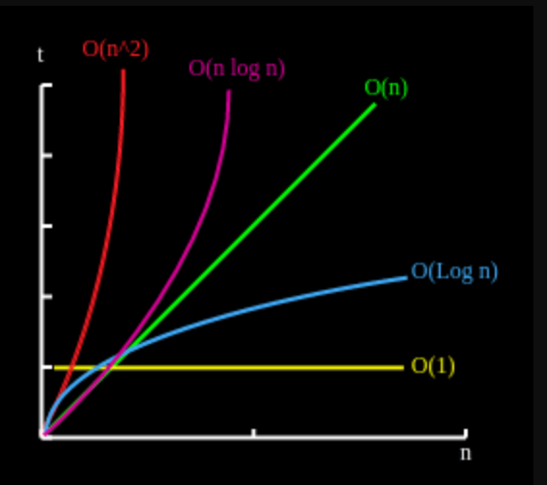

 |  |  | operations | Array | Linked List
 |  |  | Indexing | O(1) | O(n)
 |  |  | Insert/delete element at start | O(n) | O(1)
 |  |  | Insert/delete element at the end | O(1)-amortized | O(n)
 |  |  | Insert element in the middle | O(n) | O(n)
 |  | Difference between Oh, Omega, Theta
 |  | https://www.geeksforgeeks.org/difference-between-big-oh-big-omega-and-big-theta/#:~:text=Big%2DO%20is%20a%20measure,Big%2DO%20and%20Big%2D%3F
Logs base 2 are the favorite of computer scientists, because binary numbers are used so often and because many algorithms involve dividing things in two. |  | why base=2 is used in computer algorithms

space complexity | https://www.studytonight.com/data-structures/space-complexity-of-algorithms

React and npm
command | purpose
npm start | start the development server
npx create-react-app <app-name> --use-npm | create react app in a location and install its dependencies using npm note- You’ll need to have Node >= 8.10 and npm >= 5.6 on your machine
1. npm init -Y(initiates the package.json with default answer for all) 2. npm i webpack 3. npm i -D webpack-cli 4. npm i -D @babel/core babel-loader @babel/preset-env @babel/preset-react babel-plugin-transform-class-properties(installs all the babel dependencies) 5. npm i react react-dom prop-types 6. add the .babelrc with the below contents- { "presets": ["@babel/preset-env", "@babel/preset-react"], "plugins": ["transform-class-properties"] } 7. add webpack.config.js file with the below- module.exports = { module: { rules: [ { test: /\.js$/, exclude: /node_modules/, use: { loader: "babel-loader" } } ] } } 8. Do modifications to the "script" part of the package.json file(project specific)-refer to lead_manager project in Django-react-backend | create react app manually(as part of Django-app)
npm install -g <package name> or npm i -g <package name> | to install a package globally
npm install | run this command in the directory containing the package.json file, this will install all the dependencies in the file locally.
npm init | to initialize a package(this will create a package.json file in the folder) note: After creating a package.json, if any package is installed with npm i/install <package> , then it will be enlisted in the package.json as a dependency and a package-lock.json file will also be created. This is same as Pipfile and Pipfile.lock in pipenv
npm i -D <package name(s)> | install packages as DevDependencies(same will e reflected in package.json) note: packages that are enlisted n devDependencies will not be installed, when the package.json file is used elsewhere to instll the packages enlisted in it(just like in pipenv)
npm i --save <package name(s)> or, npm i -s <package name(s)> | install packages and add them as dependencies to the project in package.json file
npm install <package>@ver | to install a package of a particular version
npm uninstall --save <package> | to uninstall a package from the project update it in package.json
1. bootstrap 2. jquery(dependency of bootstrap) 3. react-icons(includes font-awesome as well) 4. popper.js(dependency of bootstrap) 5. moment(utility for date and time) 6. react-moment 7. lodash(utility for managing arrays) | some important packages to install
const apts = result.map( item => { return item; }); | copy contents of one array into another
fetch('./data.json') .then(response => response.json()) .then(result => { const apts = result.map( item => { return item; }); this.setState({ myAppointment : apts }) }); | using fetch and then to capture and process data
<table> <thead> <tr> <th>name</th> <th>age</th> </tr> </thead> <tbody> <tr> <td>john</td> <td>33</td> </tr> <tr> <td>smith</td> <td>22</td> </tr> <tr> <td>jane</td> <td>24</td> </tr> </tbody> </table> | table structure in react
import Moment from 'react-moment'; <Moment date={ item.aptDate } parse="YYYY-MM-DD hh:mm" format="MMM-D h:mma" /> or, <Moment format="MMM-D, YYYY h:mma">{launch_date_local}</Moment> | use of react-moment
import { FaTimes } from 'react-icons/fa'; <button type="button" className="btn btn-sm btn-primary"> <FaTimes /> </button> | use of react-icons
import { without } from 'lodash'; deleteAppointment(apt){ let tempApts = this.state.myAppointment; tempApts = without(tempApts, apt); this.setState({ myAppointment : tempApts }) } | without function in lodash removes and returns array after removing the element from it. Syntax- without(array, element)
within classes, 'function' is not needed to be used to declare instance methods | instance methods
approach-1 constructor(props){ super(props); this.state={ somevar : someval }; this.functionName = this.functionName.bind(this); } functionName(var){ this.setSate({ somevar : someothervalue }); } approach-2 constructor(props){ super(props); this.state={ somevar : someval }; this.functionName = (var) => { this.setSate({ somevar : someothervalue }); } } | declare an instance method: approach-1: declare the method and bind it to the object in the contructor(since this cannot be passed as an argument to the method) approach-2: declare the whole method inside the constructor
condition ? Action-1 : Action-2 | ternary operator
const [state, setState] = useState("ghanta"); | use state in methods
destructuring arrays const [a,b,c]=[1,2,3] means a=1, b=2, c=3 destructuring objects this.state = { a:1, b:2, c:3 }; const { a,c } = this.state; now, {a,c} is equal to {a:1, c:3} here a and c get assigned their respective values note- variable name has to be same as in the object | Destructuring (JS object destructing can also be done similarly using {})
adde = (x,y) => { return x+y; } after currying function approach adde = (x) => (y) => { return x+y; } | currying function(one function returning another function)
lifecycle methods- these methods are built-in methods that are called dusring the various stages of component instance(mounting, un=pdatre) ref- https://reactjs.org/docs/react-component.html
1.for refering to any variable- this.state={ a : null, b : null, } this.handleChange = (input, val) => { this.setState({ [input] : val }); } to use this function - this.handleState('a',25) for updating a 2.for a single variable- handleChange = () => { this.setState({ step : this.step-1 }); } | multiple assignment of values using setState in class-based component. Here the multiple values of e.target.value will be assigned to the multiple state variables maintained for the component
switch(expression) { case x: // code block break; case y: // code block break; default: // code block } | switch statement in javascript
<> //code </> or. <React.Fragment> //code </React.Fragment> | React.Fragment(acts like a fake div wrapper which will appear in the HTML view)
except for strings, for all other values(boolean, numeric, variables or function calls), use {}. For strings use ""
&nbsp; | add horizontal spacing
let name="chomu"; let sentence=`My name is ${name}`; please note- backquotes `` needs to be used for adding variables | adding a variable to a string
in the target file(App.js)- <Sub-component> <child-sub-component /> </Sub-component> in Sub-component, return( <div> props.children </div> ); | props.children is used to render any child component wrapped around the parent(main) component.
React.createElement(component, props, ...children) | React without JSX Ref- https://reactjs.org/docs/react-without-jsx.html
django-cors-headers | Django app for handling the server headers required for Cross-Origin Resource Sharing (CORS) Note: This will be required when trying to do ajax/api calls from other interfaces like React, or so to django apps ref: https://github.com/adamchainz/django-cors-headers
AXIOS Axios is similar to Ajax and is used to make API calls to fetch data. To use it 1. npm install axios 2. import it via-import axios from 'axios'; in the react js file 3. use it as- componentDidMount(){ axios.get('http://127.0.0.1:8000/articles/api/apiview/') .then(result => { this.setState({ article:result.data }); }) }
fetch, Axios, jQuery ajax | data fetching frameworks from APIs
Switch is unique in that it renders a route exclusively. In contrast, every <Route> that matches the location renders inclusively. Ref-https://reactrouter.com/core/api/Switch
SASS- Syntactically Awesome Style Sheets(.scss) 1. uses BEM naming convention within js file for adding class names. 2. @mixin directive lets you create CSS code that is to be reused throughout the website. 2.1. Mixins are included into the current context using the @include. 3. $-varname for declaring variables. 4. @import 'to be imported' for importing. 5. &__child for nested elements(if parent classname-parent and child classname-parent__child). .parent{ //parent related property, if any. &__child{ //child related property, if any. } }
REDUX- Core principles of redux- 1. Single store for state management of all the components 2. States are read only 3. Change using pure functions(functions that do not alter the input paramaeters provided to them) or reducers Sending state changes to store is called dispatching. Components getting to know the changed values of states is called subscribing. Note- Since states can only be transferred or passed in one direction only i.e. from parent to child, redux creates a one-place storage for all the states for the components. So each component has access to the values of the other component. installation- npm install redux react-redux Aynsc vs Sync actions- For synchronous actions, the stateis immediately updated when the action is dispatched. In Asynchronous actions, action is not dispatched and state is updated until the tak is completed. used in API callls to fetch data. |  | 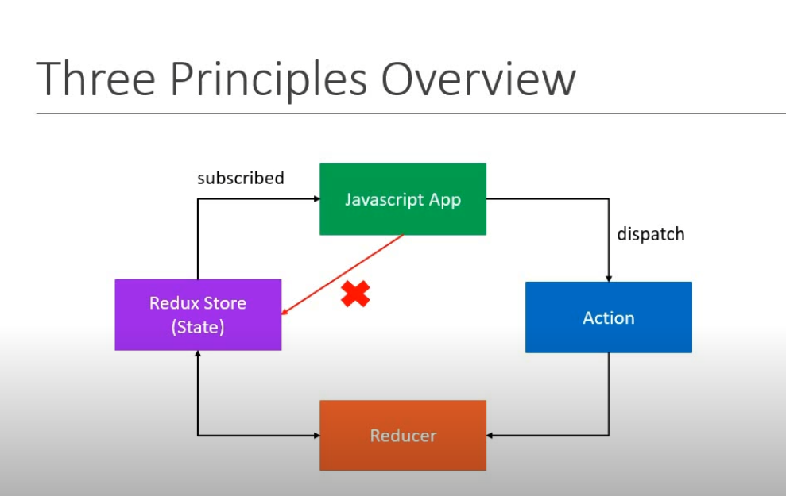 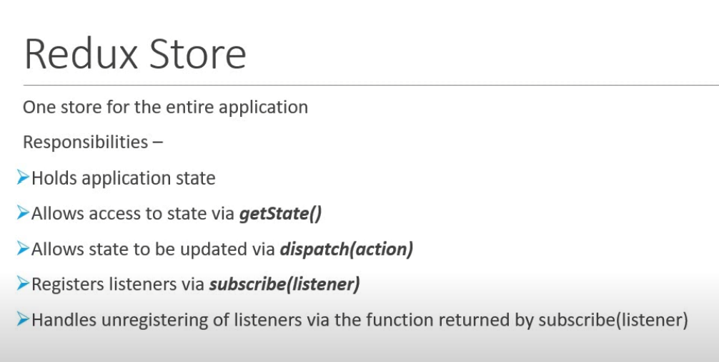
useEffect vs lifecycle methods in classes It’s designed to replace several lifecycle methods, such as componentWillReceiveProps, componentWillMount, and componentWillUnmount. But it should be used in functions. To make sure a function is called only once, useEffect(() => { fetchUsers() }, []) But in case of lifecycle methods, it is not required since the lifecycle methods themaselves are called just once in every cycle.
npm cache clean --force | to clear cache
Spread operator(PROPERTY SPREAD NOTATION)- Returns the contents pof the object instead of the whole object point1- if this.props contained a: 1 and b: 2, then <Modal {...this.props} title='Modal heading' animation={false}> <Modal a={this.props.a} b={this.props.b} title='Modal heading' animation={false}> point2- const {m,n,o} = {m:1, n:2, a:2, b:2}; so m=1, n=2, o=undefined const {m,n,...o} = {m:1, n:2, a:2, b:2}; so m=1, n=2, o={a:2, b:2} point3- const state = { x: 1, y: 2, z: 2 }; let base = [1, 2, 3]; function obj(ob) { return { ...ob }; gives {x:1,y:2,z:3} // same as return ob } function obg(ob) { return [...ob]; gives [1,2,3] } console.log(obj(state)); console.log(obg(base)); ref- https://developer.mozilla.org/en-US/docs/Web/JavaScript/Reference/Operators/Spread_syntax

import { v4 as uuid } from 'uuid'; const id = uuid(); | to generate a unique ID
import { createBrowserHistory } from "history"; const history = createBrowserHistory(); history.push("url"); window.location.reload(); | redirect or go to a page
static defaultProps = { prop1: val1, prop2: val2 } static propTypes = { prop1: PropTypes.object.isRequired, prop2: PropTypes.string.isRequired } | defaultProps is used when the mentioned props are not passed while calling the component. propTypes are used to ascertain the dataTypes of the props.
npm i concurrently uaage concurrently "command 1" "command 2" | running multiple commands in command prompt using concurrently note: This can be used to introduce concurrent commands in package.json "scripts": { "start": "node server.js", "server": "nodemon server.js", "client": "npm start --prefix client", "dev": "concurrently \"npm run server\" \"npm run client\"" }, now running npm run dev will take care of both the commands
<Link className="btn btn-secondary" to={`/launch/${flight_number}`}> Launch Details </Link> if no variable needsd to be passed <Link className="btn btn-secondary" to=`/launch`> Launch Details </Link> | using a dynamic variable in to attribute of Link (need to provide {} around the whole url string)
npm run <script-name> | to run a script in package.json file

