Data
Instruments Used | SCPI Version
Keysight Technologies,E36441A,CN10000023,01.00-01.01-01.01-2024100301 | 1999
Keysight Technologies,34470A,MY57702177,A.03.00-02.40-03.00-00.52-04-01 | 1994
Keysight Technologies,EL33133A,MY60260104,1.2.3-1.0.6-17-114 | 1999

Parameter | Value | Time Generated: | 2025-10-23 11:10:19
savedir | C:/Automation_Test_Program_Hornbill-1 | PSU Readback Voltage | PSU Readback Current | PSU Voltage Set | Load Current Set | DMM Voltage Measured | Programming/Voltage Absolute Error (V) | Relative/Voltage Percentage Error (%) | PSU Readback Voltage Error (V) | Programming Upper Error Boundary (V) | Programming Lower Error Boundary (V) | Programming Condition | Readback Upper Error Boundary (V) | Readback Lower Error Boundary (V) | Readback Condition
V_Rating | 32 | 1.000614 | 1.00055 | 1 | 1 | 1.00039841 | 0.00039841 | 0.039841 | 0.00021559 | 0.1605 | -0.1605 | PASS | 0.1605 | -0.1605 | PASS
I_Rating | 10 | 5.998991 | 1.000225 | 6 | 1 | 6.01433976 | 0.01433976 | 0.238996 | -0.01534876 | 0.163 | -0.163 | PASS | 0.163 | -0.163 | PASS
P_Rating | 160 | 10.99949 | 1.00055 | 11 | 1 | 11.0285702 | 0.0285702 | 0.25972909091 | -0.0290802 | 0.1655 | -0.1655 | PASS | 0.1655 | -0.1655 | PASS
power | 160 | 15.99909 | 1.00055 | 16 | 1 | 16.0433648 | 0.0433648 | 0.27103 | -0.0442748 | 0.168 | -0.168 | PASS | 0.168 | -0.168 | PASS
estimatetime | 0 | 20.99879 | 1.00055 | 21 | 1 | 21.057208 | 0.057208 | 0.27241904762 | -0.058418 | 0.1705 | -0.1705 | PASS | 0.1705 | -0.1705 | PASS
updatedelay | 1.0 | 26.00061 | 1.00055 | 26 | 1 | 26.07322 | 0.07322 | 0.28161538462 | -0.07261 | 0.173 | -0.173 | PASS | 0.173 | -0.173 | PASS
readbackvoltage | 0 | 31.00052 | 1.00055 | 31 | 1 | 31.0876505 | 0.0876505 | 0.28274354839 | -0.0871305 | 0.1755 | -0.1755 | PASS | 0.1755 | -0.1755 | PASS
readbackcurrent | 0 | 32.00153 | 1.00055 | 32 | 1 | 32.0914094 | 0.0914094 | 0.285654375 | -0.0898794 | 0.176 | -0.176 | PASS | 0.176 | -0.176 | PASS
noofloop | 1 | 1.001623 | 5.99897 | 1 | 6 | 0.983099253 | -0.016900747 | -1.6900747 | 0.018523747 | 0.1605 | -0.1605 | PASS | 0.1605 | -0.1605 | PASS
Instrument | Keysight | 5.998991 | 5.999619 | 6 | 6 | 5.99676608 | -0.00323392 | -0.053898666667 | 0.00222492 | 0.163 | -0.163 | PASS | 0.163 | -0.163 | PASS
Programming_Error_Gain | 0.0005 | 10.99949 | 5.999944 | 11 | 6 | 11.0108405 | 0.0108405 | 0.09855 | -0.0113505 | 0.1655 | -0.1655 | PASS | 0.1655 | -0.1655 | PASS
Programming_Error_Offset | 0.005 | 16.0001 | 5.999944 | 16 | 6 | 16.0255759 | 0.0255759 | 0.159849375 | -0.0254759 | 0.168 | -0.168 | PASS | 0.168 | -0.168 | PASS
Readback_Error_Gain | 0.0005 | 20.99879 | 5.999944 | 21 | 6 | 21.0393237 | 0.0393237 | 0.18725571429 | -0.0405337 | 0.1705 | -0.1705 | PASS | 0.1705 | -0.1705 | PASS
Readback_Error_Offset | 0.005 | 26.00061 | 5.999619 | 26 | 6 | 26.0553185 | 0.0553185 | 0.21276346154 | -0.0547085 | 0.173 | -0.173 | PASS | 0.173 | -0.173 | PASS
unit | VOLTAGE | 1.001623 | 9.998999 | 1 | 10 | 0.96848803 | -0.03151197 | -3.151197 | 0.03313497 | 0.1605 | -0.1605 | PASS | 0.1605 | -0.1605 | PASS
minCurrent | 1 | 6 | 9.999971 | 6 | 10 | 5.98225987 | -0.01774013 | -0.29566883333 | 0.01774013 | 0.163 | -0.163 | PASS | 0.163 | -0.163 | PASS
maxCurrent | 10 | 10.99949 | 10.0003 | 11 | 10 | 10.9963188 | -0.0036812 | -0.033465454545 | 0.0031712 | 0.1655 | -0.1655 | PASS | 0.1655 | -0.1655 | PASS
current_step_size | 5 | 15.99909 | 10.00062 | 16 | 10 | 16.0107593 | 0.0107593 | 0.067245625 | -0.0116693 | 0.168 | -0.168 | PASS | 0.168 | -0.168 | PASS
minVoltage | 1
maxVoltage | 32
voltage_step_size | 5
selected_DUT | Dolphin
PSU | USB0::0x2A8D::0xCC04::CN10000023::0::INSTR
DMM | USB0::0x2A8D::0x0201::MY57702177::0::INSTR
ELoad | USB0::0x2A8D::0x3702::MY60260104::0::INSTR
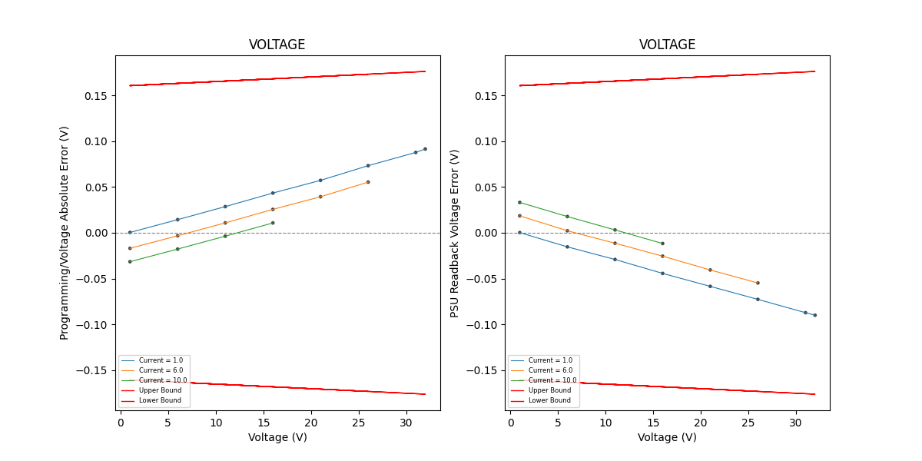
ELoad_Channel | 1
PSU_Channel | 2
VoltageSense | EXT
VoltageRes | SLOW
setFunction | Current
OperationMode | Independent
Range | Auto
Aperture | 10
AutoZero | ON
InputZ | ON
UpTime | 50
DownTime | 50

