Udemy
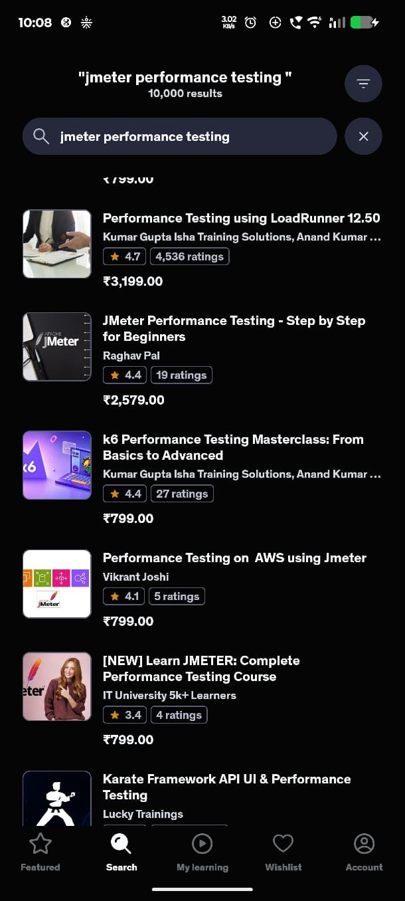
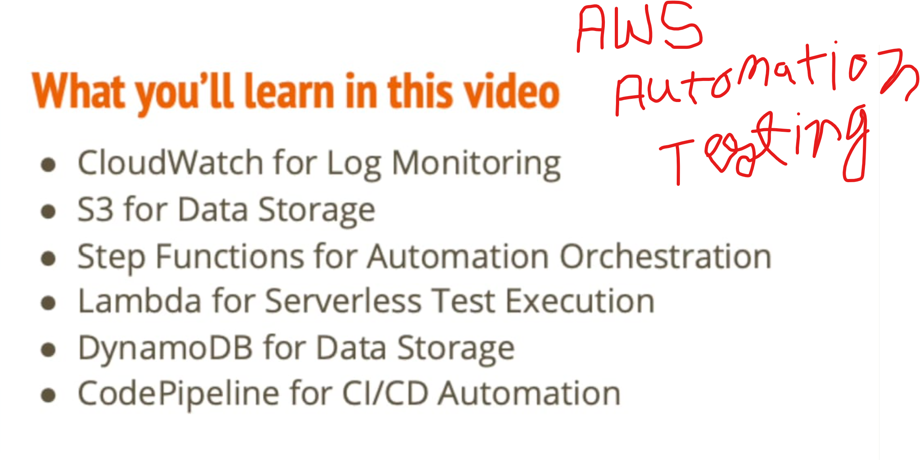
Master AI Agents, RAG, MCP, Memory, Planning, Multi-Agent Systems,LangGraph, CrewAI and LangChain in 21 Days Pankaj Shukla (IIT Delhi)AI Engineer | AI Agents & Generative AI Instructor | September 15,2026 | Udemy
Playwright Typescript Automation Framework Powered by AI | Exploring AI Agents & Framework Setup | Part 1,2,3(YouTube)-Pavan Kumar | September 26,2026 | YouTube
API Automation Rest Assured-Pavan Kumar | September 26,2026 | Udemy
Karate framework API Testing-Loan-Infosys lucky Training | October 01,2026 | Udemy
Azure-900-infrastructure - https://www.youtube.com/watch?v=4ZjUuoMpTBg | October 03,2026 | YouTube
Jmeter - Performance testing - https://www.youtube.com/watch?v=1xDd1w3FXDI&list=PLH2IXgu0nKH0&index=7 | October 03,2026 | YouTube
AI Agents - Agent Skills, GitHub Copilot, Claude Code, MCP, AI workflows, Database, Self Healing, API, Performance | October 04,2026 | Udemy(shamnitjsr)
Cucumber Framework - Pavan Kumar | October 04,2026 | Udemy(Purchase)
AWS - https://www.youtube.com/watch?v=N4sJj-SxX00 | October 04,2026 | YouTube
Claude AI (Full Course 2026) | Beginner to Advanced | In Hindi | 2026 | October 05,2026 | YouTube
GCP - https://www.youtube.com/watch?v=kOkJZOAvg1E&list=PLwb-G1b2TkYHm-WTKs3WDREJU-IheGxMV | October 08,2027 | YouTube
JMeter — Complete Performance & Load Testing Bootcamp - Vishwanatha Hebbar | October 09,2027 | Udemy(shambhuk260)
Java Stream Interview Preparation: 41 Coding Questions Solved & Explained - https://www.youtube.com/watch?v=7vmdkQtRGzQ |  | YouTube
Playwright Python By Pavan Kumar | October 11,2027 | Udemy(shamnitjsr)
Java Spring Boot Microservices eCommerce Project | Docker, PostgreSQL, DevOps Full Course - https://www.youtube.com/watch?v=i_9z3tNrphE - Faisal memon |  | Udemy(shambhuk260)
Azure-900-infrastructure |  | Udemy(purchase)
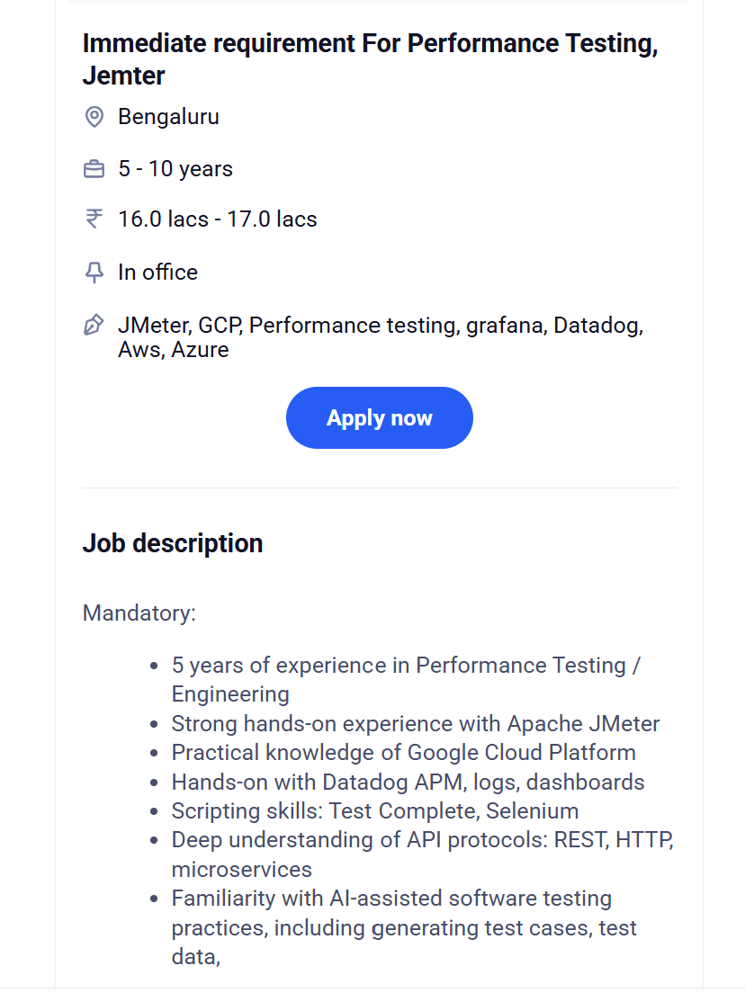
Microsoft AZURE in ONE VIDEO 🔥 For Beginners 2026 [HINDI] | MPrashant |  | YouTube

https://portal.azure.com/#@shamnitjsrgmail.onmicrosoft.com/resource/subscriptions/24b61e37-640d-41b8-9cb4-04c8c8fd4c8c/overview
https://dev.azure.com/shamnitjsr/_pulls

Performance testing
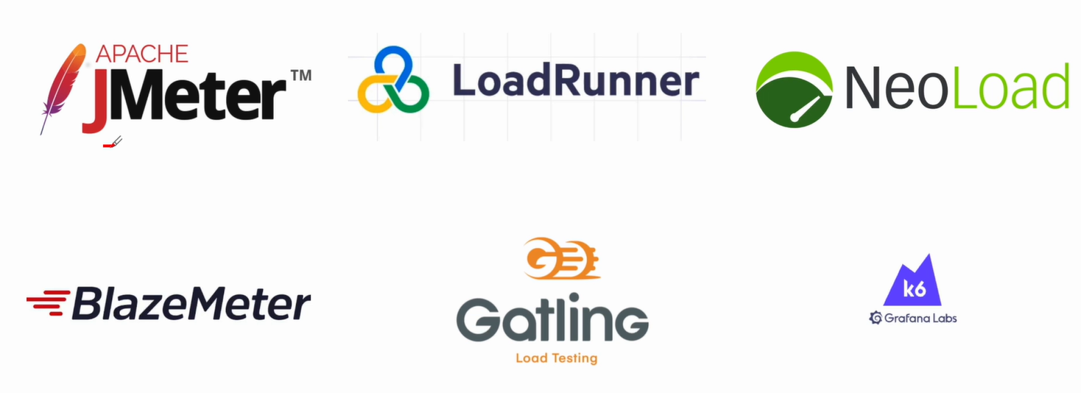

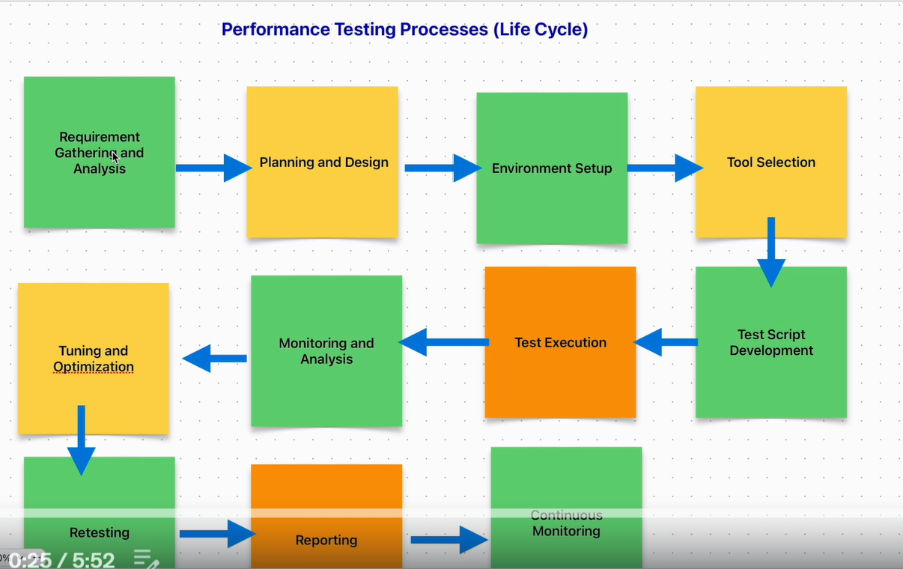

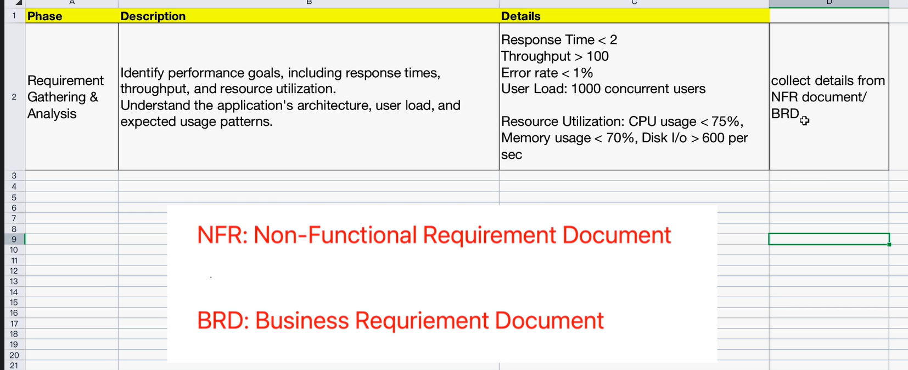

JenkinsSetup
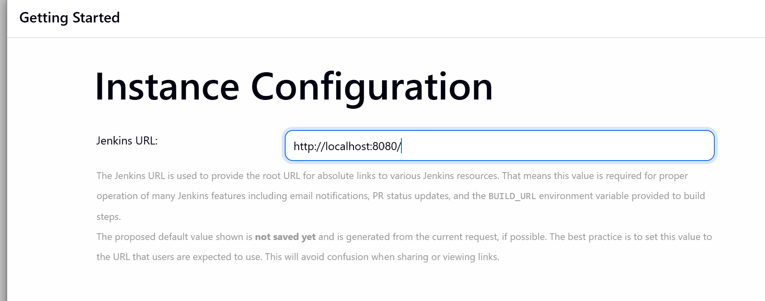
Jenkins
localhost:8080
3dd1b54d203c4673b44c977bdf20c987

admin-admin-admin

java -jar jenkins.war

API
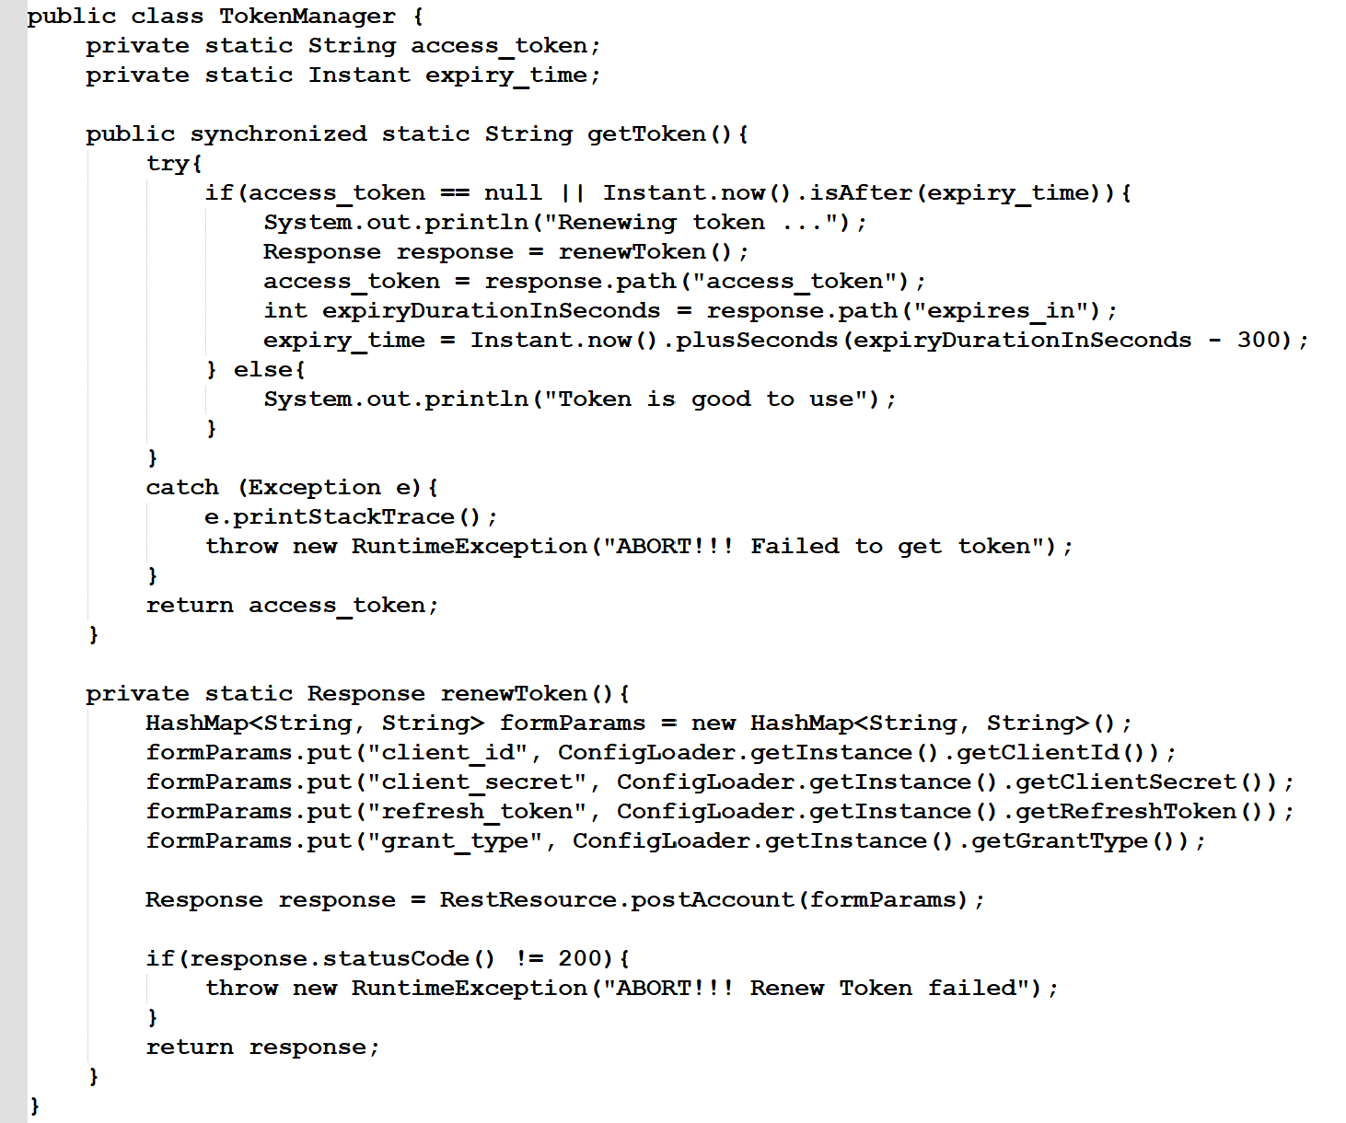
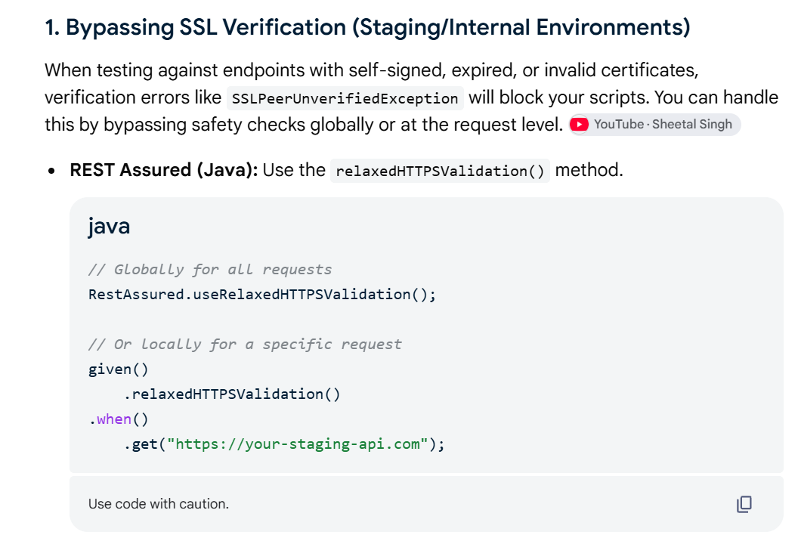
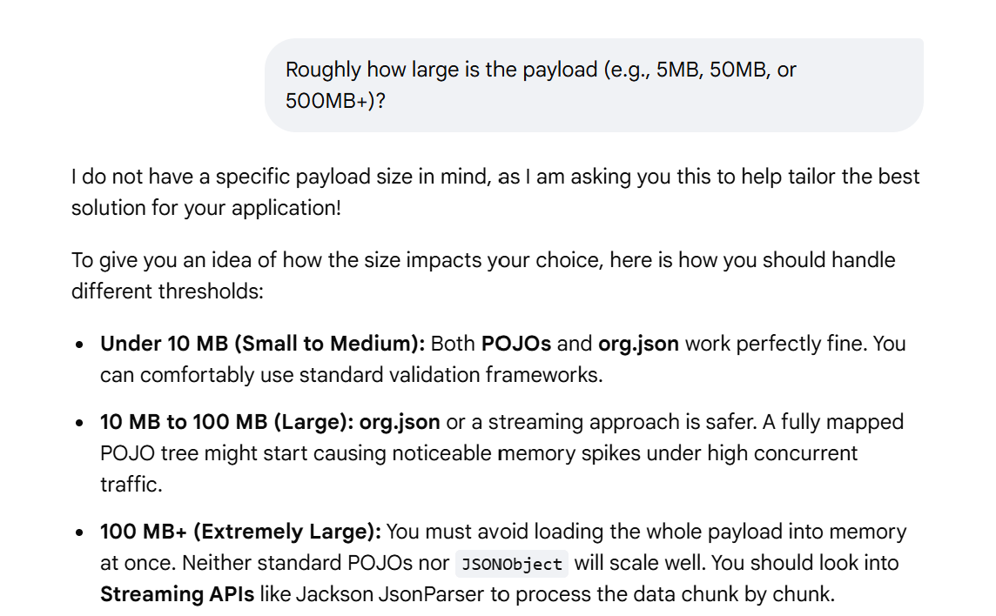
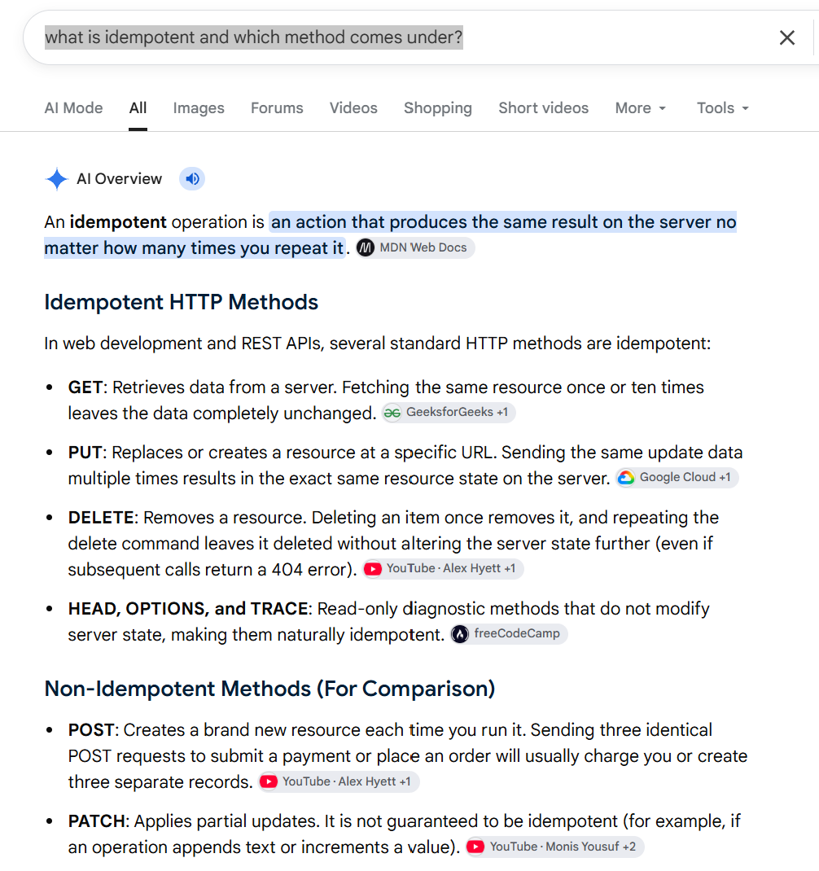
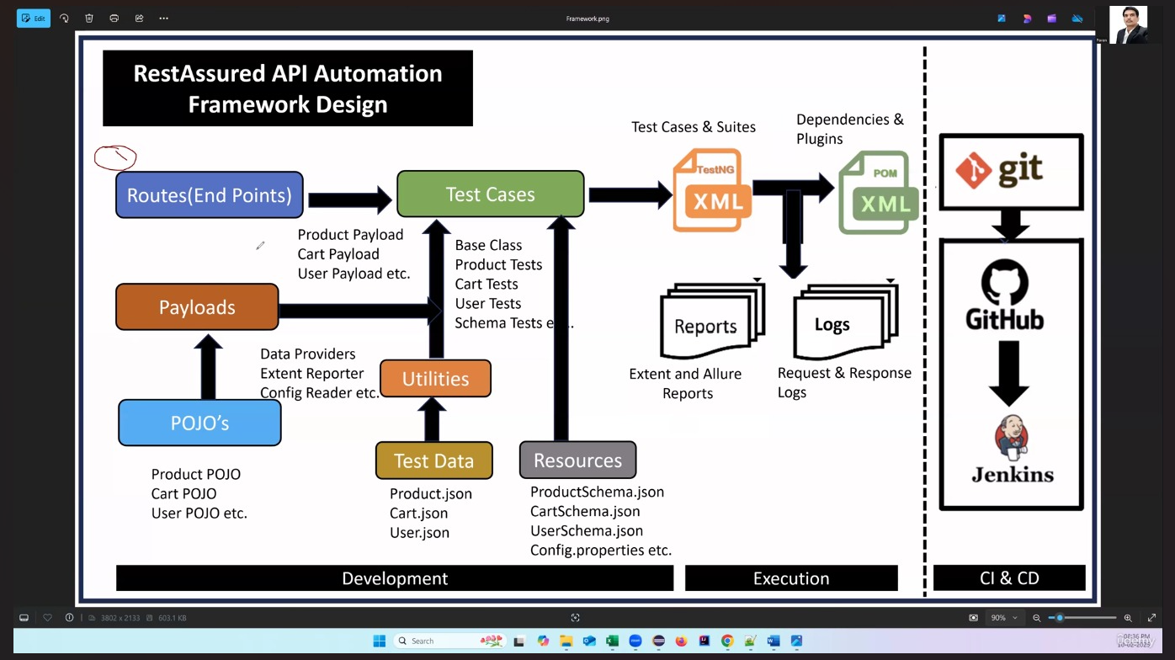
java,rest assured,assertion for network rate for youtube downloading and uploading , speedtest response downloading and uploading?
how to validate response from postman?
what will do if will get 500 server error from automation tester view?
explain 404 Not Found --- when will get?
explain 403 when will get?
Authetication and Authorization
what validating in response of API in automation? | Infosys
401 error explain in api automation ?
62.if 500 Server Error what will the action from developer point?
what is api API Chaining in api testing?
64.How validating the response time in API testing java rest assured?.time(lessThan(2000L)); .time(lessThan(2L), TimeUnit.SECONDS);
How will implement wait in api automation tetsing?----Awiatibility
What are the different types of authentication?
What is an OAuth token?
Scenario: Application loads slowly causing TimeoutException – how do you fix this?
How do you handle SSL certificates in API automation?
How to validate API response body and schema using Rest Assured?
When to use collections, environments, and global variables postman?
How to execute a collection end-to-end?
How to validate that an API response has the correct status code?
How to set up Basic Auth in Postman?
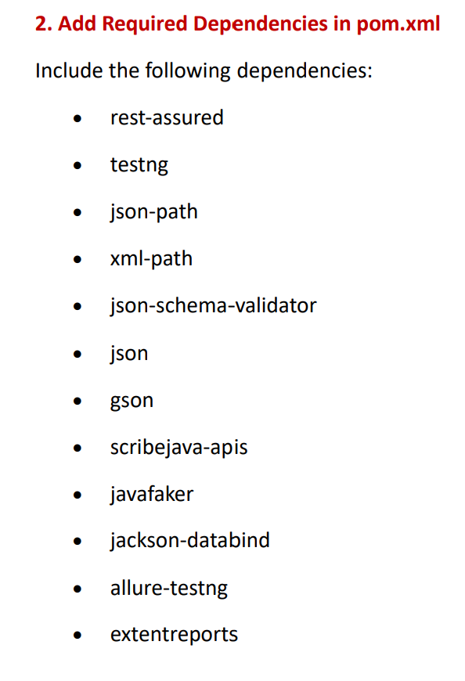
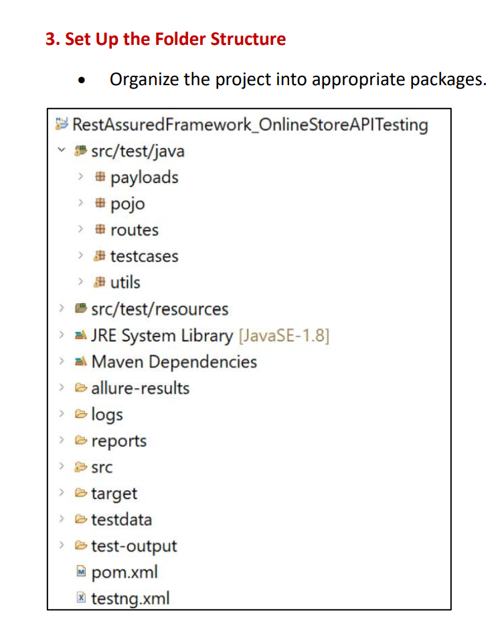
Where do you store environment credentials in postman?
Record in api tesing automation?
If Payload is too long what will used for validation and update the Payload-- POJO,org.json ?
What validations do you perform while testing an API?
Difference between PUT and PATCH requests. | Infosys
what is idempotent and which method comes under?
How do you validate API responses with database data?
Which HTTP status codes should every tester know?
What is the use of the TRACE HTTP Method?
How would you test an application for security vulnerabilities?

Selenium
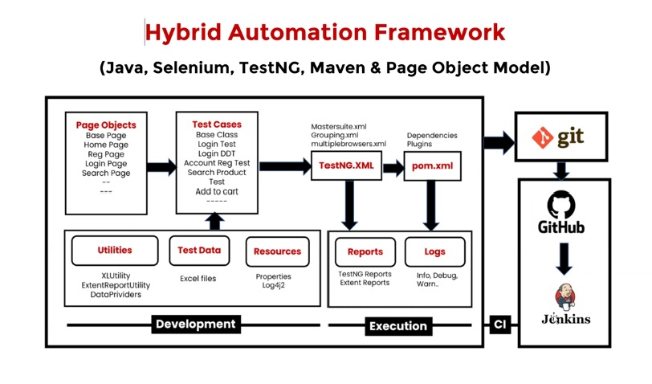
Selenium , Java , TestNG | CUCUMBER
11.ThreadLocal using WebDriver is not thread safe? | can we pass the value from given when then in cucumber java?
12.How garbage collector impact of test automation execution? | can we pass the value from one scenario to other scenario in cucumber java?
13.Singlton Design pattern used in automation testing? | How can we pass data in DataTble in Cucumber?
use of maven in automation testing and explain the some command? | explain about BDD framework Cucumber?
Explain about retry mechnism selenium java ? | 𝗪𝗵𝗮𝘁 𝗶𝘀 𝘁𝗵𝗲 𝗽𝘂𝗿𝗽𝗼𝘀𝗲 𝗼𝗳 𝗮 𝗧𝗲𝘀𝘁 𝗥𝘂𝗻𝗻𝗲𝗿 𝗶𝗻 𝗖𝘂𝗰𝘂𝗺𝗯𝗲𝗿?
oops used in automation framework? | 𝗪𝗵𝗮𝘁 𝗶𝘀 𝘁𝗵𝗲 𝗽𝘂𝗿𝗽𝗼𝘀𝗲 𝗼𝗳 𝗕𝗮𝗰𝗸𝗴𝗿𝗼𝘂𝗻𝗱 𝗶𝗻 𝗖𝘂𝗰𝘂𝗺𝗯𝗲𝗿?
How to fix StaleElementReferenceException in selenium java? | 𝗪𝗵𝗮𝘁 𝗶𝘀 𝗮 𝗦𝗰𝗲𝗻𝗮𝗿𝗶𝗼 𝗢𝘂𝘁𝗹𝗶𝗻𝗲 𝗮𝗻𝗱 𝘄𝗵𝗲𝗻 𝗱𝗼 𝘆𝗼𝘂 𝘂𝘀𝗲 𝗶𝘁?
3.pagefactory design pattern is deprecated why selenium java? | 𝗛𝗼𝘄 𝗱𝗼 𝘆𝗼𝘂 𝗴𝗲𝗻𝗲𝗿𝗮𝘁𝗲 𝗿𝗲𝗽𝗼𝗿𝘁𝘀 𝗶𝗻 𝗖𝘂𝗰𝘂𝗺𝗯𝗲𝗿?
4.Have you used other Design pattern in automation scripting?
5.How to Handle Shadow element in selenium java?---driver.findElement(By.cssSelector(getShadowRoot));
6.How to handle the hidden element on web page?
8.How to achieve parallel testing?
9.How to handle multiple environment in automation testing selenium java?
10.How to do parellel and cross browser testing in selenium grid and node?
19.how to handle the dynamic web element in selenium?
20.How to handle flaky testcase?
how to deal if xpath of element changing frequently every release?
architecture of selenium WebDriver ?
if priority is same which will execute 1st in testing?
51.multiple window handle selenium java?[EPAM]
52.How many way to pass the data in automation script?
53.difference between hashset and treeset?
54.diffenece between hashmap and linkedHashMap?
55.difference between abstract and interface
57.ArrayList VS LinkedList
58.Assert Class Function for assertion?
59.Selenim 3 VS Selenium4 changes
What are assertions? Which assertions have you used in your project?
How do you handle NullPointerException in Java?
𝗪𝗵𝗮𝘁 𝗶𝘀 𝗣𝗮𝗴𝗲 𝗢𝗯𝗷𝗲𝗰𝘁 𝗠𝗼𝗱𝗲𝗹 𝗮𝗻𝗱 𝘄𝗵𝘆 𝗱𝗼 𝘄𝗲 𝘂𝘀𝗲 𝗶𝘁?
𝗘𝘅𝗽𝗹𝗮𝗶𝗻 𝗦𝗲𝗹𝗲𝗻𝗶𝘂𝗺 𝟰 𝗮𝗿𝗰𝗵𝗶𝘁𝗲𝗰𝘁𝘂𝗿𝗲.
𝗪𝗵𝗮𝘁 𝗶𝘀 𝘁𝗵𝗲 𝗪𝟯𝗖 𝗪𝗲𝗯𝗗𝗿𝗶𝘃𝗲𝗿 𝗽𝗿𝗼𝘁𝗼𝗰𝗼𝗹?
𝗪𝗵𝗮𝘁 𝗰𝗵𝗮𝗻𝗴𝗲𝗱 𝗳𝗿𝗼𝗺 𝗦𝗲𝗹𝗲𝗻𝗶𝘂𝗺 𝟯 𝘁𝗼 𝗦𝗲𝗹𝗲𝗻𝗶𝘂𝗺 𝟰?
𝗦𝗲𝗹𝗲𝗻𝗶𝘂𝗺 𝟰 𝘃𝘀 𝗣𝗹𝗮𝘆𝘄𝗿𝗶𝗴𝗵𝘁 — 𝗲𝘅𝗽𝗹𝗮𝗶𝗻 𝘁𝗵𝗲 𝗮𝗿𝗰𝗵𝗶𝘁𝗲𝗰𝘁𝘂𝗿𝗮𝗹 𝗱𝗶𝗳𝗳𝗲𝗿𝗲𝗻𝗰𝗲.
Explain the Page Object Model (POM).
Difference between Implicit Wait, Explicit Wait, and Fluent Wait.
How do you manage test data and environment configurations?
Which reports are generated after automation execution?
What is the difference between HashMap and ConcurrentHashMap?
How does Selenium communicate with browsers?
Why do you use the Page Object Model? What are its limitations?
How do you identify and reduce flaky tests?
21. A test passes locally but fails in Jenkins. How would you debug it?
22. Dynamic locators keep changing after deployments. What approach would you take?
23. How would you automate OTP-based authentication?
24. An automation suite takes more than two hours to execute. How would you optimize it?
25. An element is visible but not clickable. How would you investigate the issue?
What challenges have you faced while working with automation frameworks?
Describe a situation where you disagreed with a developer and how you handled it.
What steps do you take if you find missing requirements during testing?

Project
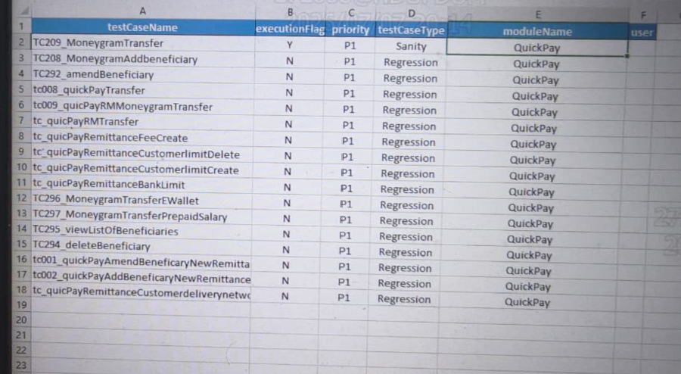
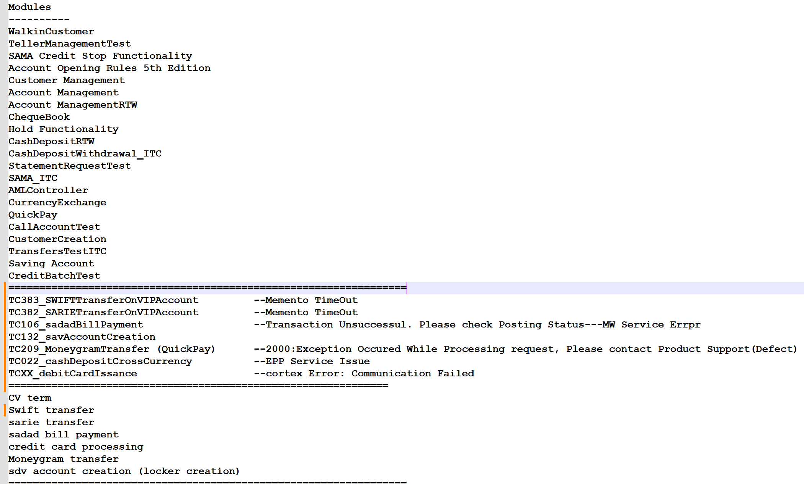
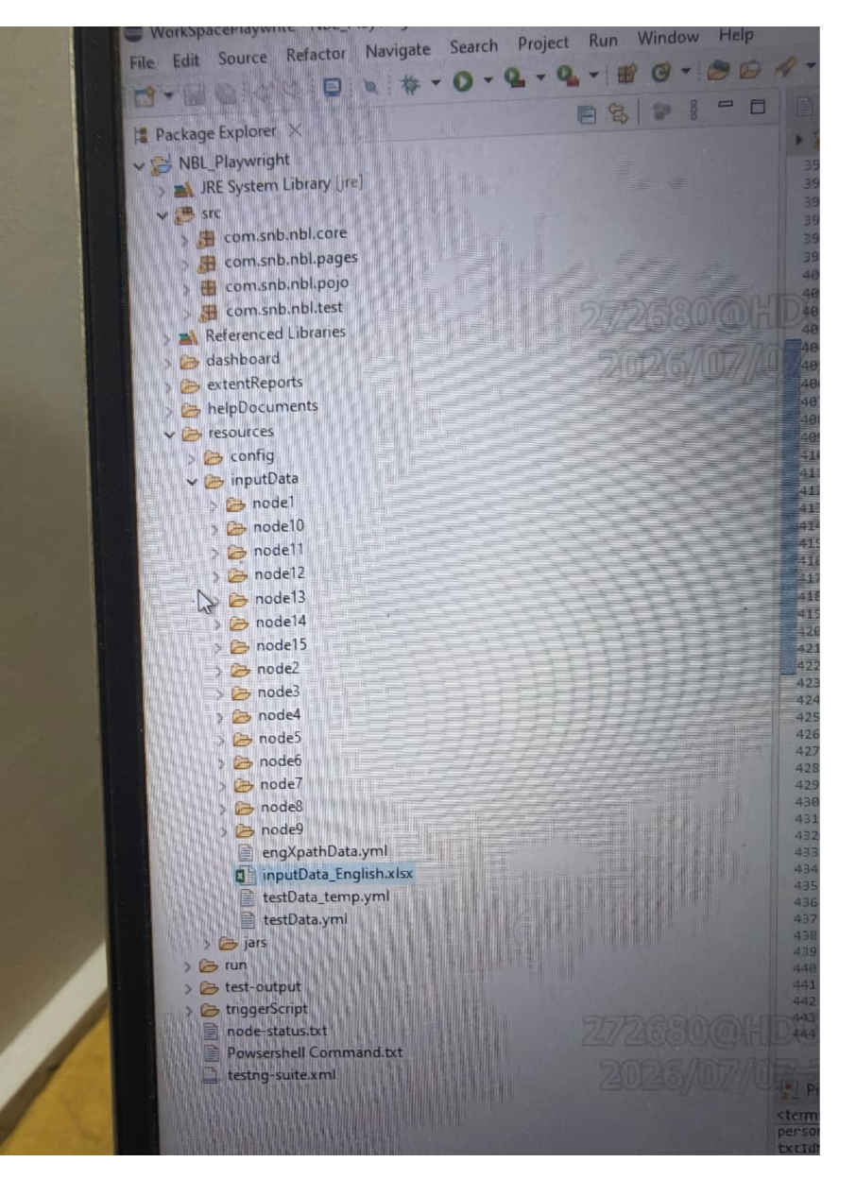
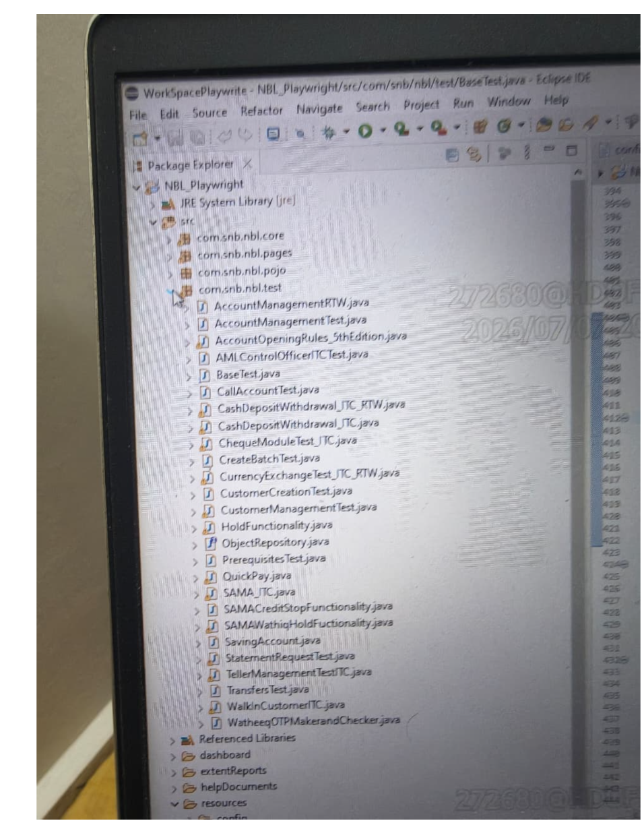
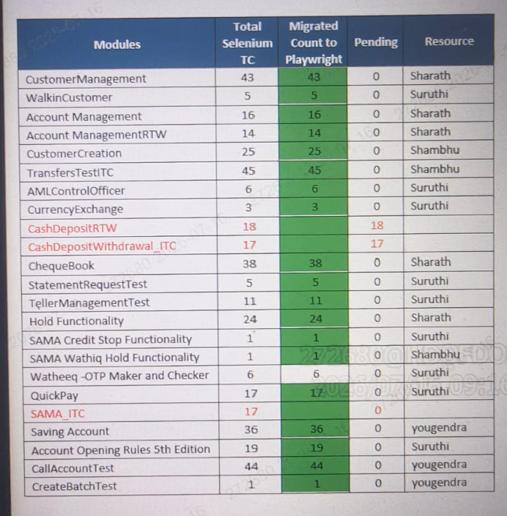
what is alahli.com-----it is arbic name of National work?
explain about credit or debit card issue?
what infrastructure used to execution of testcase-Azure,AWS,GCP
explain about loan domain in banking domain testcase automation?
Write 3 negative test cases for a credit card application form.
what test scenario for OTP generation in card payment?

