Sheet1 (2)
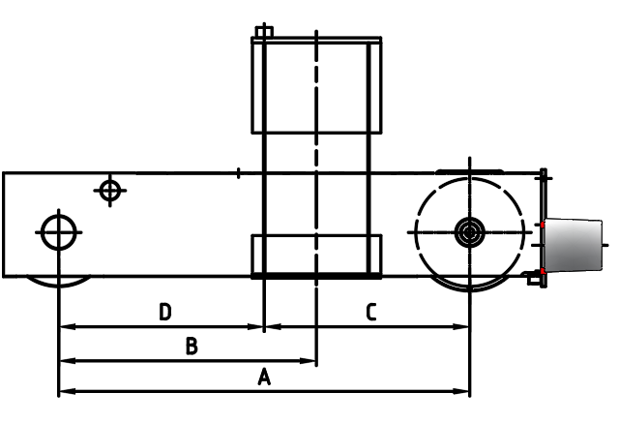
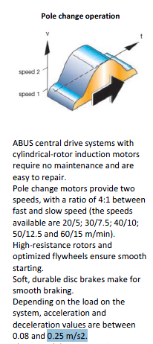
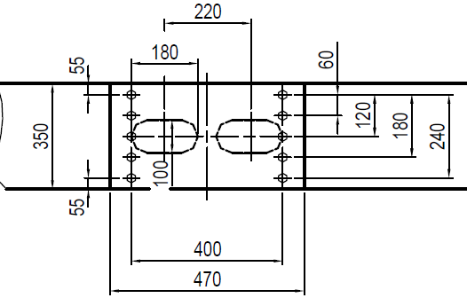
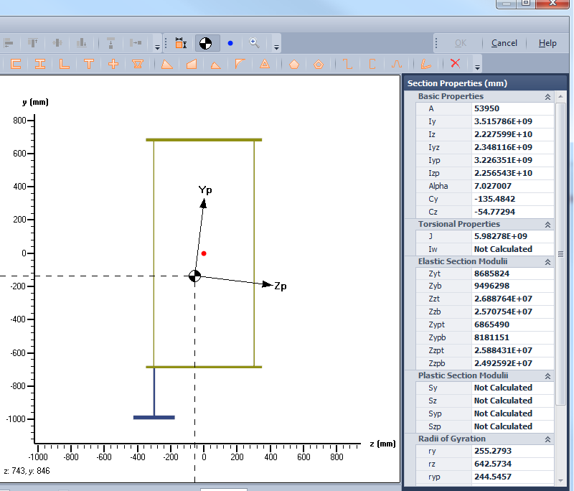
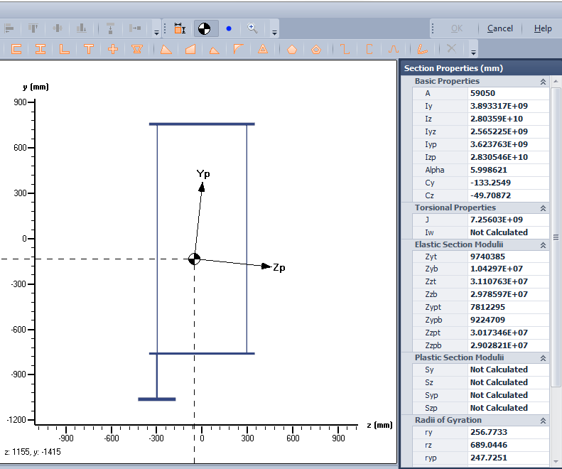
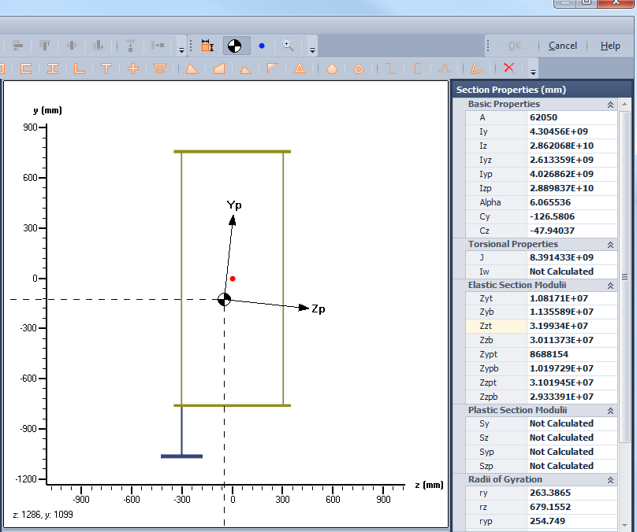
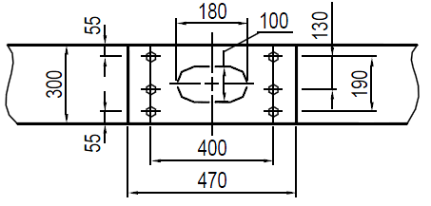
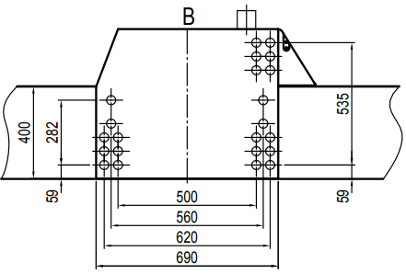
CALCULATIONS FOR ELECTRIC OVERHEAD CRANE

 |  |  |  | CALCULATIONS
 |  |  |  | FOR
 |  |  | ELECTRIC OVERHEAD CRANE

 |  |  |  |  | DOUBLE BOX GIRDER
 |  |  |  |  | capacity : |  | 50 | t | Aux: | 0 | t
 |  |  |  |  | Span : |  | 18.35 | m

 |  | Client |  |  |  | : | morgan engineering
 |  | Project |  |  |  | : | 80 Ton
 |  | place of Delivery |  |  |  | : | NSW
 |  | Job No. |  |  |  | : | 28529
 |  | Serial No. |  |  |  | : | -
 |  | Equipment Name |  |  |  | : | 50/0T MRC x 18.35m ZLK Crane
 |  | Reference Document |  |  |  | : | ECE-28529-EDC-100
 |  | Reference Drawing |  |  |  | : | 28529-DMS-100

Top flange thickness |  |  |  |  |  |  | 20
top flange width |  |  |  |  |  |  | 500
bottom flange thickness |  |  |  |  |  |  | 16
bottom flange width |  |  |  |  |  |  | 500
web height |  |  |  |  |  |  | 1200
web thickness |  |  |  |  |  |  | 6
Web spacing |  |  |  |  |  |  | 300

1) | REFERENCES
 | standard No. |  |  |  | Description
 | AS 1418.1-2002 |  |  |  | Cranes, hoists and winches - Part 1 : General requirements
 | AS 1418.3-1997 |  |  |  | Cranes, hoists and winches - Part 3 : Bridge, gantry, portal and jib cranes
 | AS 3990 -1993 |  |  |  | Mechanical equipment - Steelwork
 | AS 4100 |  |  |  | Steel Structures
 | AS 3678 |  |  |  | Structural steel - Hot-rolled plates, floorplates and slabs
 | AS 1554.1 (2000) |  |  |  | Structural steel welding - Part 1 : Welding of steel structures

2) | MATERIALS

 | Yield strength |  |  |  |  |  |  |  |  |  |  | 250
 | Young's Modulus |  |  |  |  |  |  |  |  |  |  | 2.00E+05
 | Poissons' Ratio |  |  |  |  |  |  |  |  |  |  | 0.3

3) | TECHNICAL DATA

 | CAPACITY (MAIN HOIST) |  |  |  |  |  |  |  |  |  |  | 50000
 | CAPACITY OF AUXILARY HOIST |  |  |  |  |  |  |  |  |  |  | 0
 | SPAN |  |  |  |  |  |  |  |  |  |  | 18350
 | MAIN HOIST + PLATFORM MASS |  |  |  |  |  |  |  |  |  |  | 3946
 | AUXILIARY HOIST + PLATFORM MASS |  |  |  |  |  |  |  |  |  |  | 1795

 | TOTAL |  |  |  |  |  |  |  |  |  |  | 5741

 | SPEEDS : HOISTING (MAIN) |  |  |  |  |  |  |  |  |  |  | 4
 | CROSS TRAVEL (MAIN) |  |  |  |  |  |  |  |  |  |  | 20
 | LONG TRAVEL |  |  |  |  |  |  |  |  |  |  | 40

 | ADDITIONAL DEAD LOAD per beam (railL, diaphragm,walkway) |  |  |  |  |  |  |  |  |  |  | 80
 | ADDITIONAL DEAD LOAD per beam (railL, diaphragm) |  |  |  |  |  |  |  |  |  |  | 80
 | HOOK APPROACH |  |  |  |  |  |  |  |  |  |  | 1350

 | CRAB/TROLEY WHEEL CENTRES |  |  |  |  |  |  |  |  |  |  | 1650
 | HOOK DISTANCE |  |  |  |  |  |  |  |  |  |  | 825
 | (from max loaded crab wheel-between wheels)
 | NUMBER OF CRAB WHEELS |  |  |  |  |  |  |  |  |  |  | 4
 | END CARRIAGE WHEEL CENTRES |  |  |  |  |  |  |  |  |  |  | 1650
 | CRAB RAIL CENTRES |  |  |  |  |  |  |  |  |  |  | 3000
 | HOOK DISTANCE |  |  |  |  |  |  |  |  |  |  | 1627
 | HOOK Centres |  |  |  |  |  |  |  |  |  |  | 1952

 | Number of End carriage wheel per runway |  |  |  |  |  |  |  |  |  |  | 4
 | ie. Total number of end carriage wheel on crane = 2*4=8
 | WHEEL CENTER BETWEEN TWO END CARRIAGE |  |  |  |  |  |  |  |  |  |  | 1400
 | OPERATING CONDITION |  |  |  |  |  |  |  |  |  |  | INDOOR
 | CRANE CLASSIFICATION |  |  |  |  |  |  |  |  |  |  | C4

 | WIDTH |  |  |  |  |  |  |  |  |  | 500 |  |  | mm
 | DEPTH |  |  |  |  |  |  |  |  |  | 1236 |  |  | mm

 | TOP FLANGE |  |  |  |  |  |  | 500 |  | x | 20
 | WEB PLATE ON LOAD SIDE |  |  |  |  |  |  | 1200 |  | x | 6 |  |  | mm
 | WEB PLATE ON OTHER SIDE |  |  |  |  |  |  | 1200 |  | x | 6 |  |  | mm
 | BOTTOM FLANGE |  |  |  |  |  |  | 500 |  | x | 16 |  |  | mm
 | DISTANCE BETWEEN WEB PLATES |  |  |  |  |  |  | 300 |  |  |  |  |  | mm

 | Web depth at girder end |  |  |  |  |  |  | 1200 |  |  |  |  |  | mm

 | alpha |  |  |  |  |  |  |  |  |  |  |  |  | 0.54
 | alph2 |  |  |  |  |  |  |  |  |  |  |  |  | 0.5

4) | SECTION PROPERTIES

 | Diaphragm spacing a |  |  |  | 800
 |  |  |  |  |  |  | a1 | 1200 |  | = | 6.6666666667
 |  |  |  |  |  |  |  | 180

 |  |  |  |  |  |  | b2 | 800 |  | = | 4.4444444444
 |  |  |  |  |  |  |  | 180

 | Top flange = |  |  |  |  |  |  | = | 324
 | Bottom flange = |  |  |  |  |  |  | = | 320

 | UNSUPPORTED WIDTH
 | Top flange = |  |  |  |  |  |  | = | 708
 | Bottom flange = |  |  |  |  |  |  | = | 960

 | Web plate
 | in compression = |  |  |  |  |  |  | = | 213
 | in tension = |  |  |  |  |  |  | = | 360

4b) | PROPERTIES ABOUT MAJOR AXIS X-X FOR STRENGTH
 |  |  |  |  |  |  |  |  |  |  | Size of plate mm * mm

 |  |  |  |  |  |  |  |  |  |  | 500 | * | 20
 |  |  |  |  |  |  |  |  |  |  | 6 | * | 1200
 |  |  |  |  |  |  |  |  |  |  | 6 | * | 1200
 | Area Top |  |  | 10000 |  |  |  |  |  |  | 500 | * | 16
 | Area Web1 |  |  | 7200 |  |  |  |  |  |  | TOTAL
 | Area Web 2 |  |  | 7200
 | Are Bottom |  |  | 8000
 | Total |  |  | 32400

 | Yc_top |  |  | 10
 | Yc_Web1 |  |  | 620
 | Yc_Web2 |  |  | 620
 | Yc_Bottom |  |  | 1228

 | e_top |  |  | 572
 | e_web1 |  |  | 38
 | e_web2 |  |  | 38
 | e_bottom |  |  | 646

 | I_top |  |  | 3.33E+05
 | I_Web1 |  |  | 8.64E+08
 | I_Web2 |  |  | 8.64E+08
 | I_bottom |  |  | 1.71E+05
 | Itotal |  |  | 1.73E+09

 | I_add_top |  |  | 3.27E+09
 | I_add_web1 |  |  | 1.05E+07
 | I_add_web2 |  |  | 1.05E+07
 | I_bottom |  |  | 3.34E+09
 | I_add_total |  |  | 6.63E+09

 | Centre of gravity |  |  |  | 581.85185185
 | Moment of inertia Ixx |  |  |  | 8.36E+09
 | Zxx top |  |  |  | 1.44E+07
 | Zxx bottom |  |  |  | 1.28E+07
 | radius of gyration rxx |  |  |  | 508

 | fafa |  |  |  | 4.4444444444
 | shasha |  |  |  | 5.6

 | shasha1 |  |  |  | 5.6

