BUG001
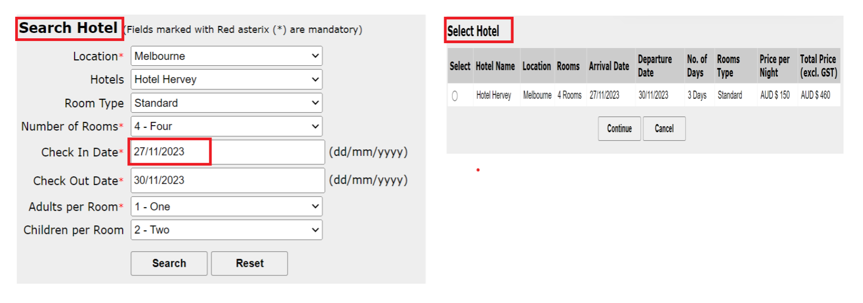
Defect Template

Defect ID | BUG001 | Assigned To | Dev
Status | New | Browser | Chrome
Severity |  | Found in Version
Priority |  | Found in Build | 1
Module | Search Hotel | Fixed in version
Reported By | Shamshon | Fixed in build

Title/Summary | Adactin:Search Hotel:Validation of Check In Date is not working -Accepting previous date
Description Steps To Re-Produce : 1.Launch Browser 2.Enter URL 3.Enter Username 4.Enter Password 5.Click on Login button 6.Select all required fields 7.Select Check In Date as previous date 8.Click on search button Expected Result : Error message should be displayed Actual Result : Select Hotel page is displayed
Attachments:

BUG003
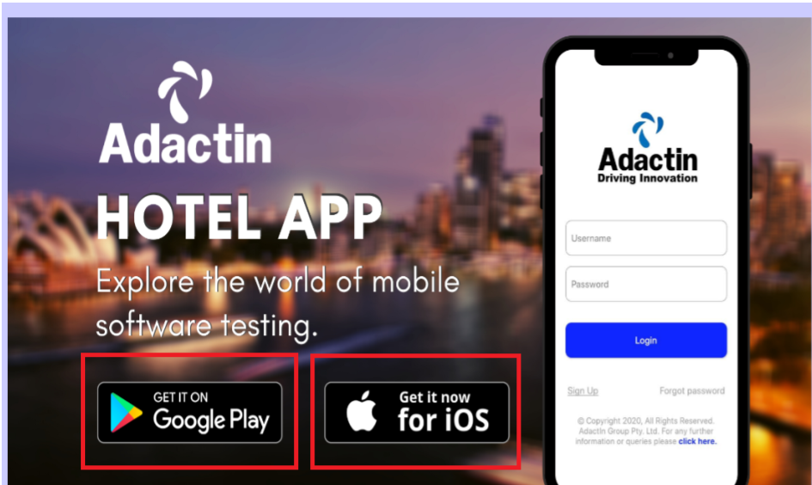
Defect Template

Defect ID | BUG003 | Assigned To | Dev
Status | New | Browser | Chrome
Severity |  | Found in Version
Priority |  | Found in Build | 1
Module | Login Page | Fixed in version
Reported By | Shamshon | Fixed in build

Title/Summary | Adactin:Login:When User clicks on Adactin Hotel Mobile App Google play store and ios link that links are not working
Description Steps To Re-Produce : 1.Launch Browser 2.Enter URL 3.Verify Links on image 3.1.Click on GooglePlay 3.2.Click on IOS Expected Result: When User clicks on Adactin Hotel Mobile App Google play store and ios link that links should be working Actual Result : When User clicks on Adactin Hotel Mobile App Google play store and ios link that links are not working
Attachments:

BUG004
Defect Template

Defect ID | BUG004 | Assigned To | Dev
Status | New | Browser | Chrome
Severity |  | Found in Version
Priority |  | Found in Build | 1
Module | Search Hotel | Fixed in version
Reported By | Shamshon | Fixed in build

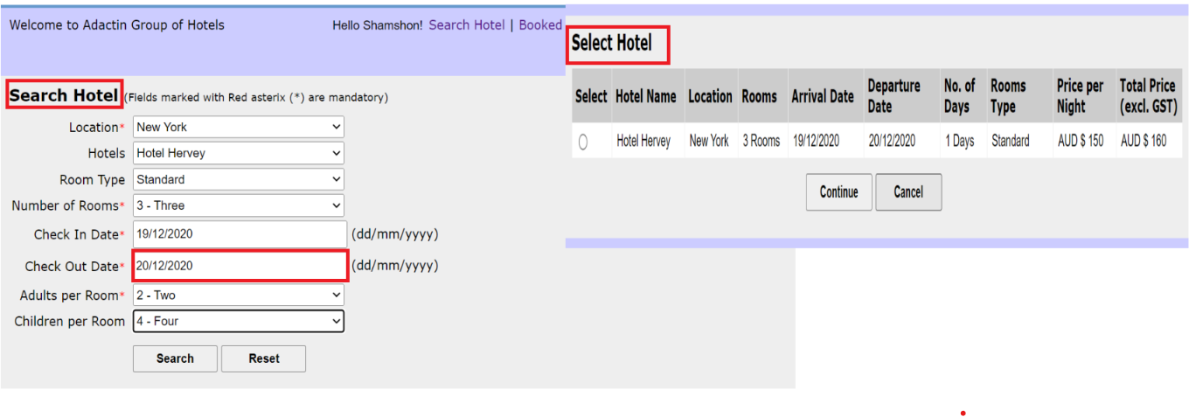
Title | Adactin:Search Hotel:Validation of Check Out Date is not working -Accepting previous date
Description Steps To Re-Produce : 1.Launch Browser 2.Enter URL 3.Enter Username 4.Enter Password 5.Click on Login button 6.Select all required fields 7.Select Check In Date as previous date 9.Select Check Out Date as previous date 8.Click on search button Expected Result : Error message should be displayed Actual Result : Select Hotel page is displayed
Attachments:

BUG005
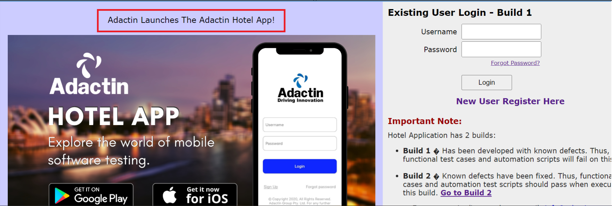
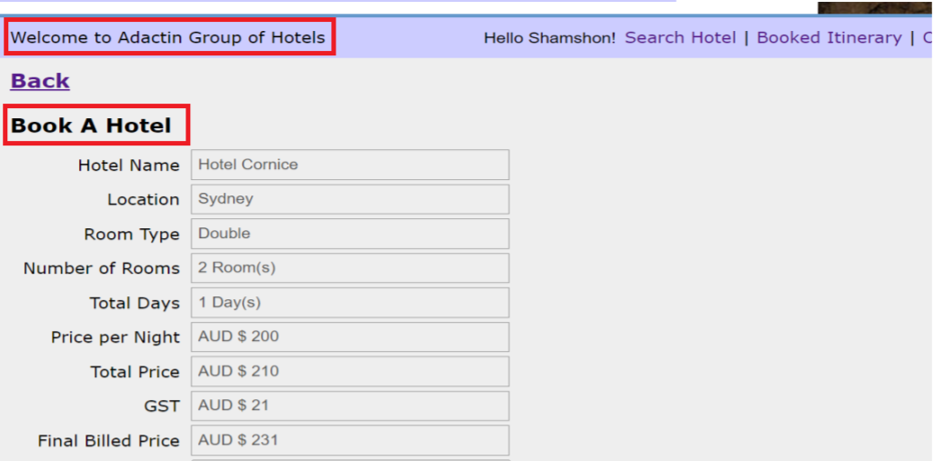
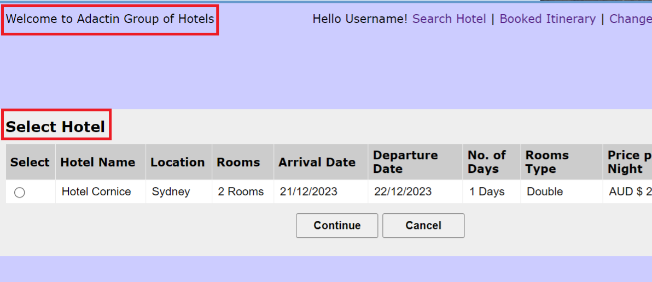
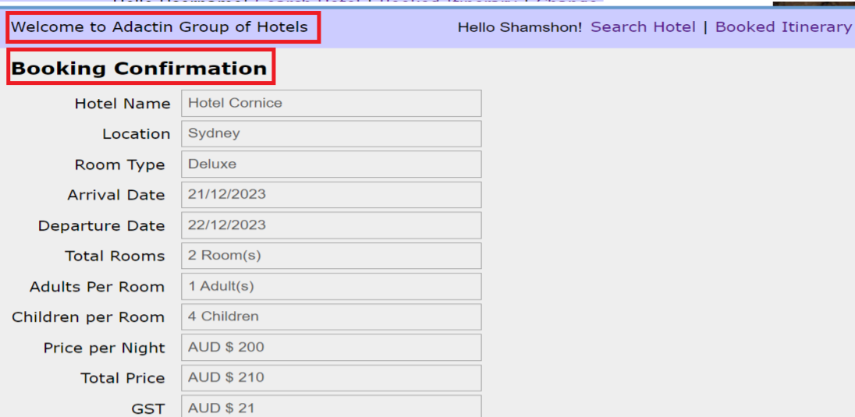
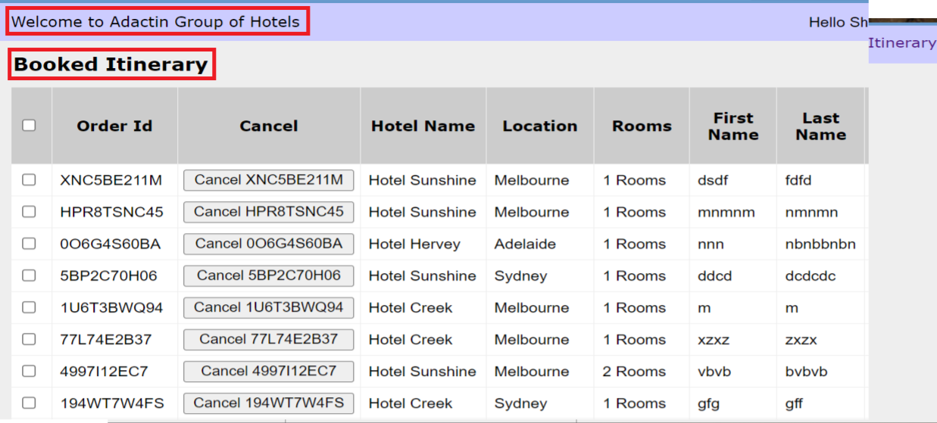
Defect Template

Defect ID | BUG005 | Assigned To | Dev
Status | New | Browser | Chrome
Severity |  | Found in Version
Priority |  | Found in Build | 1
Module | Application | Fixed in version
Reported By | Shamshon | Fixed in build

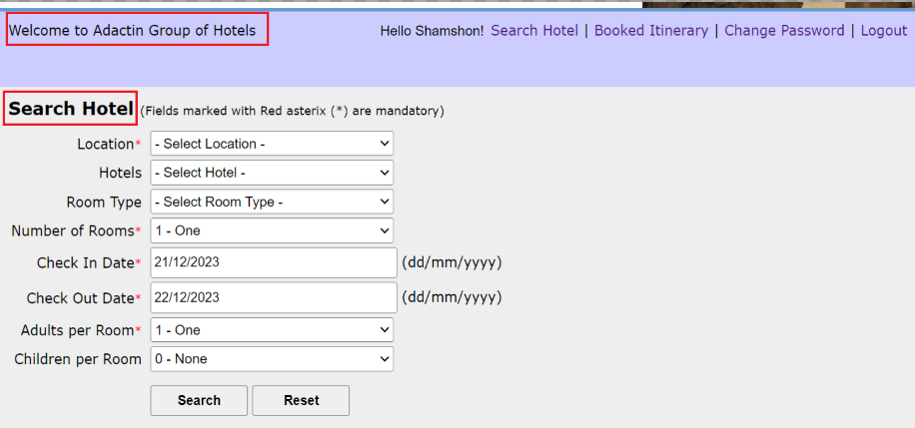
Title | Adactin:Application:"Welcome to Adactin Group of Hotels"this Welcome text is not displayed as for whole application
Description Steps To Re-Produce : 1.Launch Browser 2.Enter URL 3.Verify Welcome Text on Login Page 4.Enter Username 5.Enter Password 6.Click on Login button 7.Verify Welcome Text on Search Hotel 8.Select Mandatory Fields and click on Search 8.1Click on search and Verify Welcome Text on Select Hotel Page 9.Select Hotel and click on Continue Verify Welcome Text on Book a Hotel Page Expected Result : Welcome text should be displayed as "Adactin Launches The Adactin Hotel App" for whole application Actual Result : Welcome text is not displayed as "Adactin Launches The Adactin Hotel App" for whole application
Attachments:

BUG006
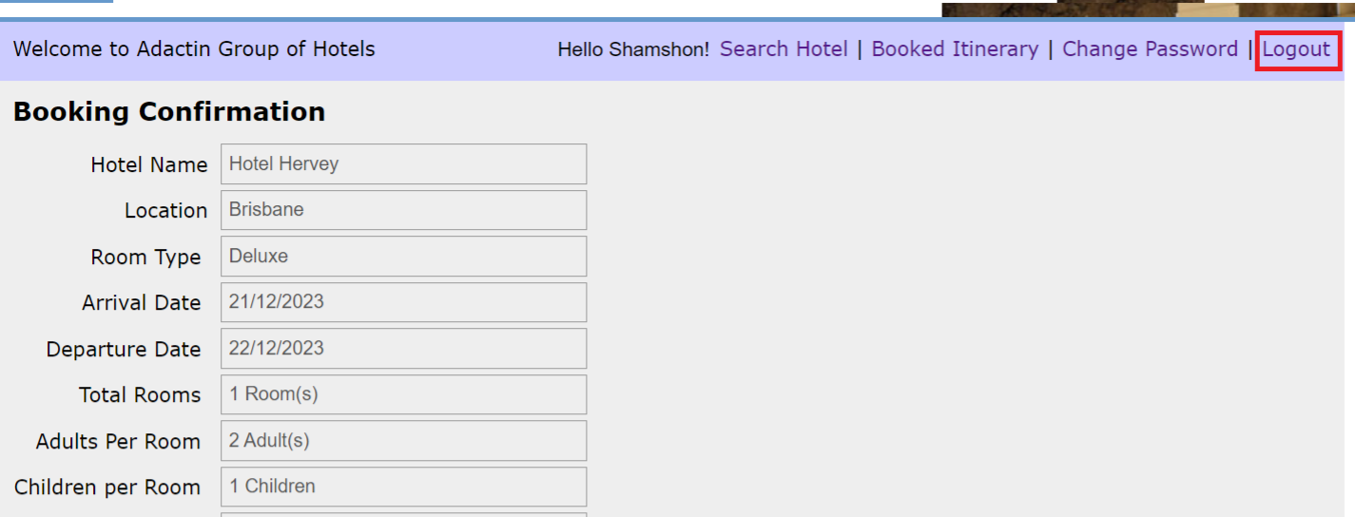
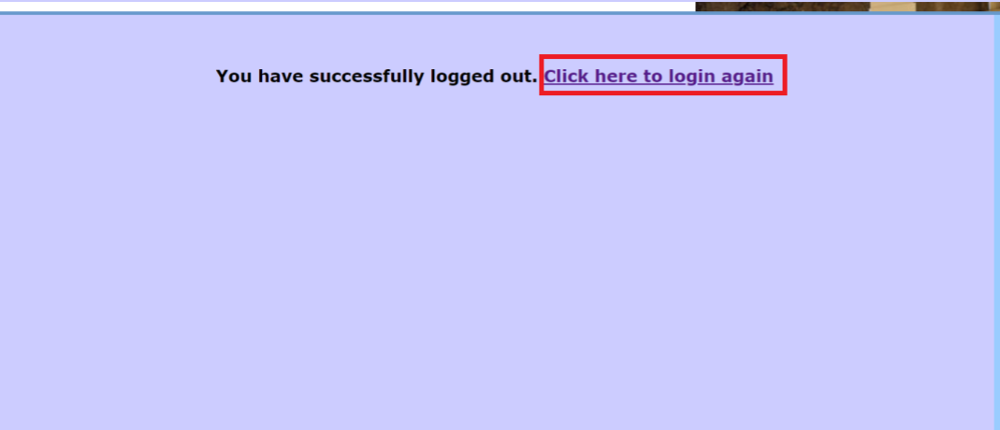
Defect Template

Defect ID | BUG006 | Assigned To | Dev
Status | New | Browser | Chrome
Severity |  | Found in Version
Priority |  | Found in Build | 1
Module | Application | Fixed in version
Reported By | Shamshon | Fixed in build

Title | Adactin:Application:When user clicks on logout button then login page is not displayed for whole application
Description Steps To Re-Produce : 1.Launch Browser 2.Enter URL 3.Enter Username 4.Enter Password 5.Click on Login button 6.Select Location,Hotel,Room type,Number of Rooms 7.Enter Check In Date,Check Out Data 8.Select Adults per Room,Children per Room 9.Click on Search button 10.Select Required Hotel 11.Click on Continue button 12.Enter First Name,Last Name,Billing Address,Credit Card No,CVV Number 13.Select Credit Card Type,Expiry Date 14.Click on Book Now button 15.Cick on Logout button Expected Result : Login Page should be displayed Actual Result : Login Page is not displayed
Attachments:

BUG007
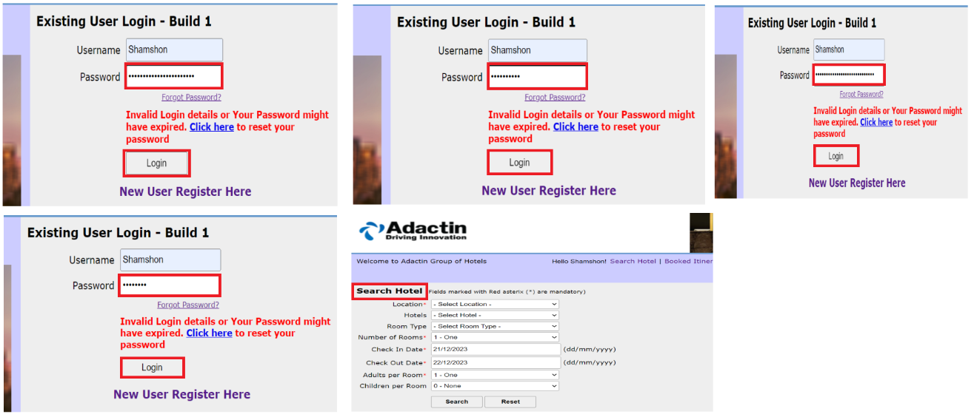
Defect Template

Defect ID | BUG007 | Assigned To | Dev
Status | New | Browser | Chrome
Severity |  | Found in Version
Priority |  | Found in Build | 1
Module | Application | Fixed in version
Reported By | Shamshon | Fixed in build

Title | Adactin:Application:When user enters wrong password for 3 time then user account is not getting lock
Description Steps To Re-Produce : 1.Launch Browser 2.Enter URL 3.Enter Username 4.Enter invalid Password for 3 times 5.Click on Login button Expected Result : account should be lock Actual Result : account is not locked
Attachments:

