Sheet1
DC UPS-5200 | Mecer 7.4V 5200mAh Lithium Battery ON-LINE UPS (for WiFi Router and ONT) with 2 way DC Connector Splitter |  |  |  |  | R900 | online | 1200

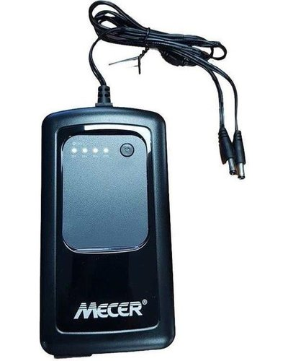

ME-650-VU | Mecer 650VA / 360W OFF-LINE UPS (with AVR,Monitoring Software + Cable & Built-in Surge Protection) - Black |  |  |  |  | R810 | online | 1150

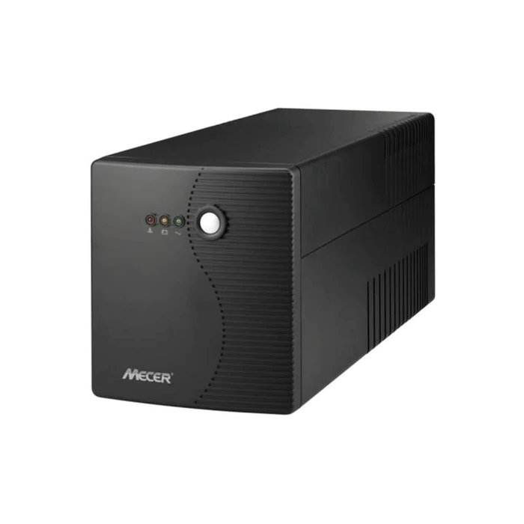
 |  |  |  | Other options
 |  |  |  | ME-850-VU | Mecer 850VA / 480W OFF-LINE UPS (with AVR,Monitoring Software + Cable & Built-in Surge Protection) - Black | R860.20 | online | 1900
 |  |  |  | ME-1000-VU | Mecer 1000VA / 600W OFF-LINE UPS (with AVR,Monitoring Software + Cable & Built-in Surge Protection) - Black | R1,391.50 | online | 2100
 |  |  |  | ME-2000-VU | Mecer 2000VA / 1200W OFF-LINE UPS (with AVR,Monitoring Software + Cable & Built-in Surge Protection) - Black | R2,137.85 | online | 3000
 |  |  |  | ME-3000-VU+ | Mecer 3000VA / 1800W OFF-LINE UPS (with AVR,Monitoring Software + Cable & Built-in Surge Protection) - Black | R4,301.00 | online | 5450
 |  |  |  | ME-1000-WPTU+ | Mecer 1000VA / 800W ON-LINE UPS (with AVR,Monitoring Software + Cable & Built-in Surge Protection) - Black | R3,478.75 | online | 4550
 |  |  |  | ME-2000-WPTU+ | Mecer 2000VA / 1600W ON-LINE UPS (with AVR,Monitoring Software + Cable & Built-in Surge Protection) - Black | R6,008.75 | online | 7350
 |  |  |  | ME-3000-WPTV | Mecer 3000VA / 2700W ON-LINE UPS (with AVR,Monitoring Software + Cable & Built-in Surge Protection) - Black | R8,602.00 | online | 10650
 |  |  |  | ME-6000-WPTV | Mecer 6000VA / 6000W ON-LINE UPS (with AVR,Monitoring Software + Cable & Built-in Surge Protection) - Black | R15,686.00 | TO ADD
 |  |  |  | ME-10000-WPTV | Mecer 10000VA / 10000W ON-LINE UPS (with AVR,Monitoring Software + Cable & Built-in Surge Protection) - Black | R18,911.75 | TO ADD

IVR-1200LBKS | Mecer Inverter 1200VA, 720W, 12V DC-AC Inverter with LCD Display 1 Year Warranty |  |  |  |  | R2,555 | online | 3100
 |  |  |  | Other options
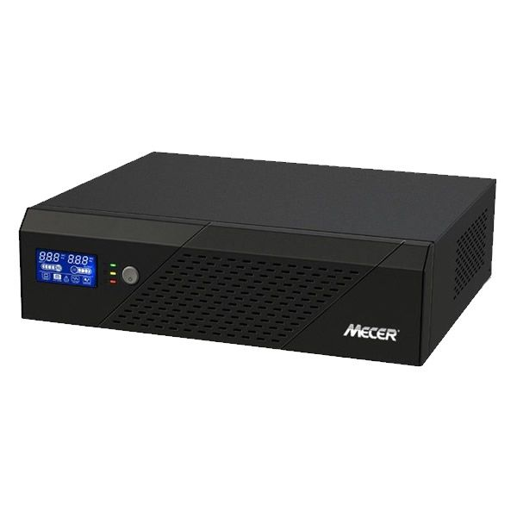
 |  |  |  | IVR-2400LBKS | Mecer 2400VA, 1440W, 24V DC-AC Inverter with LCD Display 1 Year Warranty | R3,226 | online | 4350

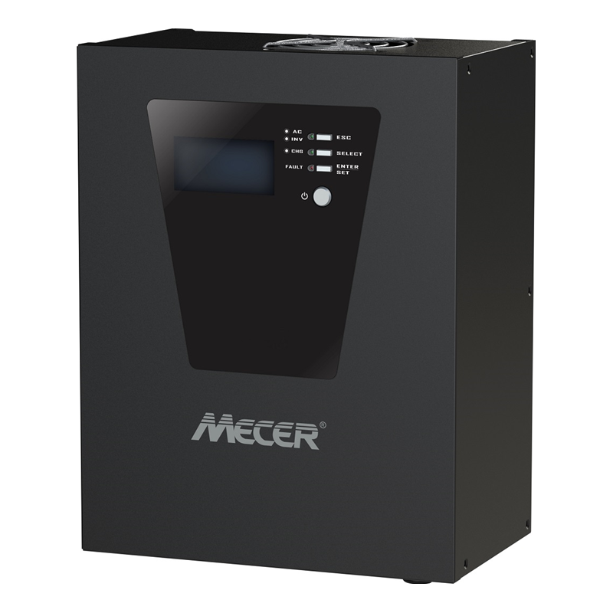
IVR-1200MPPT | Mecer Inverter 1200VA, 1000W, 12V DC-AC Inverter with LCD Display, Lead Acid / Lithium Battery Compatable and Built-in MPPT Module |  |  |  |  | R3,605 | online | 4500
1 Year Warranty
 |  |  |  | other options

 |  |  |  | IVR-2400MPPT | Mecer 2400VA, 1800W, 24V DC-AC Inverter with LCD Display, Lead Acid / Lithium Battery Compatable and Built-in MPPT Module | R4,174.50 | online | 5400

Revov r100 Lithium battery |  | 10yr/3500 cycle warranty |  |  |  | R26,300 | online | 31000
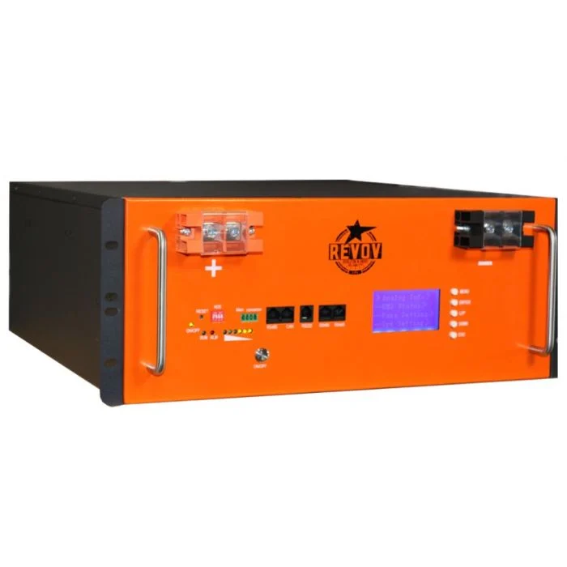
 |  |  |  |  | The Revov 2nd Life R100 Battery - 51.2V, 100Ah, 5.1kWh is an energy storage Lithium Iron Phosphate battery using a superior 16 automotive grade cell configuration, designed to withstand harsher conditions, extreme temperatures and with a higher energy density. A lithium iron battery has a service lifespan of 15 to 25 years, depending on how it is used. A REVOV 2nd LiFe battery spends its first life powering 1800 cycles in electrical vehicles (EV). Its 2nd LiFe is perfect for static energy storage solutions, at a greatly reduced cost compared to new LiFe batteries. REVOV 2nd LiFe batteries are environmentally responsible, reducing electronic waste and repurposing important materials. With a 5kWh capacity, you can start your DC backup system with one battery and then grow according to your usage requirements. Applicable with solar, wind or hybrid storage.

 |  |  |  |  | FEATURES

 |  |  |  |  | Automotive Grade Cells 16 cell configuration
 |  |  |  |  | Integrated CAN bus and RS485 BMS
 |  |  |  |  | LCD display shows battery information such as state of charge configuration
 |  |  |  |  | Pre-configured with optimal parameters
 |  |  |  |  | Warranted for daily cycling
 |  |  |  |  | Compatible with leading inverter brands
 |  |  |  |  | Built in protection Over-discharge / over-charge protection, temperature protection, short circuit protection

 |  |  |  |  | SPECIFICATIONS

 |  |  | 7000+ cycles |  | Designed Cycle Life
 |  |  | 51.2V |  | Nominal Voltage
 |  |  | 100Ah |  | Nominal Capacity
 |  |  | 5.1kWh |  | Energy
 |  |  | 100A |  | Max Current
 |  |  | 3 Hours at 40A |  | Recommended Recharge
 |  |  | 54.3V- 55.5V |  | Boost / Absorption Voltage
 |  |  | 54.0V- 54.5V |  | Float Voltage
 |  |  | 48V |  | Suggested Discharge cut-off Voltage
 |  |  | 40A |  | Recommended Charging Current
 |  |  | 0.6C |  | Recommended Discharge Rate
 |  |  | Length x Width x Height 495mm x 442mm x 170mm |  | Size
 |  |  | 42kg |  | Weight

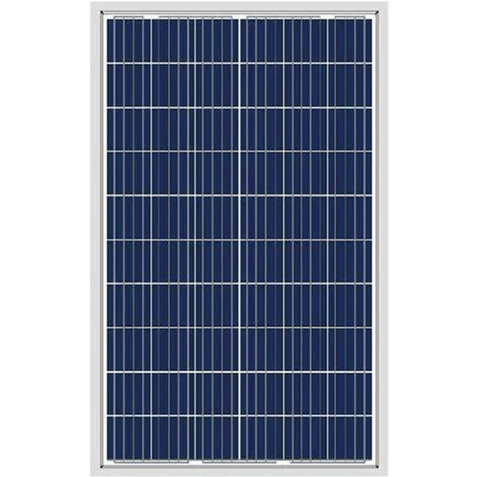
SOL-P-M-160 | Mecer 160Watt Solar Panels Poly |  |  |  | Mecer 160Watt Solar Panels Poly | R1,480.00 | TO ADD
 |  |  |  | Other options
 |  |  |  | SOL-P-M-275 | Mecer - Solar 275W PV Poly Module | R2,150.50 | online | 3100
 |  |  |  | SOL-P-M-330 | Mecer Solar 330W PV Module Poly | R2,428.80 | online | 3500
 |  |  |  | SOL-P-M-450 | Mecer Solar 450W PV Module MONO | R3,449.66 | online | 4500
 |  |  |  | SOL-P-R-545 | RenewSys Solar 540W PV Module MONO | R4,237.75 | TO ADD
 |  |  |  | SOL-P-M-545 | Mecer - Solar 545W PV Modules MONO | R4,237.75 | online | 5400

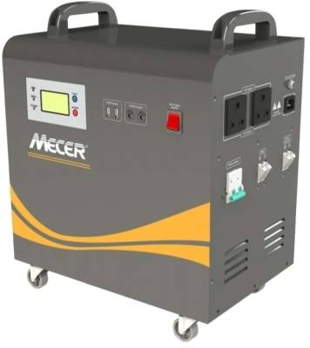
SOL-I-BB-M1 | Mecer 1Kw Inverter 12V 1x100A Battery GEL includes 360W PWM Solar Charge Controller | 220Vac |  |  |  |  | R8,855 | online | 11500
 |  |  |  | Other options
 |  |  |  | SOL-I-BB-M2 | Mecer 2Kw 24V 2x100A Bat GEL includes 800W MPPT Solar Charge Controller | 220Vac | R17,077.50 | online | 21000

 |  |  |  | SOL-I-BB-M1L | Mecer 1Kw 25.6V 50Ah Lithium Battery 820W MPPT | R14,231.25 | TO ADD
 |  |  |  | SOL-I-BB-M2L | Mecer 2Kw 25.6V 100Ah Lithium Battery 820W MPPT | R27,071.00 | TO ADD

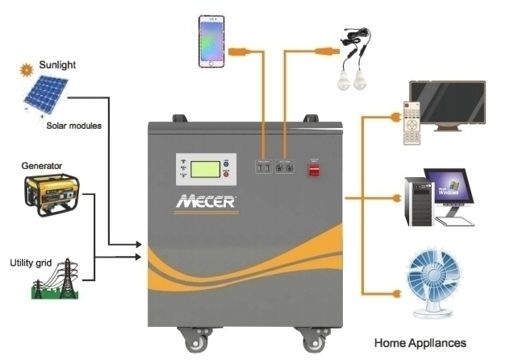

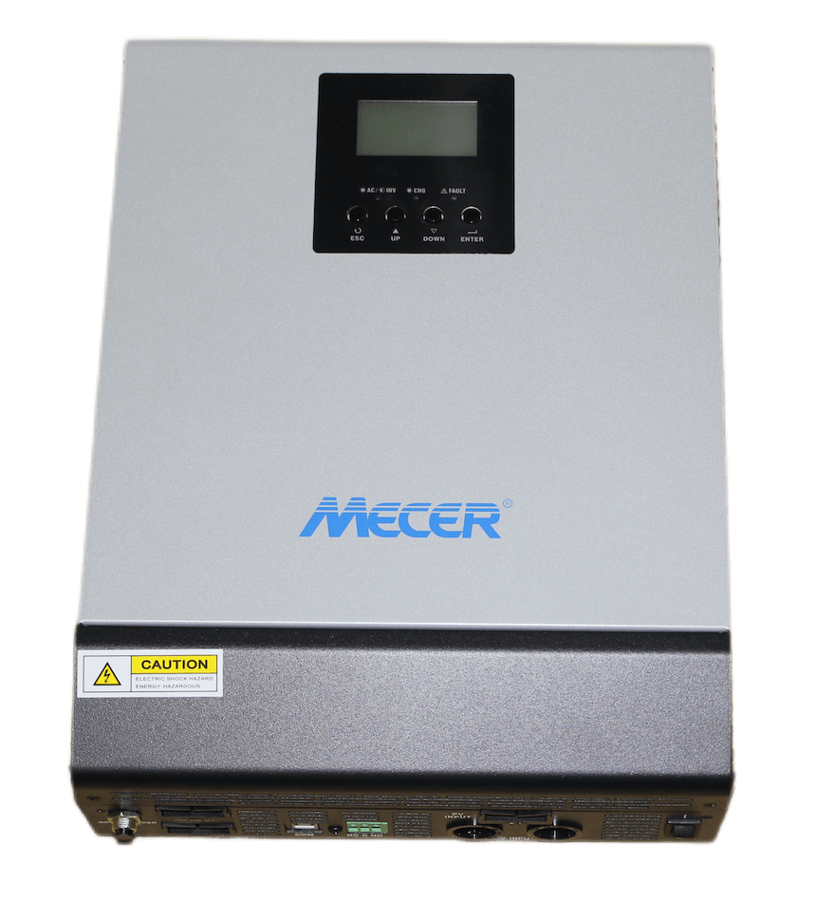
SOL-I-AX-1VP | Mecer HYBRID 1000VA / 1000W Inverter Charger 600W PWM | 220Vac 12VDC (NO Parallel Capability) |  |  |  |  | R3,966 | TO ADD
 |  |  |  | other options
 |  |  |  | SOL-I-AX-3VP | MECER HYBRID 3000VA / 3000W Inverter Charger 1 200W PWM | 220Vac 24V DC (NO Parallel Capability) | R5,996.10 | online | 7500
 |  |  |  | SOL-I-AX-5VP | MECER HYBRID 5000VA / 5000W Inverter Charger 2 400W PWM Controller | 220Vac 48V DC (NO Parallel Capability) | R10,183.25 | TO ADD
 |  |  |  | SOL-I-AX-5M4 | MECER HYBRID 5600VA / 5600W Solar Inverter 6 000W MPPT | 220Vac 48V DC | R16,381.75 | TO ADD
 |  |  |  | SOL-I-AX-5.RM | MECER King 5K 19" Rack Mount Inverter 4 000W MPPT | 220Vac 48VDC | R15,875.75 | TO ADD

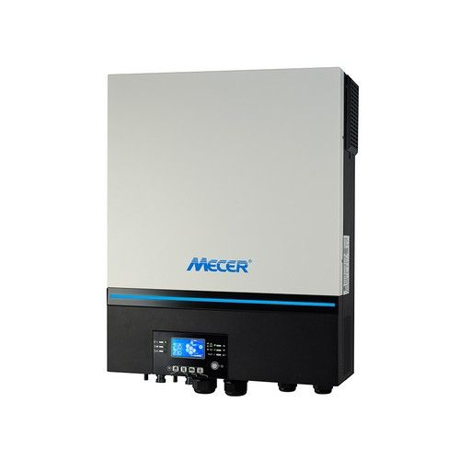
 |  |  |  | SOL-I-AX-8M | MECER Off Grid 8kVA / 8kW 8000 MPPT (2 x 4 000) | 230Vac 48V DC | R21,821 | ONLINE | 25900
 |  |  |  | other options
 |  |  |  | SOL-I-AX-8M2 | MECER Max 2 8kVA / 8kW 8000 MPPT (2 x 4 000) | 230Vac 48V DC | R25,236.75 | ONLINE | 29500
 |  |  |  | SOL-I-AX-11M | MECER Off Grid 11KVA / 11KW 11 000 MPPT (2 x 5 500) | 230Vac 48V DC | R30,676.25 | TO ADD

 |  |  |  | Overview | Features:
 |  |  |  |  | -Customizable status LED bar with RGB light.

 |  |  |  |  | -Built-in Wi-Fi for mobile monitoring (Android/iOS Apps are available).

 |  |  |  |  | -Supports USB On-the-Go function.

 |  |  |  |  | -Reserved communication port for BMS.

 |  |  |  |  | -Battery independent function

 |  |  |  |  | -Configurable AC/PV output usage timer and prioritization

 |  |  |  |  | Selectable high-power charging current

 |  |  |  |  | Compatible to Utility mains or generator input
 |  |  |  | Brand | Mecer
 |  |  |  | Additional Info | Parallel operation up to 6 units (Parallel card included). Selectable Voltage Range: 170-280V AC (For Personal Computers); 90-280V AC (For Home Appliances). Transfer Time: 15ms (For Personal Computers); 20ms (For Home Appliances)
 |  |  |  | Dimension | 147.4mm x 432.5mm x 553.6mm
 |  |  |  | Family Type | Hybrid Inverter
 |  |  |  | Original SKUs | SOL-I-AX-8M
 |  |  |  | Voltage | 230VAC, 48V DC
 |  |  |  | Wattage | 8000W
 |  |  |  | Colour | Grey/Black

SOL-B-L-P5000 | Lithium Battery Pylon UP5000 4.8kWh Li-Ion Solar Battery 48V 100A |  |  |  | R29,500 | online | 34600
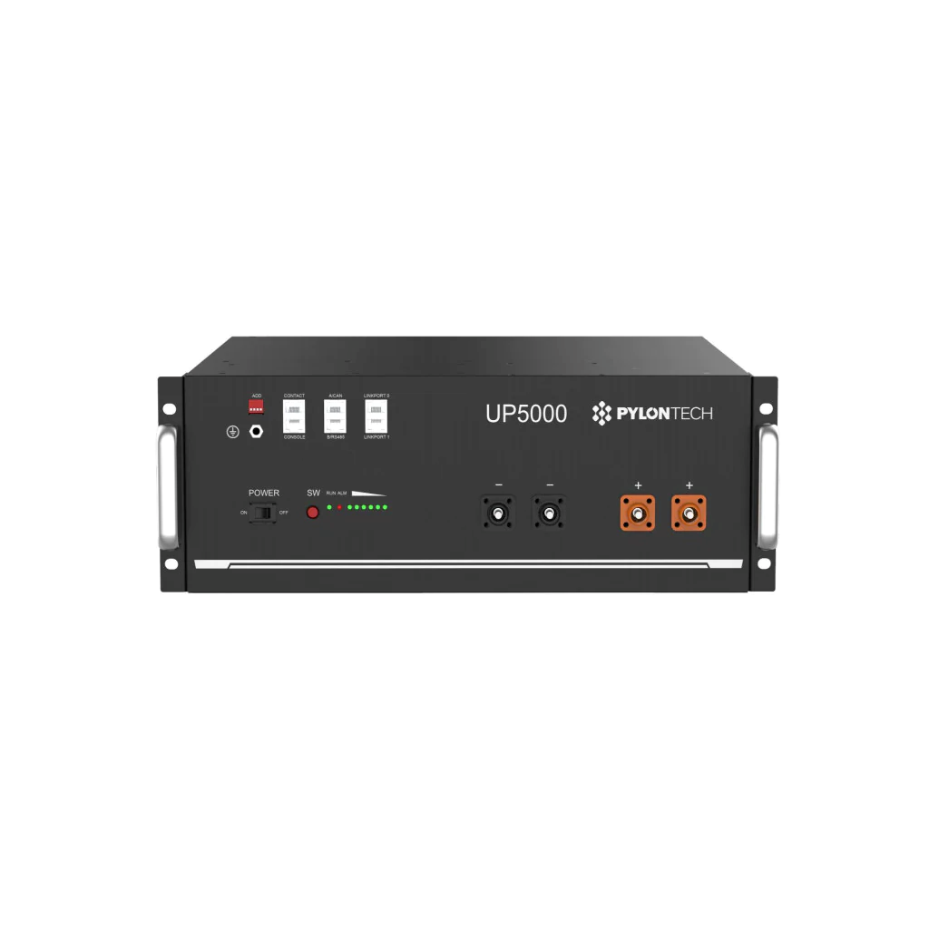
 |  |  |  |  | The Pylontech UP5000 4.8kWh Li-Ion Solar Battery is the new battery in the UP series from Pylontech. The UP5000 is a 48V battery with incredible features to provide a competitive edge in the market.
 |  |  |  |  | Modular design for ease of expansion
 |  |  |  |  | Higher usable capacity resulting in less battery modules installed
 |  |  |  |  | Usable capacity 4560Wh
 |  |  |  |  | Parallel Capability of up to 16 units
 |  |  |  |  | Allows for large installation of up to 72.96kWh with no LV Hub
 |  |  |  |  | Intelligent BMS protecting battery cells
 |  |  |  |  | 95% DoD with more usable capacity
 |  |  |  |  | RS485 and CAN compatible
 |  |  |  |  | Comes with a 5-year warranty non-extendable
 |  |  |  |  | Required Parts
 |  |  |  |  | Pylontech Cable Pack for US2000B / US3000 / Phantom-S Solar Batteries 2m
 |  |  |  |  | Important!
 |  |  |  |  | MAX DISCHARGE RATE IS ONLY APPLICABLE FOR +- 60 SECONDS. The maximum allowed voltage is 53.5V, please ensure that you check the inverter settings are below this BEFORE plugging in the UTILITY/SOLAR to the inverter. Please ensure that you have the correct BMS cable for the correct inverter.
 |  |  |  |  | Specifications
 |  |  |  |  | Weight: 42 kg
 |  |  |  |  | Battery Type: Lithium Ion
 |  |  |  |  | Nominal Energy: 4800 Wh
 |  |  |  |  | Depth of discharge: 95.00 %
 |  |  |  |  | Voltage: 48 V
 |  |  |  |  | Continuous Discharge Rate (Normal Use): 2400 W
 |  |  |  |  | Maximum Discharge Rate (5 Minutes): 3600 W
 |  |  |  |  | Surge Discharge Rate (15 Seconds): 4320 W
 |  |  |  |  | Maximum Charge Rate (5 Minutes): 3600 W

SOL-B-L-P3C | PylonTech US3000C 3.5kWh 48v lithium battery |  |  |  | R24,000 | online | 28000

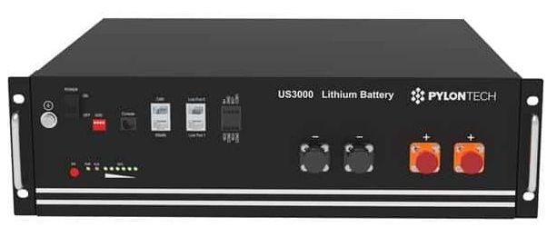
 |  |  |  |  | PylonTech US3000C 74Ah 3500Wh 48V Lithium Solar Battery Module
 |  |  |  |  | Advantage
 |  |  |  |  | Developed with our own LFP (lithium iron phosphate) cell to ensure the highest safety
 |  |  |  |  | Self-designed BMS protects the cell in all angels such as abnormal temperature, current, voltage, SoC, SoH
 |  |  |  |  | Vertical industry integration ensures more than 6000 cycles with 95% DoD
 |  |  |  |  | Modular design gives the end customers the power of choice of capacity
 |  |  |  |  | Compatible with most of the available Hybrid inverters
 |  |  |  |  | Simple buckle fixing minimize the installation time and cost
 |  |  |  |  | Backward compatibility with existing US series product
 |  |  |  |  | Pre-charge function to protect ESS system from surge current
 |  |  |  |  | Technical Specification
 |  |  |  |  | Nominal Voltage(V): 48V
 |  |  |  |  | Nominal Capacity (Wh): 3552
 |  |  |  |  | Usable Capacity (Wh): 3374.4
 |  |  |  |  | Discharge Voltage(V): 44.5 ~ 53.5
 |  |  |  |  | Charge Voltage(V): 52.5~53.5
 |  |  |  |  | Charge / Discharge Current(A): 37 (Recommend), 74 (Peak@15s)
 |  |  |  |  | Communication Port: RS485,CAN

Freedom won 12V 7.5Ah Gate Motor or Garage door lithium battery 5yrs warranty unlimited usage |  |  |  |  | R950 | online | 1500
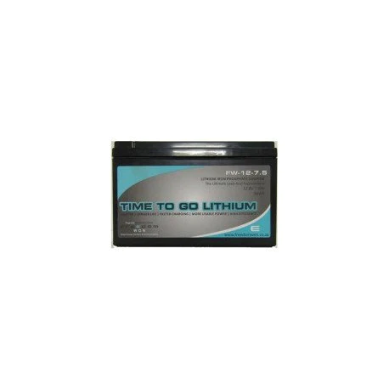
 |  |  |  |  | Freedom Won 12V 7.5Ah LiFEPO4
 |  |  |  |  | Freedom Wow Lithium Iron Gate motor and alarm back-up battery

 |  |  |  |  | Features
 |  |  |  |  | Nominal Voltage: 12 V.
 |  |  |  |  | Nominal Capacity: 7.5 Ah.
 |  |  |  |  | Energy: 98 Wh.
 |  |  |  |  | Cycle Life: >2000 cycles @ 0.2°C 100% DOD.
 |  |  |  |  | Months Self Discharge: <3%.
 |  |  |  |  | Efficiency of Charge: 100% @ 0.5°C.
 |  |  |  |  | Efficiency of Discharge: 96 – 99% @ 1°C.
 |  |  |  |  | Cell Material: LiFePO4.
 |  |  |  |  | Plastic Case: ABS.
 |  |  |  |  | Dimensions: 151mm x 98mm x 101mm.
 |  |  |  |  | Weight: 1.6Kg.
 |  |  |  |  | Terminal: F2

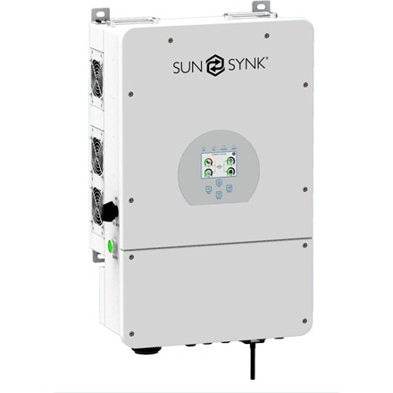
Sunsynk 8kW Hybrid Inverter |  |  |  |  | R42,300 | online | 49500
 |  |  |  |  | Higher yields
 |  |  |  |  | - Improve self-consumption ratio up to 80%, reducing your electricity bill.
 |  |  |  |  | - DC/AC ratio up to 1.3, completely suitable for double-side PV modular.
 |  |  |  |  | - Two MPPT design, Max. efficiency of 97.6%.
 |  |  |  |  | User-friendly
 |  |  |  |  | - LCD Touch screen and buttons, easy operation.
 |  |  |  |  | - Compatible with lithium-ion battery and lead acid battery.
 |  |  |  |  | - Web browser and mobile App monitoring supported.
 |  |  |  |  | Reliable
 |  |  |  |  | - PV lighting protection, Anti-islanding protection, Leakage current protection etc.
 |  |  |  |  | - Support store energy from DG when needed, ensure the system working within 7*24H.
 |  |  |  |  | - IP65 protection degree, adapt to indoor and outdoor using.
 |  |  |  |  | - Automatically switch from on-grid to off-grid mode within 5ms.
 |  |  |  |  | - Zero exporting function, fast reaction within 200ms in zero export mode.
 |  |  |  |  | Smart
 |  |  |  |  | - Programmable charging and discharging schedule.
 |  |  |  |  | - Both wind turbines and solar panels can be connected as DC input power.
 |  |  |  |  | - Max. 16 units can be paralleled for higher system power.
 |  |  |  |  | - Retrofitting of existing solar system to energy storage system.
 |  |  |  |  | Battery Input Data
 |  |  |  |  | - Battery Type: Lead-acid or Li-lon
 |  |  |  |  | - Battery Voltage Range (V): 40-60V
 |  |  |  |  | - Max. Charging Current (A): 190A
 |  |  |  |  | - Max. Discharging Current (A): 190A
 |  |  |  |  | - Charging curve: 3 Stages/Equalization
 |  |  |  |  | - External Temperature Sensor: Optional
 |  |  |  |  | - Charging Strategy for Lithium Battery: Self-adaption to BMS
 |  |  |  |  | PV String Input Data
 |  |  |  |  | - Max. DC Input Power (W): 10400W.
 |  |  |  |  | - PV input Voltage (V): 370V (100V-500V).
 |  |  |  |  | - MPPT Range (V): 125-425V.
 |  |  |  |  | - Start-up Voltage (V): 150V.
 |  |  |  |  | - PV Input Current (A): 22A + 22A.
 |  |  |  |  | - No. of MPPT Trackers: 2
 |  |  |  |  | - No. of Strings Per MPPT Tracker: 2+2.
 |  |  |  |  | AC Output Data
 |  |  |  |  | - Rated AC Output and UPS Power (W): 8000W
 |  |  |  |  | - Max AC Output Power (W): 8800W
 |  |  |  |  | - Peak Power(off-grid): 2 times of rated power, 10 S.
 |  |  |  |  | - AC Output Rated Current(A): 33.4A/35A
 |  |  |  |  | - Max.AC Output Current(A): 36.7A/38.5A.
 |  |  |  |  | - Max Continuous AC Pass-through(A): 50A.
 |  |  |  |  | - Output Frequency and Voltage: 50/60Hz; 120/240Vac(split phase), 208Vac(2/3 phase), 230Vac(single phase)
 |  |  |  |  | - Grid Type: THD<3%(Linear load<1.5%).
 |  |  |  |  | - Current Harmonic Distortion: THD<3% (Linear load<1.5%).
 |  |  |  |  | Efficiency
 |  |  |  |  | - Max. Efficiency: 97.60%
 |  |  |  |  | - Euro Efficiency: 97.00%
 |  |  |  |  | - MPPT Efficiency: 99.90%
 |  |  |  |  | Protection
 |  |  |  |  | - PV Arc Fault Detection: Integrated (Except European Type)
 |  |  |  |  | - PV Input Lightning Protection: Integrated
 |  |  |  |  | - Anti -islanding Protection: Integrated
 |  |  |  |  | - PV String Input Reverse Polarity Protection: Integrated
 |  |  |  |  | - Insulation Resistor Detection: Integrated
 |  |  |  |  | - Residual Current Monitoring Unit: Integrated
 |  |  |  |  | - Output over Current Protection: Integrated
 |  |  |  |  | - Output Shorted Protection: Integrated
 |  |  |  |  | - Output over Voltage Protection: Integrated
 |  |  |  |  | Certifications and Standards
 |  |  |  |  | - Grid Regulation: UL1741, IEEE1547, RULE21, VDE0126, AS4777, NRS2017, G98, G99, IEC61683, IEC62116, IE61727
 |  |  |  |  | - Safety Regulation: IEC62109-1, IEC62109-2
 |  |  |  |  | - EMC: EN61000-6-1, EN61000-6-3, FCC 15 class B
 |  |  |  |  | General Data
 |  |  |  |  | - Operating Temperature Range ( C ): -25—60 C , >45 C Derating
 |  |  |  |  | - Cooling: Fan
 |  |  |  |  | - Noise (dB): <30
 |  |  |  |  | - Communication with BMS: RS485; CAN
 |  |  |  |  | - Weight (kg): 32
 |  |  |  |  | - Size (mm): 680 X 4200 X 233mm
 |  |  |  |  | - Protection Degree: IP65
 |  |  |  |  | - Installation Style: Wall-mounted

 |  |  |  |  | Warranty

 |  |  |  |  | - 5 Year Warranty

Sunsynk 5kwh hybrid Inverter |  |  |  |  | R27,500 | online | 32800

 |  |  |  |  | Higer yields.
 |  |  |  |  | Improve self-consumption ratio up to 80%, reducing your electricity bill.
 |  |  |  |  | DC/AC ratio up to 1.3, completely suitable for double-side PV modular.
 |  |  |  |  | Two MPPT design, Max. efficiency of 97.6%.
 |  |  |  |  | User-friendly.
 |  |  |  |  | LCD Touch screen and buttons, easy operation.
 |  |  |  |  | Compatible with lithium-ion battery and lead acid battery.
 |  |  |  |  | Web browser and mobile App monitoring supported.
 |  |  |  |  | Reliable.
 |  |  |  |  | PV lighting protection, Anti-islanding protection, Leakage current protection etc.
 |  |  |  |  | Support store energy from DG when needed, ensure the system working within 7*24H.
 |  |  |  |  | IP65 protection degree, adapt to indoor and outdoor using.
 |  |  |  |  | Automatically switch from on-grid to off-grid mode within 5ms.
 |  |  |  |  | Zero exporting function, fast reaction within 200ms in zero export mode.
 |  |  |  |  | Smart.
 |  |  |  |  | Programmable charging and discharging schedule.
 |  |  |  |  | Both wind turbines and solar panels can be connected as DC input power.
 |  |  |  |  | Max. 16 units can be paralleled for higher system power.
 |  |  |  |  | Retrofitting of existing solar system to energy storage system.

 |  |  |  |  | Battery Input Data
 |  |  |  |  | Battery Type: Lead-acid or Li-lon
 |  |  |  |  | Battery Voltage Range (V): 40-60V
 |  |  |  |  | Max. Charging Current (A): 120A
 |  |  |  |  | Max. Discharging Current (A): 120A
 |  |  |  |  | Charging curve: 3 Stages/Equalization
 |  |  |  |  | External Temperature Sensor: Optional
 |  |  |  |  | Charging Strategy for Lithium Battery: Self-adaption to BMS
 |  |  |  |  | PV String Input Data
 |  |  |  |  | Max. DC Input Power (W): 6500W.
 |  |  |  |  | PV input Voltage (V): 370V (100V-500V).
 |  |  |  |  | MPPT Range (V): 125-425V.
 |  |  |  |  | Start-up Voltage (V): 150V.
 |  |  |  |  | PV Input Current (A): 11A + 11A.
 |  |  |  |  | No. of MPPT Trackers: 2
 |  |  |  |  | No. of Strings Per MPPT Tracker: 1+1.
 |  |  |  |  | AC Output Data
 |  |  |  |  | Rated AC Output and UPS Power (W): 5000W
 |  |  |  |  | Max AC Output Power (W): 5500W
 |  |  |  |  | Peak Power(off-grid): 2 times of rated power, 10 S.
 |  |  |  |  | AC Output Rated Current(A): 21.7.4A
 |  |  |  |  | Max.AC Current(A): 25A
 |  |  |  |  | Max Continuous AC Pass-through(A): 35A.
 |  |  |  |  | Output Frequency and Voltage: 50Hz; 240Vac,
 |  |  |  |  | Grid Type: THD<3%(Linear load<1.5%).
 |  |  |  |  | Current Harmonic Distortion: THD<3% (Linear load<1.5%).
 |  |  |  |  | Efficiency
 |  |  |  |  | Max. Efficiency: 97.60%
 |  |  |  |  | Euro Efficiency: 96.50%
 |  |  |  |  | MPPT Efficiency: 99.90%
 |  |  |  |  | Protection
 |  |  |  |  | PV Arc Fault Detection: Integrated (Except European Type)
 |  |  |  |  | PV Input Lightning Protection: Integrated
 |  |  |  |  | Anti -islanding Protection: Integrated
 |  |  |  |  | PV String Input Reverse Polarity Protection: Integrated
 |  |  |  |  | Insulation Resistor Detection: Integrated
 |  |  |  |  | Residual Current Monitoring Unit: Integrated
 |  |  |  |  | Output over Current Protection: Integrated
 |  |  |  |  | Output Shorted Protection: Integrated
 |  |  |  |  | Output over Voltage Protection: Integrated
 |  |  |  |  | Certifications and Standards
 |  |  |  |  | Grid Regulation: UL1741, IEEE1547, RULE21, VDE0126, AS4777, NRS2017, G98, G99, IEC61683, IEC62116, IE61727
 |  |  |  |  | Safety Regulation: IEC62109-1, IEC62109-2
 |  |  |  |  | EMC: EN61000-6-1, EN61000-6-3, FCC 15 class B
 |  |  |  |  | General Data
 |  |  |  |  | Operating Temperature Range ( C ): -25—60 C , >45 C Derating
 |  |  |  |  | Cooling: Fan
 |  |  |  |  | Noise (dB): <30
 |  |  |  |  | Communication with BMS: RS485; CAN
 |  |  |  |  | Weight (kg): 20.5
 |  |  |  |  | Size (mm): 580 X 330 X 208mm
 |  |  |  |  | Protection Degree: IP65
 |  |  |  |  | Installation Style: Wall-mounted
 |  |  |  |  | Warranty: 5 years

RCT MEGAPOWER S 54000mAh AC Power Bank; 2 x 230V AC Outlet - POWERBANK |  |  |  |  | R4,070 |  | online | 5200
 |  |  |  |  | RCT MEGAPOWER S 54000mAh AC Power Bank; 2 x 230V AC Outlet; 2.4A USB Type A and 1 x 3A USB Type C with PD support
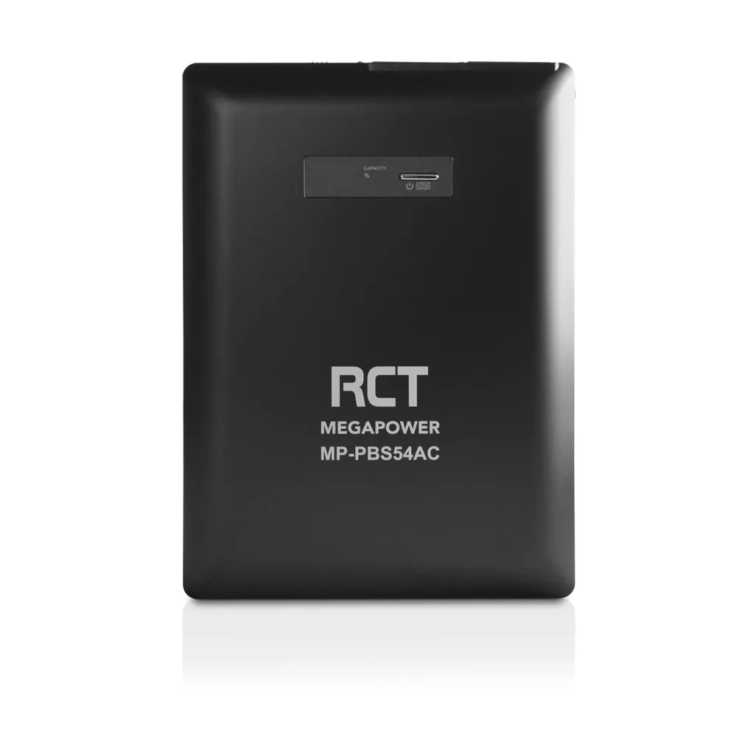
 |  |  |  | Other options
 |  |  | RCT MP-UPS54AC | RCT MegaPower Lithium UPS 54000 mAh 250W; 2 x 230V AC Outlet; 2 x 2.4A USB Type A; 1 x 3A USB Type C P |  | R4,300.00 | online | 5800
 |  |  | RCT MP-UPS80AC | RCT MegaPower Lithium UPS 80000 mAh 250W; 2 x 230V AC Outlet |  | R5,700.00 | TO ADD
 |  |  | RCT MP-PB20PD | RCT MEGAPOWER 20000mAh Power Bank 1 x USB A 1x USB C |  | R2,100.00 | online | 2950

Solar flood light CNBM |  |  |  |  | R1,600 | TO ADD

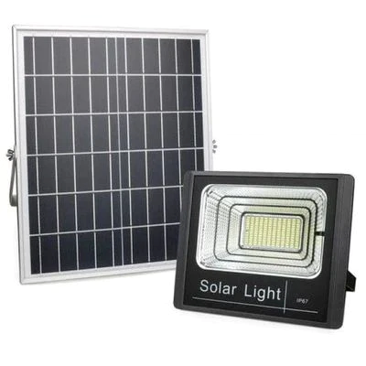
 |  |  |  |  | Solar floodlight’s your perfect solar lighting solution.

 |  |  |  |  | High-quality solar cell and aluminum – Aluminium alloy body prevent bask in rain
 |  |  |  |  | Solar battery charging
 |  |  |  |  | High-efficiency solar cell
 |  |  |  |  | Application for Garden, Park, Road and many other places
 |  |  |  |  | Easy installation and adjustable-Easily install the solar flood light and solar panel anywhere in minutes
 |  |  |  |  | Direct mount onto a wall or another surface
 |  |  |  |  | Solar Panel and LED are mounted separately to get the correct angle
 |  |  |  |  | Adjust the angle as needed to position the light

 |  |  |  |  | Features:
 |  |  |  |  | - Size of Lamp: 225MM 192MM 72MM
 |  |  |  |  | - Size of Solar Panel: 340MM 290MM 17MM
 |  |  |  |  | - Types of Activity: Light Operated and Remote Control
 |  |  |  |  | - Material: Antioxidant Die Cast Aluminum and Tempered Glass
 |  |  |  |  | - Irradiation Area: 80 Square Meter (As 100W Incandescent Lamp does)
 |  |  |  |  | - Solar Panel: 6V/16W Poly Cell
 |  |  |  |  | - Battery: 9000MAH Lithium lron Phosphate Battery
 |  |  |  |  | - Accessories: 5M Waterproof Wire/Remote/Expansion Screws
 |  |  |  |  | - Types of Brightness: Fully Bright/Half Bright
 |  |  |  |  | - Lighting Time: 1+2+3+2+2+2 Hours
 |  |  |  |  | - Lighting Time on Rainy Day: 1-2 Days
 |  |  |  |  | - Type and Quantity of Lamp Beads: 5630/63 Beads
 |  |  |  |  | - Lumen: 600LM

 |  |  |  |  | Specifications:
 |  |  |  |  | - 1x solar panel
 |  |  |  |  | - 1x Floodlight
 |  |  |  |  | - 1x remote
 |  |  |  |  | - 2x batteries
 |  |  |  |  | - 1x user manual

ECOFLOW RIVER 2 Portable Power Station - 256Wh LFP battery - |  |  |  |  | R6,800 | online | 8300

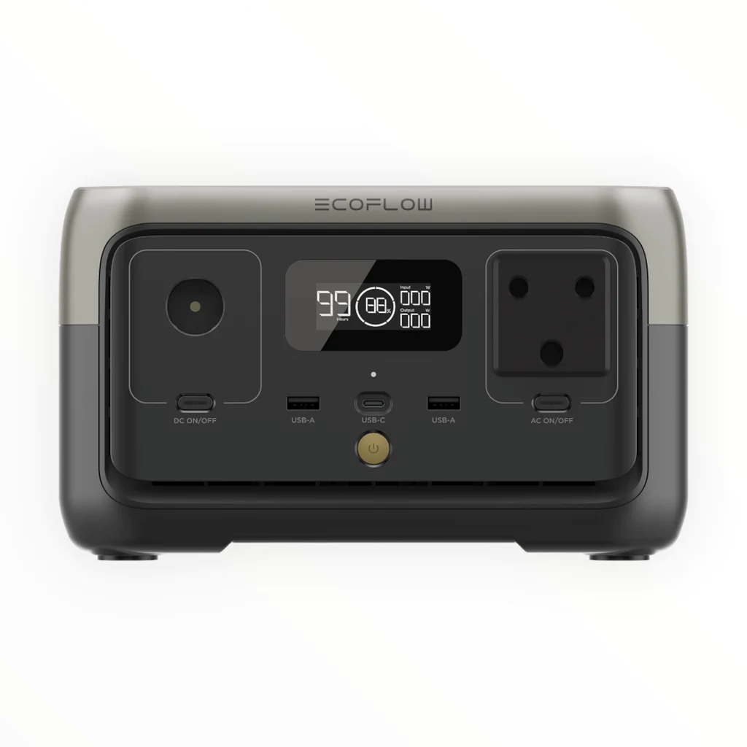
 |  |  |  |  | Charge 0-100% in only 60 mins
 |  |  |  |  | Charge without limits
 |  |  |  |  | Run up to 99% of your consumer electronics
 |  |  |  |  | Grab-and-go-power
 |  |  |  |  | Essential home backup with a 30ms switch-over mode
 |  |  |  |  | Power at your fingertips
 |  |  |  |  | Capacity: 256Wh
 |  |  |  |  | Net Weight: Approximately 3.5kg
 |  |  |  |  | Dimensions: 9.6 x 8.5 x 5.7inches
 |  |  |  |  | AC Charging: 100-120V 50Hz/60Hz, 360W Max
 |  |  |  |  | Solar Input: 8A Max,11-30V 110W
 |  |  |  |  | Car Output: 12V/24V, 8A, 100W Max
 |  |  |  |  | USB-C Input/Output: 5/9/12/15/20V 3A, 60W Max
 |  |  |  |  | AC Output: 120V 50Hz/60Hz, 300W (Surge 600W)
 |  |  |  |  | DC Output: 12.6V 8A, 100W Max
 |  |  |  |  | USB-A Output: 5V 2.4A 12W Max
 |  |  |  |  | Cell Chemistry: Lithium iron phosphate
 |  |  |  |  | Battery Cycle Life: 80%+ capacity after 3000 cycles (LiFePO4 Battery)
 |  |  |  |  | App Control: Wi-Fi, Bluetooth
 |  |  |  |  | Discharge Temperature: -10°C to 45°C (14°F to 113°F)
 |  |  |  |  | Charge Temperature: 0°C to 45°C (32°F to 113°F)
 |  |  |  |  | Optimal Operating Temperature: 20°C to 30°C (68°F to 86°F)
 |  |  |  |  | Storage Temperature: -10°C to 45°C (20°C to 30°C is best)/14°F to 113°F (68°F to 86°F is best)

 | RCT MEGAPOWER 2KVA/2000W INVERTER TROLLEY WITH 2 X 100AH BAT |  |  |  | R18,000 | online | 21500
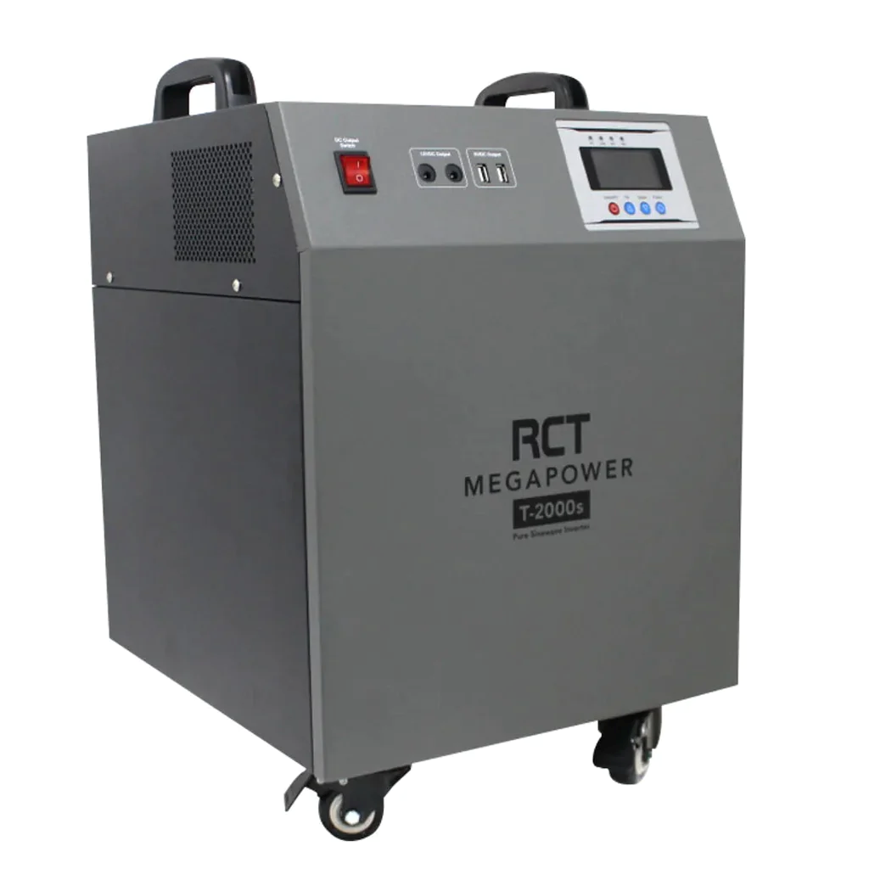
 |  |  |  |  | Features
 |  |  |  |  | Pure Sinewave for Sensitive Electronics & Motorised Loads.
 |  |  |  |  | Microprocessor Control Optimizes Reliability.
 |  |  |  |  | Input Power Factor Correction.
 |  |  |  |  | Output Power Factor 1.0.
 |  |  |  |  | Comprehensive Display Allows Easy Monitoring & Access of UPS Status.
 |  |  |  |  | Built-in MPPT solar charger.
 |  |  |  |  | 2 x USB 5 V DC output and 2 x 12 V DC output.
 |  |  |  |  | Battery cut off switch for safety.
 |  |  |  |  | Pre-installed batteries.
 |  |  |  |  | Inverter Battery
 |  |  |  |  | Rated power: 2000 W.
 |  |  |  |  | Output voltage: 220 VAC.
 |  |  |  |  | Output frequency: 50 / 60 Hz.
 |  |  |  |  | Output waveform: Pure Sine Wave.
 |  |  |  |  | Battery Voltage: 24V.
 |  |  |  |  | Battery Specifications: 100Ah 12V x 2.
 |  |  |  |  | Solar Input
 |  |  |  |  | Maximum photovoltaic voltage (VDC): ≤ 150 V
 |  |  |  |  | Charge voltage (VDC): 35 V - 150 V
 |  |  |  |  | Rated charge current (A): 30 A
 |  |  |  |  | Maximum power (Wp): 800 Wp
 |  |  |  |  | Voltage overcharge protection (VDC): 28.4 V
 |  |  |  |  | Voltage overcharge recovery (VDC): 28.0 V
 |  |  |  |  | Voltage of floating charge (VDC): 27.4V
 |  |  |  |  | DC Output
 |  |  |  |  | Voltage of high-voltage protection (VDC): 32 V
 |  |  |  |  | Voltage of high-voltage recovery (VDC): 32.4 V
 |  |  |  |  | Voltage of low-voltage recovery (VDC): 25.2 V
 |  |  |  |  | Voltage of low-voltage protection (VDC): 22V
 |  |  |  |  | 5 V DC USB Output port: 2 Units / MAX 2 A
 |  |  |  |  | 12 VDC Output port: 2 DC Ports (Max 2 A)
 |  |  |  |  | Starting temperature of the exhaust fan: > 45ºC
 |  |  |  |  | Ambient temperature for operation: 0 - 40ºC
 |  |  |  |  | Ambient temperature for storage: -25 - +55ºC
 |  |  |  |  | Operation / storage conditions: 0-90% (No Condensation)
 |  |  |  |  | General
 |  |  |  |  | Charge by a mains supply rated voltage: 220VAC.
 |  |  |  |  | Charge Current: 30A(max).
 |  |  |  |  | Product dimensions: 380 mm x 380 mm x 520 mm.
 |  |  |  |  | Warranty
 |  |  |  |  | 1 Year (Electronics)
 |  |  |  |  | 6 Months (Batteries)
 |  |  |  |  | Battery (2 x 12V/100Ah Gel Battery)
 |  |  |  |  | Rated Voltage: 12V/Battery (Note this is a 24V System).
 |  |  |  |  | Capacity (10hr,1.80V/Cell): 100Ah.
 |  |  |  |  | Weight: 31.5Kg.
 |  |  |  |  | Max Discharge Current: 30I10A(3min).
 |  |  |  |  | Max Charge Current: ≤0.25A C10.
 |  |  |  |  | Self- Discharge (25℃): ≤3%/month.
 |  |  |  |  | Recommended Using Temperature: 15°C~25°C.
 |  |  |  |  | Cover Material: ABS.
 |  |  |  |  | Dimensions: 407mm x 174mm x 209mm.

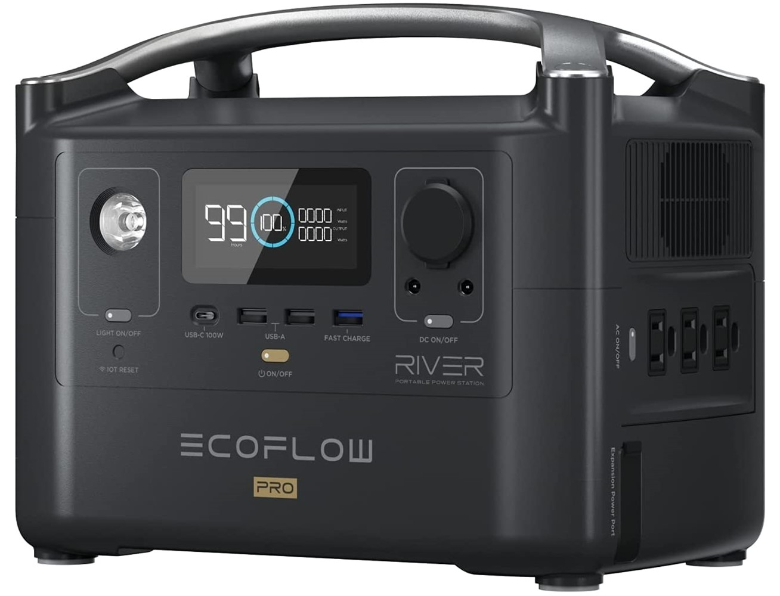
 | ECOFLOW RIVER PRO INT |  |  |  | R14,200 |  | online | 16900
 |  |  |  |  | Specification:
 |  |  |  |  | Battery Type | Lithium-Ion
 |  |  |  |  | Capacity | 720 Wh (28.8 V)
 |  |  |  |  | Input | AC: X-STREAM Charge 660 W Max, 100-120 VAC 50 Hz/60 Hz
 |  |  |  |  |  | Solar: 200 W, 10-25 VDC, 12 A Max
 |  |  |  |  |  | DC: 12V/24 VDC, 8 A Max
 |  |  |  |  | Outputs | 3 x AC Outlet: 600 W, 1200 W Surge Total, 120 VAC 50 Hz/60 Hz
 |  |  |  |  |  | 2 x USB Type-A: 5 VDC, 2.4 A Max, 12 W Max
 |  |  |  |  |  | 1 x Fast Charge USB Type-A: 5/9/12 VDC, 2.4 A Max, 28 W Max
 |  |  |  |  |  | 1 x USB Type-C: 5/9/12/15/20 VDC, 5 A, 100 W Max
 |  |  |  |  |  | 1 x Female Car-Style Socket: 13.6 VDC, 10 A (136 W Max)
 |  |  |  |  |  | 2 x DC 5512 13.6 V, 3 A
 |  |  |  |  | Charging Time | Wall Charger: 1.6
 |  |  |  |  |  | Car-Style DC Outlet: 6.55 Hours
 |  |  |  |  |  | Two EcoFlow 110W Solar Panels: 9 Hours, Full Sun
 |  |  |  |  | Operating Temperature Range | Charge: 32-113°F / 0-45°C
 |  |  |  |  |  | Discharge: -4-140°F / -20-60°C
 |  |  |  |  | Dimensions | 11.4 x 9.3 x 7.1" / 28.9 x 23.5 x 18.0 cm
 |  |  |  |  | Weight | 16.8 lb / 7.6 kg

