Results

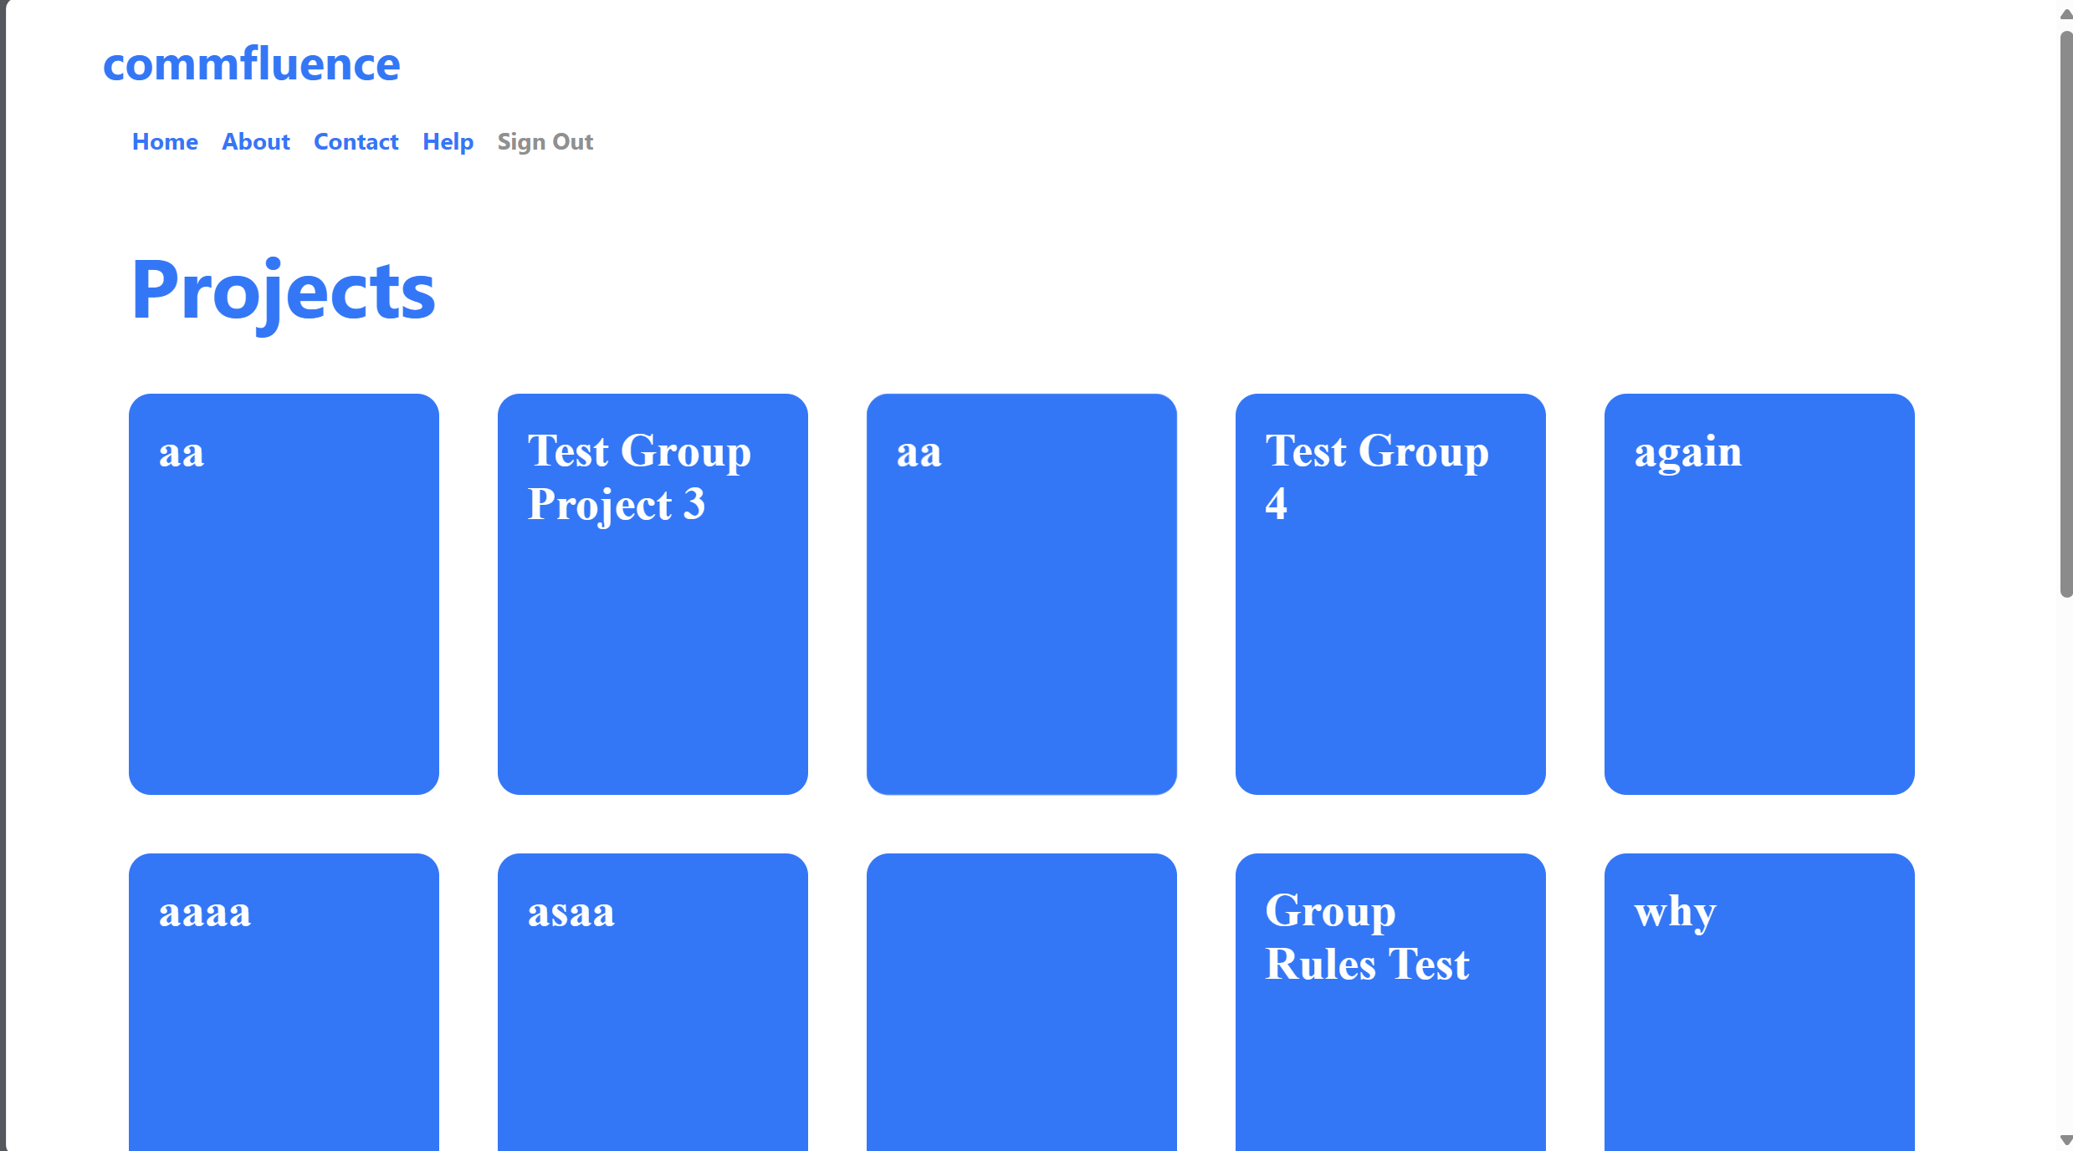
Succesfully Signed in

User information able to be entered

