Objectives
Obj. # | Objectives: The student will be able to. . . | Introduced In This Course; Reviewed From Previous Course; Built On From Previous Course (Dropdown Menu) | Required; Optional; Covered in Previous Course So Not Necessary To Teach (Dropdown Menu) | Bloom Level (drop-down menu) | Knowledge Type (drop-down menu) | How it will be assessed | Location in course (In which week or module) Optional For This Document | NOTES | Explanation: Hi XXX, Here are a few notes about this spreadsheet. TERMINAL AND SUPPORTING OBJECTIVES I used terminal objective and supporting objective here because I thought course learning objective and module learning objective would be too limiting. Doing it this way allows you to have an objective split across multiple modules. REQUIRED; OPTIONAL; COVERED IN A PREVIOUS COURSE SO NOT NECESSARY TO TEACH This may or may not be appropriate for your course. This column is helpful if you are considering extra credit assignments or a gamification elements which help students go above and beyond, working towards learning objectives which are not essential to the course. Required objectives should be a part of mandatory assignments; optional objectives could be connected to assignments which students have the choice to complete or not. If you do not think this column is helpful for your course, you do not need to fill it out. --------------- If any of this is confusing, please just email or call me. Sincerely, Greg 208-863-5270 gregsnow@boisestate.edu
TLO: 1 | Terminal objective: |  |  | [...] | [...]
1.1 | Supporting objective: |  |  |  | [...]
1.2 | Supporting objective: |  |  |  | [...]
1.3 | Supporting objective: |  |  |  | [...]
1.4 | Supporting objective: |  |  |  | [...]
1.5 | Supporting objective: |  |  |  | [...]
TLO: 2 | Terminal objective: |  |  | [...] | [...]
2.1 | Supporting objective: |  |  |  | [...]
2.2 | Supporting objective: |  |  |  | [...]
2.3 | Supporting objective: |  |  |  | [...]
2.4 | Supporting objective: |  |  |  | [...]
2.5 | Supporting objective: |  |  |  | [...]
TLO: 3 | Terminal objective: |  |  | [...] | [...]
3.1 | Supporting objective: |  |  |  | [...]
3.2 | Supporting objective: |  |  |  | [...]
3.3 | Supporting objective: |  |  |  | [...]
3.4 | Supporting objective: |  |  |  | [...]
3.5 | Supporting objective: |  |  |  | [...]
TLO: 4 | Terminal objective: |  |  | [...] | [...]
4.1 | Supporting objective: |  |  |  | [...]
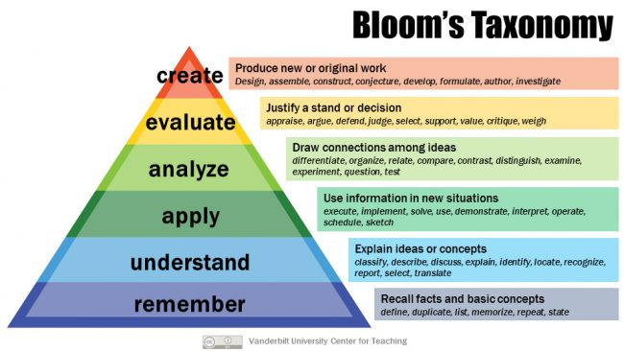
4.2 | Supporting objective: |  |  |  | [...]
4.3 | Supporting objective: |  |  |  | [...]
4.4 | Supporting objective: |  |  |  | [...]
4.5 | Supporting objective: |  |  |  | [...]
TLO: 5 | Terminal objective: |  |  | [...] | [...]
5.1 | Supporting objective: |  |  |  | [...]
5.2 | Supporting objective: |  |  |  | [...]
5.3 | Supporting objective: |  |  |  | [...]
5.4 | Supporting objective: |  |  |  | [...]
5.5 | Supporting objective: |  |  |  | [...]
TLO: 6 | Terminal objective: |  |  | [...] | [...]
6.1 | Supporting objective: |  |  |  | [...]
6.2 | Supporting objective: |  |  |  | [...]
6.3 | Supporting objective: |  |  |  | [...]
6.4 | Supporting objective: |  |  |  | [...]
6.5 | Supporting objective: |  |  |  | [...]
TLO: 7 | Terminal objective: |  |  | [...] | [...]
7.1 | Supporting objective: |  |  |  | [...] |  |  |  |  | Examples and/or brief explanation of each one
7.2 | Supporting objective: |  |  |  | [...] |  |  |  | Facts | Remember the isolated fact; Dr. Jeremiah Shinn is the president of Boise State University; Who is the president of Boise State University?
7.3 | Supporting objective: |  |  |  | [...]
7.4 | Supporting objective: |  |  |  | [...] |  |  |  | Concepts | Classify examples; Desribe the main features of a cable stayed bridge; Is example 1 a girder or an arch?
7.5 | Supporting objective: |  |  |  | [...]
TLO: 8 | Terminal objective: |  |  | [...] | [...] |  |  |  | Procedures | Perform a procedure; LIst the steps of a procedure; What is the first thing you should do in X situation?
8.1 | Supporting objective: |  |  |  | [...]
8.2 | Supporting objective: |  |  |  | [...] |  |  |  | Processes | Draw a flowchart; Identify which team handles each part of the process; Given change X, what would happen to the overall production rate?
8.3 | Supporting objective: |  |  |  | [...]
8.4 | Supporting objective: |  |  |  | [...] |  |  |  | Principles | Apply guidelines; During a negotiation, representative from Company A says, "XXXX" How would you proceed?
8.5 | Supporting objective: |  |  |  | [...]

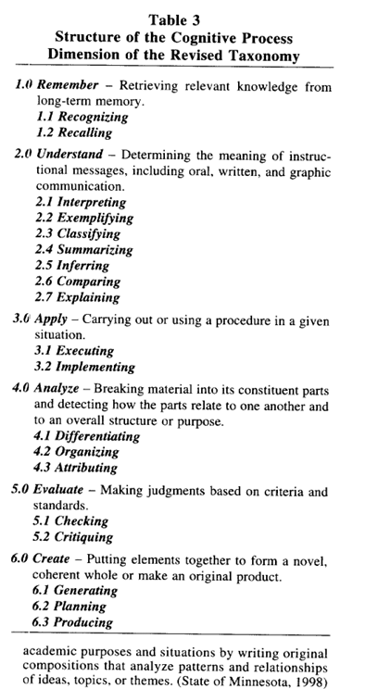

 |  |  |  |  |  |  |  |  | Krathwohl, D. R. (2002). A revision of Bloom's taxonomy: An overview. Theory into practice, 41(4), 212-218.

