Sheet1
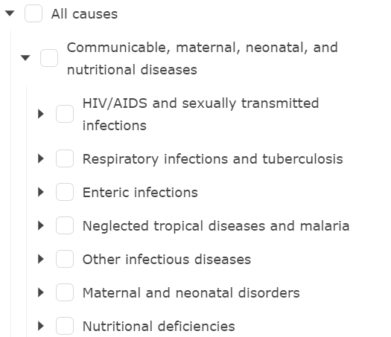
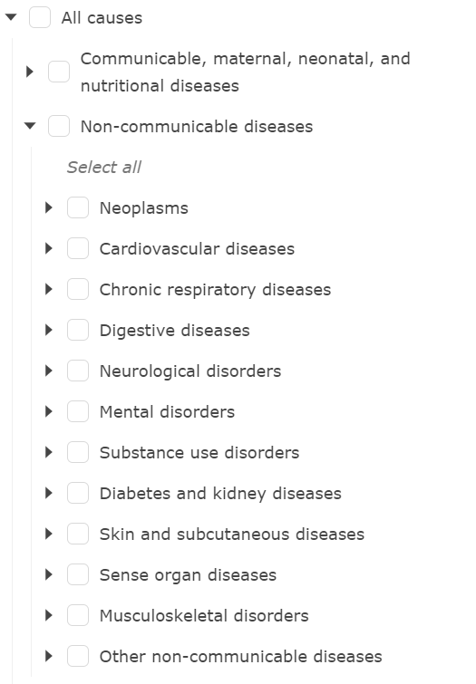
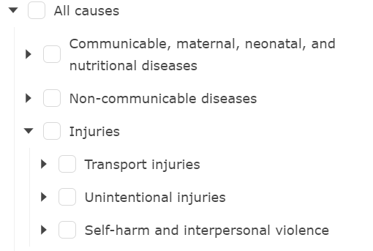
category | IHME_Causes | IFs_Causes | IFs_Causes_New
Communicable, maternal, neonatal, and nutritional diseases | HIV/AIDS and sexually transmitted infections | HIV | HIV
Communicable, maternal, neonatal, and nutritional diseases | Respiratory infections and tuberculosis | Respiratory Infection | Respiratory Infection
Communicable, maternal, neonatal, and nutritional diseases | Enteric infections | Diarrhea | Diarrhea
Communicable, maternal, neonatal, and nutritional diseases | Neglected tropical diseases and malaria | Malaria | Malaria
Communicable, maternal, neonatal, and nutritional diseases | Other infectious diseases | Other CD | Other CD
Communicable, maternal, neonatal, and nutritional diseases | Maternal and neonatal disorders |  | Other CD
Communicable, maternal, neonatal, and nutritional diseases | Nutritional deficiencies |  | Other CD
Non-communicable | Neoplasms | Malignant Neoplasms | Malignant Neoplasms
Non-communicable | Cardiovascular diseases | Cardiac | Cardiac
Non-communicable | Chronic respiratory diseases | Respiratory | Respiratory
Non-communicable | Digestive diseases | Digestive | Digestive
Non-communicable | Neurological disorders |  | Other NCD
Non-communicable | Mental disorders | Mental Health | Mental Health
Non-communicable | Substance use disorders |  | Other NCD
Non-communicable | Diabetes and kidney diseases | Diabetes | Diabetes
Non-communicable | Skin and subcutaneous diseases |  | Other NCD
Non-communicable | Sense organ diseases |  | Other NCD
Non-communicable | Musculoskeletal disorders |  | Other NCD
Non-communicable | Other non-communicable diseases | Other NCD | Other NCD
Injuries | Transport injuries | Road Injuries | Road Injuries
Injuries | Unintentional injuries | Other Unintentional Injuries | Other Unintentional Injuries
Injuries | Self-harm and interpersonal violence | Intentional Injuries | Intentional Injuries

