erp-stats
Channels | Similar pattern by visual inspection | Top-3 | PO7/8 | Cluster
 | ['P5','P6','P7','P8', 'PO3','PO4','PO7','PO8','PO9','PO10', 'O1','O2'] | different channels for each participant | ['PO7','PO8'] | ['P5','P7','P8', 'PO3','PO7','PO9', 'O1','P6','P8','PO4','PO8']
Time | t0, t1 = 0.19, 0.26 | t0, t1 = 0.19, 0.26 | t0, t1 = 0.19, 0.26 | t0, t1 = 0.19, 0.26
 | GLM
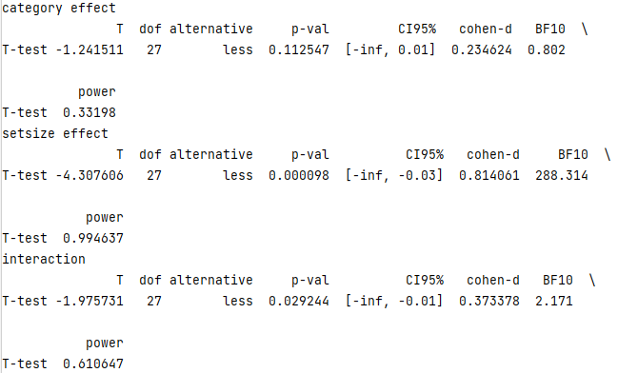
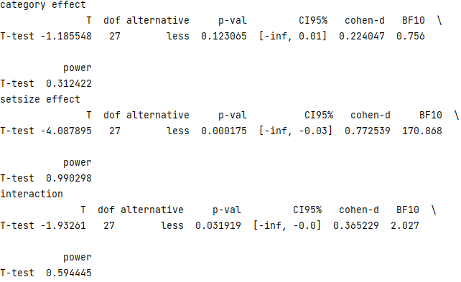
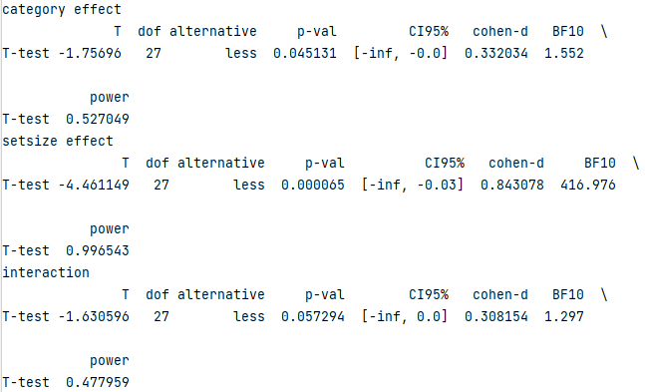

1-sample t-test (1-tailed)

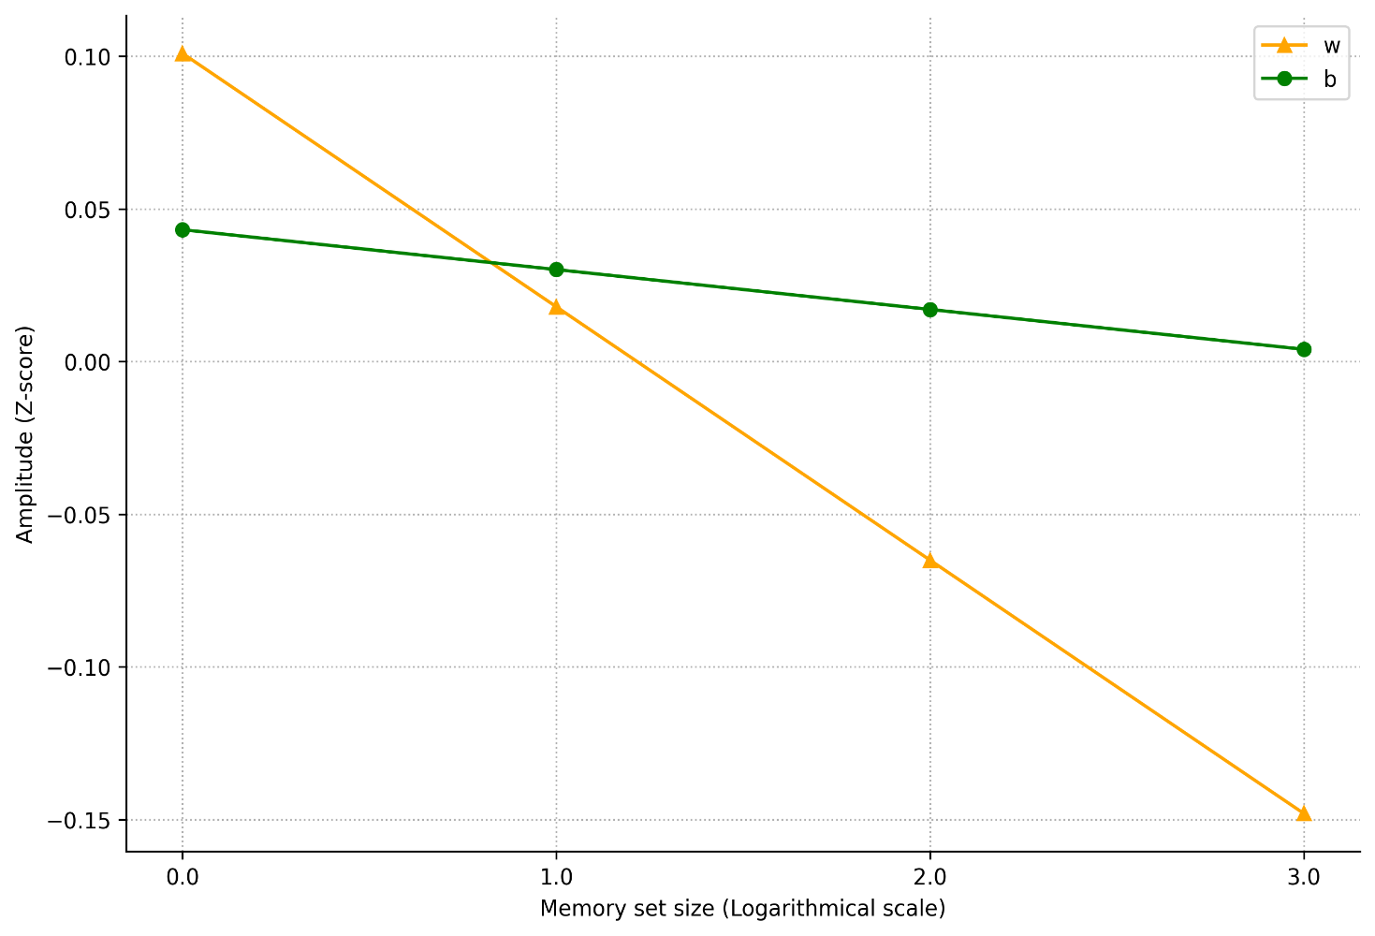

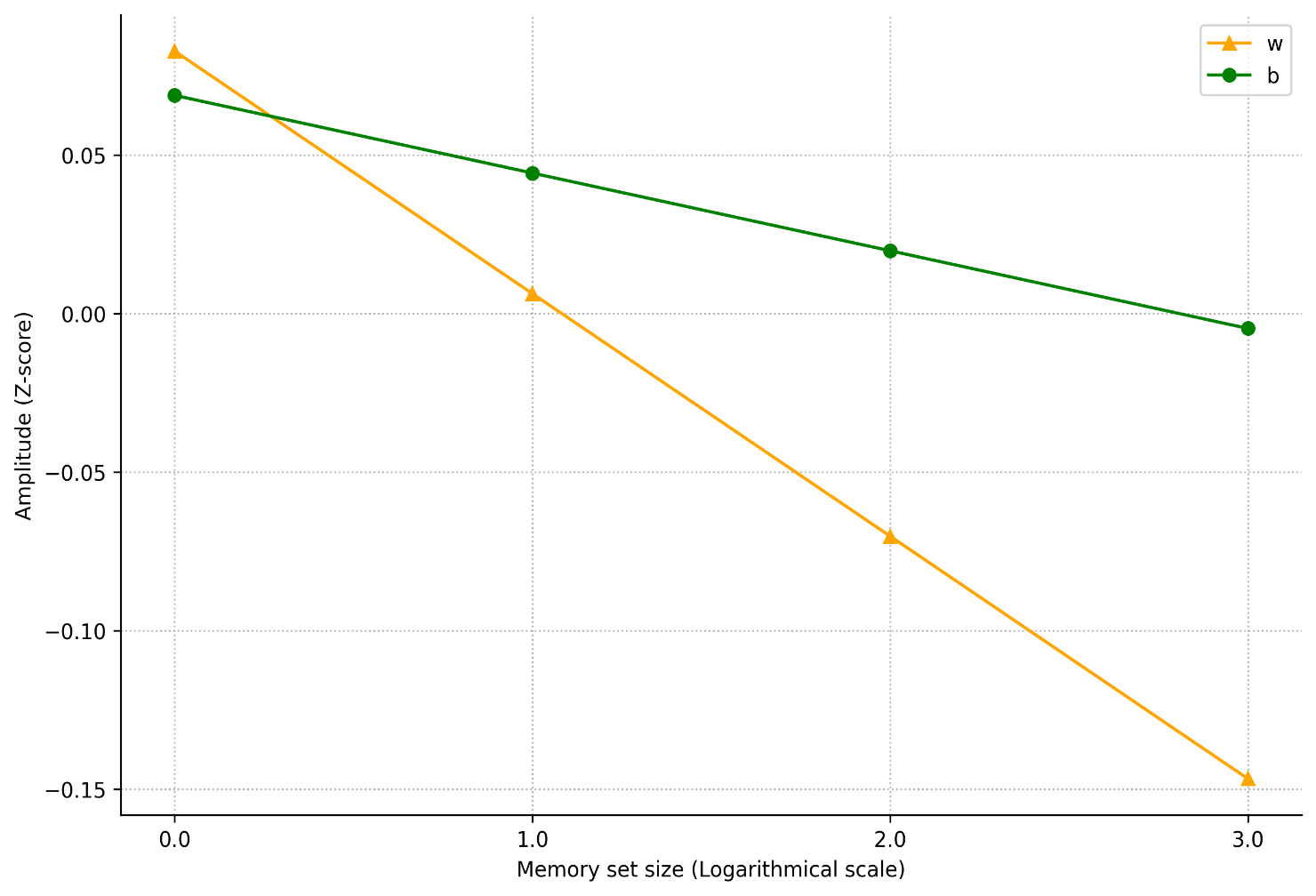
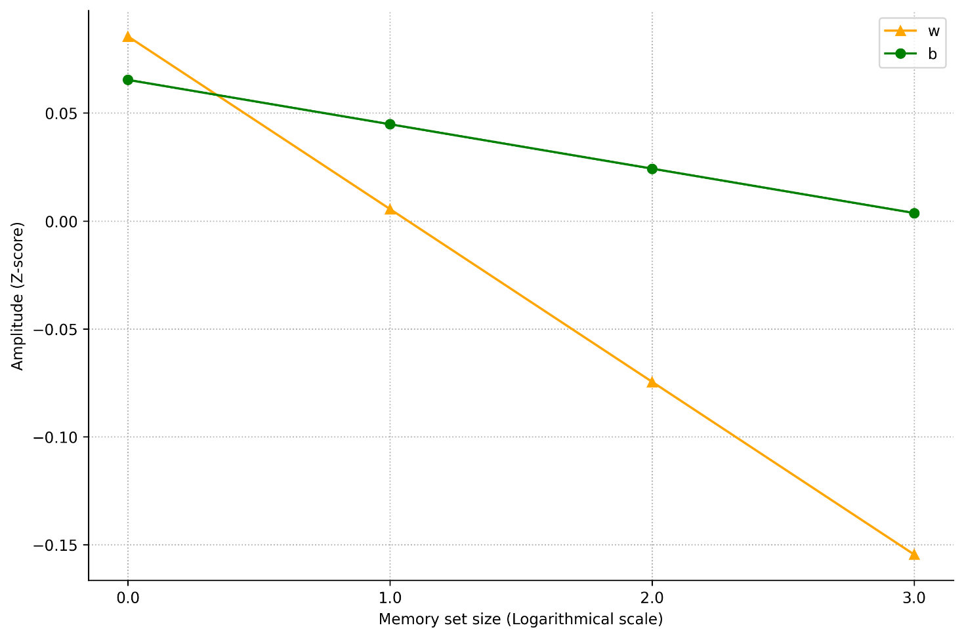
# plot stats_glm_func8_

Time by time (cluster-based) | interaction: na | interaction: na | interaction: na | interaction: na
# plot | category: na | category: na | category: na | category: na
glm_clu_ | setsize: 0.18-0.352 | setsize: 0.18-0.352 | setsize: 0.176-0.360 | setsize: 0.176,0.356
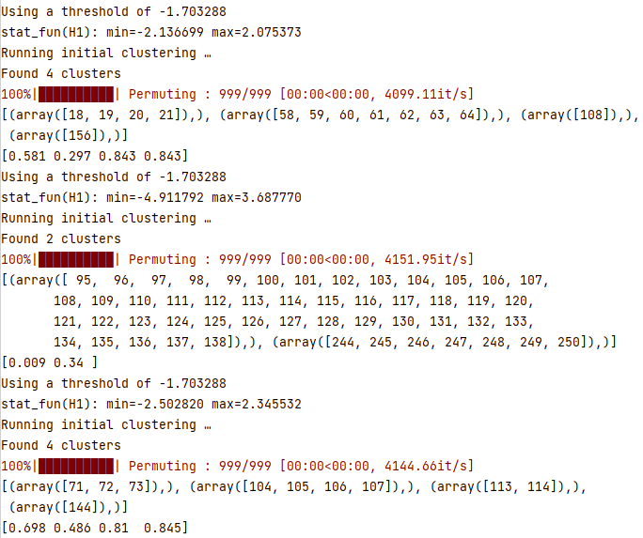
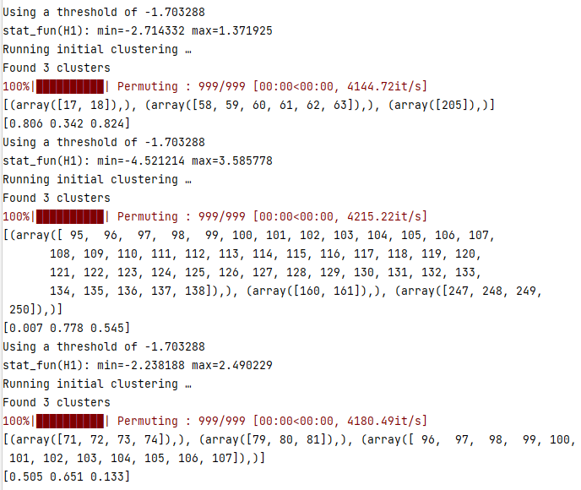
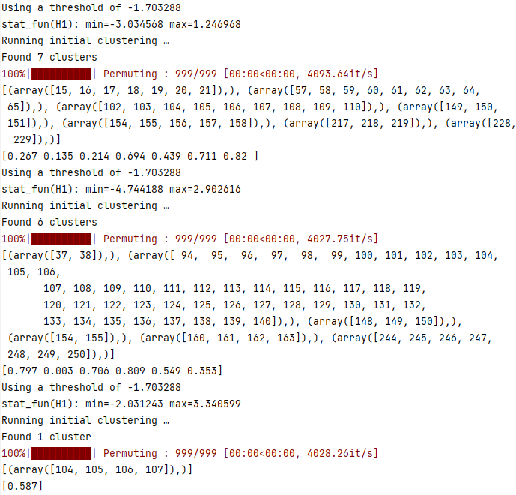
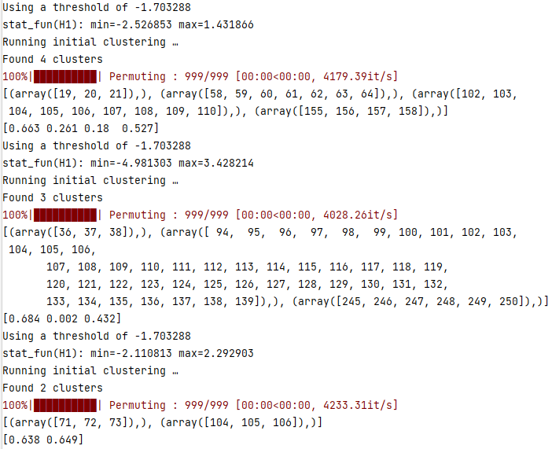

t0,t1 = 0.19,0.29
 | interaction: na | interaction: 0.192,0.228 | interaction: na | interaction: na
 | category: na | category: na | category: na | category: 0.208,0.240
 | setsize: 0.192,0.288 | setsize: 0.192,0.228 | setsize: 0.192,0.288 | setsize: 0.192,0.288
 | ANOVA
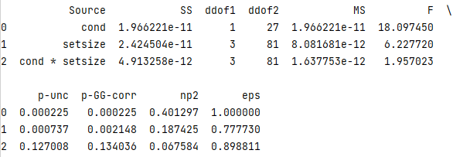
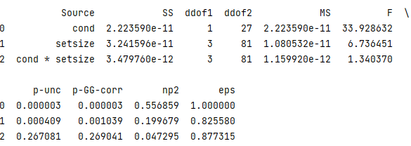
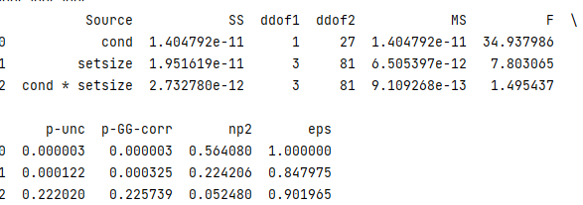
Repeated 2-way ANOVA

Time by time (cluster-based) | interaction: na | interaction: na | interaction: na | interaction: na
 | category: 0.156-0.256 | category: 0.156-0.264 | category: 0.156-0.260 | category: 0.156-0.256
 | setsize: 0.192-0.316 | setsize: 0.192-0.320 | setsize: 0.184-0.320 | setsize: 0.192-0.320
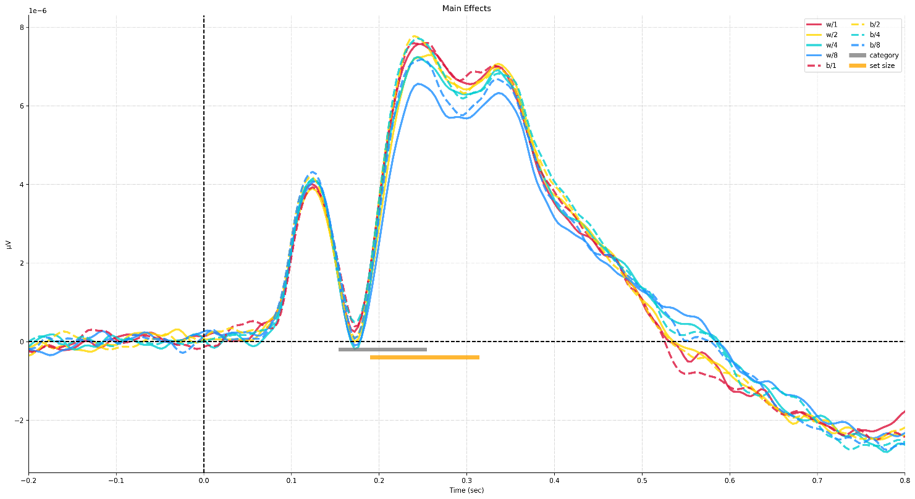
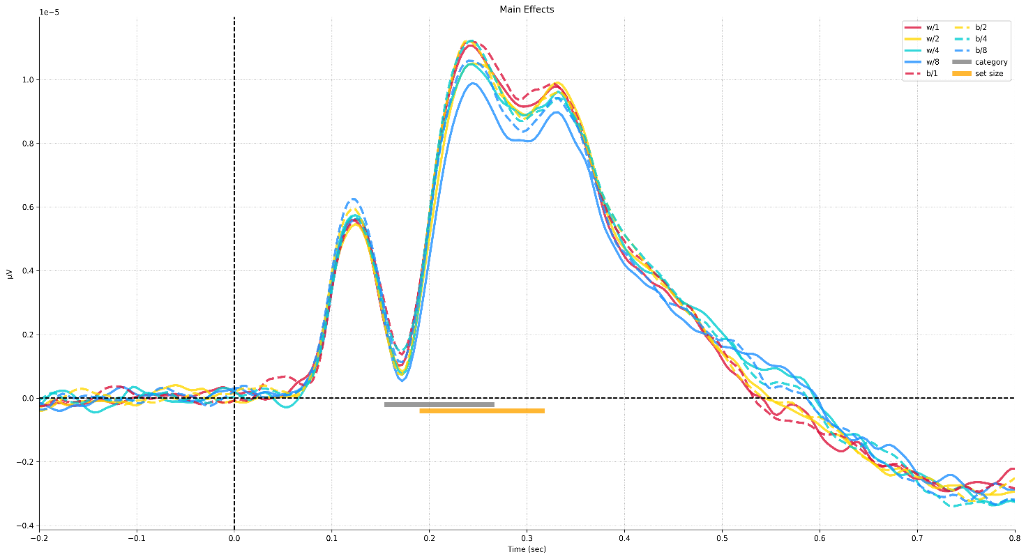
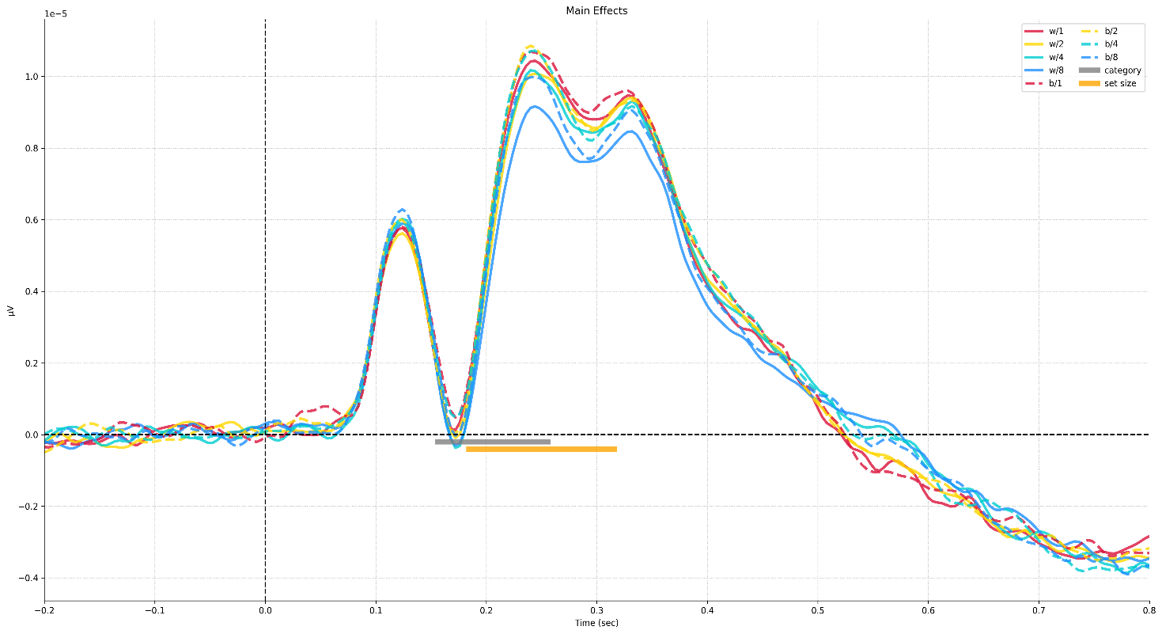
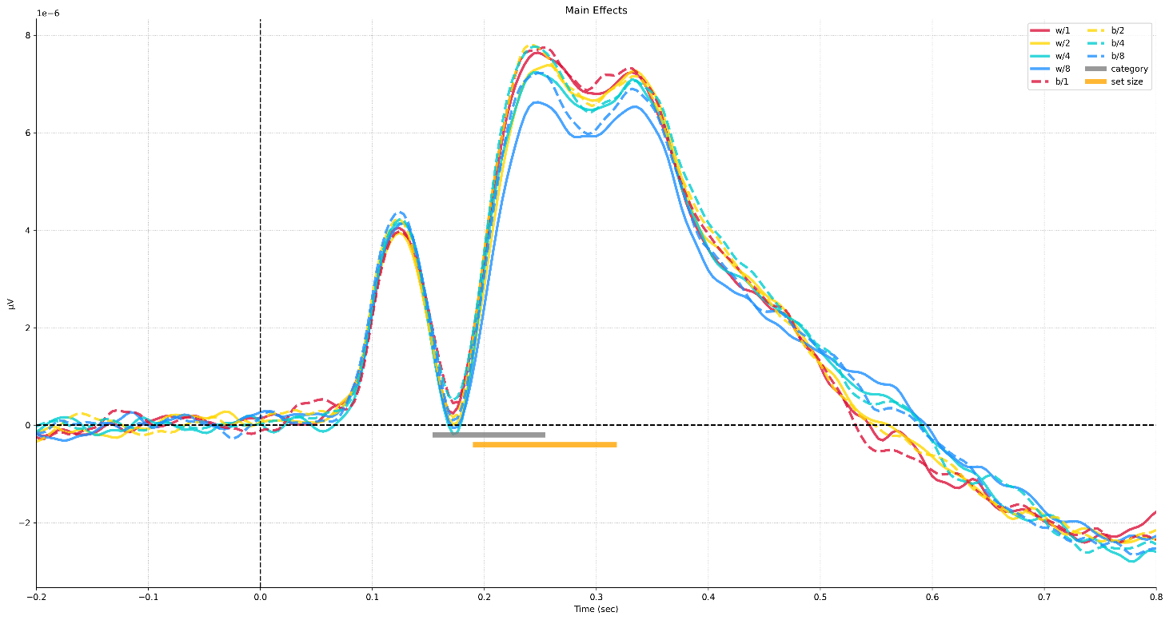

t0,t1 = 0.15,0.35 | the same as all time points

 | time-by-time anova | time-by-time anova | time-by-time anova | time-by-time anova
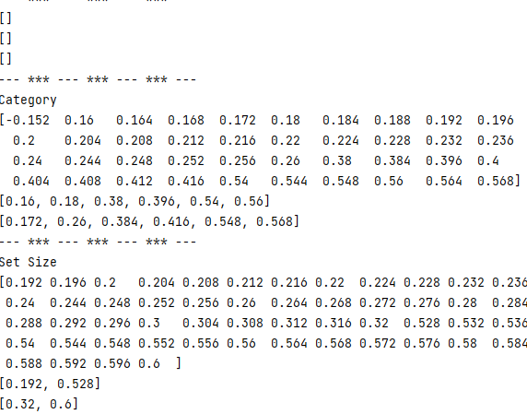
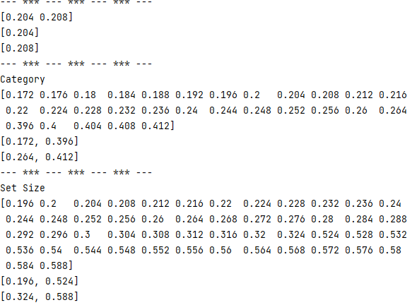
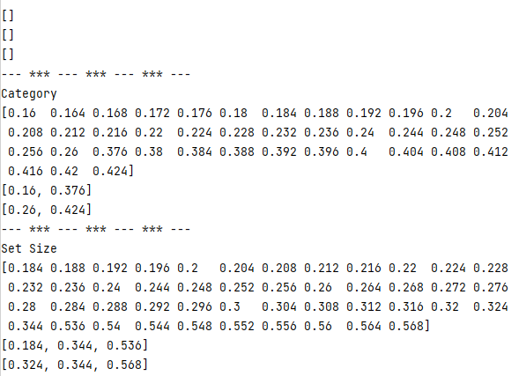
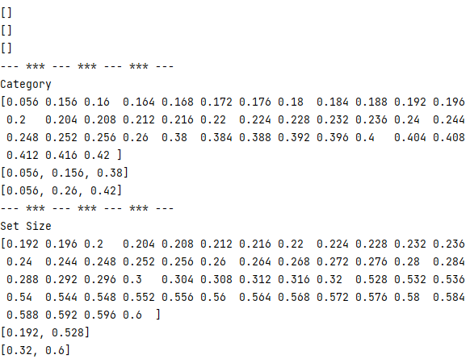

Correlation

