Sheet1
Name | Description | Image
Tempered Glass Door Network Cabinet | 1.19 inch standard floor standing server rack width 600/800mm. 2.Removable Side Panels, side locks optional; 3.Knock off hole for entering cable on both top cover and bottom panel. 4. Tempered glass/metal mesh front door; Turning angle of front and rear door is over 180 degrees, split rear metal mesh door for width800mm rack. 5.Easy mounting installation. 6. Unassembled package saving shipping space; 7.Vertical cable manager, fans, shelf, and PDU are optional. LOADING CAPACITY :800 KG DEGREE OF PROTECTION :IP20 MATERIAL :SPCC Cold Rolled Available in : AS.6618,AS.6818,AS.6018,AS.8818,AS.8018,AS.6622,AS.6822,AS.6022,AS.8822,AS.8022, AS.6627,AS.6827, AS.6027,AS.8827,AS.8027,AS.6632,AS.6832,AS.6032,AS.8832, AS 8032,AS.6637,AS.6837,AS.6037,AS.8837,AS.8037,AS.6642,AS.6842,AS.6042, AS.8842, AS.8042,AS.6647,AS.6847,AS.6047,AS.8847,AS.8047 | 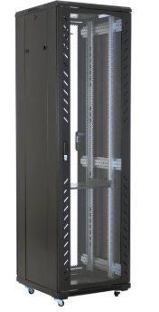 Rack/Rack_Images\Tempered_Glass_Door_Network_Cabinet.jpg
Perforated Metal Mesh Door Cabinet Rack | 1.19 inch standard floor standing server rack width 600/800mm. 2.Removable Side Panels, side locks optional. 3.Knock off hole for entering cable on both top cover and bottom panel. 4. Tempered glass/metal mesh front door; Turning angle of front and rear door is over 180 degrees, split rear metal mesh door for width800mm rack. 5.Easy mounting installation. LOADING CAPACITY :800 KG DEGREE OF PROTECTION :IP20 MATERIAL :SPCC Cold Rolled Available in : A3.6618,A3.6818,A3.6018,A3.8818,A3.8018,A3.6622,A3.6822,A3.6022,A3.8822,A3.8022,A3.6627,A3.6827, A3.6027,A3.8827,A3.8027,A3.6632,A3.6832,A3.6032,A3.8832,A3.8032,A3.6637,A3.6837,A3.6037,A3.8837, A3.8037,A3.6642,A3.6842,A3.6042,A3.8842,A3.8042,A3.6647,A3.6847,A3.6047,A3.8847,A3.8047 | 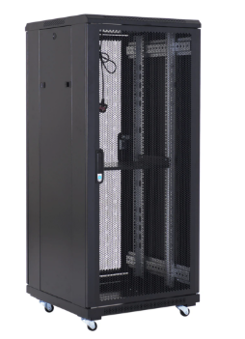 Rack/Rack_Images\Perforated_Metal_Mesh_Door_Cabinet_Rack.jpg
19 Inch Spot Welding Door Rack Cabinet | 1.19 inch standard floor standing server rack width 600/800mm 2.Removable Side Panels, side locks optional. 3.Knock off hole for entering cable on both top cover and bottom panel. d glass/metal mesh front door, Turning angle of front and rear seo-2 180 degrees, split rear metal mesh door for width000mm rack. Easy mounting Installation 6.Unassembled package saving shipping space; 7.Vertical cable manager, fans, shelf, and PDU are optional. LOADING CAPACITY :800 KG MATERIAL :SPCC Cold Rolled Thickness:2.0mm-1.2mm-1.0mm DEGREE OF PROTECTION : IP20 SURFACE FINISH :Powder Coating Available in : AS.6618,AS.6818,AS.6018,AS.8818,AS.8018,AS.6622,AS.6822,AS.6022,AS.8822,AS.8022, AS.6627,AS.6827, AS.6027,AS.8827,AS.8027,AS.6632,AS.6832,AS.6032,AS.8832, AS 8032,AS.6637,AS.6837,AS.6037,AS.8837,AS.8037,AS.6642,AS.6842,AS.6042, AS.8842, AS.8042,AS.6647,AS.6847,AS.6047,AS.8847,AS.8047 | 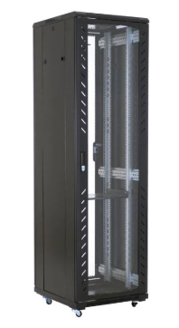 Rack/Rack_Images\19_Inch_Spot_Welding_Door_Rack_Cabinet.jpg
High Quality Toughened Glass Server Rack | 1.19 inch standard floor standing server rack width 600/800mm. 2.Removable Side Panels, side locks optional; 3.Knock off hole for entering cable on both top cover and bottom panel. 4. Tempered glass/metal mesh front door; Turning angle of front and rear door is over 180 degrees, split rear metal mesh door for width800mm rack;.5.Easy mounting installation. LOADING CAPACITY :800 KG DEGREE OF PROTECTION :IP20 MATERIAL :SPCC Cold Rolled Available in : F1.6618,F1.6818,F1.6018,F1.8818,F1.8018,F1.6622,F1.6822,F1.6022,F1.8822,F1.8022,F1.6627,F1.6827, F1.6027,F1.8827,F1.8027,F1.6632,F1.6832,F1.6032,F1.8832,F1.8032,F1.6637,F1.6837,F1.6037,F1.8837, F1.8037,F1.6642,F1.6842,F1.6042,F1.8842,F1.8042,F1.6647,F1.6847,F1.6047,F1.8847,F1.8047 | Rack/Rack_Images\High_Quality_Toughened_Glass_Server_Rack.jpg
Economic Tempered Glass Door Network Cabinet | 1.19 inch standard floor standing server rack width 600/800mm. 2.Removable Side Panels, side locks optional; 3.Knock off hole for entering cable on both top cover and bottom panel. 4. Tempered glass/metal mesh front door; Turning angle of front and rear door is over 180 degrees, split rear metal mesh door for width800mm rack. 5.Easy mounting installation. 6. Unassembled package saving shipping space; 7.Vertical cable manager, fans, shelf, and PDU are optional. LOADING CAPACITY :800 KG DEGREE OF PROTECTION :IP20 MATERIAL :SPCC Cold Rolled Available in : AS.6618,AS.6818,AS.6018,AS.8818,AS.8018,AS.6622,AS.6822,AS.6022,AS.8822,AS.8022, AS.6627,AS.6827, AS.6027,AS.8827,AS.8027,AS.6632,AS.6832,AS.6032,AS.8832, AS 8032,AS.6637,AS.6837,AS.6037,AS.8837,AS.8037,AS.6642,AS.6842,AS.6042, AS.8842, AS.8042,AS.6647,AS.6847,AS.6047,AS.8847,AS.8047 | Rack/Rack_Images\Economic_Tempered_Glass_Door_Network_Cabinet.jpg
Economic Perforated Metal Mesh Door Cabinet Rack | 1.19 inch standard floor standing server rack width 600/800mm. 2.Removable Side Panels, side locks optional. 3.Knock off hole for entering cable on both top cover and bottom panel. 4. Tempered glass/metal mesh front door; Turning angle of front and rear door is over 180 degrees, split rear metal mesh door for width800mm rack. 5.Easy mounting installation. LOADING CAPACITY :800 KG DEGREE OF PROTECTION :IP20 MATERIAL :SPCC Cold Rolled Available in : A3.6618,A3.6818,A3.6018,A3.8818,A3.8018,A3.6622,A3.6822,A3.6022,A3.8822,A3.8022,A3.6627,A3.6827, A3.6027,A3.8827,A3.8027,A3.6632,A3.6832,A3.6032,A3.8832,A3.8032,A3.6637,A3.6837,A3.6037,A3.8837, A3.8037,A3.6642,A3.6842,A3.6042,A3.8842,A3.8042,A3.6647,A3.6847,A3.6047,A3.8847,A3.8047" | 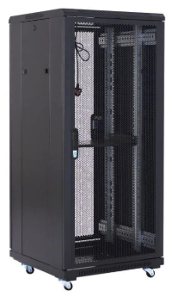 Rack/Rack_Images\Economic_Perforated_Metal_Mesh_Door_Cabinet_Rack.jpg
Assembled 9 Fold Profile Rack Cabinet | 1.19 inch standard floor standing server rack width 600/800mm; 2.Removable Side Panels, side locks optional. 3.Knock off hole for entering cable on both top cover and bottom panel. 4. Tempered glass/metal mesh front door; Turning angle of front and rear door is over 180 degrees, split rear metal mesh door for width800mm rack; 5.Easy mounting installation. LOADING CAPACITY :800 KG DEGREE OF PROTECTION :IP20 MATERIAL :SPCC Cold Rolled Available in : H1.8822,H1.8822,H1.8022,H1.8822,H1.8022,H1.8827,H1.8827,H1.8027,H1.8827,H1.8027,H1.8832, H1.8832,H1.8032,H1.8832,H1.8032,H1.8837,H18837,H1.8037,H1.8837,H1.8037,H1.8842,H1.8842, H18042,H1.8842,H1.8042,H1.8847,H1.8847,H18047,H1.8847,H1.8047. | 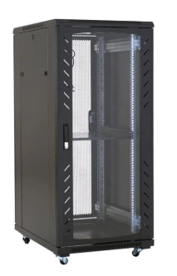 Rack/Rack_Images\Assembled_9_Fold_Profile_Rack_Cabinet.jpg
Unassembled 9 Fold Profile Cabinet Rack | 1.19 inch standard floor standing server rack width 600/800mm; 2.Removable Side Panels, side locks optional. 3.Knock off hole for entering cable on both top cover and bottom panel. 4. Tempered glass/metal mesh front door; Turning angle of front and rear door is over 180 degrees, split rear metal mesh door for width800mm rack; 5.Easy mounting installation. LOADING CAPACITY :800 KG DEGREE OF PROTECTION :IP20 MATERIAL :SPCC Cold Rolled Available in : H1.8822,H1.8822,H1.8022,H1.8822,H1.8022,H1.8827,H1.8827,H1.8027,H1.8827,H1.8027,H1.8832, H1.8832,H1.8032,H1.8832,H1.8032,H1.8837,H18837,H1.8037,H1.8837,H1.8037,H1.8842,H1.8842, H18042,H1.8842,H1.8042,H1.8847,H1.8847,H18047,H1.8847,H1.8047. | 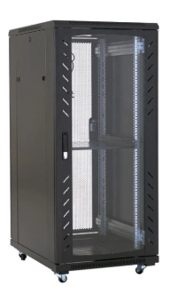 Rack/Rack_Images\Unassembled_9_Fold_Profile_Cabinet_Rack.jpg
Heavy Duty Server Rack Cabinet 1300kg | 1.19 inch standard floor standing server rack width 600/800mm; 2.Removable Side Panels, side locks optional. 3.Knock off hole for entering cable on both top cover and bottom panel. 4. Tempered glass/metal mesh front door; Turning angle of front and rear door is over 180 degrees, split rear metal mesh door for width800mm rack; 5.Easy mounting installation. LOADING CAPACITY :800 KG DEGREE OF PROTECTION :IP20 MATERIAL : Surface finish | 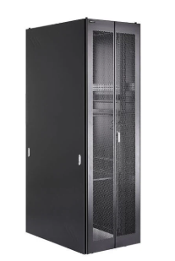 Rack/Rack_Images\Heavy_Duty_Server_Rack_Cabinet_1300kg.jpg
Server Rack Cabinet for APC Equipment | Perforated Metal Mesh Door Standard (600/750mm) width and 42" (1070mm) depth for optimal use of floor space Ships fully assembled 3000 lb stationary / 2250 lb rolling load capacity Wide Vertical EIA Standard Rails Locking, removable, reversible front and rear doors Locking, removable side panels keyed alike with doors Pre-installed casters and leveling feet; Rolls through standard 7-foot doorway Available in : H36042 ,H37542 | 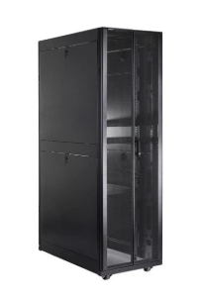 Rack/Rack_Images\Server_Rack_Cabinet_for_APC_Equipment.jpg
800mm Width Glass Door Server Rack 19 Inch | Comply with ANSI/EIA RS-310-D, DIN41497 part 1, IEC297-2, DIN41494 part 7, GBIT3047.2-92 standard. Lockable Perforated Front Door with Tempered Glass Door Lockable Steel Side & Back Splited Perforated Doors Reversible Front Door Wide Vertical Cable Manager for clean cabling Adjustable 19" L Rails Front & Rear Levelling Feet & Lockable Castor Wheels Cable Entry Glands on the Top and Bottom Earthed Doors and Side Panels Available in : AS.6618,AS.6818,AS.6018,AS.8818,AS.8018,AS.6622,AS.6822,AS.6022,AS.8822,AS.8022, AS.6627,AS.6827, AS.6027,AS.8827,AS.8027,AS.6632,AS.6832,AS.6032,AS.8832, AS 8032,AS.6637,AS.6837,AS.6037,AS.8837,AS.8037,AS.6642,AS.6842,AS.6042, AS.8842, AS.8042,AS.6647,AS.6847,AS.6047,AS.8847,AS.8047 | 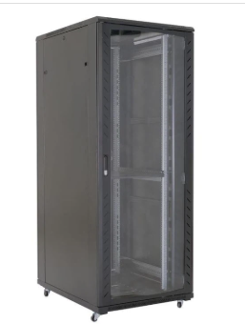 Rack/Rack_Images\800mm_Width_Glass_Door_Server_Rack_19_Inch.jpg
800mm Perforated Floor Network Cabinet | 1.19 inch standard floor standing server rack width 600/800mm; 2.Removable Side Panels, side locks optional. 3.Knock off hole for entering cable on both top cover and bottom panel. 4. Tempered glass/metal mesh front door; Turning angle of front and rear door is over 180 degrees, split rear metal mesh door for width800mm rack; 5.Easy mounting installation. LOADING CAPACITY :800 KG DEGREE OF PROTECTION :IP20 MATERIAL :Surface finish Available in : A3.6618,A3.6818,A3.6018,A3.8818,A3.8018,A3.6622,A3.6822,A3.6022,A3.8822,A3.8022,A3.6627,A3.6827, A3.6027,A3.8827,A3.8027,A3.6632,A3.6832,A3.6032,A3.8832,A3.8032,A3.6637,A3.6837,A3.6037,A3.8837, A3.8037,A3.6642,A3.6842,A3.6042,A3.8842,A3.8042,A3.6647,A3.6847,A3.6047,A3.8847,A3.8047" | 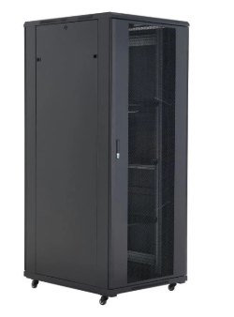 Rack/Rack_Images\800mm_Perforated_Floor_Network_Cabinet.jpg
Welded Structure 6U Wall Cabinet | 1.19 inch standard wall mount cabinet rack depth 450/600mm; 2.Removable Side Panels, side locks optional; 3.Knock off hole for entering cable on both top cover and bottom panel; 4.Tempered glass/metal mesh front door; Turning angle of front and rear door is over 180 degrees; 5.Easy mounting installation; 6. Unassembled package saving shipping space; 7.Horizontal cable manager, fans, shelf, and PDU are optional. LOADING CAPACITY :60 KG DEGREE OF PROTECTION IP20 :MATERIAL SPCC Cold Rolled Thickness:2.0mm-1.0mm-0.8mm SURFACE FINISH :Powder Coating Available in : WM.5406 , WM.5409 , WM.5412 | 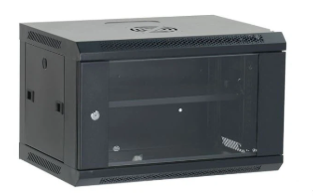 Rack/Rack_Images\Welded_Structure_6U_Wall_Cabinet.jpg
High Quality Welded Structure 9U Wall Cabinet | 1.19 inch standard wall mount cabinet rack depth 450/600mm; 2.Removable Side Panels, side locks optional; 3.Knock off hole for entering cable on both top cover and bottom panel; 4.Tempered glass/metal mesh front door; Turning angle of front and rear door is over 180 degrees; 5.Easy mounting installation; 6. Unassembled package saving shipping space; 7.Horizontal cable manager, fans, shelf, and PDU are optional. LOADING CAPACITY :60 KG DEGREE OF PROTECTION IP20 :MATERIAL Surface finish Thickness:2.0mm-1.0mm-0.8mm SURFACE FINISH :Powder Coating Available in : WM.6404,WM.6604,WM.6406,WM.6606,WM.6409,WM.6609,WM.6412,WM.6612,WM.6415,WM.6615, WM.6418,WM.6618 | 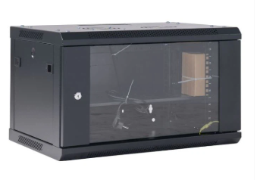 Rack/Rack_Images\High_Quality_Welded_Structure_9U_Wall_Cabinet.jpg
Unassembled Wall Cabinet 19 Inch | 1.19 inch standard wall mount cabinet rack depth 450/600mm; 2.Removable Side Panels, side locks optional; 3.Knock off hole for entering cable on both top cover and bottom panel; 4.Tempered glass/metal mesh front door; Turning angle of front and rear door is over 180 degrees; 5.Easy mounting installation; 6. Unassembled package saving shipping space; 7.Horizontal cable manager, fans, shelf, and PDU are optional. LOADING CAPACITY :60 KG DEGREE OF PROTECTION IP20 :MATERIAL Surface finish Thickness:2.0mm-1.0mm-0.8mm SURFACE FINISH :Powder Coating Available in : WM.6404,WM.6604,WM.6406,WM.6606,WM.6409,WM.6609,WM.6412,WM.6612,WM.6415,WM.6615, WM.6418,WM.6618" | 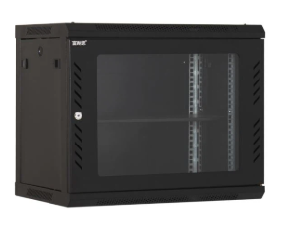 Rack/Rack_Images\Unassembled_Wall_Cabinet_19_Inch.jpg
Economic Unassembled Wall Rack Cabinet | 1.19 inch standard wall mount cabinet rack depth 450/600mm; 2.Removable Side Panels, side locks optional; 3.Knock off hole for entering cable on both top cover and bottom panel; 4.Tempered glass/metal mesh front door; Turning angle of front and rear door is over 180 degrees; 5.Easy mounting installation; 6. Unassembled package saving shipping space; 7.Horizontal cable manager, fans, shelf, and PDU are optional. LOADING CAPACITY :60 KG DEGREE OF PROTECTION IP20 :MATERIAL Surface finish Thickness:2.0mm-1.0mm-0.8mm SURFACE FINISH :Powder Coating Available in : WM.6404,WM.6604,WM.6406,WM.6606,WM.6409,WM.6609,WM.6412,WM.6612,WM.6415,WM.6615, WM.6418,WM.6618" | Rack/Rack_Images\Economic_Unassembled_Wall_Rack_Cabinet.jpg
Double Sections Wall Network Cabinet | 1.19 inch standard double sections wall mount cabinet rack depth 450+100mm rear panel/500+100mm rear panel; 2.Removable Side Panels, side locks optional; 3.Knock off hole for entering cable on both top cover and bottom panel; 4.Tempered glass/metal mesh front door; Turning angle of front and rear door is over 180 degrees; 5.Easy mounting installation; 6. Unassembled package saving shipping space; LOADING CAPACITY : 60 KG DEGREE OF PROTECTION :IP20 MATERIAL :SPCC Cold Rolled Thickness:2.0mm-1.2mm-0.8mm SURFACE FINISH :Powder Coating Available in : WMG.6504,WMG.6604,WMG.6506,WMG.6606,WMG.6509,WMG.6609,WMG.6512,WMG.661,,WMG.6515, WMG.6615,WMG.6518,WMG.6618 | 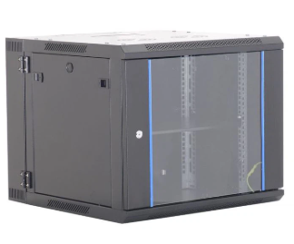 Rack/Rack_Images\Double_Sections_Wall_Network_Cabinet.jpg
2-Post Open Rack | 1.19 inch standard floor standing open rack; 2.2posts/4posts are optional; 3.Easy mounting installation; 4.Unassembled package saving shipping space; 5. Vertical cable manager, fans, shelf, and PDU are optional. LOADING CAPACITY DEGREE OF PROTECTION :150 KG IP20 MATERIAL :SPCC Cold Rolled Thickness:2.0mm SURFACE FINISH Powder Coating Available in :OR218,OR222,OR227,OR232,OR237,OR242,OR247,OR418,OR422,OR427,OR432, OR437,OR442,OR447 | 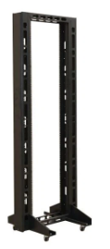 Rack/Rack_Images\2-Post_Open_Rack.jpg
19 Inch 4-Post Open Rack | 1.19 inch standard floor standing open rack; 2.2posts/4posts are optional; 3.Easy mounting installation; 4.Unassembled package saving shipping space; 5. Vertical cable manager, fans, shelf, and PDU are optional. LOADING CAPACITY DEGREE OF PROTECTION :150 KG IP20 MATERIAL :SPCC Cold Rolled Thickness:2.0mm SURFACE FINISH Powder Coating Available in :OR218,OR222,OR227,OR232,OR237,OR242,OR247,OR418,OR422,OR427,OR432, OR437,OR442,OR447 | 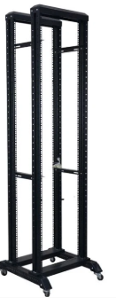 Rack/Rack_Images\19_Inch_4-Post_Open_Rack.jpg

