Sheet1
Name | Description | Image
NRFS 600 Series | *Conforms to DIN 41494 or Equivalent EIA / ISO / EN / CEA Standard . *Adjustable mounting depth. *4 No Adjustable, 19" verticals with Punched 10 mm Square Hole and Universal 12.7mm-15.875mm-15.875mm alternating hole pattern offers greater mounting flexibility, maximizes usable mounting space. *Powder coated finish with Seven tank pretreatment process meeting ASTM standard *100% assured compatibility with all equipments conforming to DIN 41494 (General industrial standard for equipments. Available in : NRFS_600800 42-PC-P,NRFS_6001000 42-PC-P,NRFS-600800 45-PC-P,NRFS-6001000 45-PC-P,NRFS-600800 48-PC-P,NRFS-6001000 48-PC-P,NRFS-600800 52-PC-P,NRFS-6001000 52-PC-P | Rack/Rack_Images\NRFS_600_Series.jpg
NRSs Series | *UL Certified . *Conforms to DIN 41494 or equivalent EIA / ISO / EN standard. *Designed to NEBS™ Zone 4 via Telecordia GR-63-CORE *Adjustable mounting depth. *4 No Adjustable, 19” verticals with punched 9mm Square Hole and Universal 12.7mm-15.875mm-15.875mm alternating hole pattern offers greater mounting flexibility, maximizes usable mounting space. *State-of-the-art manufacturing methods provide the best product quality and fastest delivery in the industry . *100% assured compatibility with all equipments conforming to DIN 41494. *Powder coated finish with Seven tank pretreatment process meeting IS. *2 or 4 Fan module Mount Provision on top cover . Available in : | Rack/Rack_Images\NRSs_Series.jpg
NRS 800 Series | *Conforms to DIN 41494 or Equivalent EIA / ISO / EN / CEA Standard. *Adjustable mounting depth . *4 No Adjustable, 19” verticals with punched 10 mm Square Hole and Universal 12.7mm-15.875mm-15.875mm alternating hole pattern offers greater mounting flexibility, maximizes usable mounting space. *State-of-the-art manufacturing methods provide the best product quality and fastest delivery in the industry. *100% assured compatibility with all equipments conforming to DIN 41494. *Powder coated finish with seven tank pretreatment process meeting ASTM standard. *Grounding & Bonding Options. *Fan module Mount Provision on top Cover. Available in : NRS-6U 800X800,NR | Rack/Rack_Images\NRS_800_Series.jpg
NRS 600 Series | *Conforms to DIN 41494 or Equivalent EIA / ISO / EN / CEA Standard. *Adjustable mounting depth *4 No adjustable, 19” verticals with punched 10 mm Square Hole and Universal 12.7mm-15.875mm-15.875mm alternating hole pattern offers greater mounting flexibility, maximizes usable mounting space. *State-of-the-art manufacturing methods provide the best product quality and fastest delivery in the industry. *100% assured compatibility with all equipments conforming to DIN 41494. Available in : NRS-6U 600X650,NRS-6U 600X800,NRS-6U 600X1000,NRS-9U 600X650,NRS-9U 600X800, NRS-9U 600X1000,NRS-12U 600X650,NRS-12U 600X800,NRS-12U 600X1000,NRS-15U 600X650, NRS-15U 600X800,NRS-15U 600X1000,NRS-17U 600X650,NRS-17U 600X800,NRS-17U 600X1000, NRS-22U 600X650,NRS-22U 600X800,NRS-22U 600X1000,NRS-22U 600X1200,NRS-27U 600X650, NRS-27U 600X800,NRS-27U 600X1000,NRS-32U 600X650,NRS-32U 600X800,NRS-32U 600X1000 ,NRS-32U 600X1200,NRS34U 600X650, | 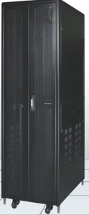 Rack/Rack_Images\NRS_600_Series.jpg
 | *Conforms to DIN 41494 or Equivalent EIA / ISO / EN / CEA Standard. Adjustable mounting depth . *4 No Adjustable, 19” verticals with Punched 10 mm Square Hole and Universal 12.7mm-15.875mm-15.875mm alternating hole pattern offers greater mounting flexibility, maximizes usable mounting space. *Universal 44.45MM Pitch Holes For DIN Standard Racks . *100% assured compatibility with all equipments conforming to DIN 41494. *Powder coated finish with Seven tank pretreatment process meeting ASTM standard. Available in : NRS1-6U 600X650,NRS1-6U 600X800,NRS1-6U 600X1000,NRS1-9U 600X650, NRS1-9U 600X800,NRS1-9U 600X1000,NRS1-12U 600X650,NRS1-12U 600X800,NRS1-12U 600X1000,NRS1-15U 600X650,NRS1-15U 600X800,NRS1-15U 600X1000,NRS1-17U 600X650,NRS1-17U 600X800,NRS1-17U 60 | 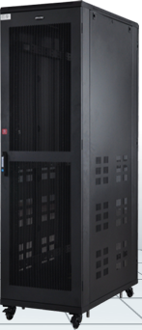 Rack/Rack_Images\_____.jpg
NRSe 600 Series | *Conforms to DIN 41494 or Equivalent EIA /ISO / EN / CEA Standard. *Adjustable mounting depth. *4 No Adjustable, 19” verticals with Punched 10 mm Square Hole and Universal 12.7mm-15.875mm-15.875mm alternating hole pattern offers greater mounting flexibility, maximizes usable mounting space. *State-of-the-art manufacturing methods provide the best product quality and fastest delivery in the industry. *100% assured compatibility with all equipments conforming to DIN 41494. *Powder coated finish with Seven tank pretreatment process meeting ASTM standard. Available in : NRSe-22U 600X1000,NRSe-22U 600X1200,NRSe-24U 600X1000,NRSe-24U 600X1200,NRSe-27U 600X1000,NRSe-27U 600X1200,NRSe-30U 600X1000,NRSe-30U 600X1200,NRSe-32U 600X1000,NRSe-32U 600X1200,NRSe-34U 600X1000,NRSe-34U 600X1200,NRSe-36U 600X1000, NRSe-36U 600X1200,NRSe-38U 600X1000,NRSe-38U 600X1200,NRSe-40U 600X1000,NRSe-40U 600X1200,NRSe-42U 600X1000,NRSe-42U 600X1200,NRSe-44U 600X1000,NRSe-44U 600X1200,NRSe- | 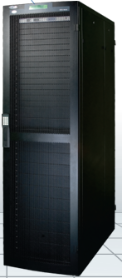 Rack/Rack_Images\NRSe_600_Series.jpg
NRSe 002 Seris | *Conforms to DIN 41494 or Equivalent EIA /ISO / EN / CEA Standard. *Adjustable mounting depth. *4 No Adjustable, 19” verticals with Punched 10 mm Square Hole and Universal 12.7mm-15.875mm-15.875mm alternating hole pattern offers greater mounting flexibility, maximizes usable mounting space. *State-of-the-art manufacturing methods provide the best product quality and fastest delivery in the industry. *100% assured compatibility with all equipments conforming to DIN 41494. *Powder coated finish with Seven tank pretreatment process meeting ASTM standard. Available in : NRSe 002-22U 600X1200,NRSe 002-24U 600X1200,NRSe 002-27U 600X1200,NRSe 002-30U 600X1200,NRSe 002-32U 600X1200,NRSe 002-34U 600X1200,NRSe 002-36U 600X1200,NRSe 002-38U 600X1200,NRSe 002-40U 600X1200,NRSe 002-42U 600X1200,NRSe 002-44U 600X1200,NRSe 002-45U 600X1200,NRSe 002-46U 600X1200,NRSe 002-47U 600X1200,NRSe 002-48U 600X1200,NRSe 002-49U,NRSe 002-50U 600X1200, 600X1200,NRSe 0 | Rack/Rack_Images\NRSe_002_Seris.jpg
NRSe 003 Seris | *Conforms to DIN 41494 or Equivalent EIA /ISO / EN / CEA Standard. *Adjustable mounting depth. *4 No Adjustable, 19” verticals with Punched 10 mm Square Hole and Universal 12.7mm-15.875mm-15.875mm alternating hole pattern offers greater mounting flexibility, maximizes usable mounting space. *State-of-the-art manufacturing methods provide the best product quality and fastest delivery in the industry. *100% assured compatibility with all equipments conforming to DIN 41494. *Powder coated finish with Seven tank pretreatment process meeting ASTM standard. Available in : NRSe 003-22U 600X1200,NRSe 003-24U 600X1200,NRSe 003-27U 600X1200,NRSe 003-30U 600X1200,NRSe 003-32U 600X1200,NRSe 003-34U 600X1200,NRSe 003-36U 600X1200 ,NRSe 003-38U 600X1200,NRSe 003-40U 600X1200,NRSe 003-42U 600X1200,NRSe 003-44U 600X1200,NRSe 003-45U 600X1200,NRSe 003-46U 600X1200,NRSe 003-47U 600X1200, | Rack/Rack_Images\NRSe_003_Seris.jpg
NRA 800 Series | *Conforms to DIN 41494 or Equivalent EIA / ISO / EN / CEA Standard . *Adjustable mounting depth. *4 No Adjustable, 19” verticals with punched 10 mm Square Hole and Universal 12.7mm-15.875mm-15.875mm alternating hole pattern offers greater mounting flexibility, maximizes usable mounting space . *State-of-the-art manufacturing methods provide the best product quality and fastest delivery in the industry. *100% assured compatibility with all equipments conforming to DIN 41494 . *Powder coated finish with seven tank pretreatment process meeting ASTM standard. Available in : NRA-6U 800X800,NRA-6U 800X1000,NRA-9U 800X800,NRA-9U 800X1000,NRA-12U 800X800,NRA-12U 800X1000,NRA-15U 800X800,NRA-15U 800X1000,NRA-17U 800X800,NRA-17U 800X1000,NRA-22U 800X800,NRA-22U 800X1000,NRA-22U 800X1200,NRA-27U 800X800,NRA-27U 800X1000,NRA-27U 800X1200,NRA-32U 800X800,NRA-32U 800X1000,NRA-32U 800X1200,NRA-34U 800X800,NRA-34U 800X1000,NRA-34U 800X1200,NRA-36U 800X800,NRA-36U 800X1000,NRA-36U 800X | 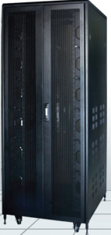 Rack/Rack_Images\NRA_800_Series.jpg
 | *Conforms to DIN 41494 or Equivalent EIA /ISO / EN / CEA Standard . *Adjustable mounting depth. * 4 No Adjustable, 19” verticals with Punched 10 mm Square Hole and Universal 12.7mm-15.875mm-15.875mm alternating hole pattern offers greater mounting flexibility, maximizes usable mounting space. *Universal 44.45MM Pitch Holes For DIN Standard Racks. *State-of-the-art manufacturing methods provide the best product quality and fastest delivery in the industry 100% assured compatibility with all equipments conforming to DIN 41494. Available in : FM-6UX600x600,FM-9UX600x600,FM-12UX600x600 , FM-15UX600x600,FM-17UX600x600 , FM-22UX600x600,FM-27UX600x600 , FM-32UX600X600 | 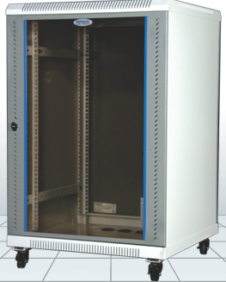 Rack/Rack_Images\_.jpg
NRFS-4 Post Series | *Conforms to DIN 41494 or Equivalent EIA / ISO / EN / CEA Standard. *Adjustable mounting depth. *4 No Adjustable, 19" verticals with Punched 10 mm Square Hole and Universal 12.7mm-15.875mm-15.875mm alternating hole pattern offers greater mounting flexibility, maximizes usable mounting space . *State-of-the-art manufacturing methods provide the best product quality and fastest delivery in the industry. *100% assured compatibility with all equipments conforming to DIN 41494. *Powder coated finish with Seven tank pretreatment process meeting ASTM standard. Available in : NRFS-600800 42-PC-P,,NRFS-6001000 42-PC-P,NRFS-600800 45-PC-P,,NRFS-6001000 45-PC-P,NRFS-600800 48-PC-P,NRFS-6001000 48-PC-P,NRFS-600800 52-PC-P,NRFS-6001000 52-PC-P, | 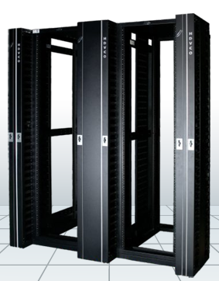 Rack/Rack_Images\NRFS-4_Post_Series.jpg
NRS1 800 Series | *Conforms to DIN 41494 or Equivalent EIA / ISO / EN / CEA Standard. *Adjustable mounting depth. *4 No Adjustable, 19” verticals with Punched 10 mm Square Hole and Universal 12.7mm-15.875mm-15.875mm alternating hole pattern offers greater mounting flexibility, maximizes usable mounting space. *Universal 44.45MM Pitch Holes For DIN Standard Racks. *State-of-the-art manufacturing methods provide the best product quality and fastest delivery in the industry. *100% assured compatibility with all equipments conforming to DIN 41494. Available in : NRS1-22U 800X800,NRS1-22U 800X1000,NRS1-24U 800X800,NRS1-24U 800X1000,NRS1-27U 800X800,NRS1-27U 800X1000,NRS1-30U 800X800,NRS1-30U 800X1000,NRS1-32U 800X800,NRS1-32U 800X1000,NRS1-34U 800X800,NRS1-34U 800X1000,NRS1-36U 800X800,NRS1-36U 800X1000,NRS1-38U 800X800,,NRS1-38U 800X1000,NRS1-40U 800X800,NRS1-40U 800X1000,NRS1-42U 800X800,NRS1-42U 800X1000 . | 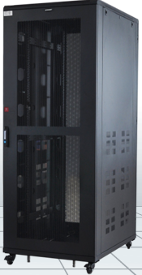 Rack/Rack_Images\NRS1_800_Series.jpg

