Sheet1
Name | Description | Image
NetShelter Rack Containment | Hot and cold air containment systems designed to maximize cooling predictability, capacity, and efficiency at the rack, row or room level.The NetShelter Rack Containnment modular design easily adapts to both the front and rear of the racks and close-coupling cooling units, simplifying installation. This scalable open plenum that NetShelter Rack Containment provides enables capacity sharing to improve cooling system redundancy and utilization. Available: ACCS1001 ACCS1002 ACCS1000 ACCS1006 ACCS1005 ACCS1007 ACCS1009 ACCS1003 ACCS1004 | 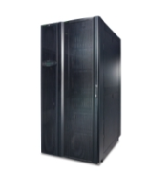 Rack/Rack_Images\NetShelter_Rack_Containment.jpg
NetShelter Aisle Containment | NetShelter Aisle Containment combines airflow intelligence with flexible containment that delivers superior cooling while helping you reduce your carbon footprint. Available: NSAC2001 NSAC2002 NSAC2003 NSAC2004 NSAC2006 NSAC2051 NSAC2052 NSAC2101 NSAC2102 NSAC2121 NSAC2122 NSAC2151 NSAC2152 NSAC2153 NSAC2401 NSAC2402 NSAC2601 NSAC2603 NSAC2604 NSAC2606 NSAC2607 NSAC2608 NSAC2610 NSAC2653 | 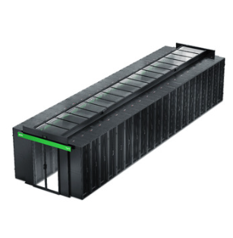 Rack/Rack_Images\NetShelter_Aisle_Containment.jpg
President Enclosures | President's Enclosures are designed for server and network housing and caters to mid-ranged IT requirements, built with high-quality materials, cost-effective, and help secure the IT environments. Available: FLX-96-CKD FLX-95-CKD FLX-66-CKD FLX-65-CKD FLX-156-CKD FLX-155-CKD FLX-126-CKD FLX-125-CKD | 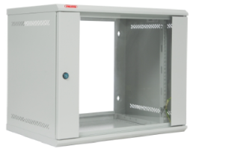 Rack/Rack_Images\President_Enclosures.jpg
Easy Rack | The Easy Rack fully adheres to the excellent quality and reliability standards of the APC by Schneider Electric brand, adopts an economic design widely recognized by the industry, and seamlessly integrates important rack accessories such as Rack PDUs & Cable Managers. Avaiolable: ER6200 ER6202 ER6202FP1 ER6202FP7 ER6212 ER6212FP1 ER6220 ER6222 ER6222FP7 ER6402 ER6422 ER6482 ER6800 ER6802 ER6812 ER6820 ER6822 ER8200 ER8202 ER8202FP7 ER8212 ER8220 ER8222 ER8222FP7 ER8282 ER8800 ER8802 ER8812 ER8820 ER8822 ER8822FP7 ER68222FP7 | Rack/Rack_Images\Easy_Rack.jpg
EcoStruxure Micro Data Centers | Complete IT infrastructure within a stand-alone, secure enclosure for protection of critical business applications. Include: power distribution, UPS, and environmental monitoring Available: AR4340IX500 MDC43UACSI MDC43UBCSI MDC43UBCSI-IN MDC43UECSI MDC43UECSI-IN MDC43USCSI AR4340IX500CP | 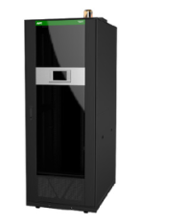 Rack/Rack_Images\EcoStruxure_Micro_Data_Centers.jpg
MDC15UR500ACI-IN | Type: 19-inch Rack Enclosure (Industrial Grade) Height: 15U Width: 19-inch (standard rack width) Depth: 500mm (designed for smaller, compact equipment) Weight: Approximately 40-60 kg (depends on material and configuration) Material: Heavy-duty steel construction for durability and strength Cooling: Perforated front and rear doors for passive airflow; optional fan kits for enhanced cooling" | 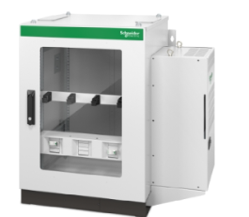 Rack/Rack_Images\MDC15UR500ACI-IN.jpg
MDC24UR1KACI-IN | Type: 19-inch Rack Enclosure (Industrial Grade) Height: 24U Width: 19-inch (standard rack width) Depth: 1000mm (designed for larger equipment) Weight: Approximately 80-100 kg (depends on material and configuration) Material: Heavy-duty steel or industrial-grade materials for robust durability Cooling: Perforated front and rear doors for passive cooling; options for additional fan units to enhance airflow | 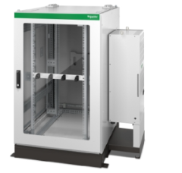 Rack/Rack_Images\MDC24UR1KACI-IN.jpg
MDC24UR500ACI-IN | Type: 19-inch Rack Enclosure (Industrial Grade) Height: 24U Width: 19-inch (standard rack width) Depth: Typically 500mm (designed for smaller, more compact equipment) Weight: Approximately 60-80 kg (depends on material and configuration) Material: Industrial-grade steel construction for strength and durability Cooling: Perforated front and rear doors for passive cooling; additional fan options for improved airflow | 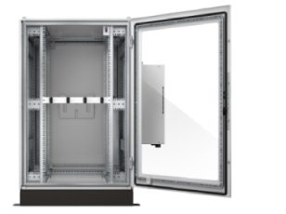 Rack/Rack_Images\MDC24UR500ACI-IN.jpg
MDC42UR2KACI-IN | Type: 19-inch Rack Enclosure (Industrial Grade) Height: 42U Width: 19-inch (standard rack width) Depth: Typically 1000mm (designed for larger, deeper equipment) Weight: Approximately 100-120 kg (depends on material and configuration) Material: Industrial-grade steel construction for enhanced durability Cooling: Perforated front and rear doors for passive cooling; optional additional fans for improved airflow | 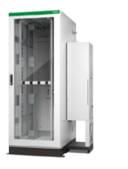 Rack/Rack_Images\MDC42UR2KACI-IN.jpg
NetShelter SX Enclosures | NetShelter SX from APC by Schneider Electric simplifies “rack and stack” and protects IT equipment for lower costs, reduced risk, and fast deployment. Safely load, transport, unload, and deploy a cabinet with up to 1250 lb. (567 kg) of IT equipment installed. Available: AR3104SP1 AR3105TAA AR3105W AR3106 AR3106SP AR3107SP AR3107TAA AR3107W AR3107X609 AR3107X610 AR3107X617 AR3130 AR3140W AR3150HACS AR3150SP AR3150W AR3150X609 AR3150X610 AR3150X617 AR3155 AR3155SP AR3155W AR3157 AR3157SP AR3157X609 AR3157X610 AR3157X617 AR3200 AR3300SP AR3300W AR3300X609 AR3300X610 AR3300X617 AR3305 AR3305SP AR3305W AR3307 AR3307SP AR3307W AR3307X609 AR3307X610 AR3307X617 AR3340W AR3347 AR3347W AR3350SP AR3350W AR3350X609 AR3350X610 AR3350X617 AR3355 AR3355SP AR3355W AR3357SP AR3357W AR3357X609 AR3357X610 AR3357X617 | 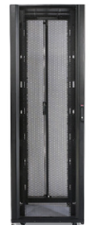 Rack/Rack_Images\NetShelter_SX_Enclosures.jpg
NetShelter Soundproof Racks | When there’s no space, budget, or time to build a traditional server closet, NetShelter Soundproof Racks offers a cost-effective alternative. Twice the dynamic strength, built in PDU, cable management, and whisper-quiet fans makes it easy to deploy and perfect for denser IT gear. Available: AR4012A AR4017IA AR4032IA AR4038LIA | 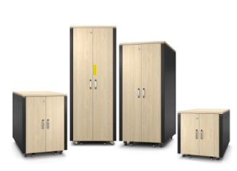 Rack/Rack_Images\NetShelter_Soundproof_Racks.jpg
NetShelter Wall-mount Enclosures | Globally available wall rack ideal for server rack and network rack applications including servers, network switches, and patch panels required for Edge computing. Available: AR100 AR100HD AR106 AR106SH4 AR106SH6 AR106VI AR109 AR109SH4 AR109SH6 AR112 AR112SH4 AR112SH6 | 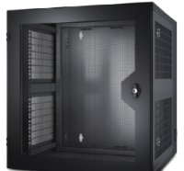 Rack/Rack_Images\NetShelter_Wall-mount_Enclosures.jpg
AR201 | Type: 19-inch Rack Enclosure Form Factor: 19-inch rack-mounted, designed for general IT and network equipment storage Height: Typically 42U (providing a large storage space for high-density setups) Width: 19-inch (standard rack width) Depth: Varies from 800mm to 1000mm (depending on the model) Weight: Approximately 70-100 kg (depends on size, configuration, and material) | Rack/Rack_Images\AR201.jpg
AR203A | Type: 19-inch Rack Enclosure Form Factor: 19-inch rack-mounted, designed for high-density IT and network equipment storage Height: Typically 42U (provides ample space for large setups) Width: 19-inch (standard rack width) Depth: Approximately 800mm or 1000mm (depending on the specific model) Weight: Approximately 70-100 kg (varies based on material and configuration) Material: Sturdy steel construction for durability and strength |  Rack/Rack_Images\AR203A.jpg

