Sheet1
Name | Description | Image
Brocade G710 Switch | Fibre Channel Ports Switch mode (default): 24 ports 64G SFP+ ports, each supporting E_Ports, F_Ports, M_Ports, D_Ports, and EX_Ports. 8-port base configuration: additional ports are enabled with two 8-port SFP+ PODs (Ports on Demand), scaling the switch from 8 ports to 24 ports. Brocade Access Gateway default port mapping: 16 F_Ports, 8 N_Ports USB :One USB port Port Type F_Port, E_Port, M_Port, D_Port (ClearLink® Diagnostic Port) on 24 SFP+ ports Brocade Access Gateway mode: F_Port and NPIV-enabled N_Port | 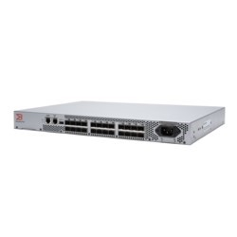 Switch\Switch_Images\Brocade_G710_Switch.jpg
Brocade G720 Switch | Fibre Channel Ports :Switch mode (default): 64 ports (48 64G SFP+ ports, plus 8 2x64G SFP-DD ports), each supporting E_Ports, F_Ports, M_Ports, D_Ports, and EX_Ports. 24-port base configuration; additional ports are enabled with three 8-port SFP+ PODs (Ports on Demand), plus a 16-port SFP-DD POD (8 2x64G SFP-DD transceivers), scaling the switch from 24 ports to 64 ports. Brocade Access Gateway default port mapping: 56 F_Ports, 8 N_Ports. USB :One standard USB port Port Types D_Port (ClearLink® Diagnostic Port), E_Port, EX_Port, F_Port, M_Port; optional port-type control Brocade Access Gateway mode: F_Port and NPIV-enabled N_Port. | 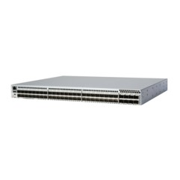 Switch\Switch_Images\Brocade_G720_Switch.jpg
Brocade G730 Switch | Fibre Channel Ports :128 ports (96 64G SFP+ ports, plus 16 2x64G SFP-DD ports), each supporting E_Ports, F_Ports, M_Ports, D_Ports, and EX_Ports. 48-port base configuration; additional ports are enabled with two 24-port SFP+ PODs (Ports on Demand), plus a 32-port SFP-DD POD (16 2x64G SFP-DD transceivers), scaling the switch from 48 ports to 128 ports USB :One standard USB port Port Types D_Port (ClearLink® Diagnostic Port), E_Port, EX_Port, F_Port, M_Port; optional port-type control | 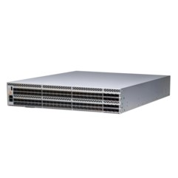 Switch\Switch_Images\Brocade_G730_Switch.jpg
Brocade G610 Switch | Fibre Channel Ports :Switch mode (default): 8-, 16-, and 24-port configurations (8-port increment through Ports on Demand [PoD] license); E_Ports, F_Ports, M_Ports, and D_Ports Brocade Access Gateway default port mapping: 16 F_Ports, 8 N_Ports USB :One USB port Port Types F_Port, E_Port, M_Port, D_Port (ClearLink Diagnostic Port) on 24 SF | 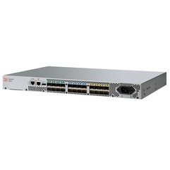 Switch\Switch_Images\Brocade_G610_Switch.jpg
Brocade G620 Switch | Fibre Channel Ports :Switch mode (default): Minimum of 24 ports and maximum of 64 ports configuration. Port numbers above minimum are enabled through 12-port SFP+ increments via Ports on Demand (PoD) licenses and through one 4-port QSFP PoD, providing 16-port increments through a Q-Flex license; E_Ports, F_Ports, M_Port, D_Ports, EX_Ports. Brocade Access Gateway default port mapping: 40 SFP+ F_Ports, 8 SFP+ N_Ports. USB :One USB port Port Types D_Port (ClearLink Diagnostic Port), E_Port, EX_Port, F_Port, M_Port, AE_Port; optional port-type control. Brocade Access Gateway mode: F_Port and NPIV-enabled N_Port. | 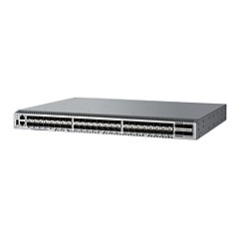 Switch\Switch_Images\Brocade_G620_Switch.jpg
Brocade G630 Switch | Fibre Channel Ports :96 SFP+ ports capable of operating at 4, 8, 16, 32G Fibre Channel auto-sensing speeds; 8 QSFP ports capable of operating at 4×32, 4×16, 4×8, 4×4G Fibre Channel speeds. Offers a base configuration of 48 ports, two 24-port SFP+ PoD (Ports on Demand), and one 32-port QSFP PoD. The switch has a total of eight 32G QSFP ports. This allows users to grow from 48 ports to 128 ports. Supports F/E/EX_Port, M_Port, and D_Port types on the SFP+ ports USB :One USB port Port Types D_Port (ClearLink Diagnostic Port), E_Port, EX_Port, F_Port, AE_Port, optional port-type control | 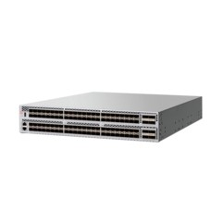 Switch\Switch_Images\Brocade_G630_Switch.jpg
Brocade 7850 Extension Switch | Fibre Channel Ports : 24 ports, 64G, universal (E, F, M, D, and EX ports): • 8 physical SFP+ Fibre Channel ports • 8 physical SFP-DD Fibre Channel ports Ethernet Ports : 16 ports of 1GbE/10GE/25GbE for LAN and WAN connectivity 2 ports of 100GbE for WAN connectivity USB :One USB port Port Types : F_Port, E_Port, EX_Port, FCR E_Port, D_Port (Diagnostic), M_Port (Mirror), and self-discovery based on switch type (U_Port); VE_Port (FCIP and IP) |  Switch\Switch_Images\Brocade_7850_Extension_Switch.jpg
Brocade 7810 Extension Switch | Fibre Channel : Ports 12 ports, 32Gb/s capable, universal (E, F, M, D, and EX ports) Ethernet Ports : 6 ports of 1GbE/10GbE for LAN and WAN connectivity USB :One USB port Port Types : F_Port, E_Port, EX_Port, (FCR E_Port), D_Port (Diagnostic), M_Port (Mirror), and self-discovery based on switch type (U_Port); VE_Port (FCIP and IP extension) | 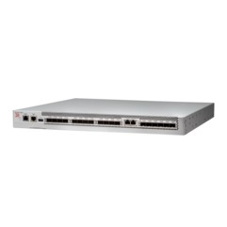 Switch\Switch_Images\Brocade_7810_Extension_Switch.jpg
Brocade 5300 Switch | Fibre Channel ports : 48-, 64-, and 80-port configurations (16-port increments via Ports on Demand licenses); universal (E, F, M, EX, FL) ports USB :1 USB port Port types : FL_Port, F_Port, M_Port (Mirror Port), E_Port, EX_Port (Fibre Channel Integrated Routing); selfdiscovery based on switch type (U_Port); optional port type control |  Switch\Switch_Images\Brocade_5300_Switch.jpg
Brocade 6520 Switch | Fibre Channel ports : Switch mode (default): 48-, 72-, and 96-port configurations (24-port increments through Ports on Demand [PoD] licenses); E, F, M, D, EX ports USB :One USB port Port types : D_Port (Diagnostic Port), E_Port, EX_Port, F_Port, M_Port (Mirror Port); optional port type control |  Switch\Switch_Images\Brocade_6520_Switch.jpg
Brocade 6505 Switch | Fibre Channel ports : Switch mode (default): 12- and 24-port configurations (12-port increment through Ports on Demand [PoD] license); E, F, M, D ports Brocade Access Gateway default port mapping: 16 F_Ports, 8 N_Ports USB :One USB port Port types : D_Port (ClearLink Diagnostic Port), E_Port, F_Port, M_Port (Mirror Port); optional port type control Brocade Access Gateway mode: F_Port and NPIV-enabled N_Port | Switch\Switch_Images\Brocade_6505_Switch.jpg
Brocade 200E Switch | Fibre Channel ports : 16 ports in 4-port increments through Ports on Demand licenses at 8, 12, and 16 universal (E, F, and FL) ports | 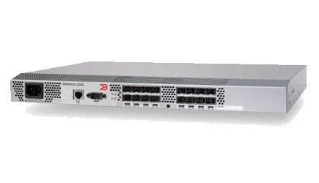 Switch\Switch_Images\Brocade_200E_Switch.jpg
Brocade 300 Switch | Fibre Channel ports 24 ports, universal (E, F, and FL) Port types : FL_Port, F_Port, E_Port, M-Port (Mirror Port); self-discovery based on switch type (U_Port) | Switch\Switch_Images\Brocade_300_Switch.jpg
Brocade 5000 Switch | Fibre Channel ports :32 ports, universal (E, F, M, and FL) Management access :10/100 Ethernet port (RJ-45); serial port (RS-232); in-band through Management Server Port types : FL_Port, F_Port, E_Port, M_Port (Mirror Port); self-discovery based on switch type (U_Port) Management access : 10/100 Ethernet port (RJ-45); serial port (RS-232); in-band through Management Server | Switch\Switch_Images\Brocade_5000_Switch.jpg

