Sheet1
Name | Description | Image
LGS328C | 24 Gigabit ethernet ports Four 10 Gbps SFP+ uplink ports One Power port One Console port | 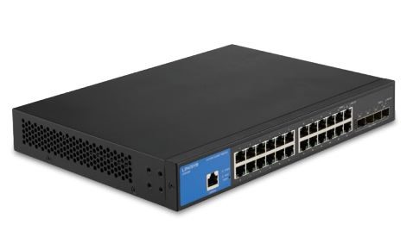 Switch\Switch_Images\LGS328C.jpg
LGS352C | 48 Gigabit ethernet ports Four 10 Gbps SFP+ uplink ports One Power port One Console port | 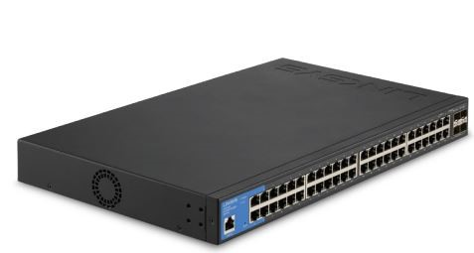 Switch\Switch_Images\LGS352C.jpg
LGS328MPC | 24 PoE+ Gigabit ports Four SFP+ 10 Gbps ports Power port Console port | 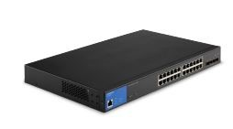 Switch\Switch_Images\LGS328MPC.jpg
LGS310MPC | Eight PoE+ Gigabit ports Two SFP+ 10 Gbps ports DC 12V power port (back panel) | 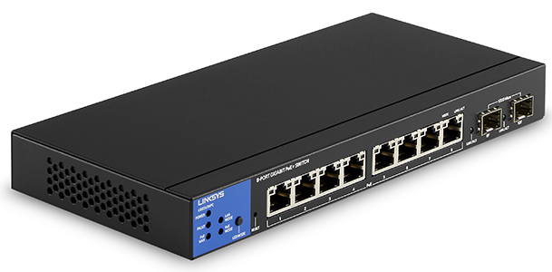 Switch\Switch_Images\LGS310MPC.jpg
LGS310C | Eight Gigabit ports Two SFP 1 Gbps ports DC IN 12V power port (back panel) | 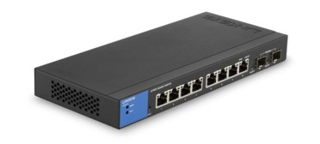 Switch\Switch_Images\LGS310C.jpg
LGS328PC | 24 Gigabit ports Four SFP 1 Gbps uplink ports (25F, 26F, 27F and 28F) One AC LINE power port Console port | Switch\Switch_Images\LGS328PC.jpg
LGS352MPC | 48 PoE+ Gigabit ports Four SFP+ 10 Gbps ports Power port Console port | 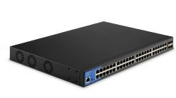 Switch\Switch_Images\LGS352MPC.jpg
LGS528 | 24-Port Gigabit Managed Switch with 2 SFP Combo Ports | 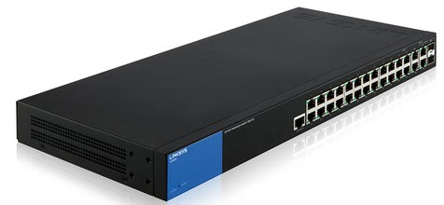 Switch\Switch_Images\LGS528.jpg
LGS528P | 28-Port Managed Gigabit PoE+ Switch with 2 SFP Combo Ports | 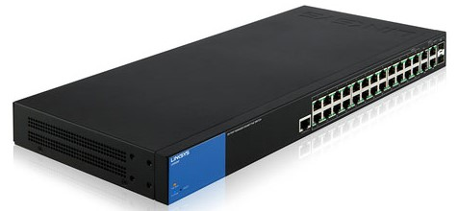 Switch\Switch_Images\LGS528P.jpg
LGS105 | 5-Port Business Desktop Gigabit Switch | 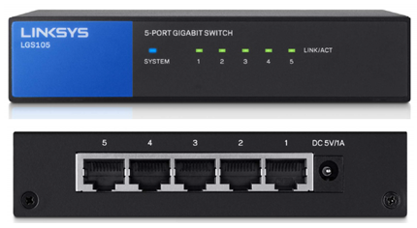 Switch\Switch_Images\LGS105.jpg
LGS105 v2 | 5-Port Business Desktop Gigabit Switch | 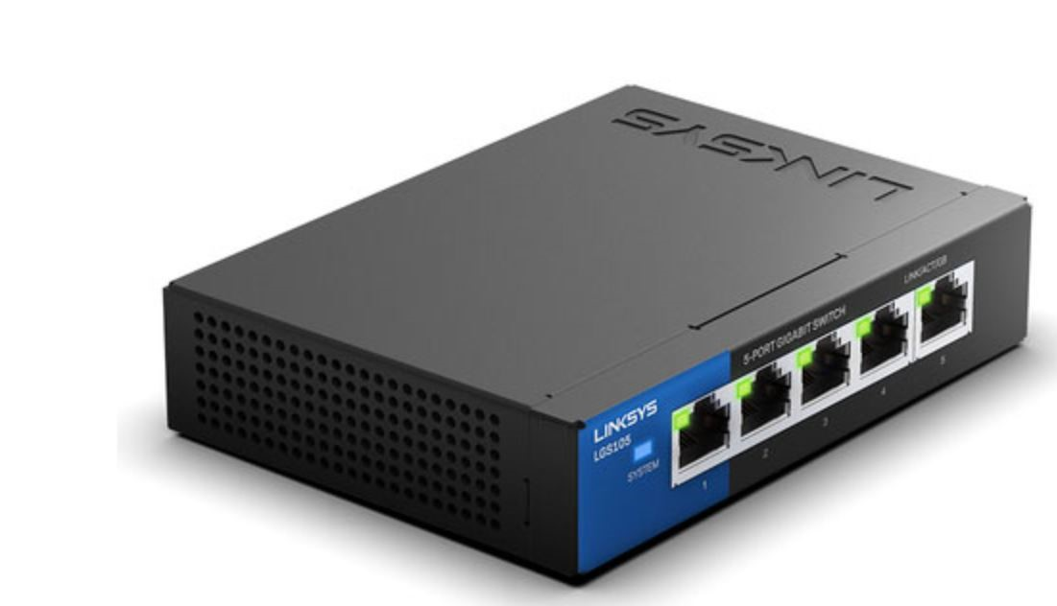 Switch\Switch_Images\LGS105_v2.jpg
LGS108 | 8-Port Business Desktop Gigabit Switch | 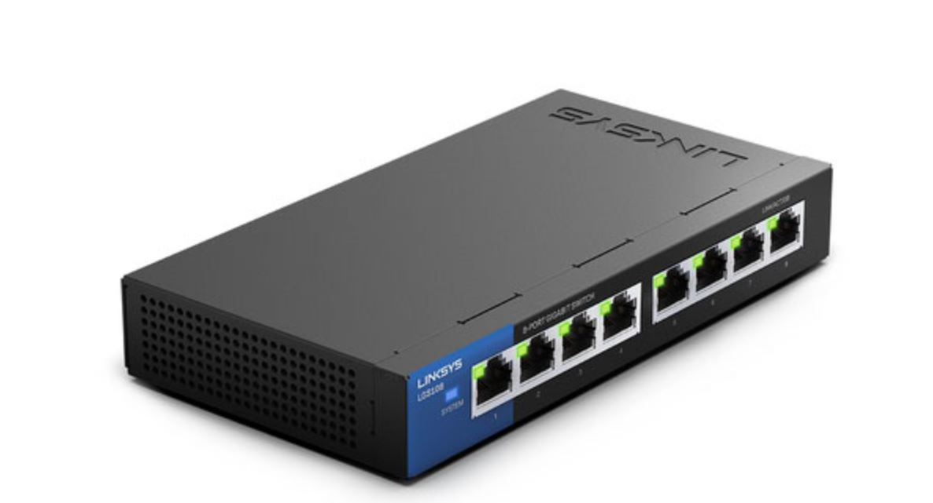 Switch\Switch_Images\LGS108.jpg
LGS108P | 8-Port Business Desktop Gigabit PoE+ Switch | 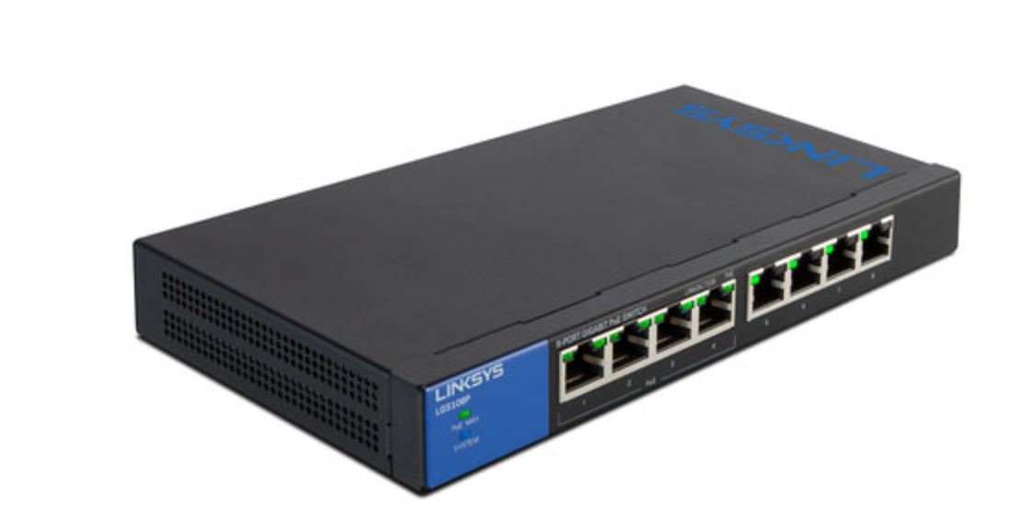 Switch\Switch_Images\LGS108P.jpg
LGS116 | 16-Port Business Desktop Gigabit Switch | 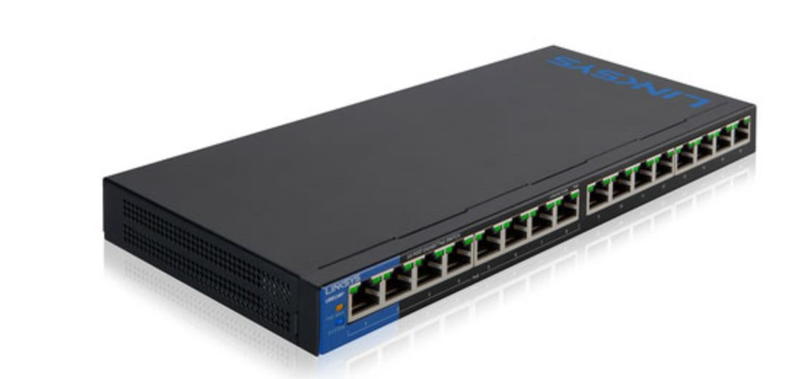 Switch\Switch_Images\LGS116.jpg
LGS116P | 16-Port Business Desktop Gigabit PoE+ Switch | 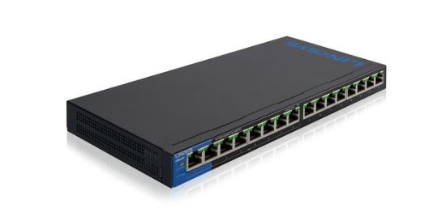 Switch\Switch_Images\LGS116P.jpg
LGS124 | 24-Port Business Gigabit Switch | 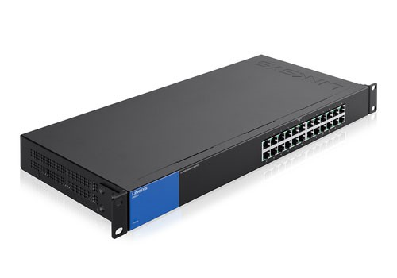 Switch\Switch_Images\LGS124.jpg
LGS124P | 24-Port Business Gigabit PoE+ Switch | 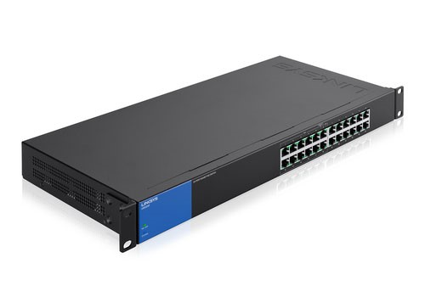 Switch\Switch_Images\LGS124P.jpg
SE3005 v2 | 5-Port Gigabit Ethernet Switch 5-10/100/1000 |  Switch\Switch_Images\SE3005_v2.jpg
SE3005 v1 | 5-Port Gigabit Ethernet Switch 5-10/100/1000 | 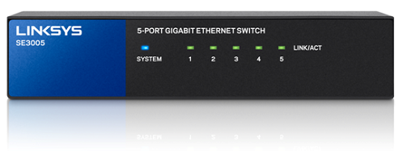 Switch\Switch_Images\SE3005_v1.jpg
SE3008 | 8-Port Gigabit Ethernet Switch 8-10/100/1000 | Switch\Switch_Images\SE3008.jpg
SE3008 v2 | 8-Port Gigabit Ethernet Switch 8-10/100/1000 | Switch\Switch_Images\SE3008_v2.jpg
SE3016 | 16-Port Gigabit Ethernet Switch 16-10/100/1000 | Switch\Switch_Images\SE3016.jpg
SE3024 | 24-Port Gigabit Ethernet Switch 24-10/100/1000 | Switch\Switch_Images\SE3024.jpg
SE2500 | 5-Ports RJ-45 10/100/1000Mbps Gigabit Ethernet | Switch\Switch_Images\SE2500.jpg
SE1500 | 5-Port Fast Ethernet Switch 5 x 10/100 desktop | Switch\Switch_Images\SE1500.jpg
SE2800 | 8-Ports Gigabit Ethernet 8 x 10/100/1000 - desktop | Switch\Switch_Images\SE2800.jpg
EZXS55W | Five 10/100 RJ-45 Ports, One Shared RJ-45 Uplink Port | Switch\Switch_Images\EZXS55W.jpg
EZXS88W | Eight 10/100 RJ-45 Ports, One Shared RJ-45 Uplink Port |  Switch\Switch_Images\_EZXS88W.jpg
EZXS16W | Sixteen 10/100 RJ-45 Ports | Switch\Switch_Images\_EZXS16W.jpg
SRW224G4 | 24-Port 10/100+ 4-Port Giga | Switch\Switch_Images\SRW224G4.jpg
LGS308 | 8-Port Gigabit Ethernet | Switch\Switch_Images\LGS308.jpg
SLM248G | 48-port 10 100 + 2-port Gigabit Smart Switch | Switch\Switch_Images\SLM248G.jpg
PC22224 | 24-Port 10/100 Ethernet Switch | Switch\Switch_Images\PC22224.jpg
KVM100SK | 2-Port Switch Kit | Switch\Switch_Images\KVM100SK.jpg
SF90-24 | 24-Port 10/100 Switch | Switch\Switch_Images\SF90-24.jpg
LGS308P | 8-Port Business Smart Gigabit PoE+Switch | Switch\Switch_Images\LGS308P.jpg
LGS308MP | 8-Port Smart Gigabit PoE+ Switch MP | 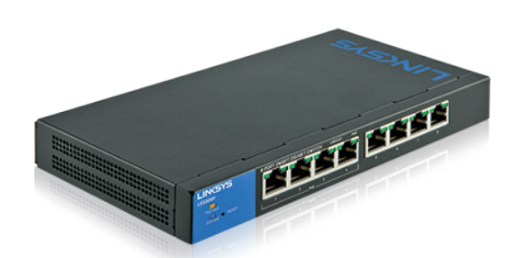 Switch\Switch_Images\LGS308MP.jpg
LGS318P | 18-Port Business Smart Gigabit PoE+Switch | Switch\Switch_Images\LGS318P.jpg
LGS326P | 26-Port Business Smart PoE+Switch | Switch\Switch_Images\LGS326P.jpg
LGS326MP | 26-Port Smart Gigabit PoE+ Switch MP | Switch\Switch_Images\LGS326MP.jpg
LGS318 | 18-Port Smart Gigabit Switch | 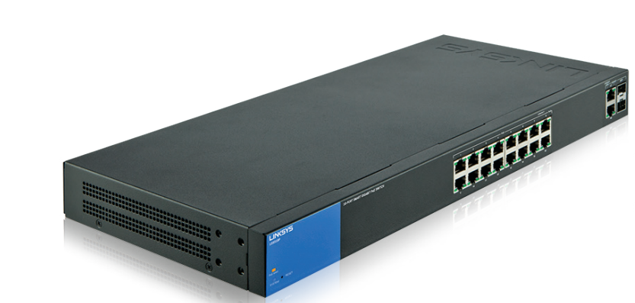 Switch\Switch_Images\LGS318.jpg
LGS326 | 26-Port Smart Gigabit Switch | 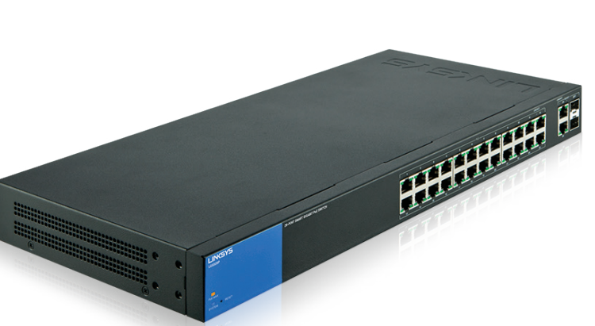 Switch\Switch_Images\LGS326.jpg
LN2305-KE | Five 2.5 Gbps ports Indicator lights Dimensions (L x W x H): 168 mm x 90 mm x 26 mm Weight: 358 g Power: 5V, 2A | Switch\Switch_Images\LN2305-KE.jpg
LGS552P | 52-port GbE Smart Switch with PoE and simple Layer 3 functions | Switch\Switch_Images\LGS552P.jpg
LGS552 | 52-Port Managed Gigabit Ethernet Switch | 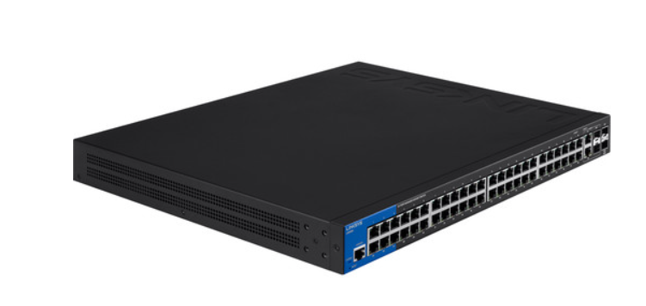 Switch\Switch_Images\_LGS552.jpg

