Sheet1
Name | Description | Image
CSS318-16G-2S+IN | 16 Gigabit Ethernet ports 2 SFP+ 10G uplink ports Number of AC inputs-1 | Switch\Switch_Images\CSS318-16G-2S+IN.jpg
CRS304-4XG-IN | 10/100/1000 Ethernet port -1 Number of 1G/2.5G/5G/10G Ethernet ports -4 Number of DC inputs -4 (DC jack, PoE-IN, 2-pin terminal) | Switch\Switch_Images\CRS304-4XG-IN.jpg
RB260GS | 10/100/1000 Ethernet ports -5 SFP DDMI -Yes SFP ports -1 Number of DC inputs -2 (DC jack, PoE-IN) | 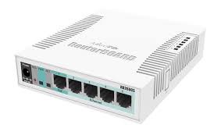 Switch\Switch_Images\RB260GS.jpg
RB260GSP | PoE-out ports -Ether2-Ether5 10/100/1000 Ethernet ports -5 SFP DDMI -Yes SFP ports -1 | Switch\Switch_Images\RB260GSP.jpg
CRS106-1C-5S | Ethernet Combo ports -1 SFP ports -5 Serial console port -RJ45 Number of DC inputs -2 (PoE-IN, DC jack) | Switch\Switch_Images\CRS106-1C-5S.jpg
CSS610-8G-2S+IN | 10/100/1000 Ethernet ports -8 SFP+ ports -2 Number of DC inputs -2 (DC jack, PoE-IN) | Switch\Switch_Images\CSS610-8G-2S+IN.jpg
netPower Lite 7R | PoE-out ports Ether8 10/100/1000 Ethernet ports -8 Number of 1G Ethernet ports with Reverse PoE (PoE-in) -7 Number of 1G Ethernet ports with PoE-out -1 SFP+ ports -2 Number of DC inputs -3 (DC jack, PoE-IN, 2-pin terminal) | 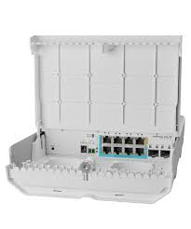 Switch\Switch_Images\netPower_Lite_7R.jpg
CRS305-1G-4S+IN | 10/100/1000 Ethernet ports -1 SFP+ ports -4 Number of DC inputs -3 (DC jack, PoE-IN) | 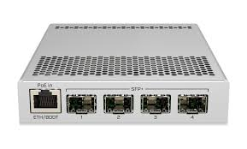 Switch\Switch_Images\CRS305-1G-4S+IN.jpg
CSS326-24G-2S+RM | 10/100/1000 Ethernet ports -24 SFP+ ports -2 Number of DC inputs -2 (PoE-IN, DC jack) | 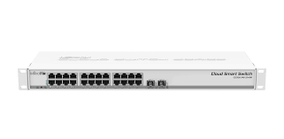 Switch\Switch_Images\CSS326-24G-2S+RM.jpg
netPower 15FR | 10/100 Ethernet ports -16 SFP ports -2 PoE-out ports -Ether15 | 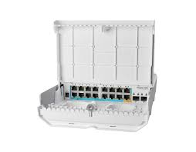 Switch\Switch_Images\netPower_15FR.jpg
CRS326-24G-2S+IN | 10/100/1000 Ethernet ports -24 SFP+ ports -2 Serial console port -RJ45 Number of DC inputs -2 (DC jack, PoE-IN) | 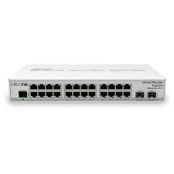 Switch\Switch_Images\CRS326-24G-2S+IN.jpg
CRS310-1G-5S-4S+IN | 10/100/1000 Ethernet ports -1 SFP ports -5 SFP+ ports -4 Serial console port -RJ45 Number of DC inputs -2 (PoE-IN, DC jack) | 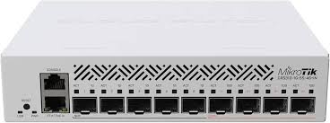 Switch\Switch_Images\CRS310-1G-5S-4S+IN.jpg
CRS326-24G-2S+RM | 10/100/1000 Ethernet ports -24 SFP+ ports -2 Serial console port -RJ45 Number of DC inputs -2 (PoE-IN, DC jack) | Switch\Switch_Images\CRS326-24G-2S+RM.jpg
CRS112-8P-4S-IN | 10/100/1000 Ethernet ports -8 Number of 1G Ethernet ports with PoE-out -8 SFP ports -4 Serial console port -RJ45 Number of DC inputs -2 (DC jack) | 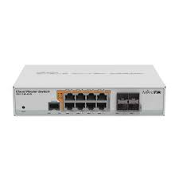 Switch\Switch_Images\CRS112-8P-4S-IN.jpg
CRS310-8G+2S+IN | Number of 2.5G Ethernet ports -8 SFP+ ports -2 Number of USB ports -1 Number of DC inputs -1 (DC jack) | 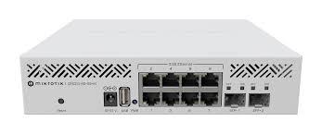 Switch\Switch_Images\CRS310-8G+2S+IN.jpg
CSS610-8P-2S+IN | 10/100/1000 Ethernet ports -8 SFP+ ports -2 Number of 1G Ethernet ports with PoE-out -8 PoE-out ports -Ether1-Ether8 Number of AC inputs -1 Number of DC inputs -1 (DC jack) | 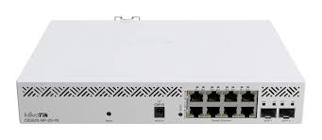 Switch\Switch_Images\CSS610-8P-2S+IN.jpg
FiberBox Plus | 10/100/1000 Ethernet ports -1 SFP+ ports -4 Serial console port -RJ45 Number of DC inputs -3 (DC jack, PoE-IN, 2-pin terminal | 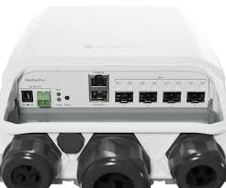 Switch\Switch_Images\FiberBox_Plus.jpg
netFiber 9 | 10/100/1000 Ethernet ports -1 SFP ports -5 SFP+ ports -4 Serial console port -RJ45 Number of DC inputs -2 (PoE-IN, DC jack) | 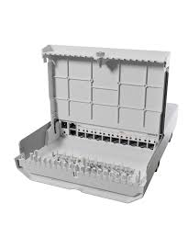 Switch\Switch_Images\netFiber_9.jpg
CRS309-1G-8S+IN | 10/100/1000 Ethernet ports -1 SFP+ ports -8 Serial console port -RS232 Number of DC inputs -2 (DC jack, PoE-IN) | 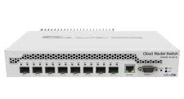 Switch\Switch_Images\CRS309-1G-8S+IN.jpg
netPower 16P | 10/100/1000 Ethernet ports -16 Number of 1G Ethernet ports with PoE-out -16 SFP+ ports -2 PoE-out ports Ether1-Ether16 Number of DC inputs -2 (DC jack) | 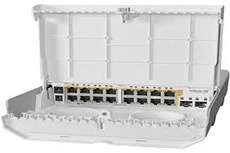 Switch\Switch_Images\netPower_16P.jpg
CRS328-4C-20S-4S+RM | Ethernet Combo ports -4 SFP ports -20 SFP+ ports -4 Serial console port -RJ45 Number of AC inputs -2 |  Switch\Switch_Images\CRS328-4C-20S-4S+RM.jpg
CRS328-24P-4S+RM | 10/100/1000 Ethernet ports -24 SFP+ ports -4 Serial console port -RJ45 PoE-out ports -(Ether1-Ether24) Number of AC inputs -1 | 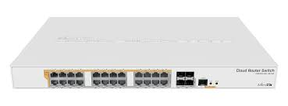 Switch\Switch_Images\CRS328-24P-4S+RM.jpg
CRS320-8P-8B-4S+RM | 10/100/1000 Ethernet ports-17 Number of 1G Ethernet ports with PoE-out -16 SFP+ ports -4 Serial console port -RJ45 PoE-out ports -(Ether1-Ether8 (af/at), Ether9-Ether16 (bt)) Number of AC inputs -1 | Switch\Switch_Images\CRS320-8P-8B-4S+RM.jpg
CRS317-1G-16S+RM | 10/100/1000 Ethernet ports -1 SFP+ ports -16 Serial console port -RJ45 Number of AC inputs -2 | 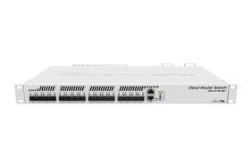 Switch\Switch_Images\CRS317-1G-16S+RM.jpg
CRS326-24S+2Q+RM | 10/100 Ethernet ports -1 SFP+ ports -24 Number of 40G QSFP+ ports -2 serial console port -RJ45 Number of USB ports -1 Number of AC inputs -2 | Switch\Switch_Images\CRS326-24S+2Q+RM.jpg
CRS354-48G-4S+2Q+RM | 10/100 Ethernet ports -1 10/100/1000 Ethernet ports -48 SFP+ ports -4 Number of 40G QSFP+ ports -2 Serial console port -RJ45 Number of AC inputs -2 | 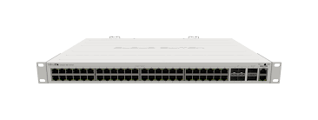 Switch\Switch_Images\CRS354-48G-4S+2Q+RM.jpg
CRS312-4C+8XG-RM | 10/100 Ethernet ports -1 Number of Combo 10G Ethernet/ SFP+ ports -4 Number of 1G/2.5G/5G/10G Ethernet ports -8 Serial console port -RJ45 Number of USB ports -1 Number of AC inputs -2 | Switch\Switch_Images\CRS312-4C+8XG-RM.jpg
CRS504-4XQ-IN | 10/100 Ethernet ports -1 Number of 100G QSFP28 ports -4 Serial console port -RJ45 Number of AC inputs -2 | 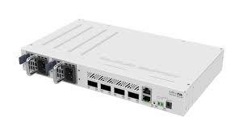 Switch\Switch_Images\CRS504-4XQ-IN.jpg
CRS504-4XQ-OUT | 10/100 Ethernet ports -1 Number of 100G QSFP28 ports -4 Serial console port -RJ45 Number of DC inputs -3 (PoE-IN, 2-pin terminal, DC jack) | 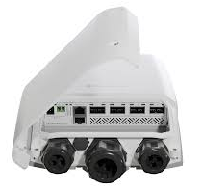 Switch\Switch_Images\CRS504-4XQ-OUT.jpg
CRS354-48P-4S+2Q+RM | 10/100 Ethernet ports -1 10/100/1000 Ethernet ports -48 SFP+ ports -4 Number of 40G QSFP+ ports -2 Serial console port -RJ45 PoE-out ports -(Ether1-Ether48) Number of AC inputs -1 | 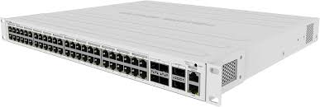 Switch\Switch_Images\CRS354-48P-4S+2Q+RM.jpg
CRS510-8XS-2XQ-IN | 10/100 Ethernet ports -1 Number of 25G SFP28 ports -8 Number of 100G QSFP28 ports -2 Serial console port -RJ45 Number of AC inputs -2 | 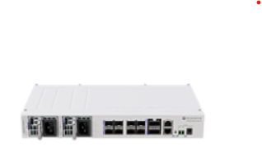 Switch\Switch_Images\CRS510-8XS-2XQ-IN.jpg
CRS326-4C+20G+2Q+RM | 10/100 Ethernet ports -1 Number of 2.5G Ethernet ports -20 Number of Combo 10G Ethernet/ SFP+ ports - 4* (2.5G ETH/10G SFP+) Number of 40G QSFP+ ports -2 Serial console port -RJ45 Number of AC inputs -2 | Switch\Switch_Images\CRS326-4C+20G+2Q+RM.jpg
CRS518-16XS-2XQ-RM | 10/100 Ethernet ports -1 Number of 25G SFP28 ports -16 Number of 100G QSFP28 ports -2 Serial console port -RJ45 Number of USB ports -1 Number of AC inputs -2 | Switch\Switch_Images\CRS518-16XS-2XQ-RM.jpg
CRS520-4XS-16XQ-RM | Number of 1G/2.5G/5G/10G Ethernet ports -2 Number of 25G SFP28 ports -4 Number of 100G QSFP28 ports -16 Serial console port -RJ45 Number of AC inputs -2 | 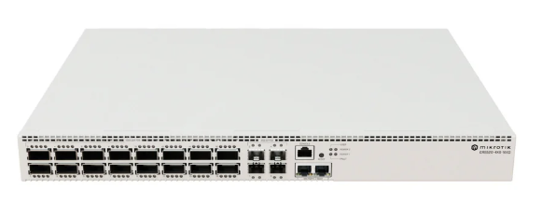 Switch\Switch_Images\CRS520-4XS-16XQ-RM.jpg

