Document
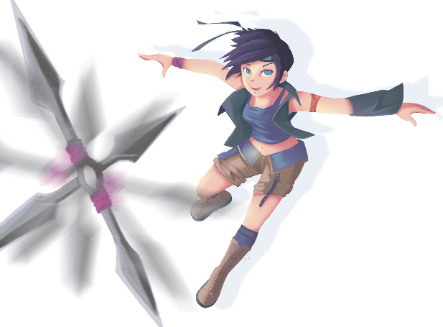
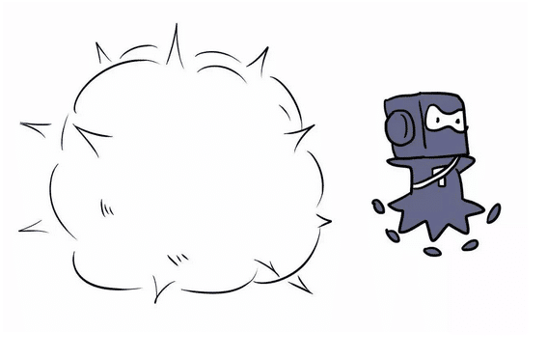
1. Mechanics:
 | Boomerang + Teleporting
 | + (top down platformer)
 | Player tosing boomerang and teleporting to the location of the boomerang at the right moment so that the player can move between platforms and get to the final goal.

2. Reference

 | A. Boomerang Fu (Teleport Power-up) |  | B. Frogger

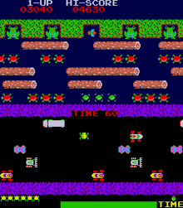

3. Concept
 | Shyuriken = Boomerang | Ninja = Character | Smoke boom = Teleport

