Sheet7
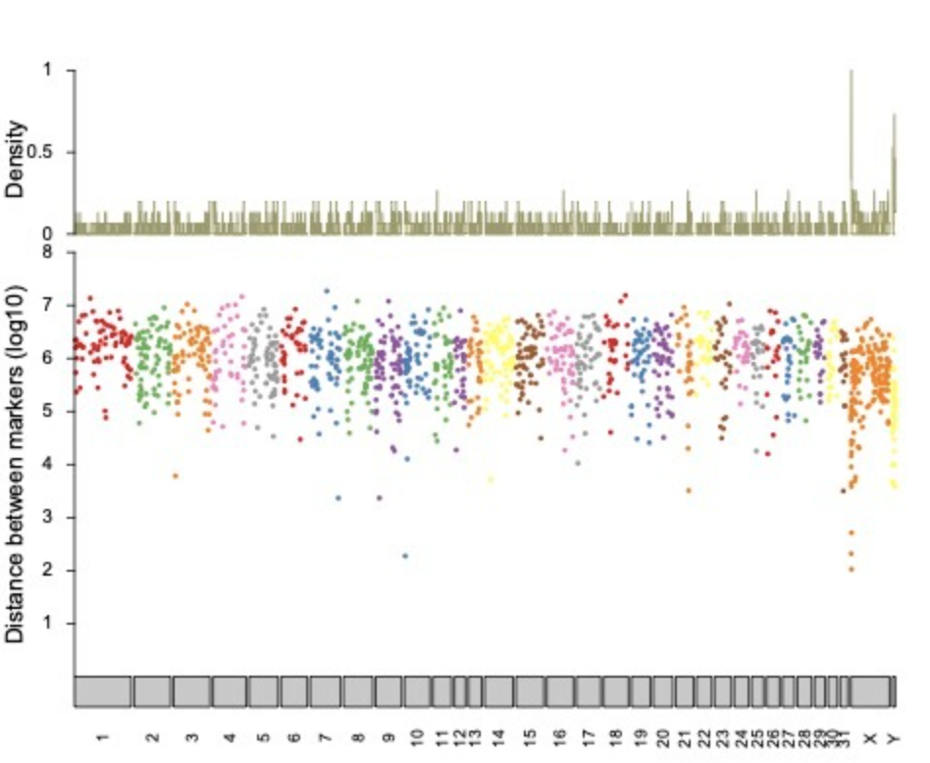

https://github.com/drtamermansour/Equine_parentage_testing/blob/main/scripts/rainfall.R

Karyoploter

