Dashboard
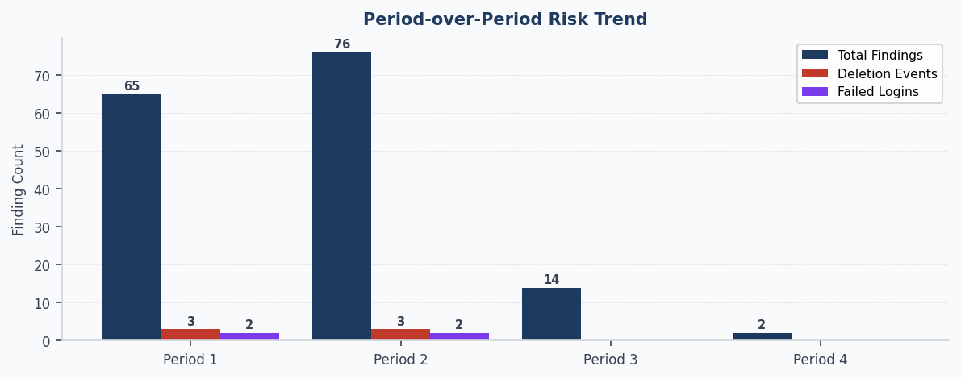
⬡ DATA INTEGRITY MONITOR — COMMAND CENTRE
System: PLIMS2 | Source: AT auto-feed (4 periods) | Period 1: 01-Jan-2025 → 30-Mar-2025 | Period 2: 01-Apr-2025 → 04-Jul-2025 | Period 3: 01-Jul-2025 → 29-Sep-2025 | Period 4: 01-Oct-2025 → 30-Dec-2025 | Generated: 2026-04-13 22:29 UTC

🟢 DI POSTURE: IMPROVING | Period 4 (01-Oct-2025 → 30-Dec-2025) vs Period 1 (01-Jan-2025 → 30-Mar-2025)
KEY METRICS — Period 4 (01-Oct-2025 → 30-Dec-2025)
Total Findings | Deletion Events | Failed Login Events | Off-Hours Events
2 | 0 | 0 | 0
↓ -85.7% vs prior | → +0.0% vs prior | → +0.0% vs prior | → +0.0% vs prior

▼ TOP 3 ACTIONS — REVIEW TODAY

✓ No significant worsening metrics in latest period.

REPEAT HIGH-RISK USERS — USER RISK PROFILES
Username | Periods Flagged | % Periods Active | Total Findings | Most Common Rule
analyst_brown | 4 / 4 | 100% | 12 | Rule 1 — Vague Rationale
analyst_a | 3 / 4 | 75% | 25 | Rule 1 — Vague Rationale
admin_sys | 3 / 4 | 75% | 20 | Rule 3 — Admin/GxP Conflict
jsmith | 3 / 4 | 75% | 12 | Rule 1 — Vague Rationale
analyst_b | 3 / 4 | 75% | 11 | Rule 1 — Vague Rationale
analyst_z | 3 / 4 | 75% | 7 | Rule 1 — Vague Rationale
analyst_d | 3 / 4 | 75% | 5 | Rule 1 — Vague Rationale
old_timer | 2 / 4 | 50% | 13 | Rule 9 — Audit Trail Timestamp Gap

Regulatory Basis: ALCOA+ | 21 CFR Part 11 §11.10(e) | EU Annex 11 Clause 9 | FDA CSA Final Guidance (Sep 2021)

