Dashboard
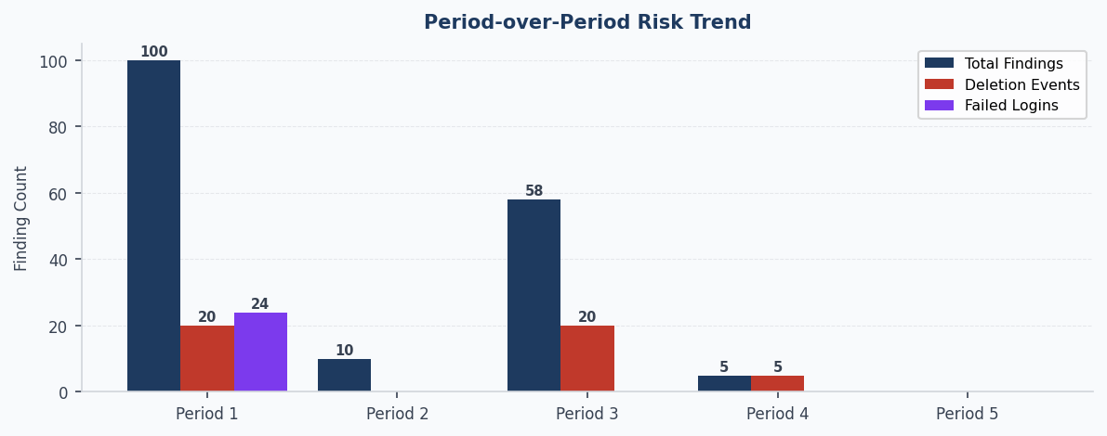
⬡ DATA INTEGRITY MONITOR — COMMAND CENTRE
System: BioLIMSv1 | Source: AT + DCI + UAR (5 periods) | Period 1: 22-Oct-2024 → 03-Sep-2025 | Period 2: 26-May-2024 → 29-Sep-2025 | Period 3: 01-Jul-2025 → 29-Sep-2025 | Period 4: 01-Oct-2025 → 27-Dec-2025 | Period 5: 13-Aug-2025 → 28-Dec-2025 | Generated: 2026-05-03 17:16 UTC

🟢 DI POSTURE: IMPROVING | AT: N/A | UAR: IMPROVING | DCI: N/A | Driven by UAR | Period 5 (13-Aug-2025 → 28-Dec-2025)
KEY METRICS — Period 5 (13-Aug-2025 → 28-Dec-2025)
AT Findings | UAR Findings | DCI Findings | Deletion Events | Failed Login Events
0 | 0 | 0 | 0 | 0
— not run this period | — not run in prior period | — no prior to compare | ↓ -100.0% vs prior | → +0.0% vs prior

▼ TOP 3 ACTIONS — REVIEW TODAY

✓ No significant worsening metrics in latest period.

REPEAT HIGH-RISK USERS — USER RISK PROFILES
Username | Periods Flagged | % Periods Active | Total Findings | Most Common Rule
dkim | 2 / 5 | 40% | 7 | Rule 6 — Vague Rationale
jsmith | 2 / 5 | 40% | 6 | Rule 4 — Self-Approval SoD Violation
kpatel | 2 / 5 | 40% | 5 | Rule 2 — Audit Trail Integrity Event
rchen | 2 / 5 | 40% | 4 | Rule 6 — Vague Rationale

Regulatory Basis: ALCOA+ | 21 CFR Part 11 §11.10(e) | EU Annex 11 Clause 9 | FDA CSA Final Guidance (Sep 2021)

