Index
A dollar and a dream
Independent Contractors
Strategic Partnership
Existing
Relationship
The Gadfly Group Major Milestones
1 | 50
1.25 | -75
1.75 | -40
2.25 | 100
5 | 75
7.5 | 50
10 | -75
14 | -40

 | CONTENTS

 | Assumptions & Summaries

 | 1 | Dashboard

 | 2 | Milestones

 | 3 | Centers of Excellence

 | 4 | Revenue Assumptions

 | 5 | Expense Assumptions

 | 6 | Depreciation Schedule

 | Pro-forma Income Statement

 | 7 | Year 1 Income Statement

 | 8 | Year 2 Income Statement

 | 9 | Year 3 Income Statement

 | 10 | Year 4 Income Statement

 | 11 | Year 5 Income Statement

 | 12 | Sources - Uses of Funds

Dashboard
Startup Estimate (6 Months)
Estimated Total Number of L-T Unemployed Individuals Served
 |  | Misfit Participation - Yearly Cumulative |  |  |  |  |  | Organizational Head Count Estimate Estimate
 |  | Year | Northeast | Midwest | West | South | Total | Milestone | Internal | External | Total
 |  | 1 | 160 | - | - | - | 160 | 1 - Proposal | 1 | 0 | 1
 |  | 2 | 1,275 | - | - | - | 1,275 | 2 - Revision | 1 | 0 | 1
 |  | 3 | 3,275 | 4,501 | 5,845 | 2,310 | 15,930 | 3 - Funding | 2+ | 0 | 2+
 |  | 4 | 5,881 | 8,083 | 10,496 | 4,148 | 28,608 | 4 - Startup | 2 | 5 | 7
 |  | 5 | 10,562 | 14,516 | 18,849 | 7,449 | 51,377 | 5 - Test & Refine | 7 | TBD | 7
 |  |  |  |  |  |  |  | 6 - Scale Up | 65 | TBD | 65
 |  |  |  |  |  |  |  | 7 - Diversify | TBD | TBD
 |  |  |  |  |  |  |  | 8 - Grow | TBD | TBD | TBD
Estimated Gross Earnings of Misfits Re-entering the Workforce ($ in Millions)
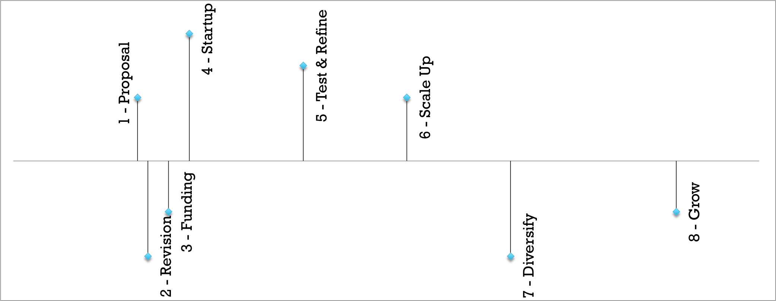
The Gadfly Group
Major Milestones
 |  | Misfit Yearly Earnings
 |  | Year | Northeast | Midwest | West | South | Total
 |  | 1 |  |  |  |  | $3,350,333
 |  | 2 |  |  |  |  | $23,324,875
 |  | 3 |  |  |  |  | $469,149,691
Startup Estimate (6 Months)
 |  | 4 |  |  |  |  | $969,564,552
Startup Expenses | 6 Month Estimates | 5 |  |  |  |  | $1,741,198,634
Filings | $500
Legal | $5,000
Webapp | $136,500
Content Development | $15,000
Office supplies | $500
Office space | $7,500
Fees Earned ($ in Millions)
Gross Margin ($ in Millions)
Operating Margin ($in Millions)
Research & Consultants | $10,000 | Preliminary Margins
T&E | $5,000 | Year | Fees Earned | Gross Margin | Operating Margin
Software licenses | $3,000 | 1 | $159,467 | ($371,333) | ($1,050,133)
Miscellaneous / Incidentals | $1,500 | 2 | $1,110,200 | $579,400 | ($105,400)
Salaries | $104,000 | 3 | $22,330,237 | $18,381,237 | $14,594,637
Communication | $500 | 4 | $46,148,610 | $42,199,610 | $38,407,010
Utilities | $600 | 5 | $82,876,274 | $78,927,274 | $75,128,674

Capitalizable | $157,000
Discretionary | $132,600

COE
Secure Cloud Based Gateway
Publicly Traded Firm 1
Industry Leader
Publicly Traded Firm 2
Industry Leader
Publicly Traded Firm n
Industry Leader
Mid Sized Business
Growing Firm
Small Business
Startup
Established organizations
Non Profit
Functional Tasks & Projects

